Prelogin Side Menu
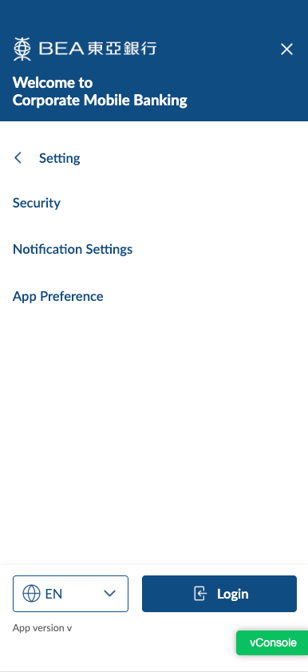
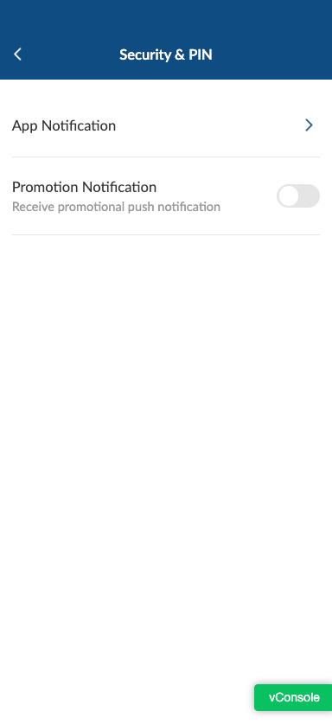
Module | Page | Item | EN | SC | TC
assets | side menu | setting | setting | 设置 | 設定
assets | side menu | setting security | security | 安全设置 | 安全設定
assets | side menu | setting notification settings | Notification Settings | 通知设置 | 通知設定
assets | side menu | setting app preference | App Preference | 应用程序偏好设置 | 應用程式偏好設定
assets | side menu | setting app notification | App Notification | 应用通知 | 應用程式通知
assets | side menu | setting promotion notification | Promotion Notification | 推广通知 | 推廣通知
assets | side menu | setting promotion notification text | Receive promotional push notification | 接收推广推送通知 | 接收推廣推送通知

