todo
priority | item | status | note
1 | find the best thresh for each fold model | on progress | bug!! set each thresh for sub ensemble
2 | find the best weight of each model for ensemble
3 | lr schedule | done | MultiStepLR is the best
4 | change val metric or loss to fbeta4 | done | not worked well.. try? https://www.kaggle.com/code/sacuscreed/translating-metric-into-a-loss
5 | find the best augmentation composite | done
6 | overlap -> speed up inference | done | done and improved cv score but inference time is too long. need to lighten net? ->
7 | use other tomo_type data | done | pretrain with all tomo_type data except 'denoised' improved lb about 0.003
8 | use other resolution data |  | https://www.kaggle.com/code/davidlist/experiment-ts-6-4-visualization
9 | SAM |  | might this improve the score..? need to check output masks visually at first
10 | add extra dataset
11 | 2d-3d model |  | https://www.kaggle.com/code/hengck23/2d-to-3d-unet-demo https://www.kaggle.com/competitions/google-research-identify-contrails-reduce-global-warming/discussion/430685
12 | duplicate kaggle env on local | pending | seems to be hard..
13 | train with all data when final sub | done
14

--- for late sub --- |  |  |  | my arch

category | item | idea comes from
patch | train 48x256x256; infer 180x180x180 (output channel is 6) | 32th
patch | better scores with [48, 196, 196] opposed to [128, 128, 128] | 95th
patch | larger patch size 128>96 | 98th
patch | train 64x64x64; infer 160x160x160 | 43th
loss | TverksyLoss function was used with alpha=0.5 and beta=1 | 95th
loss | 0.75 cross-entropy (without weights) + 0.25 dice loss (excluding background) | 98th
loss | custom loss | 26th
arch | UNet: channels=(32, 64, 128, 256, 512), strides=(2, 2, 1, 1), dropout=0.2, num_res_units=1) | 98th
arch | 2d-3d model | 22nd
arch | MedNext | 43th |  | 95th
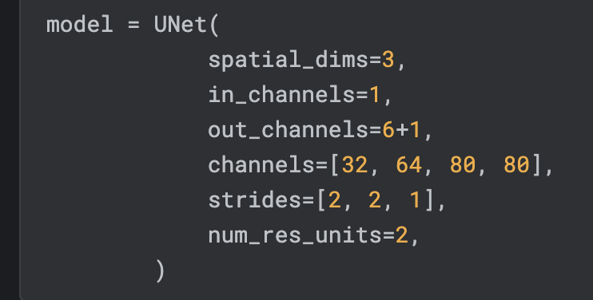
postprocess | a filtering idea | 33th
speed | TensorRT | 32th

cert thresh and overlap
test set | TS_6_4
model | fnands's lightning.pytorch 3d unet fold6
BLOB_THRESHOLD | 150

tta with Rotate90(k=1~3, spatial_axes=(0, 2)) CERTAINTY_THRESHOLD=0.09

f-beta4
exp. | f-beta4
w/o tta | 0.51262320152
tta | 0.51904397068 | improved!+ | 0.006420769155

change thresholding procedure (CERTAINTY_THRESHOLD is fixed with 0.09) (I suspected that when the threshold is less than 0.5, then the original thresholding procedure is not appropriate. so I rewrite that part. org: the threshold was 0.5, so even if argmax is used for determining max class there was no problem. update: when using different thresholds for each class like 0.09, then there should be many max class in one output 3d matrix (many 1s after prob > CERTAINTY_THRESHOLD), and argmax will pick up front index (background), so background has higher priority than expected. )

 |  | thresholds
exp. | f-beta4 | background | apo-fer | b-amy | b-gala | ribosome | thy | vlp
before (w/o tta) | 0.51262320152 | 0.09 | 0.09 | 0.09 | 0.09 | 0.09 | 0.09 | 0.09
after | 0.47434768428 | 0.09 | 0.09 | 0.09 | 0.09 | 0.09 | 0.09 | 0.09 | got much more fps..

↓ need to optimize thresholds
after optimization | 0.51818270411 | 0 | 0.7 | 0.75 | 0.8 | 0.95 | 0.95 | 0.95 | improved!+ | 0.005559502588

id | name \ th | 0.05 | 0.1 | 0.15 | 0.2 | 0.25 | 0.3 | 0.35 | 0.4 | 0.45 | 0.5 | 0.55 | 0.6 | 0.65 | 0.7 | 0.75 | 0.8 | 0.85 | 0.9 | 0.95
1 | apo-fer | 0.54892367906 | 0.54892367906 | 0.54892367906 | 0.54892367906 | 0.54892367906 | 0.54892367906 | 0.54892367906 | 0.54946131244 | 0.54946131244 | 0.53333333333 | 0.55216535433 | 0.55325443787 | 0.53754940711 | 0.55544554455 | 0.50595238095 | 0.49005964215 | 0.49054726368 | 0.50796812749 | 0.51102204409
2 | b-amy | 0.38288288288 | 0.38288288288 | 0.38288288288 | 0.38288288288 | 0.38288288288 | 0.38288288288 | 0.38288288288 | 0.38288288288 | 0.38288288288 | 0.38461538462 | 0.38812785388 | 0.47004608295 | 0.47441860465 | 0.49275362319 | 0.5 | 0.43147208122 | 0.4381443299 | 0.36956521739 | 0.1976744186
3 | b-gala | 0.27597402597 | 0.27597402597 | 0.27597402597 | 0.27597402597 | 0.27597402597 | 0.27597402597 | 0.27597402597 | 0.27597402597 | 0.27687296417 | 0.27687296417 | 0.28145695364 | 0.28333333333 | 0.28911564626 | 0.29513888889 | 0.2972027972 | 0.3024911032 | 0.24548736462 | 0.1875 | 0.19921875
4 | ribosome | 0.68257575758 | 0.68257575758 | 0.68257575758 | 0.68257575758 | 0.68257575758 | 0.68257575758 | 0.68257575758 | 0.69492808478 | 0.69492808478 | 0.6959818044 | 0.70887035633 | 0.7099468489 | 0.71156773212 | 0.71156773212 | 0.71210967251 | 0.71210967251 | 0.73969465649 | 0.73969465649 | 0.74139250191
5 | thy | 0.53561643836 | 0.53561643836 | 0.53561643836 | 0.53561643836 | 0.53561643836 | 0.53561643836 | 0.53561643836 | 0.53561643836 | 0.53561643836 | 0.53635116598 | 0.54005524862 | 0.5438108484 | 0.54685314685 | 0.54915730337 | 0.55070422535 | 0.55539772727 | 0.5617816092 | 0.57247437775 | 0.60804769001
6 | vlp | 0.46575342466 | 0.46575342466 | 0.46575342466 | 0.46575342466 | 0.46575342466 | 0.46575342466 | 0.46575342466 | 0.46575342466 | 0.46575342466 | 0.46575342466 | 0.46735395189 | 0.46896551724 | 0.47222222222 | 0.47386759582 | 0.48571428571 | 0.48920863309 | 0.49275362319 | 0.5 | 0.50936329588

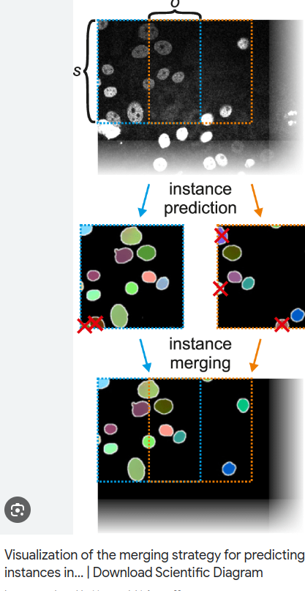
overlap factor | std (sigma)
1 (min overlap about 7pix?) | - | 0.48690430029 | just average patch overlap there're effects of low prob on edge of patch need to remove these probs? like ->
2 | - | 0.53224408821
--- implement gaussian weight ---
1 | 24 | 0.5041980964
1 | 36 | 0.50955184565
1 | 42 | 0.50974211012
1 | 48 | 0.51446833475
2 | 48 | 0.57612180002
1 | 43 | 0.51100820938
1 | 38 | 0.51030088519
1 | 38 | 0.50932483116 | normalized gaussian dist weight
1 | 33 | 0.50902090031

