State transition
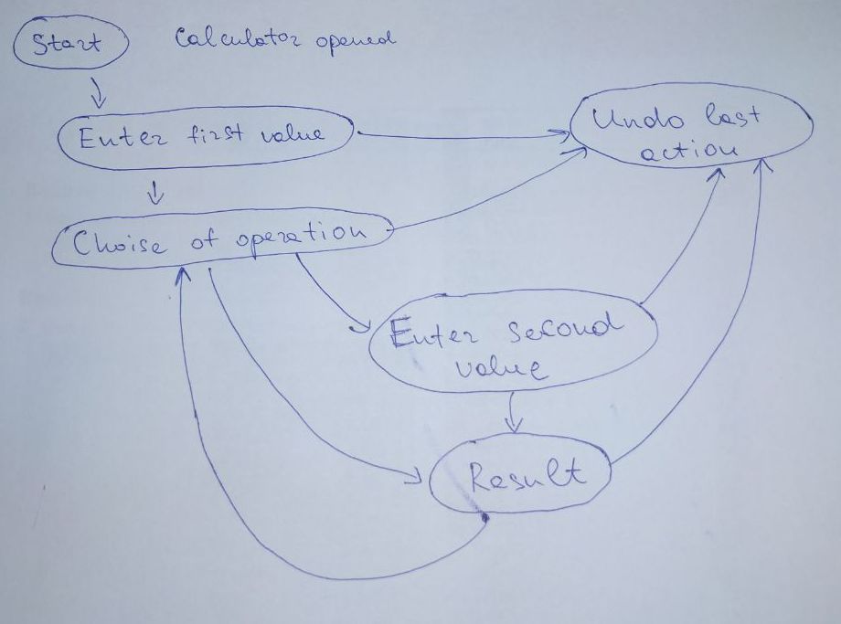
ID | Summary | Description | Expected Results | Priority | Severity
1 | The calculator accepts the first value | Steps: 1) Open calculator 2) Enter "15" 3) Check the result | 1) Calculator is opened 2) "15" is entered and displayed in the window | High | Major
2 | The calculator undos the last action after pressing the "C" | Steps: 1) Open calculator 2) Enter "15" 3) Press "C" 4) Check the result | 1) Calculator is opened 2) "15" is entered and displayed in the window 3) "C" is pressed and "0" is displayed in the window | High | Major
3 | The calculator accepts selected operation | Steps: 1) Open calculator 2) Enter "15" 3) Press " + " | 1) Calculator is opened 2) "15" is displayed in the window 3) " + " is pressed | High | Major
4 | The calculator accepts the second value | Steps: 1) Open calculator 2) Enter "15" 3) Press " + " 4) Enter "30" 5) Check the result | 1) Calculator is opened 2) "15" is displayed in the window 3) " + " is pressed 4) "30" is displayed in the input window | High | Major
5 | The calculator performs the arithmetic operation | Steps: Steps: 1) Open calculator 2) Enter "15" 3) Press "+" 4) Enter "30" 5) Press "=" 6) Check the result | 1) Calculator is opened 2) "15" is displayed in the window 3) "+" is pressed 4) "30" is displayed in the input window 5) "=" is pressed and "45" is displayed in the window | High | Major

