RT to BC | AIU·ICP 상태
Message | Field | Bit No | Bit Name | Bit Description | Remark | GUI
RT-BC-01 (주기 : 6.25Hz) | 01 AIU Fault Data 1 | b00 | Fault Data 0 | 1=Fault | BIT 항목 식별 후 추가 | Fault Data 서브메뉴 - Indicator (0=Green, 1=Red)
 |  | b01 | Fault Data 1 | 1=Fault | BIT 항목 식별 후 추가 | Fault Data 서브메뉴 - Indicator (0=Green, 1=Red)
 |  | b02 | Fault Data 2 | 1=Fault | BIT 항목 식별 후 추가 | Fault Data 서브메뉴 - Indicator (0=Green, 1=Red)
 |  | b03 | Fault Data 3 | 1=Fault | BIT 항목 식별 후 추가 | Fault Data 서브메뉴 - Indicator (0=Green, 1=Red)
 |  | b04 | Fault Data 4 | 1=Fault | BIT 항목 식별 후 추가 | Fault Data 서브메뉴 - Indicator (0=Green, 1=Red)
 |  | b05 | Fault Data 5 | 1=Fault | BIT 항목 식별 후 추가 | Fault Data 서브메뉴 - Indicator (0=Green, 1=Red)
 |  | b06 | Fault Data 6 | 1=Fault | BIT 항목 식별 후 추가 | Fault Data 서브메뉴 - Indicator (0=Green, 1=Red)
 |  | b07 | Fault Data 7 | 1=Fault | BIT 항목 식별 후 추가 | Fault Data 서브메뉴 - Indicator (0=Green, 1=Red)
 |  | b08 | Fault Data 8 | 1=Fault | BIT 항목 식별 후 추가 | Fault Data 서브메뉴 - Indicator (0=Green, 1=Red)
 |  | b09 | Fault Data 9 | 1=Fault | BIT 항목 식별 후 추가 | Fault Data 서브메뉴 - Indicator (0=Green, 1=Red)
 |  | b10 | Fault Data 10 | 1=Fault | BIT 항목 식별 후 추가 | Fault Data 서브메뉴 - Indicator (0=Green, 1=Red)
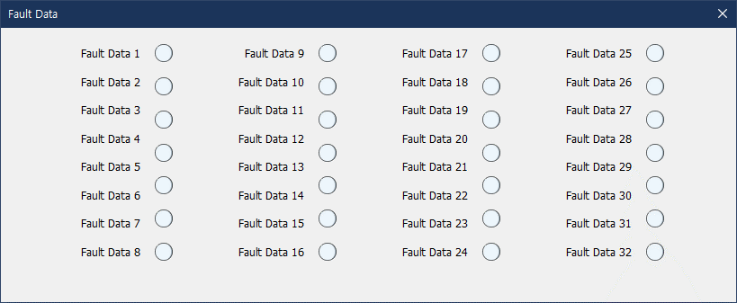
 |  | b11 | Fault Data 11 | 1=Fault | BIT 항목 식별 후 추가 | Fault Data 서브메뉴 - Indicator (0=Green, 1=Red)
 |  | b12 | Fault Data 12 | 1=Fault | BIT 항목 식별 후 추가 | Fault Data 서브메뉴 - Indicator (0=Green, 1=Red)
 |  | b13 | Fault Data 13 | 1=Fault | BIT 항목 식별 후 추가 | Fault Data 서브메뉴 - Indicator (0=Green, 1=Red)
 |  | b14 | Fault Data 14 | 1=Fault | BIT 항목 식별 후 추가 | Fault Data 서브메뉴 - Indicator (0=Green, 1=Red)
 |  | b15 | Fault Data 15 | 1=Fault | BIT 항목 식별 후 추가 | Fault Data 서브메뉴 - Indicator (0=Green, 1=Red)
 | 02 AIU Fault Data 2 | b00 | Fault Data 16 | 1=Fault | BIT 항목 식별 후 추가 | Fault Data 서브메뉴 - Indicator (0=Green, 1=Red)
 |  | b01 | Fault Data 17 | 1=Fault | BIT 항목 식별 후 추가 | Fault Data 서브메뉴 - Indicator (0=Green, 1=Red)
 |  | b02 | Fault Data 18 | 1=Fault | BIT 항목 식별 후 추가 | Fault Data 서브메뉴 - Indicator (0=Green, 1=Red)
 |  | b03 | Fault Data 19 | 1=Fault | BIT 항목 식별 후 추가 | Fault Data 서브메뉴 - Indicator (0=Green, 1=Red)
 |  | b04 | Fault Data 20 | 1=Fault | BIT 항목 식별 후 추가 | Fault Data 서브메뉴 - Indicator (0=Green, 1=Red)
 |  | b05 | Fault Data 21 | 1=Fault | BIT 항목 식별 후 추가 | Fault Data 서브메뉴 - Indicator (0=Green, 1=Red)
 |  | b06 | Fault Data 22 | 1=Fault | BIT 항목 식별 후 추가 | Fault Data 서브메뉴 - Indicator (0=Green, 1=Red)
 |  | b07 | Fault Data 23 | 1=Fault | BIT 항목 식별 후 추가 | Fault Data 서브메뉴 - Indicator (0=Green, 1=Red)
 |  | b08 | Fault Data 24 | 1=Fault | BIT 항목 식별 후 추가 | Fault Data 서브메뉴 - Indicator (0=Green, 1=Red)
 |  | b09 | Fault Data 25 | 1=Fault | BIT 항목 식별 후 추가 | Fault Data 서브메뉴 - Indicator (0=Green, 1=Red)
 |  | b10 | Fault Data 26 | 1=Fault | BIT 항목 식별 후 추가 | Fault Data 서브메뉴 - Indicator (0=Green, 1=Red)
 |  | b11 | Fault Data 27 | 1=Fault | BIT 항목 식별 후 추가 | Fault Data 서브메뉴 - Indicator (0=Green, 1=Red)
 |  | b12 | Fault Data 28 | 1=Fault | BIT 항목 식별 후 추가 | Fault Data 서브메뉴 - Indicator (0=Green, 1=Red)
 |  | b13 | Fault Data 29 | 1=Fault | BIT 항목 식별 후 추가 | Fault Data 서브메뉴 - Indicator (0=Green, 1=Red)
 |  | b14 | Fault Data 30 | 1=Fault | BIT 항목 식별 후 추가 | Fault Data 서브메뉴 - Indicator (0=Green, 1=Red)
 |  | b15 | Fault Data 31 | 1=Fault | BIT 항목 식별 후 추가 | Fault Data 서브메뉴 - Indicator (0=Green, 1=Red)
 | 03 ICS S/W ID 1 | b00 |  |  |  | 텍스트 : S/W ID 6자리 (ASCII 코드)
 |  | b01 | SW ID Charater 1, MSB
 |  | b02 | *
 |  | b03 | *
 |  | b04 | *
 |  | b05 | *
 |  | b06 | *
 |  | b07 | SW ID Charater 1, LSB
 |  | b08
 |  | b09 | SW ID Charater 2, MSB
 |  | b10 | *
 |  | b11 | *
 |  | b12 | *
 |  | b13 | *
 |  | b14 | *
 |  | b15 | SW ID Charater 2, LSB
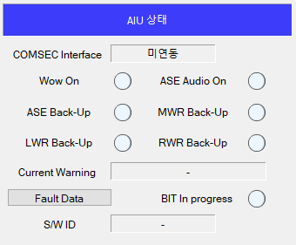
 | 04 ICS S/W ID 2 | b00
 |  | b01 | SW ID Charater 3, MSB
 |  | b02 | *
 |  | b03 | *
 |  | b04 | *
 |  | b05 | *
 |  | b06 | *
 |  | b07 | SW ID Charater 3, LSB
 |  | b08
 |  | b09 | SW ID Charater 4, MSB
 |  | b10 | *
 |  | b11 | *
 |  | b12 | *
 |  | b13 | *
 |  | b14 | *
 |  | b15 | SW ID Charater 4, LSB
 | 05 ICS S/W ID 3 | b00
 |  | b01 | SW ID Charater 5, MSB
 |  | b02 | *
 |  | b03 | *
 |  | b04 | *
 |  | b05 | *
 |  | b06 | *
 |  | b07 | SW ID Charater 5, LSB
 |  | b08
 |  | b09 | SW ID Charater 6, MSB
 |  | b10 | *
 |  | b11 | *
 |  | b12 | *
 |  | b13 | *
 |  | b14 | *
 |  | b15 | SW ID Charater 6, LSB
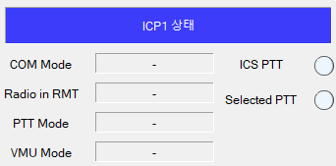
 | 06 ICP1 Status (Pilot) | b00 | Rserved (Fix to 0)
 |  | b01 | PTT Mode, MSB | 00=PTT, 01=HOT MIC, 10=VOX ON |  | 텍스트 : PTT Mode(PTT, HOT MIC, VOX)
 |  | b02 | PTT Mode, LSB
 |  | b03 | Rserved (Fix to 0)
 |  | b04 | Communication Mode, MSB | 000=PVT, 001=ICS, 010=COM1, 011=COM2, 100=COM3, 101=COM4, 101=COM5, 111=RMT |  | 텍스트 : COM Mode (PVT, ICS, COM1~5, RMT)
 |  | b05 | *
 |  | b06 | Communication Mode, LSB
 |  | b07 | Reserved
 |  | b08 | PTT Status, MSB | 00=No PTT, 01=ICS PTT, 10=Selected PTT |  | Indicator : ICS PTT (00=Gray, 01=Green), Selected PTT(00=Gray, 10=Green)
 |  | b09 | PTT Status, LSB
 |  | b10 | Reserved
 |  | b11 | Selected Radio in RMT mode, MSB | 00=COM1, 01=COM2, 10=COM3, 11=COM4 | ICP1, ICP2만 RMT Mode에서 Radio 선택 가능 | 텍스트 : Radio in RMT (COM1~4)
 |  | b12 | Selected Radio in RMT mode, LSB
 |  | b13 | Reserved
 |  | b14 | VMU Mode, MSB | 00=VMU, 01=TEST, 10=INHIBIT |  | 텍스트 : VMU Mode (VMU, Test, Inhibit)
 |  | b15 | VMU Mode, LSB
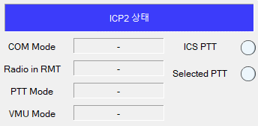
 | 07 ICP2 Status (CoPilot) | b00 | Rserved (Fix to 0)
 |  | b01 | PTT Mode, MSB | 00=PTT, 01=HOT MIC, 10=VOX ON |  | 텍스트 : PTT Mode (PTT, HOT MIC, VOX)
 |  | b02 | PTT Mode, LSB
 |  | b03 | Rserved (Fix to 0)
 |  | b04 | Communication Mode, MSB | 000=PVT, 001=ICS, 010=COM1, 011=COM2, 100=COM3, 101=COM4, 101=COM5, 111=RMT |  | 텍스트 : COM Mode (PVT, ICS, COM1~5, RMT)
 |  | b05 | *
 |  | b06 | Communication Mode, LSB
 |  | b07 | Reserved
 |  | b08 | PTT Status, MSB | 00=No PTT, 01=ICS PTT, 10=Selected PTT |  | Indicator : ICS PTT (00=Gray, 01=Green), Selected PTT(00=Gray, 10=Green)
 |  | b09 | PTT Status, LSB
 |  | b10 | Reserved
 |  | b11 | Selected Radio in RMT mode, MSB | 00=COM1, 01=COM2, 10=COM3, 11=COM4 | ICP1, ICP2만 RMT Mode에서 Radio 선택 가능 | 텍스트 : Radio in RMT (COM1~4)
 |  | b12 | Selected Radio in RMT mode, LSB
 |  | b13 | Reserved
 |  | b14 | VMU Mode, MSB | 00=VMU, 01=TEST, 10=INHIBIT |  | 텍스트 : VMU Mode (VMU, Test, Inhibit)
 |  | b15 | VMU Mode, LSB
 | 08 ICP3 Status | b00 | Rserved (Fix to 0)
 |  | b01 | PTT Mode, MSB | 00=PTT, 01=HOT MIC, 10=VOX ON
 |  | b02 | PTT Mode, LSB
 |  | b03 | Rserved (Fix to 0)
 |  | b04 | Communication Mode, MSB | 000=PVT, 001=ICS, 010=COM1, 011=COM2, 100=COM3, 101=COM4, 101=COM5, 111=RMT
 |  | b05 | *
 |  | b06 | Communication Mode, LSB
 |  | b07 | Reserved
 |  | b08 | PTT Status, MSB | 00=No PTT, 01=ICS PTT, 10=Selected PTT
 |  | b09 | PTT Status, LSB
 |  | b10 | Reserved
 |  | b11 | Selected Radio in RMT mode, MSB | 00=COM1, 01=COM2, 10=COM3, 11=COM4
 |  | b12 | Selected Radio in RMT mode, LSB
 |  | b13 | Reserved
 |  | b14 | VMU Mode, MSB | 00=VMU, 01=TEST, 10=INHIBIT
 |  | b15 | VMU Mode, LSB
 | 09 ICP4 Status | b00 | Rserved (Fix to 0)
 |  | b01 | PTT Mode, MSB | 00=PTT, 01=HOT MIC, 10=VOX ON
 |  | b02 | PTT Mode, LSB
 |  | b03 | Rserved (Fix to 0)
 |  | b04 | Communication Mode, MSB | 000=PVT, 001=ICS, 010=COM1, 011=COM2, 100=COM3, 101=COM4, 101=COM5, 111=RMT
 |  | b05 | *
 |  | b06 | Communication Mode, LSB
 |  | b07 | Reserved
 |  | b08 | PTT Status, MSB | 00=No PTT, 01=ICS PTT, 10=Selected PTT
 |  | b09 | PTT Status, LSB
 |  | b10 | Reserved
 |  | b11 | Selected Radio in RMT mode, MSB | 00=COM1, 01=COM2, 10=COM3, 11=COM4
 |  | b12 | Selected Radio in RMT mode, LSB
 |  | b13 | Reserved
 |  | b14 | VMU Mode, MSB | 00=VMU, 01=TEST, 10=INHIBIT
 |  | b15 | VMU Mode, LSB
 | 10 ICP5 Status | b00 | Rserved (Fix to 0)
 |  | b01 | PTT Mode, MSB | 00=PTT, 01=HOT MIC, 10=VOX ON
 |  | b02 | PTT Mode, LSB
 |  | b03 | Rserved (Fix to 0)
 |  | b04 | Communication Mode, MSB | 000=PVT, 001=ICS, 010=COM1, 011=COM2, 100=COM3, 101=COM4, 101=COM5, 111=RMT
 |  | b05 | *
 |  | b06 | Communication Mode, LSB
 |  | b07 | Reserved
 |  | b08 | PTT Status, MSB | 00=No PTT, 01=ICS PTT, 10=Selected PTT
 |  | b09 | PTT Status, LSB
 |  | b10 | Reserved
 |  | b11 | Selected Radio in RMT mode, MSB | 00=COM1, 01=COM2, 10=COM3, 11=COM4
 |  | b12 | Selected Radio in RMT mode, LSB
 |  | b13 | Reserved
 |  | b14 | VMU Mode, MSB | 00=VMU, 01=TEST, 10=INHIBIT
 |  | b15 | VMU Mode, LSB

RT-BC-02 (주기 : 6.25Hz) | 01 AIU Status | b00 | BIT In Progress | 1=In Progress, 0=Normal |  | Indicator : BIT In Progress (0=Gray, 1=Green)
 |  | b01 | ASE Warning In Backup | 1=Back-up, 0=Normal |  | Indicator : ASE Back-up (0=Gray, 1=Green) | 삭제
 |  | b02 | MWR Warning In Backup | 1=Back-up, 0=Normal |  | Indicator : MWR Back-up (0=Gray, 1=Green) | 삭제
 |  | b03 | LWR Warning In Backup | 1=Back-up, 0=Normal |  | Indicator : LWR Back-up (0=Gray, 1=Green) | 삭제
 |  | b04 | RWR Warning In Backup | 1=Back-up, 0=Normal |  | Indicator : RWR Back-up (0=Gray, 1=Green) | 삭제
 |  | b05 | Current Voice Warning, MSB | 우측 목록 확인 |  | 텍스트 : Current Warning |  | 0=None
 |  | b06 | * |  |  |  |  | 1=Low Altitude (RALT)
 |  | b07 | * |  |  |  |  | 2=Low Altitude (Baro)
 |  | b08 | * |  |  |  |  | 3=No.1 Engine Fire
 |  | b09 | * |  |  |  |  | 4=No.2 Engine Fire
 |  | b10 | * |  |  |  |  | 5=APU Fire
 |  | b11 | Current Voice Warning, LSB |  |  |  |  | 6=MGB Fire
 |  | b12 | Reserved |  |  |  |  | 7=No.1 Engine Out
 |  | b13 | Weight On Wheel State | 0=Wow Off, 1=Wow On |  | Indicator : WOW On (0=Gray, 1=Green) |  | 8=No.2 Engine Out
 |  | b14 | Reserved |  |  |  |  | 9=Low RPM
 |  | b15 | Reserved |  |  |  |  | 10=Dispense Ready
 | 02 | b00 | ASE Audio ON/OFF | 0=OFF, 1=ON |  | Indicator : ASE Audio On (0=Gray, 1=Green) | 삭제 | 11=MWR Threat
 |  | b01 | COMSEC Interface Control, MSB | 0=COMSEC 미연동, 1=COMSEC-COM2 연동, 2=COMSEC-COM3 연동, 3=Reserved |  | 텍스트 : COMSEC Interface (0=미연동, 1=COM2 연동, 2=COM3연동) |  | 12=RWR Gun Launch
 |  | b02 | COMSEC Interface Control, LSB |  |  |  |  | 13=RWR Gun Lock-on
 |  | b03 | Reserved |  |  |  |  | 14=RWR Gun Track
 |  | b04 | Reserved |  |  |  |  | 15=LWR Laser Beam
 |  | b05 | Reserved |  |  |  |  | 16=LWR Laser Designation
 |  | b06 | Reserved |  |  |  |  | 17=LWR Laser Range
 |  | b07 | Reserved |  |  |  |  | 18=LWR Laser Unknown
 |  | b08 | Reserved |  |  |  |  | 19=RWR Helicopter Launch
 |  | b09 | Reserved |  |  |  |  | 20=RWR Fixed Wing Launch
 |  | b10 | Reserved |  |  |  |  | 21=RWR Radar Launch
 |  | b11 | Reserved |  |  |  |  | 22=RWR Helicopter Lock-on
 |  | b12 | Reserved |  |  |  |  | 23=RWR Fixed Wing Lock-on
 |  | b13 | Reserved |  |  |  |  | 24=RWR Radar Lock-on
 |  | b14 | Reserved |  |  |  |  | 25=RWR Helicopter Track
 |  | b15 | Reserved |  |  |  |  | 26=RWR Fixed Wing Track
 |  |  |  |  |  |  |  | 27=RWR Radar Track
 |  |  |  |  |  |  |  | 28=RWR Radar Unknown
 |  |  |  |  |  |  |  | 29=RWR Gun Search
 |  |  |  |  |  |  |  | 30=RWR Helicopter Search
 |  |  |  |  |  |  |  | 31=RWR Fixed Wing Search
 |  |  |  |  |  |  |  | 32=RWR Radar Search
 |  |  |  |  |  |  |  | 33=RWR Radar
 |  |  |  |  |  |  |  | 34=Flare Out
 |  |  |  |  |  |  |  | 35=Chaff Out
 |  |  |  |  |  |  |  | 36=Other1 Out
 |  |  |  |  |  |  |  | 37=Other2 Out
 |  |  |  |  |  |  |  | 38=Flare Low
 |  |  |  |  |  |  |  | 39=Chaff Low
 |  |  |  |  |  |  |  | 40=Other1 Low
 |  |  |  |  |  |  |  | 41=Other2 Low
 |  |  |  |  |  |  |  | 42=Air Speed
 |  |  |  |  |  |  |  | 43=Caution (CWP)
 |  |  |  |  |  |  |  | 44=Return Fuel Warning
 |  |  |  |  |  |  |  | 45=Mission Fuel Warning
 |  |  |  |  |  |  |  | 46=Stall
 |  |  |  |  |  |  |  | Others=Reserved

BC to RT | 무전기 제어
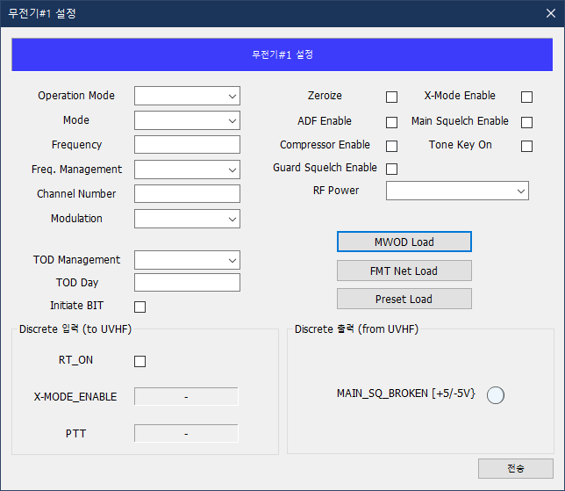
주기 | Subaddress | Word | Field Name | Field Description | Bit | Bit Name | Bit Description | 초기값 (Defualt) | 관련 GUI 및 동작
비주기 (또는 1.0Hz 이하) | 01 (Function Control) | 01 | PRESET_SELECT | Preset Sellect | 00:07 | Channel Number | BIT[15:8] Channel Number / do not use Hailing 0000 0000 = Reserved 0000 0001 = Preset 01 0000 0010 = Preset 02 ... 0001 0000 = Preset 16 ... 0110 0011 = Preset 99 1000 0001 = Hailing All other preset numbers reserved. | 0x00 | GUI (Preset Mode 시, Channel Number 입력(01~99))
 |  |  |  |  | 08:11 | Memory Management | BIT[07:03] Memory Management 0000 = No Change (Does not effect the frequency or channel, and allows other non-channel related variables to be changed. Words 04 and 05 will be ignored, and may be set to zero.) 0001 = Tune Channel 0010 = Set Channel 1000-1110 = Reserved 0011 = Set & Tune 0100 = Tune Direct 0101 = Maritime Ship 0110 = Maritime Shore 0111 = Guard 1111 = Zeroize | 0x0 | GUI (Manaul Mode 시, Frequency 설정 명령) - GUI 상의 입력된 주파수를 Word 4-5 (Frequency) 전송 - 0100(Tune Direct) 명령 전송 GUI (Preset Mode : Channel Number 설정 명령) - GUI 상에 입력된 Preset Channel을 Word 1 (Channel Number) 전송 - 0001 (Tune Channel) 명령 전송 GUI (Operation Mode : G Mode 설정 명령) - 0111(Guard) 명령 전송 GUI (Zeroize 명령) - 1111(Zeroize) 명령 전송
 |  |  |  |  | 12:15 | Reserved |  | 0x0
 |  | 02 | MODES_AND_GUARD | Mode Selection and Guard Receiver Enable | 00:01 | Modulation | BIT[15:14] Modulation 00 = Default, 01 = AM 10 = FM, 11 = Reserved | 01 | GUI (Modulation : Default/AM/FM 설정)
 |  |  |  |  | 02 | ADF | BIT[13] ADF 0 = Disable, 1 = Enable | 0 | GUI (ADF Enable 명령)
 |  |  |  |  | 03 | X-Mode | BIT[12] X-Mode 0 = Disable, 1 = Enable | 0 | GUI (X-MODE Enable 명령)
 |  |  |  |  | 04 | Guard Receiver | BIT[11] Guard Recevier 0 = OFF, 1 = ON Guard Receiver will default to OFF | 1 | GUI (Operation Mode : T/R, T/R+G 설정) - T/R Mode 설정 명령 시, OFF - T/R+G Mode 설정 명령 시, ON
 |  |  |  |  | 05 | Reserved |  |  | Reserved (fix to 0)
 |  |  |  |  | 06 | Reserved |  | 0 | Reserved (fix to 0)
 |  |  |  |  | 07:15 | Reserved |  | 0 | Reserved (fix to 0)
 |  | 03 | MARITIME_CHANNEL | Maritime Channel | 00:07 | Reserved |  | 0 | Reserved (fix to 0)
 |  |  |  |  | 08 | Channel Select | - | 0 | 미사용 (fix to 0)
 |  |  |  |  | 09:15 | Maritime Channel | - | 0 | 미사용 (fix to 0)
 |  | 04 | COARSE_FREQUENCY | Coarse Frequency | 00:03 | Freq. Hundreds Digit | Remarks : Active net numbers are represented as a frequency and have a range of X00.0YY to X99.9YY MHz. X must be the value 3 and YY is a control field with values of 00, 25, or 50. |  | GUI(Manaul Mode 시, Frequency 및 Frequency Management입력)
 |  |  |  |  | 04:07 | Freq. Tens Digit
 |  |  |  |  | 08:11 | Freq. Ones Digit
 |  |  |  |  | 12:15 | Freq. Tenths Digit
 |  | 05 | FINE_FREQUENCY_AND_AJ | Fine Frequency and Mode | 00:03 | Freq. Hundredths Digit
 |  |  |  |  | 04:07 | Freq. Hundredths Digit
 |  |  |  |  | 08:11 | Reserved
 |  |  |  |  | 03:00 | Frequency Management | 0000 = FIXED FREQ, 0001 = HQ ACTIVE Others = Reserved
 |  | 06 | OPTIONS | Options and Discrete Controls | 00 | Compressor Option | 0 = Disable, 1 = Enable | 0 | GUI (Compressor Enable 명령)
 |  |  |  |  | 01 | Reserved |  | 0 | Reserved (fix to 0)
 |  |  |  |  | 02 | WOD Data | 0 = Inavalid, 1 = Valied | 0 | GUI (MWOD Load - WOD Data Load 명령) 0 -> 1 Transtion 시 SA02의 WOD 데이터 장입
 |  |  |  |  | 03 | FMT Data | 0 = Inavalid, 1 = Valied | 0 | GUI (FMT Net Load - FMT Net Data Load 명령) 0 -> 1 Transtion 시 SA03의 FMT Net Frequency 데이터 장입
 |  |  |  |  | 04 | Reserved |  | 0 | Reserved (fix to 0)
 |  |  |  |  | 05 | Preset Data | 0 = Inavalid, 1 = Valied | 0 | GUI (Preset Load - Preset Data Load 명령) 0 -> 1 Transtion 시 SA07의 Preset 데이터 장입
 |  |  |  |  | 06:07 | Reserved |  | 0 | Reserved (fix to 0)
 |  |  |  |  | 08 | Main Squelch | 0 = Disable, 1 = Enable | 1 | GUI (Main Squelch Enable 명령)
 |  |  |  |  | 09 | Guard Squelch | 0 = Disable, 1 = Enable | 1 | GUI (Guard Squelch Enable 명령)
 |  |  |  |  | 10 | Tone Key | 0 = Off, 1 = On | 0 | GUI (Tone Key On 명령)
 |  |  |  |  | 11:13 | Reserved |  | 0 | Reserved (fix to 0)
 |  |  |  |  | 14:15 | RF Power, MSB | 00 = High Power, 01 = Medium Power 10 = Low Power, 11 = Reserved | 00 | GUI (RF Power 설정 명령)
 |  | 07 | RESERVED_CONTROL | Reserved Control | 00:15 | Reserved |  | 0 | Reserved (fix to 0)
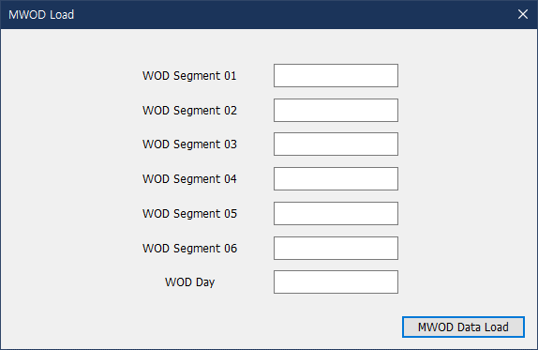
비주기 (또는 20Hz 이하) | 02 (MWOD Load) | 01 | WOD_SEGMENT_01 | Word Of Day Segment 1 | 00:01 | Hundreds Digit | BIT[15:14] Hundreds Digit Values can be 2 OR 3. Training WOD starts with 300.0XX | 000.000 | GUI (MWOD Load - MWOD Data 입력) 7개의 Segment(주파수) 입력
 |  |  |  |  | 02:05 | Tens Digit | BIT[13:10] Tens Digit
 |  |  |  |  | 06:09 | Ones Digit | BIT[09:06] Ones Digit
 |  |  |  |  | 10:13 | Tenths Digit | BIT[05:02] Tenths Digit
 |  |  |  |  | 14:15 | Hundredths Digit | BIT[01:00] Hundredths Digit Hop Rate 00: Slowest, 25 : Med Slow 50 : Med Fast, 75 : Fastest
 |  | 02 | WOD_SEGMENT_02 | Word Of Day Segment 2 | 00:01 | Hundreds Digit | A value of 3 is the WOD Terminator Flag. no other WOD elements will be recognized after a terminator flag. | 000.000
 |  |  |  |  | 02:05 | Tens Digit | BIT[13:10] Tens Digit
 |  |  |  |  | 06:09 | Ones Digit | BIT[09:06] Ones Digit
 |  |  |  |  | 10:13 | Tenths Digit | BIT[05:02] Tenths Digit
 |  |  |  |  | 14:15 | Hundredths Digit | BIT[01:00] Hundredths Digit Conference Enable : 00, 50 Disable : 25, 75 In training mode, conferencing is always enabled.
 |  | 03 | WOD_SEGMENT_03 | Word Of Day Segment 3 | 00:01 | Hundreds Digit |  | 000.000
 |  |  |  |  | 02:05 | Tens Digit
 |  |  |  |  | 06:09 | Ones Digit
 |  |  |  |  | 10:13 | Tenths Digit
 |  |  |  |  | 14:15 | Hundredths Digit
 |  | 04 | WOD_SEGMENT_04 | Word Of Day Segment 4 | 00:01 | Hundreds Digit |  | 000.000
 |  |  |  |  | 02:05 | Tens Digit
 |  |  |  |  | 06:09 | Ones Digit
 |  |  |  |  | 10:13 | Tenths Digit
 |  |  |  |  | 14:15 | Hundredths Digit
 |  | 05 | WOD_SEGMENT_05 | Word Of Day Segment 5 | 00:01 | Hundreds Digit |  | 000.000
 |  |  |  |  | 02:05 | Tens Digit
 |  |  |  |  | 06:09 | Ones Digit
 |  |  |  |  | 10:13 | Tenths Digit
 |  |  |  |  | 14:15 | Hundredths Digit
 |  | 06 | WOD_SEGMENT_06 | Word Of Day Segment 6 | 00:01 | Hundreds Digit |  | 000.000
 |  |  |  |  | 02:05 | Tens Digit
 |  |  |  |  | 06:09 | Ones Digit
 |  |  |  |  | 10:13 | Tenths Digit
 |  |  |  |  | 14:15 | Hundredths Digit
 |  | 07 | WOD_DAY | Word Of Day Segment 7 (Day Code) | 00:01 | Hundreds Digit | BIT[15:14] Hundreds Digit / set to 11 (300 MHz) | 000.000
 |  |  |  |  | 02:05 | Tens Digit | BIT[13:10] Tens Digit / Min = 0, Max =3
 |  |  |  |  | 06:09 | Ones Digit | BIT[09:06] Ones Digit / Min =0, Max=9
 |  |  |  |  | 10:13 | Tenths Digit | BIT[05:02] Tenths Digit / set to 0000 (0 MHz)
 |  |  |  |  | 14:15 | Hundredths Digit | BIT[01:00] Hundredths Digit / set to 00 (0 MHz)
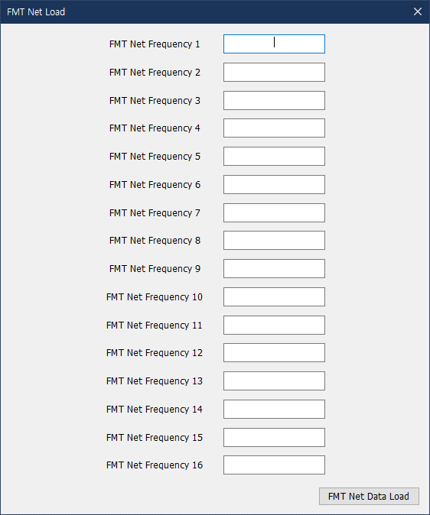
비주기 (또는 20Hz 이하) | 03 (FMT Net Load) | 01 | FMT_NET_FREQUENCY_01 | FMT NET Frequency 1 | 00:01 | Hundreds Digit |  | 235.050 | GUI (FMT Net Data 입력) 16개 주파수 입력
 |  |  |  |  | 02:05 | Tens Digit
 |  |  |  |  | 06:09 | Ones Digit
 |  |  |  |  | 10:13 | Tenths Digit
 |  |  |  |  | 14:15 | Hundredths Digit
 |  | 02 | FMT_NET_FREQUENCY_02 | FMT NET Frequency 2 | 00:01 | Hundreds Digit |  | 225.150
 |  |  |  |  | 02:05 | Tens Digit
 |  |  |  |  | 06:09 | Ones Digit
 |  |  |  |  | 10:13 | Tenths Digit
 |  |  |  |  | 14:15 | Hundredths Digit
 |  | 03 | FMT_NET_FREQUENCY_03 | FMT NET Frequency 3 | 00:01 | Hundreds Digit |  | 252.925
 |  |  |  |  | 02:05 | Tens Digit
 |  |  |  |  | 06:09 | Ones Digit
 |  |  |  |  | 10:13 | Tenths Digit
 |  |  |  |  | 14:15 | Hundredths Digit
 |  | 04 | FMT_NET_FREQUENCY_04 | FMT NET Frequency 4 | 00:01 | Hundreds Digit |  | 239.950
 |  |  |  |  | 02:05 | Tens Digit
 |  |  |  |  | 06:09 | Ones Digit
 |  |  |  |  | 10:13 | Tenths Digit
 |  |  |  |  | 14:15 | Hundredths Digit
 |  | 05 | FMT_NET_FREQUENCY_05 | FMT NET Frequency 5 | 00:01 | Hundreds Digit |  | 271.950
 |  |  |  |  | 02:05 | Tens Digit
 |  |  |  |  | 06:09 | Ones Digit
 |  |  |  |  | 10:13 | Tenths Digit
 |  |  |  |  | 14:15 | Hundredths Digit
 |  | 06 | FMT_NET_FREQUENCY_06 | FMT NET Frequency 6 | 00:01 | Hundreds Digit |  | 267.850
 |  |  |  |  | 02:05 | Tens Digit
 |  |  |  |  | 06:09 | Ones Digit
 |  |  |  |  | 10:13 | Tenths Digit
 |  |  |  |  | 14:15 | Hundredths Digit
 |  | 07 | FMT_NET_FREQUENCY_07 | FMT NET Frequency 7 | 00:01 | Hundreds Digit |  | 262.450
 |  |  |  |  | 02:05 | Tens Digit
 |  |  |  |  | 06:09 | Ones Digit
 |  |  |  |  | 10:13 | Tenths Digit
 |  |  |  |  | 14:15 | Hundredths Digit
 |  | 08 | FMT_NET_FREQUENCY_08 | FMT NET Frequency 8 | 00:01 | Hundreds Digit |  | 257.250
 |  |  |  |  | 02:05 | Tens Digit
 |  |  |  |  | 06:09 | Ones Digit
 |  |  |  |  | 10:13 | Tenths Digit
 |  |  |  |  | 14:15 | Hundredths Digit
 |  | 09 | FMT_NET_FREQUENCY_09 | FMT NET Frequency 9 | 00:01 | Hundreds Digit |  | 314.450
 |  |  |  |  | 02:05 | Tens Digit
 |  |  |  |  | 06:09 | Ones Digit
 |  |  |  |  | 10:13 | Tenths Digit
 |  |  |  |  | 14:15 | Hundredths Digit
 |  | 10 | FMT_NET_FREQUENCY_10 | FMT NET Frequency 10 | 00:01 | Hundreds Digit |  | 308.750
 |  |  |  |  | 02:05 | Tens Digit
 |  |  |  |  | 06:09 | Ones Digit
 |  |  |  |  | 10:13 | Tenths Digit
 |  |  |  |  | 14:15 | Hundredths Digit
 |  | 11 | FMT_NET_FREQUENCY_11 | FMT NET Frequency 11 | 00:01 | Hundreds Digit |  | 303.275
 |  |  |  |  | 02:05 | Tens Digit
 |  |  |  |  | 06:09 | Ones Digit
 |  |  |  |  | 10:13 | Tenths Digit
 |  |  |  |  | 14:15 | Hundredths Digit
 |  | 12 | FMT_NET_FREQUENCY_12 | FMT NET Frequency 12 | 00:01 | Hundreds Digit |  | 298.650
 |  |  |  |  | 02:05 | Tens Digit
 |  |  |  |  | 06:09 | Ones Digit
 |  |  |  |  | 10:13 | Tenths Digit
 |  |  |  |  | 14:15 | Hundredths Digit
 |  | 13 | FMT_NET_FREQUENCY_13 | FMT NET Frequency 13 | 00:01 | Hundreds Digit |  | 293.550
 |  |  |  |  | 02:05 | Tens Digit
 |  |  |  |  | 06:09 | Ones Digit
 |  |  |  |  | 10:13 | Tenths Digit
 |  |  |  |  | 14:15 | Hundredths Digit
 |  | 14 | FMT_NET_FREQUENCY_14 | FMT NET Frequency 14 | 00:01 | Hundreds Digit |  | 289.050
 |  |  |  |  | 02:05 | Tens Digit
 |  |  |  |  | 06:09 | Ones Digit
 |  |  |  |  | 10:13 | Tenths Digit
 |  |  |  |  | 14:15 | Hundredths Digit
 |  | 15 | FMT_NET_FREQUENCY_15 | FMT NET Frequency 15 | 00:01 | Hundreds Digit |  | 284.150
 |  |  |  |  | 02:05 | Tens Digit
 |  |  |  |  | 06:09 | Ones Digit
 |  |  |  |  | 10:13 | Tenths Digit
 |  |  |  |  | 14:15 | Hundredths Digit
 |  | 16 | FMT_NET_FREQUENCY_16 | FMT NET Frequency 16 | 00:01 | Hundreds Digit |  | 279.750
 |  |  |  |  | 02:05 | Tens Digit
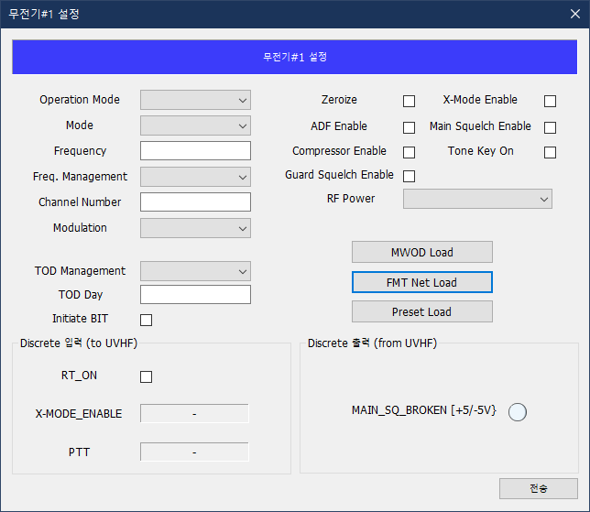
 |  |  |  |  | 06:09 | Ones Digit
 |  |  |  |  | 10:13 | Tenths Digit
 |  |  |  |  | 14:15 | Hundredths Digit
비주기 (또는 20Hz 이하) | 05 (TOD Management) | 01 | TOD_MANAGEMENT | Control Of time management | 00:03 | TOD Management | BIT[15:12] TOD Management 0000 = Normal 0001 = TOD Accept 0010 = TOD Xmit 0101 = GPS TOD 0110 = TOD Send 1000 = Day Set 1010 = Emer. Clock St. 1011 = Emer. w/Day 1100-1111 = Reserved All codes are transient commands and will be executed once on the first appearance. 0000 = Normal is the required initial state for each function in this field. | 0000 | GUI (TOD Management 명령)
 |  |  |  |  | 04:09 | Reserved |  | 000000
 |  |  |  |  | 10:11 | Day Tens Digit | BIT[5:4] Day Tens Digit The Day Bits 10 through 15 are only valid during a Day Set (1000) or an Emergency Start with Day (1011), and are otherwise ignored. | 00 | GUI (TOD Day 입력)
 |  |  |  |  | 12:15 | Day Ones Digit | BIT[3:0] Day Ones Digit | 0000
 |  | 02 | TOD_RESERVED | Tod Reserved | 00:15 | Reserved |  | 0x0000
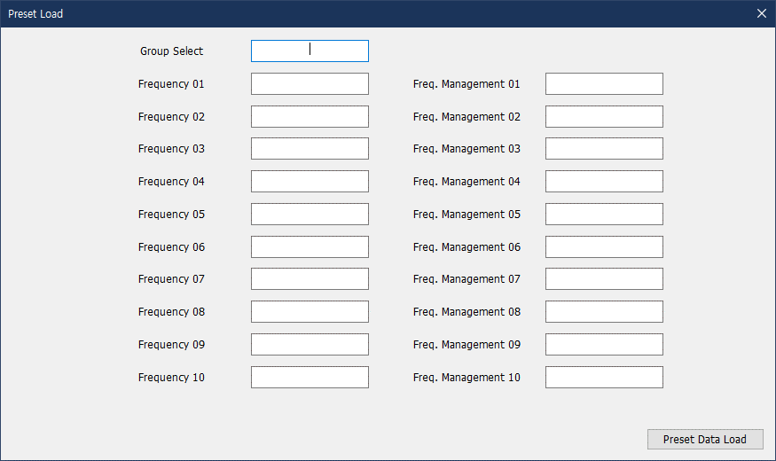
비주기 (또는 1.0Hz 이하) | 07 (Preset Load) | 01 | PRESET_GRORUP_SELECT | Select channels 01-10, 11-20, … , 91-99 | 00:03 | Group Select | BIT[15:12] Group Select 0000 = 01-10, 0001 = 11-20 0010 = 21-30 ... 0111 = 71-80, 1000 = 81-90 1001 = 91-99, 1010-1111 = Reserved This field selects which group of preset channels will be loaded by Words 02 through 21 of this Subaddress, and also which group of presets are presented in Transmit Subaddress 07. |  | GUI (Preset Load - Preset Data 입력) Preset Group (01~09) 당 10개의 주파수 및 Frequency Management 입력
 |  |  |  |  | 04:15 | Reserved
 |  | 02 | COARSE_FREQUENCY_01 | Coarse Frequency Channel 1 | 00:03 | Freq. Hundreds Digit | BIT[15:12] Freq. Hundreds Digit
 |  |  |  |  | 04:07 | Freq. Tens Digit | BIT[11:08] Freq. Tens Digit
 |  |  |  |  | 08:11 | Freq. Ones Digit | BIT[07:04] Freq. Ones Digit
 |  |  |  |  | 12:15 | Freq. Tenths Digit | BIT[03:00] Freq. Tenths Digit
 |  | 03 | FINE_FREQUENCY_AND_AJ_01 | Fine Frequency and Mode Channel 1 | 00:03 | Freq. Hundredths Digit | BIT[15:11] Freq. Hundredths Digit
 |  |  |  |  | 04:07 | Freq. Hundredths Digit | BIT[11:08] Freq. Thousandths Digit
 |  |  |  |  | 08:11 | Reserved
 |  |  |  |  | 12:15 | Frequency Management | BIT[03:00] Frequency Management 0000 = FIXED FREQ, 0001 = HQ ACTIVE 0010-1111 = Reserved Remarks : Active net numbers are represented as a frequency and have a range of X00.0YY to X99.9YY MHz. X must be the value 3 and YY is a control field with values of 00, 25, or 50.
 |  | 04 | COARSE_FREQUENCY_02 | Coarse Frequency Channel 2 | 00:03 | Freq. Hundreds Digit
 |  |  |  |  | 04:07 | Freq. Tens Digit
 |  |  |  |  | 08:11 | Freq. Ones Digit
 |  |  |  |  | 12:15 | Freq. Tenths Digit
 |  | 05 | FINE_FREQUENCY_AND_AJ_02 | Fine Frequency and Mode Channel 2 | 00:03 | Freq. Hundredths Digit
 |  |  |  |  | 04:07 | Freq. Hundredths Digit
 |  |  |  |  | 08:11 | Reserved
 |  |  |  |  | 12:15 | Frequency Management
 |  | 06 | COARSE_FREQUENCY_03 | Coarse Frequency Channel 3 | 00:03 | Freq. Hundreds Digit
 |  |  |  |  | 04:07 | Freq. Tens Digit
 |  |  |  |  | 08:11 | Freq. Ones Digit
 |  |  |  |  | 12:15 | Freq. Tenths Digit
 |  | 07 | FINE_FREQUENCY_AND_AJ_03 | Fine Frequency and Mode Channel 3 | 00:03 | Freq. Hundredths Digit
 |  |  |  |  | 04:07 | Freq. Hundredths Digit
 |  |  |  |  | 08:11 | Reserved
 |  |  |  |  | 12:15 | Frequency Management
 |  | 08 | COARSE_FREQUENCY_04 | Coarse Frequency Channel 4 | 00:03 | Freq. Hundreds Digit
 |  |  |  |  | 04:07 | Freq. Tens Digit
 |  |  |  |  | 08:11 | Freq. Ones Digit
 |  |  |  |  | 12:15 | Freq. Tenths Digit
 |  | 09 | FINE_FREQUENCY_AND_AJ_04 | Fine Frequency and Mode Channel 4 | 00:03 | Freq. Hundredths Digit
 |  |  |  |  | 04:07 | Freq. Hundredths Digit
 |  |  |  |  | 08:11 | Reserved
 |  |  |  |  | 12:15 | Frequency Management
 |  | 10 | COARSE_FREQUENCY_05 | Coarse Frequency Channel 5 | 00:03 | Freq. Hundreds Digit
 |  |  |  |  | 04:07 | Freq. Tens Digit
 |  |  |  |  | 08:11 | Freq. Ones Digit
 |  |  |  |  | 12:15 | Freq. Tenths Digit
 |  | 11 | FINE_FREQUENCY_AND_AJ_05 | Fine Frequency and Mode Channel 5 | 00:03 | Freq. Hundredths Digit
 |  |  |  |  | 04:07 | Freq. Hundredths Digit
 |  |  |  |  | 08:11 | Reserved
 |  |  |  |  | 12:15 | Frequency Management
 |  | 12 | COARSE_FREQUENCY_06 | Coarse Frequency Channel 6 | 00:03 | Freq. Hundreds Digit
 |  |  |  |  | 04:07 | Freq. Tens Digit
 |  |  |  |  | 08:11 | Freq. Ones Digit
 |  |  |  |  | 12:15 | Freq. Tenths Digit
 |  | 13 | FINE_FREQUENCY_AND_AJ_06 | Fine Frequency and Mode Channel 6 | 00:03 | Freq. Hundredths Digit
 |  |  |  |  | 04:07 | Freq. Hundredths Digit
 |  |  |  |  | 08:11 | Reserved
 |  |  |  |  | 12:15 | Frequency Management
 |  | 14 | COARSE_FREQUENCY_07 | Coarse Frequency Channel 7 | 00:03 | Freq. Hundreds Digit
 |  |  |  |  | 04:07 | Freq. Tens Digit
 |  |  |  |  | 08:11 | Freq. Ones Digit
 |  |  |  |  | 12:15 | Freq. Tenths Digit
 |  | 15 | FINE_FREQUENCY_AND_AJ_07 | Fine Frequency and Mode Channel 7 | 00:03 | Freq. Hundredths Digit
 |  |  |  |  | 04:07 | Freq. Hundredths Digit
 |  |  |  |  | 08:11 | Reserved
 |  |  |  |  | 12:15 | Frequency Management
 |  | 16 | COARSE_FREQUENCY_08 | Coarse Frequency Channel 8 | 00:03 | Freq. Hundreds Digit
 |  |  |  |  | 04:07 | Freq. Tens Digit
 |  |  |  |  | 08:11 | Freq. Ones Digit
 |  |  |  |  | 12:15 | Freq. Tenths Digit
 |  | 17 | FINE_FREQUENCY_AND_AJ_08 | Fine Frequency and Mode Channel 8 | 00:03 | Freq. Hundredths Digit
 |  |  |  |  | 04:07 | Freq. Hundredths Digit
 |  |  |  |  | 08:11 | Reserved
 |  |  |  |  | 12:15 | Frequency Management
 |  | 18 | COARSE_FREQUENCY_09 | Coarse Frequency Channel 9 | 00:03 | Freq. Hundreds Digit
 |  |  |  |  | 04:07 | Freq. Tens Digit
 |  |  |  |  | 08:11 | Freq. Ones Digit
 |  |  |  |  | 12:15 | Freq. Tenths Digit
 |  | 19 | FINE_FREQUENCY_AND_AJ_09 | Fine Frequency and Mode Channel 9 | 00:03 | Freq. Hundredths Digit
 |  |  |  |  | 04:07 | Freq. Hundredths Digit
 |  |  |  |  | 08:11 | Reserved
 |  |  |  |  | 12:15 | Frequency Management
 |  | 20 | COARSE_FREQUENCY_10 | Coarse Frequency Channel 10 | 00:03 | Freq. Hundreds Digit
 |  |  |  |  | 04:07 | Freq. Tens Digit
 |  |  |  |  | 08:11 | Freq. Ones Digit
 |  |  |  |  | 12:15 | Freq. Tenths Digit
 |  | 21 | FINE_FREQUENCY_AND_AJ_10 | Fine Frequency and Mode Channel 10 | 00:03 | Freq. Hundredths Digit
 |  |  |  |  | 04:07 | Freq. Hundredths Digit
 |  |  |  |  | 08:11 | Reserved
 |  |  |  |  | 12:15 | Frequency Management
비주기 (또는 20Hz 이하) | 29 (Built In Test Control) | 01 | BIT_CONTROL | Built In Test Control | 00 | Initiate IBIT | BIT[15] Initiate BIT 0 = Normal Operation, 1 = Initiate BIT After IBIT has been completed, this word must be reset to 0000 before another IBIT can be initiated. | 00 | GUI (Initiate BIT 명령)
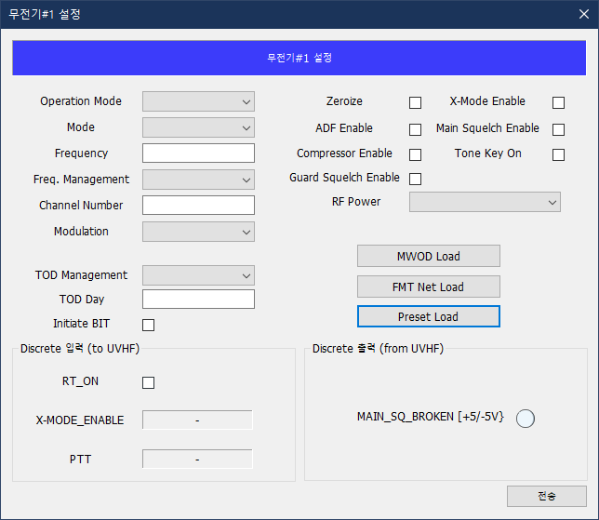
 |  |  |  |  | 01:15 | Reserved |  |  | Reserved (fix to 0)

<GUI>

통제명령 |  | Subaddr | Word | Bit | Bit Name | Bit Description | GUI 설계
Power On/Off |  |  |  |  |  |  | 전송 버튼 : Power On, Power Off J1-H, RT_ON Discrete 입력신호 제어 (Gnd=ON, Open Ckt=OFF)
Mode
- Manaul Mode |  | 01 | 01 | 08:11 | Memory Management | 0100=Tune Direct | 콤보박스 : Mode (Manaul, Preset) 1. Manual Mode에서 명령 전송 시 : 입력한 Frequency 및 Memory Managemet=0100(Tune Direct) 전송(Subaddr 01) 2. Preset Mode에서 명령 전송 시 : 입력한 Channel Number 및 Memory Managemet=0001(Tune Channel) 전송(Subaddr 01)
- Preset Mode |  | 01 | 01 | 08:11 | Memory Management | 0001=Tune Channel
Operation Mode
- T/R Mode |  | 01 | 02 | 04 | Guard Receiver | 0=Disable | 콤보박스 : Operation Mode (T/R, T/R+G, G) 1. T/R Mode : Gurad Receiver(BC-RT, SA01, W02, b04)=0(Disable) 전송 2. T/R+G Mode : Guard Receiver(BC-RT, SA01, W02, b04)=1(Enable) 전송 3. G Mode : Memory Management(BC-RT, SA01, W01, b08-11)=0111(Guard) 전송
- T/R+G Mode |  | 01 | 02 | 04 | Guard Receiver | 1=Enable
- G Mode |  | 01 | 01 | 08:11 | Memory Management | 0111=Guard
Channel Number |  | 01 | 01 | 00:07 | Channel Number | 01~99 | 텍스트 입력 : Channel Number (2-digit)
Frequency |  | 01 | 04 | 00:15 | Coarse Frequency | □□□.□XX | 텍스트 입력 : Frequency (6-digit)
 |  | 01 | 05 | 00:07 | Fine Frequency | XXX.X□□
 |  | 01 | 05 | 12:15 | Frequency Management | 0000=FIXED FREQ, 0001=HQ ACTIVE | 콤보박스 : Frequency Management (Fixed, Active)
Zeroize |  | 01 | 01 | 08:11 | Memory Management | 1111=Zeroize | 체크박스 : Zeroize
Modulation |  | 01 | 02 | 00:01 | Modulation | 00=Default, 01=AM, 10=FM | 콤보박스 : Modulation (Defualt, AM, FM)
ADF Enable |  | 01 | 02 | 02 | ADF | 0=Disable, 1=Enable | 체크박스 : ADF Enable
X-Mode Enable |  | 01 | 02 | 03 | X-Mode | 0=Disable, 1=Enable | 체크박스 : X-Mode Enable
Compressor Enable |  | 01 | 06 | 00 | Compressor Option | 0=Disable, 1=Enable | 체크박스 : Compressor Enable
Main Squelch Enable |  | 01 | 06 | 08 | Main Squelch | 0=Disable, 1=Enable | 체크박스 : Main Squelch Enable
Guard Squelch Enable |  | 01 | 06 | 09 | Guard Squelch | 0=Disable, 1=Enable | 체크박스 : Guard Squelch Enable
Tone Key Enable |  | 01 | 06 | 09 | Guard Squelch | 0=Off, 1=On | 체크박스 : Tone Key On
RF Power |  | 01 | 06 | 14:15 | RF Power | 00=High, 01=Medium, 10=Low | 콤보박스 : RF Power (High, Med, Low)
MOWD Load |  |  |  |  |  |  | MWOD Load 서브메뉴 버튼 (메뉴 팝업)
- MWOD Data |  | 02 | 01 | 00:15 | WOD Segment 1 |  | 텍스트 입력(MWOD Data) : WOD Segment 1~7 (6-digit)
 |  |  | …
 |  | 02 | 06 | 00:15 | WOD Segment 6
 |  | 02 | 07 | 00:15 | WOD Segment 7 (Day Code)
- MWOD Data Load |  | 01 | 06 | 02 | WOD Data | 0=Invalid, 1=Valid | 전송 버튼 : MWOD Data Load WOD Data Load 명령 전송 시 동작 : 1. Subaddr 02 전송(MWOD Data 전송) 및 MWOD Data Load=0(Invalid) 전송 2. RT-BC, Subaddr 06의 MWOD Valid Range=1이면 MWOD Data Load=1(Valid) 전송 3. RT-BC, Subaddr 06의 MWOD Day정보와 WOD Segment 7(Day Code)가 일치하면 MWOD Data Load=0으로 Reset 또는 MWOD Data Load=1 전송 2초 경과 후 MWOD Data Load=0으로 Reset
FMT Net Load |  |  |  |  |  |  | FMT Net Load 서브메뉴 버튼 (메뉴 팝업)
- FMT Net Data |  | 03 | 01 | 00:15 | FMT Net Frequency 1 |  | 텍스트 입력(FMT Net Data) : FMT Net Frequency 1~16 (6-digit)
 |  |  | … …
 |  | 03 | 16 | 00:15 | FMT Net Frequency 16
- FMT Net Data Load |  | 01 | 06 | 03 | FMT Data | 0=Invalid, 1=Valid | 전송 버튼 : FMT Net Data Load FMT Net Data Load 명령 전송 시 동작 : 1. Subaddr 03 전송(FMT Net Data 전송) 및 FMT Data Load=0(Invalid) 전송 2. RT-BC, Subaddr 03의 FMT Net Frequency Valid=1이면 FMT Data Load=1(Invalid) 전송 3. FMT Data Load=1 전송 2초 경과 후 FMT Data Load=0으로 Reset
TOD Management
- TOD Management |  | 05 | 01 | 00:03 | TOD Management | 0000 = Normal, 0001 = TOD Accept 0010 = TOD Xmit, 0101 = GPS TOD 0110 = TOD Send, 1000 = Day Set 1010 = Emer. Clock St., 1011 = Emer. w/Day | 콤보박스 : TOD Management (Normal, TOD Accept, GPS TOD, Emer. Clock St. Emer. w/Day)
- TOD Day |  | 05 | 01 | 10:15 | TOD Day | 01~31 | 텍스트 입력 : TOD Day (2-digit)
Preset Load |  |  |  |  |  |  | Preset Load 서브메뉴 버튼 (메뉴 팝업)
- Preset Data |  | 07 | 01 | 00:03 | Preset Group Select | 0000=01-10, 0001=11-20, 1000=81-90, 1001=91-99 | 텍스트 입력(Preset Data) : Group Select (2-digit) + Preet Frequency 01~10 (6-digit)
 |  | 07 | 02 | 00:15 | Coarse Frequency Channel 1
 |  | 07 | 03 | 00:15 | Fine Frequency Channel 1
 |  |  | …
 |  | 07 | 20 | 00:15 | Coarse Frequency Channel 10
 |  | 07 | 21 | 00:15 | Fine Frequency Channel 10
- Preset Data Load |  | 01 | 06 | 05 | Preset Data | 0=Invalid, 1=Valid | 전송 버튼 : Preset Data Load Preset Data Load 명령 전송 시 동작 : 1. Subaddr 07 전송(Preset Data 전송) 및 Preset Data Load=0(Inavalid) 전송 2. Preset Data=1(Valid) 전송 3. RT-BC, Subaddr 07의 Preset Status와 Preset Data가 일치하면 Preset Data Load=0으로 Reset 또는 Preset Data Load=1 전송 2초 경과 후 Preset Data Load=0으로 Reset
IBIT |  | 29 | 01 | 00 | Initiate IBIT | 0=Normal Operation, 1=Initiate BIT | 체크박스 : Initiate BIT Initiate BIT 명령 전송 시 동작 : 1. IBIT 명령 시 Initiate BIT를 0 -> 1 전환 명령 2. Status Word Busy 상태(=IBIT 진행 중) 3. Busy 해제(=BIT 완료) 후 Latest BIT(RT-BC, SA29, Word1, b[00:01])=01(Initiated) 또는 10(Aborted) 확인 5, Initiate BIT=0(Normal) 명령

