HyperledgerFabricSampleDownload
 | CentOS Hyperledger Fabric 1.1.0 샘플 설치

∙ | mkdir workspace
∙ | cd workspace
∙ | git clone https://github.com/hyperledger/fabric-samples.git

∙ | cd fabric-samples
∙ | ls
∙ | sudo curl -sSL https://goo.gl/6wtTN5 | bash -s 1.1.0 |  | → 네트워크 불안정 시, 오류가 많이 발생합니다. 정상적으로 다 내려받아 질 때까지 반복하시면 됩니다.
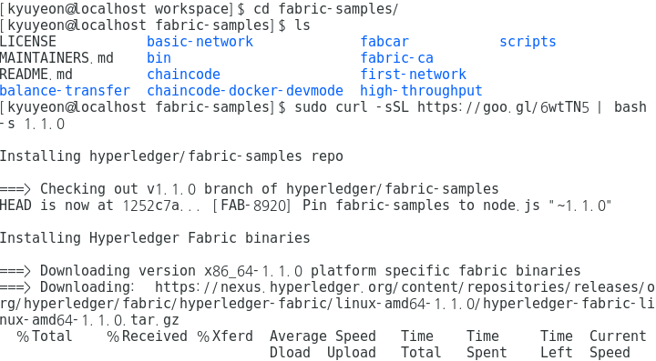

∙ | docker images | → 아래와 같이 총 18개 image가 올라가야 정상입니다.
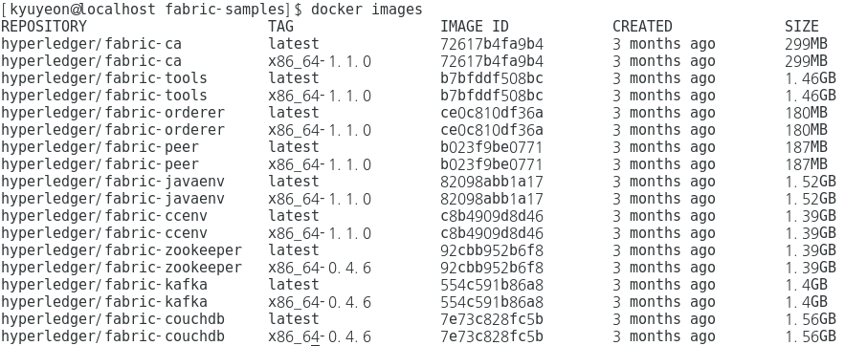

∙ | ls bin
∙ | mkdir ~/bin
∙ | ln -s $(pwd)/bin/* ~/bin/
∙ | ls -l ~/bin/

∙ | peer

Building Network by Script
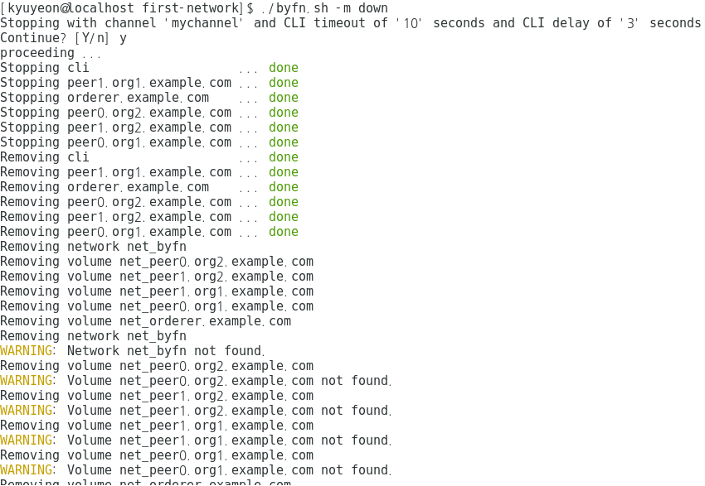
 | Building Network by Script

∙ | cd workspace/fabric-samples/first-network/

 | //Generate Network Artifacts
∙ | ./byfn.sh -m generate
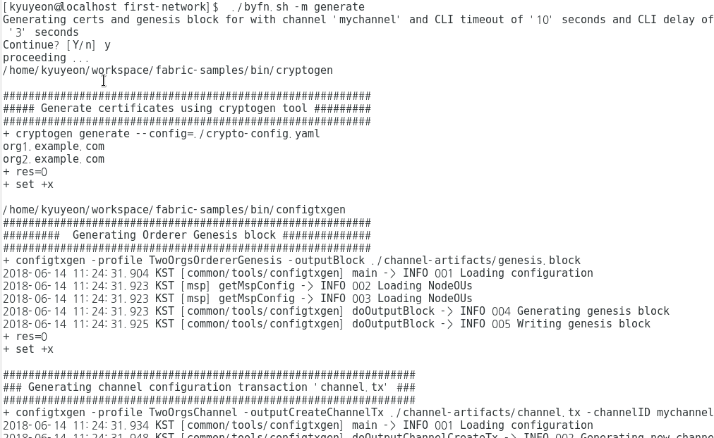

 | //Bring Up the Network
∙ | ./byfn.sh -m up
∙ | docker ps

 |  | ./byfn.sh -m up이 제대로 실행되지 않으면, 아래 순서대로 다시 실행
 |  | 1) sudo rm -fr crypto-config channel-artifacts/genesis.block
 |  | 2) ./byfn.sh -m down
 |  | 3) ./byfn.sh -m generate
 |  | 4) ./byfn.sh -m up
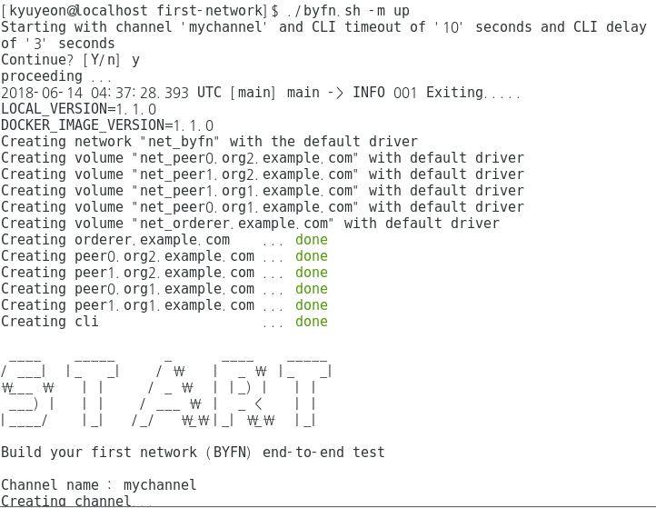

 | //Bring Down the Network
∙ | ./byfn.sh -m down
∙ | docker ps

Building Network Manually
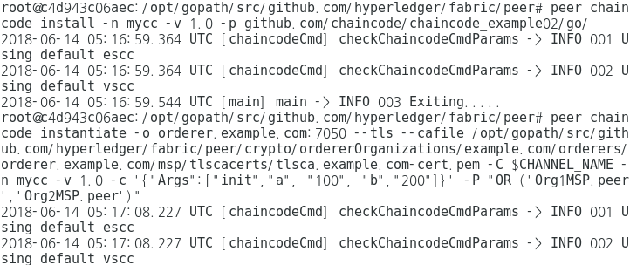
 | Building Network Manually

∙ | cd workspace/fabric-samples/first-network/

 | //Crypto Generator
∙ | ls
∙ | ../bin/cryptogen generate --config=./crypto-config.yaml
∙ | ls
∙ | ls crypto-config
∙ | export FABRIC_CFG_PATH=$PWD
∙ | ls channel-artifacts
∙ | ../bin/configtxgen -profile TwoOrgsOrdererGenesis -outputBlock ./channel-artifacts/genesis.block
∙ | ls channel-artifacts
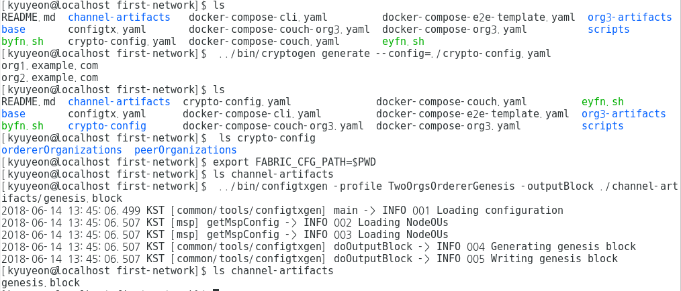

 | //Creat a Channel Configuration Transaction
∙ | ls channel-artifacts
∙ | export CHANNEL_NAME=mychannel && ../bin/configtxgen -profile TwoOrgsChannel -outputCreateChannelTx ./channel-artifacts/channel.tx -channelID $CHANNEL_NAME
∙ | ls channel-artifacts
∙ | ../bin/configtxgen -profile TwoOrgsChannel -outputAnchorPeersUpdate ./channel-artifacts/Org1MSPanchors.tx -channelID $CHANNEL_NAME -asOrg Org1MSP
∙ | ls channel-artifacts
∙ | ../bin/configtxgen -profile TwoOrgsChannel -outputAnchorPeersUpdate ./channel-artifacts/Org2MSPanchors.tx -channelID $CHANNEL_NAME -asOrg Org2MSP
∙ | ls channel-artifacts
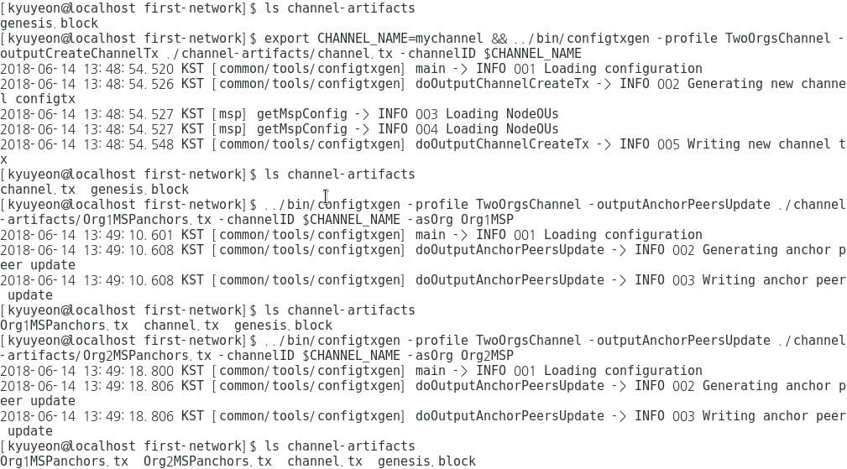

 | //Start the Network
∙ | docker ps
∙ | docker-compose -f docker-compose-cli.yaml up -d
∙ | docker ps
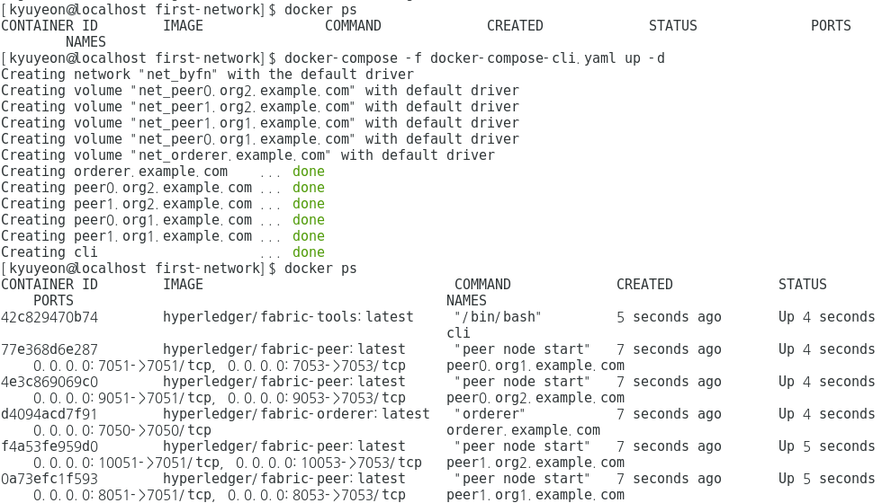

 | //Create & Join Channel
∙ | docker exec -it cli bash
∙ | export CHANNEL_NAME=mychannel
∙ | peer channel create -o orderer.example.com:7050 -c $CHANNEL_NAME -f ./channel-artifacts/channel.tx --tls --cafile /opt/gopath/src/github.com/hyperledger/fabric/peer/crypto/ordererOrganizations/example.com/orderers/orderer.example.com/msp/tlscacerts/tlsca.example.com-cert.pem
∙ | ls -l
∙ | peer channel join -b mychannel.block
∙ | CORE_PEER_MSPCONFIGPATH=/opt/gopath/src/github.com/hyperledger/fabric/peer/crypto/peerOrganizations/org2.example.com/users/Admin@org2.example.com/msp CORE_PEER_ADDRESS=peer0.org2.example.com:7051 CORE_PEER_LOCALMSPID="Org2MSP" CORE_PEER_TLS_ROOTCERT_FILE=/opt/gopath/src/github.com/hyperledger/fabric/peer/crypto/peerOrganizations/org2.example.com/peers/peer0.org2.example.com/tls/ca.crt peer channel join -b mychannel.block
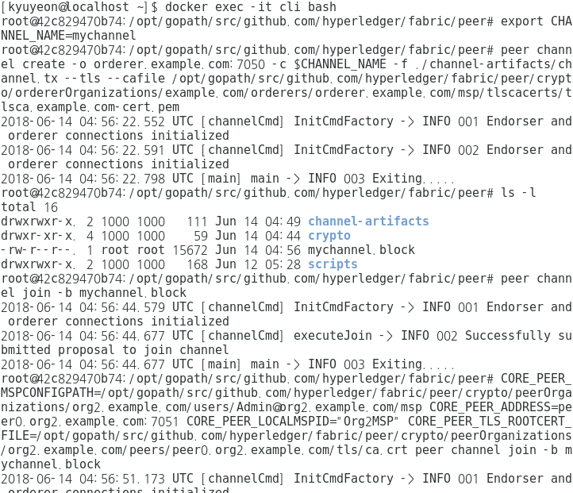

 | //Update the Anchor Peers
∙ | peer channel update -o orderer.example.com:7050 -c $CHANNEL_NAME -f ./channel-artifacts/Org1MSPanchors.tx --tls --cafile /opt/gopath/src/github.com/hyperledger/fabric/peer/crypto/ordererOrganizations/example.com/orderers/orderer.example.com/msp/tlscacerts/tlsca.example.com-cert.pem
∙ | CORE_PEER_MSPCONFIGPATH=/opt/gopath/src/github.com/hyperledger/fabric/peer/crypto/peerOrganizations/org2.example.com/users/Admin@org2.example.com/msp CORE_PEER_ADDRESS=peer0.org2.example.com:7051 CORE_PEER_LOCALMSPID="Org2MSP" CORE_PEER_TLS_ROOTCERT_FILE=/opt/gopath/src/github.com/hyperledger/fabric/peer/crypto/peerOrganizations/org2.example.com/peers/peer0.org2.example.com/tls/ca.crt peer channel update -o orderer.example.com:7050 -c $CHANNEL_NAME -f ./channel-artifacts/Org2MSPanchors.tx --tls --cafile /opt/gopath/src/github.com/hyperledger/fabric/peer/crypto/ordererOrganizations/example.com/orderers/orderer.example.com/msp/tlscacerts/tlsca.example.com-cert.pem
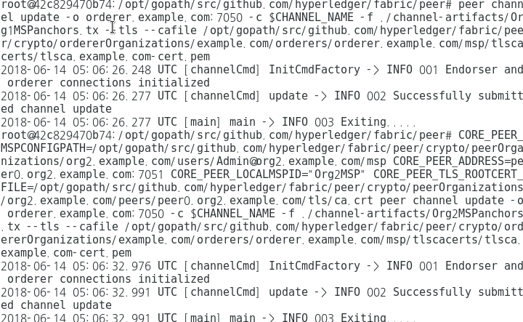

 | //Install & Instantiate Chaincode
∙ | peer chaincode install -n mycc -v 1.0 -p github.com/chaincode/chaincode_example02/go/
∙ | peer chaincode instantiate -o orderer.example.com:7050 --tls --cafile /opt/gopath/src/github.com/hyperledger/fabric/peer/crypto/ordererOrganizations/example.com/orderers/orderer.example.com/msp/tlscacerts/tlsca.example.com-cert.pem -C $CHANNEL_NAME -n mycc -v 1.0 -c '{"Args":["init","a", "100", "b","200"]}' -P "OR ('Org1MSP.peer','Org2MSP.peer')"

HyperledgerExplorer Install
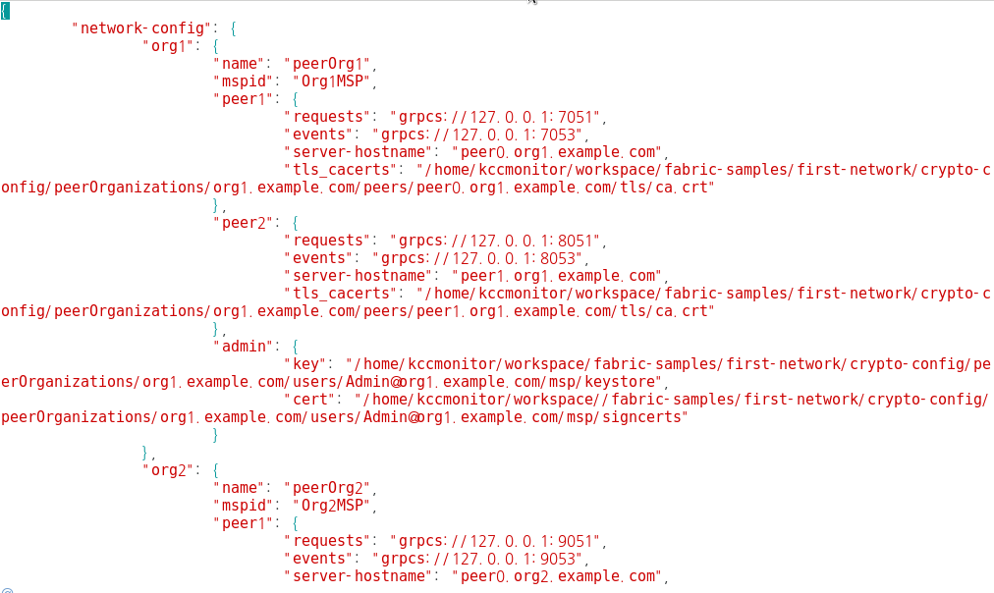
 | HyperledgerExplorer Install

 | //Requirements Installation : nodejs 6.9.x or greater / MariaDB 10.2.14
 | nodejs의 경우 Fabric 설치 과정 중 설치, MariaDB만 설치하면 됩니다.

 | //MariaDB Installation
 | Setting the yum repository
∙ | cd ../../
∙ | cd etc/yum.repos.d/
∙ | sudo vi mariadb.repo |  | <copy and paste>
 |  |  | # MariaDB 10.2 CentOS repository list - created 2018-06-14 06:21 UTC
 |  |  | # http://downloads.mariadb.org/mariadb/repositories/
 |  |  | [mariadb]
 |  |  | name = MariaDB
 |  |  | baseurl = http://yum.mariadb.org/10.2/centos7-amd64
 |  |  | gpgkey=https://yum.mariadb.org/RPM-GPG-KEY-MariaDB
 |  |  | gpgcheck=1
∙ | sudo yum install mariadb-server mariadb-client
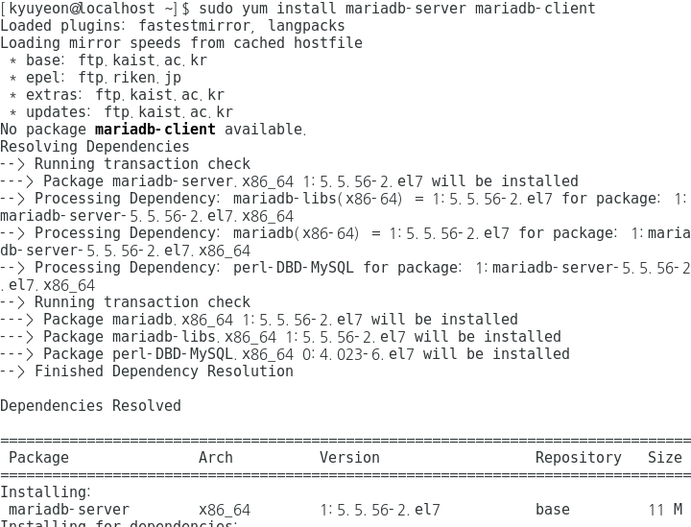

∙ | systemctl start mariadb
∙ | systemctl enable mariadb

 | //Clone Repository
∙ | git clone https://github.com/kyubine/blockchain-explorer.git

 | //Edit config.json
∙ | cd blockchain-explorer/
∙ | vi config.json | → "tls_cacerts", "ket", "cert" 부분을 "/home/본인의 username/workspace/fabric-samples"로 변경 (현재 username = kccmonitor)

Run Hyperledger Explorer
 | Run Hyperledger Explorer

 | //Database Setup
∙ | cd blockchain-explorer/app/db/
∙ | mysql -ujky -p111111 |  | → mysql -u'username' -p'password'
 |  |  | → blockchain-explorer/app/db/ 의 pgservice.js 코드 20-21 line 수정 필요. User, password 본인의 것으로 변경
 |  |  | → blockchain-explorer/ 의 config.js 코드 59-60 line 수정 필요. User, password 본인의 것으로 변경
∙ | source ./fabricexplorer.sql
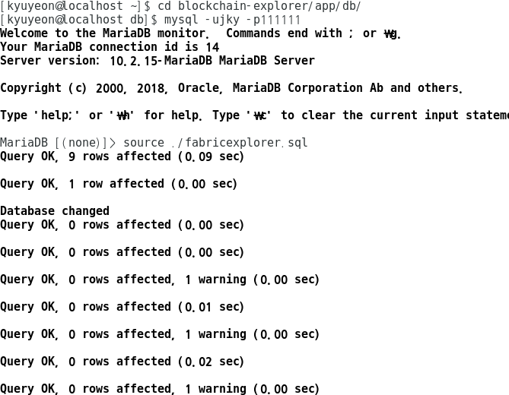

 | //Fabric Network Setup - On another terminal
∙ | cd workspace/fabric-samples/first-network/

 | //Generate Network Artifacts
∙ | ./byfn.sh -m generate

 | //Bring Up the Network
∙ | ./byfn.sh -m up
∙ | docker ps

 |  | ./byfn.sh -m up이 제대로 실행되지 않으면, 아래 순서대로 다시 실행
 |  | 1) sudo rm -fr crypto-config channel-artifacts/genesis.block
 |  | 2) ./byfn.sh -m down
 |  | 3) ./byfn.sh -m generate
 |  | 4) ./byfn.sh -m up

 | //Edit config.json
∙ | cd blockchain-explorer/
∙ | vi config.json |  | → "tls_cacerts", "ket", "cert" 부분을 "/home/본인의 username/workspace/fabric-samples"로 변경 (현재 username = kccmonitor)

 | //Build hyperledger explorer
∙ | cd blockchain-explorer/app/test
∙ | npm install
∙ | npm run test
∙ | cd ../../
∙ | npm install
∙ | cd client
∙ | npm install
∙ | npm test -- -u --coverage
∙ | npm run build
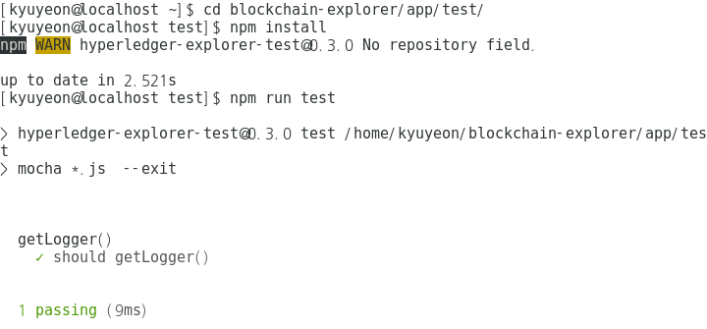

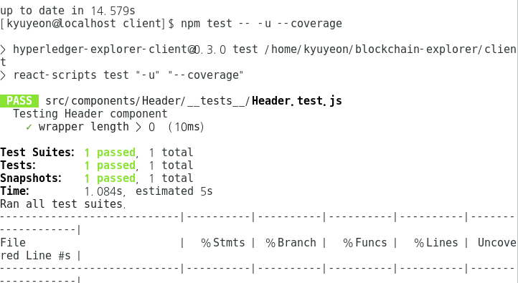

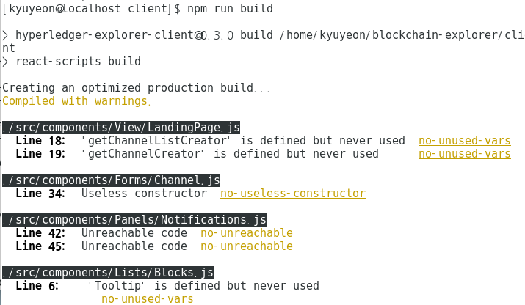

 | //Run Hyperledger Explorer
∙ | cd blockchain-explorer/
∙ | ./start.sh
∙ | tail -f log.log
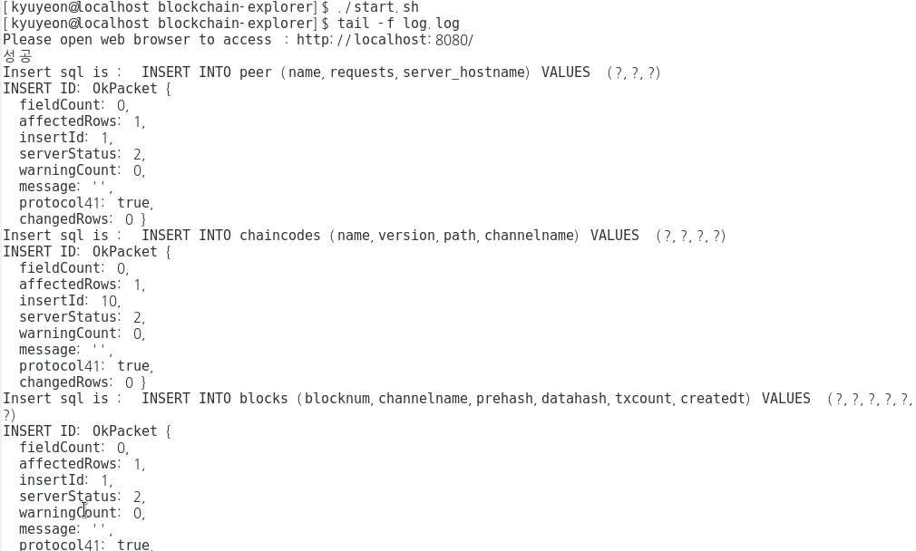

 | Launch the URL http://localhost:8080 on a browser!!!!!!!!!!!!!

