Table 3 Light intensity numeric
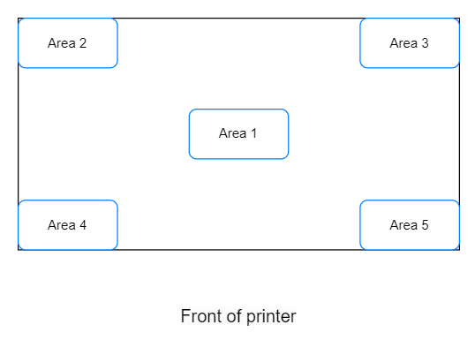
Table 3 Light intensity numerical measurement record table
 | Measuring equipment name |  | Specification model
 | Area 1 | Area 2 | Area 3 | Area 4 | Area 5
1st time
2nd time
The third time
Fourth time
5th meeting
Average

Table 5 Printing Document Prepa
Table 5 Printing Document Preparation Record Form
Project |  | Screenshot or record
Screenshot of model layout in CHITUBOX software interface | Main view |  | Remarks: The support parameter record can be displayed on the visual support parameter display interface.
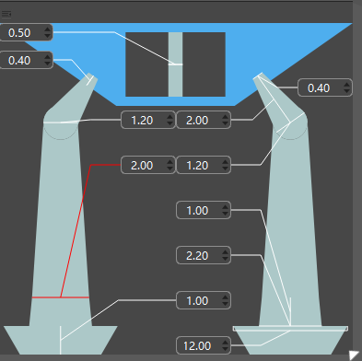
 | Left view
 | Top view
Screenshot of CHITUBOX Pro software printing parameter interface | Printer
 | Resin
 | Print
 | Advanced
Screenshot of the support parameter interface (Note: If the support parameters of the corresponding print model are manually adjusted, record the current direction item) | Support parameter 1
 | Support parameters 2
 | ...
Print estimated time

