Contents


Contents
Tables Defined | Lists all tables and describes their purpose
Exposure Schema | Lists all the tables in the exposure schema that capture the physical location, characteristics, financial details, and organization of the exposures in a data set
Results&Settings Schema | Lists all tables in the Results and Settings schemas that store the settings for and results from running analyses
Reference Schema | Lists all the tables in the reference schema used by Contract Definition Language (CDL) and by analyses. Many of the tables include seeded data to which you can add your own.
Ref Schema Seeded Data | Data that is seeded in the reference schema tables
Construction Codes | Data that is seeded in the construction table
Occupancy Types | Data that is seeded in the occupancy table
Country Codes | Data that is seeded in the country table

Notes
Nullable | If not explicitly listed as "No," the field allows nulls.
Primary Key | If not explicitly listed as "Yes," the field is not a primary key.
Default | If default value is not listed, the field does not have a default value.

Tables Defined
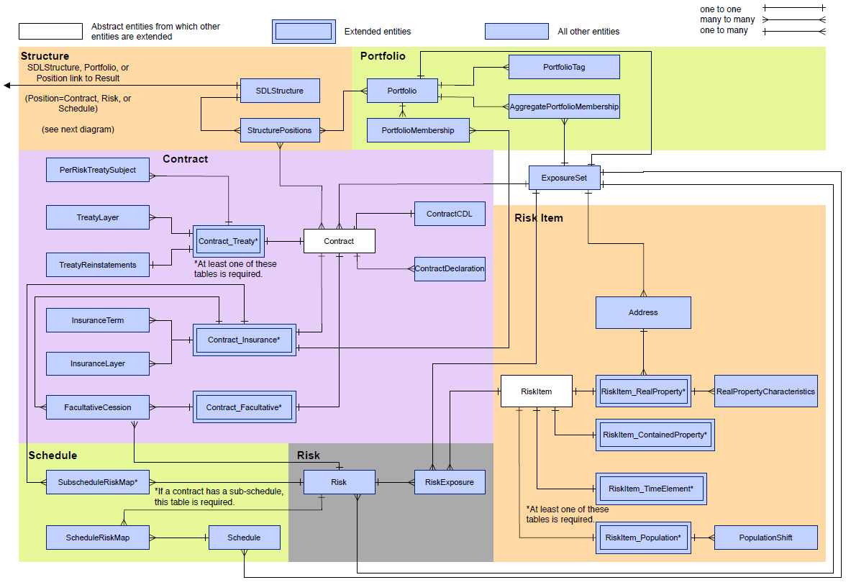
Table Grouping | Table | Description | Reference Schema includes Seeded Data
Exposure Schema
Contract Tables | Contract_Facultative | Extended from the Contract table. Defines facultative treaties. | N.A.
Contract Tables | Contract_Insurance | Extended from the Contract table. Defines insurance contracts. | N.A.
Contract Tables | Contract_Treaty | Extended from the Contract table. Defines treaties as an alternative to using CDL. | N.A.
Contract Tables | ContractCDL | Stores the Contract Definition Language (CDL) string for a contract. Applies to both insurance contracts and treaties. | N.A.
Contract Tables | ContractDeclaration | Stores contract declarations as an alternative to using CDL. Applies to both insurance contracts and treaties. Declarations can act as metadata to aid search and filter, such as underwriter, business unit, and other user-defined declarations. Some declarations affect contract payout, such as inception date or contract currency. | N.A.
Contract Tables | FacultativeCession | Defines facultative cessions | N.A.
Contract Tables | InsuranceLayer | Defines the layers as an alternative to using CDL. Layers within a contract can have their own inception and expiration dates, lines of business, and currency. | N.A.
Contract Tables | InsuranceTerm | Defines contract terms as an alternative to using CDL. Contracts include two types of terms—deductible and sublimit—which reduce payout. | N.A.
Contract Tables | PerRiskTreatySubject | Defines the portfolios with per risk treaties | N.A.
Contract Tables | ScheduleRiskMap | Stores information about the risks that are part of a schedule for insurance contracts | N.A.
Contract Tables | SubScheduleRiskMap | For layers and terms that apply to a subset of a contract’s subject, specifies the risks that belong to these subschedules | N.A.
Contract Tables | TreatyLayer | Defines treaty layers as an alternative to using CDL | N.A.
Contract Tables | TreatyReinstatements | Defines treaty reinstatements as an alternative to using CDL | N.A.
Exposure Set | ExposureSet | Stores the metadata that defines the exposure set, including the exposure set ID and the source database name. An exposure set is a data storage concept that allows you to group exposures. Exposure sets include portfolios, per risk treaties, facultative cessions, and catastrophe treaties. | N.A.
Portfolio Tables | AggregatePortfolioMembership | Stores information about aggregate portfolios | N.A.
Portfolio Tables | Portfolio | Stores information about portfolios. Portfolios are groupings of insurance contracts, along with the associated treaties and facultative (fac) cessions. | N.A.
Portfolio Tables | PortfolioMembership | Captures the portfolio-to-contract membership | N.A.
Portfolio Tables | PortfolioTag | Stores metadata that can be applied to portfolios | N.A.
Risk Tables | Risk | Stores the risk Ids in the data set. A risk is a collection of primary exposures and represents a holder's insurable interest. A contract covers either a single risk or a schedule, which is a collection of risks. | N.A.
Risk Tables | RiskExposure | Provides the link between a risk, risk item, and its member exposures, such as building, content, or business interruption exposure. The Risk Exposure entity provides the link between a risk, risk item, and its member exposures, such as building, content, or business interruption exposure. It stores the insurable interest, which refers to the ownership share. For some lines of business, like offshore platform, it could be less than 100% because these can have shared ownership. Insurable interest scales the valuation before the ground-up loss takes effect. | N.A.
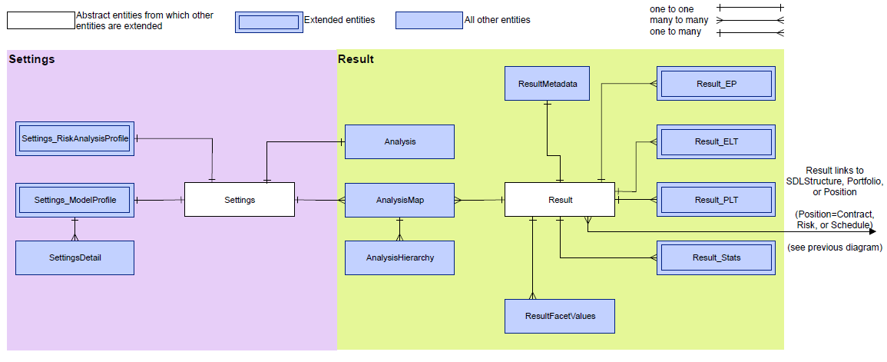
RiskItem Tables | Address | Stores the address information for RealProperty risk items. It captures user-submitted addresses and geocoded addresses that are generated by the geocoding process. | N.A.
RiskItem Tables | PopulationShift | Captures information about the work shifts used by a population | N.A.
RiskItem Tables | RealPropertyCharacteristics | Stores secondary modifier information about real property risk items. Secondary building modifiers provide information beyond the primary characteristics (construction class, occupancy type, year built, and number of stories). They provide additional information for a modeled risk and are often derived from engineering or inspection reports for buildings known to differ from the industry average. | N.A.
RiskItem Tables | RiskItem_ContainedProperty | Extends RiskItem and stores information about contained property risk items. Contained property is any property that is not secured to the ground, such as building contents and equipment. Contained property within a real property is implicitly associated with the address of the containing real property. | N.A.
RiskItem Tables | RiskItem_Population | Extends RiskItem. The geography (Address and Hazard ) is inherited from the parent Riskitem. A Population risk item is captured in the same way as ContainedProperty. Both have a real property as the parent risk item. The DamageType associated with this Riskitem is Injury and the LossType is Casualty. | N.A.
RiskItem Tables | RiskItem_RealProperty | Extends RiskItem and stores information about real property risk items, such as occupancy and construction, as well as a reference to their address | N.A.
RiskItem Tables | RiskItem_TimeElement | Extends RiskItem. It is a function of a specific RealProperty, which is its parent risk item. | N.A.
Schedule Tables | Schedule | Stores information about contract schedules. A schedule is a collection of risks. A contract subject can be either a single risk or a schedule, and multiple contracts can cover the same schedule. | N.A.
Schedule Tables | ScheduleRiskMap | Maps risks to the schedules with which they are associated. | N.A.
Schedule Tables | SubScheduleRiskMap | Stores the risks that are part of a sub-schedule. Like schedules, sub-schedules define a named collection of risks. Use them in a contract to replace a list of risks when you want to define constraints on sublimits, deductibles, and covers. A subschedule is a subset of the risks in the schedule that is the contract subject. | N.A.
Structure Tables | SDLStructure | Stores the structure representation using Structure Definition Language (SDL) | N.A.
Structure Tables | StructurePositions | Defines a structure and its positions as an alternative to using SDL | N.A.
Results Schema
Result Tables | Analysis | Stores the analysis Id, settings Id, and structure Id of every analysis, and indicates whether the analysis was run using a model profile or a risk analysis profile. | N.A.
Result Tables | AnalysisHierarchy | Indicates the model profiles that are included in the risk analysis profile for every analysis that is run using a risk analysis profile | N.A.
Result Tables | AnalysisMap | Maps analysis Id to results Id | N.A.
Result Tables | Result_ELT | Stores the event loss table per result Id | N.A.
Result Tables | Result_EP | Stores the EP results per result Id, return period, and facet. This includes AEP, OEP, TCE-AEP, TCE-OEP, and EEF. | N.A.
Result Tables | Result_PLT | Stores the period loss table per result Id | N.A.
Result Tables | Result_Stats | Stores the stats per result Id and facet. This includes AAL, StdDev, and CV. | N.A.
Result Tables | ResultFacetValues | Defines the granularity that applies to each facet Id. This includes granularities like admin1Code, admin2Code, countryCode, lineOfBusinessCode, cedantCode, and postalCodeGeoId. | N.A.
Result Tables | ResultMetadata | Indicates the structure and position analyzed for every result Id. It also indicates the type of results that are available (EP, stats, ELT, PLT) and the granularity of the analysis (AdminLOB, CedantLOB). | N.A.
Settings Schema
Settings Tables | Settings_ModelProfile | Stores the settings for a given model profile Id. Model profiles are used to run a single type of analysis on a portfolio. Settings include analysis type (EP, footprint, hazard), software version, region code, peril code, analysis currency, loss table type (ELT, PLT). It also identifies the date the model profile was created and who created it. | N.A.
Settings Tables | Settings_RiskAnalysisProfile | Stores the settings for a given risk analysis profile Id. Risk analysis profiles combine multiple model profiles. Settings include peril code, region code, model profile Id, and simulation set Id. | N.A.
Settings Tables | SettingsDetail | Stores the individual settings that have been defined for the profile and their value for a given model profile Id. E.g., a setting to indicate whether or not post-loss amplification is included in the profile. | N.A.
Reference Schema
Address Tables | Admin1 | Stores admin1 names, codes, and geoId's | No
Address Tables | Admin2 | Stores admin2 names, codes, and geoId's | No
Address Tables | Admin3 | Stores admin3 names, codes, and geoId's | No
Address Tables | Admin4 | Stores admin4 names, codes, and geoId's | No
Address Tables | Admin5 | Stores admin5 names, codes, and geoId's | No
Address Tables | City | Stores city names, codes, and geoId's | No
Address Tables | Country | Stores country names, codes, and geoId's | Yes
Address Tables | GeocodingDataSource | Stores the codes for geocoding data sources | Yes
Address Tables | GeocodingResolution | Stores the codes for ACORD geocoding resolutions | Yes
Address Tables | GeoModelResolution | Stores the codes used by other geocoding vendors, such as RMS | Yes
Address Tables | PostalCode | Stores postal codes and geoId's | No
Contract/Financial Tables | AmountBasis | Provides the amount basis codes used by CDL | Yes
Contract/Financial Tables | AttachmentBasis | Provides the attachment type codes used by CDL | Yes
Contract/Financial Tables | AttachmentLevel | Provides the attachment level codes used by CDL | Yes
Contract/Financial Tables | CauseOfLoss | Provides the cause of loss codes used by CDL | Yes
Contract/Financial Tables | CauseOfLossHierarchy | Maps causes of loss to parent causes of loss | Yes
Contract/Financial Tables | ContractBranch | Stores branch names if you collect this data | No
Contract/Financial Tables | ContractCedant | Stores cedant names if you collect this data | No
Contract/Financial Tables | ContractStatus | Stores contract status codes | No
Contract/Financial Tables | ContractType | Stores different contract types and maps types to their parent contract types | Yes
Contract/Financial Tables | ContractUnderwriter | Stores underwriter names if you collect this data | No
Contract/Financial Tables | Currency | Stores currency ISO codes | Yes
Contract/Financial Tables | CurrencyExchangeRate | Stores currency exchange rates | Yes
Contract/Financial Tables | Insured | Stores insured names if you collect this data | No
Contract/Financial Tables | Insurer | Stores insurer names if you collect this data | No
Contract/Financial Tables | LineOfBusiness | Stores line of business codes | No
Contract/Financial Tables | LossType | Provides the loss type codes used by CDL | Yes
Contract/Financial Tables | LossTypeHierarchy | Maps loss types to parent loss types | Yes
Contract/Financial Tables | PayoutFunction | Provides payout function codes used by CDL | Yes
Contract/Financial Tables | Producer | Stores contract producer names if you collect this data | No
Contract/Financial Tables | Resolution | Provides the resolution codes used by CDL | Yes
Contract/Financial Tables | TermType | Provides term type codes used by CDL | Yes
Contract/Financial Tables | TimeBasis | Provides time basis codes used by CDL | Yes
Population Tables | EmergencyProtectionProximity | Indicates a location's proximity to emergency protection | Yes
Population Tables | HazardousMaterial | Indicates a location's exposure to hazardous materials | Yes
Population Tables | PopulationDensity | Density of the population at a location | No
Population Tables | RiskManagementOnSiteRank | Indicates the presence of procedures to avoid or minimize the impact of casualty risk on the site | Yes
Population Tables | ShiftType | Stores shift types used for analyzing populations | Yes
Population Tables | WageRelativityRank | Indicates relativity of employees’ wages to the industry average | Yes
Portfolio and Structure Tables | Portfolio Type | Indicates Detail or Aggregate portfolio | Yes
Portfolio and Structure Tables | PositionType | Indicates the type of position in a structure | Yes
Portfolio and Structure Tables | Tag | Used for portfolio metadata | No
Result and Settings Tables | Granularity | Granularities (segmentation) used for analyses, such as Admin1 or LOB | No
Result and Settings Tables | Peril | Stores the codes for perils used by peril models | Yes
Result and Settings Tables | Region | Stores peril codes | Yes
Result and Settings Tables | ResultType | Indicates the type of results generated by an analysis, such as ELT and PLT | No
Result and Settings Tables | SettingsType | Indicates type of settings used for an analysis, such as model profile or risk analysis profile | No
RiskItem Tables | AreaUnit | Stores units of measurement used for areas | Yes
RiskItem Tables | Basement | Stores the secondary modifier options | Yes
RiskItem Tables | BIPreparedness | Stores the secondary modifier options | Yes
RiskItem Tables | BIRedundancy | Stores the secondary modifier options | Yes
RiskItem Tables | CommercialAppurtenant | Stores the secondary modifier options | Yes
RiskItem Tables | Construction | Stores construction classes | Yes
RiskItem Tables | ContentsVulnWater | Stores the secondary modifier options | Yes
RiskItem Tables | ContentsVulnWind | Stores the secondary modifier options | Yes
RiskItem Tables | DistanceUnit | Stores units of measurement used for distances | Yes
RiskItem Tables | EngineeredFoundation | Stores the secondary modifier options | Yes
RiskItem Tables | Exterior | Stores the secondary modifier options | Yes
RiskItem Tables | ExteriorRating | Stores the secondary modifier options | Yes
RiskItem Tables | ExternalOrnamentation | Stores the secondary modifier options | Yes
RiskItem Tables | FireRemote AlarmPresence | Stores the secondary modifier options | Yes
RiskItem Tables | FireSprinklerPresence | Stores the secondary modifier options | Yes
RiskItem Tables | FloodMissile | Stores the secondary modifier options | Yes
RiskItem Tables | FloodProtection | Stores the secondary modifier options | Yes
RiskItem Tables | FloorType | Stores the secondary modifier options | Yes
RiskItem Tables | FoundationType | Stores the secondary modifier options | Yes
RiskItem Tables | FrameFoundationConnection | Stores the secondary modifier options | Yes
RiskItem Tables | Garaging | Stores the secondary modifier options | Yes
RiskItem Tables | MarineProtection | Stores the secondary modifier options | Yes
RiskItem Tables | Occupancy | Stores occupancy types | Yes
RiskItem Tables | OpeningProtect | Stores the secondary modifier options | Yes
RiskItem Tables | Performance | Stores the secondary modifier options | Yes
RiskItem Tables | PlanIrregularity | Stores the secondary modifier options | Yes
RiskItem Tables | PlumbingInsulation | Stores the secondary modifier options | Yes
RiskItem Tables | Pounding | Stores the secondary modifier options | No
RiskItem Tables | RentalPropertyIdentifier | Stores the secondary modifier options | Yes
RiskItem Tables | ResidentialAppurtenant | Stores the secondary modifier options | Yes
RiskItem Tables | RiskItemType | Stores the risk item types, such as RealProperty, ContainedProperty, TimeElement, and Population | Yes
RiskItem Tables | RoofAdditions | Stores the secondary modifier options | Yes
RiskItem Tables | RoofAgeCondition | Stores the secondary modifier options | Yes
RiskItem Tables | RoofAnchor | Stores the secondary modifier options | Yes
RiskItem Tables | RoofCovering | Stores the secondary modifier options | Yes
RiskItem Tables | RoofGeometry | Stores the secondary modifier options | Yes
RiskItem Tables | RoofVent | Stores the secondary modifier options | Yes
RiskItem Tables | StructuralUpgradeNonURM | Stores the secondary modifier options | Yes
RiskItem Tables | Tank | Stores the secondary modifier options | Yes
RiskItem Tables | URMChimney | Stores the secondary modifier options | Yes
RiskItem Tables | URMRetrofit | Stores the secondary modifier options | Yes
RiskItem Tables | VerticalIrregularity | Stores the secondary modifier options | Yes
RiskItem Tables | WindMissileExposure | Stores the secondary modifier options | Yes

