Table 1
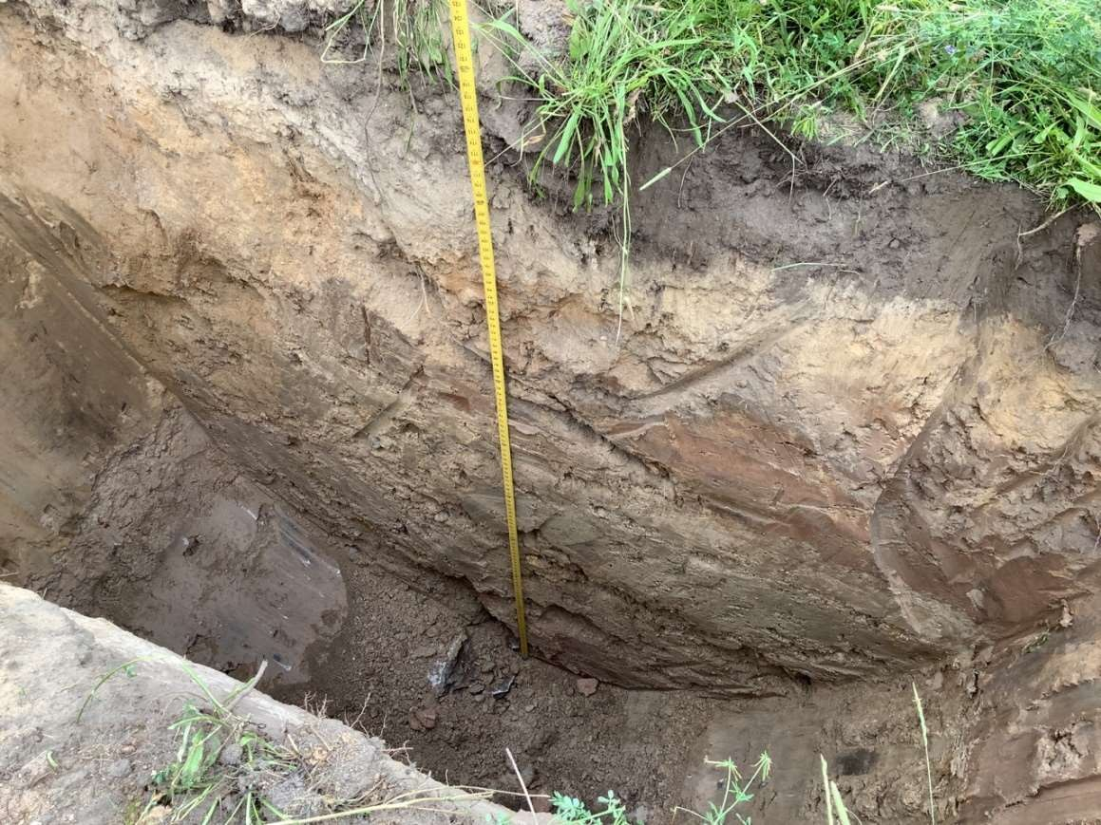
Depth (ft) | LITHOLOGIC DESCRIPTION | WATER LEVEL | Depth (ft)
0.5 | Topsoil - gray, roots | DNE | 0.5
1 | Silty Sand - light brown, moist | DNE | 1
1.5 | Silty Sand - light brown, moist | DNE | 1.5
2 | Silty Sand - light brown, moist | DNE | 2
2.5 | Silty Sand - light brown, moist | DNE | 2.5
3 | Silty Sand - light brown, moist | DNE | 3
3.5 | Silty Sand - light brown, moist | DNE | 3.5
4 | Silty Sand - light brown, moist | DNE | 4
4.5 | Silty Sand - light brown, moist | DNE | 4.5
5 | Silty Sand - light brown, moist | DNE | 5
5.5 | Silty Sand - light brown, moist | DNE | 5.5
6 | Silty Sand - light brown, moist | DNE | 6
6.5 | Silty Sand - light brown, moist | DNE | 6.5
7 | Silty Sand - light brown, moist | DNE | 7
7.5 | Silty Sand - light brown, moist | DNE | 7.5
8 | Silty Sand - light brown, moist | DNE | 8
8.5 | Silty Sand - light brown, moist | DNE | 8.5
9 | Silty Sand - light brown, moist | DNE | 9
9.5 | Silty Sand - light brown, moist | DNE | 9.5
10 | Silty Sand - light brown, moist | DNE | 10
10.5 | TEST PIT TERMINATED. TARGET DEPTH REACHED. | DNE | 10.5

