XML Structure
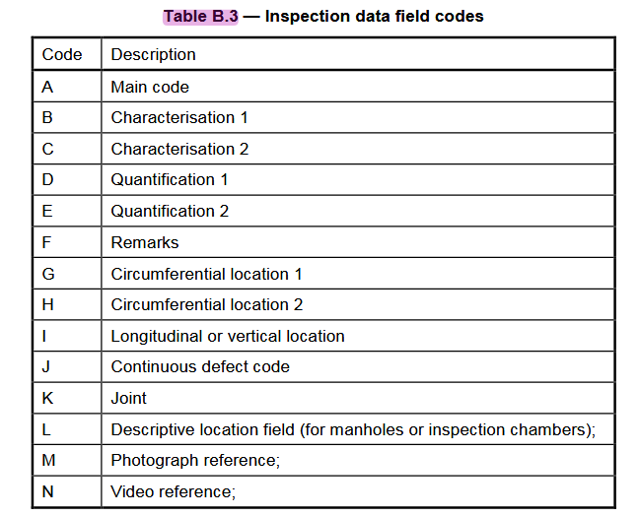
XML Format vs. Character Separated format |  |  |  | XML: DIN English Example

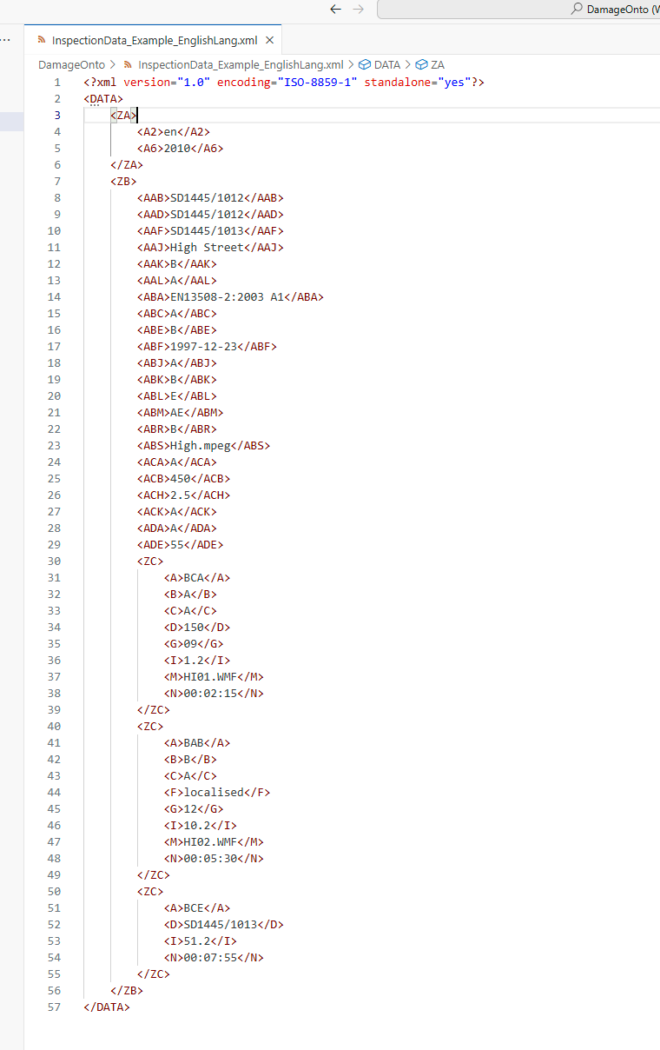
Q: Two formats are introduced in DIN EN 13508-2: XML and Charater Separated. When should what be used?

 | Both are OPTIONAL transfer formats. DIN does not mandate either one.
 | For this implementation attempt, I will be using XML, as it is more human-friendly to read!

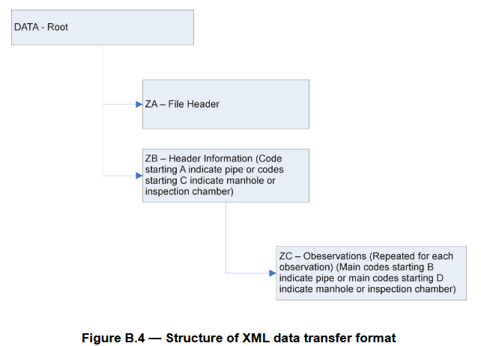

XML Data Structure: Element Categories

<DATA> | The root of the file should have the identifier DATA.

<ZA> | Format Data: This should be followed by the file header information with the identifier ZA.
 | <A2> | Language Code
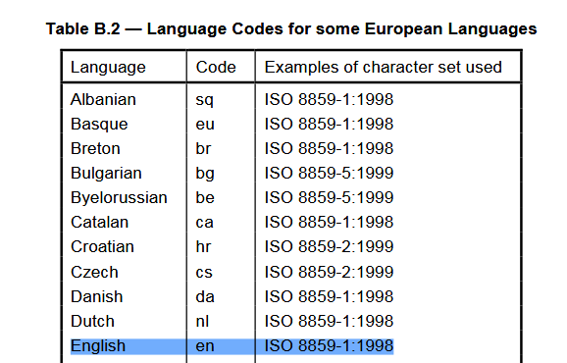

 | <A6> | Version of the Data Exchange Format (DIN 2010)

<ZB> | Inspection Header Information: Following this the data for each inspection, a single pipe length or a single manhole or inspection chamber should be encoded with the identifier ZB, which should also contain the header information of the inspection
 | Elements from Annex C or Annex D

 |  | Annex C | Recommended system for coding of header information for drains and sewers (Pipe Sections)

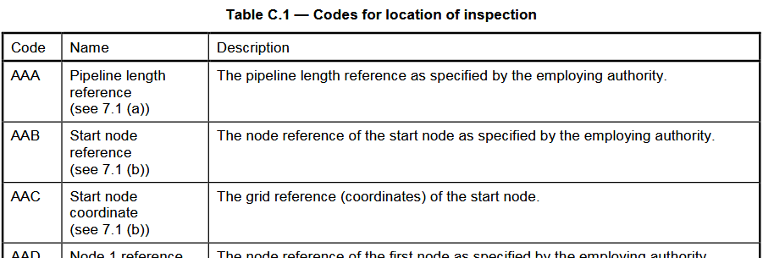

 |  | Annex D | Recommended system for coding of header information for manholes and inspection chambers (Nodes)
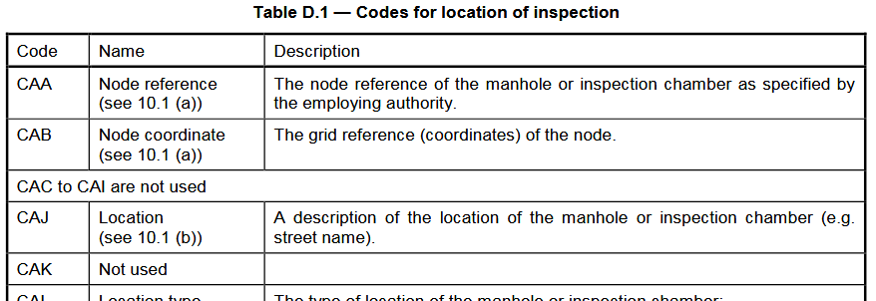

<ZC> | Inspection Data Information: Within each inspection header information should have the identifier B and the observations for the inspection should have the identifier ZC.

