Sheet1
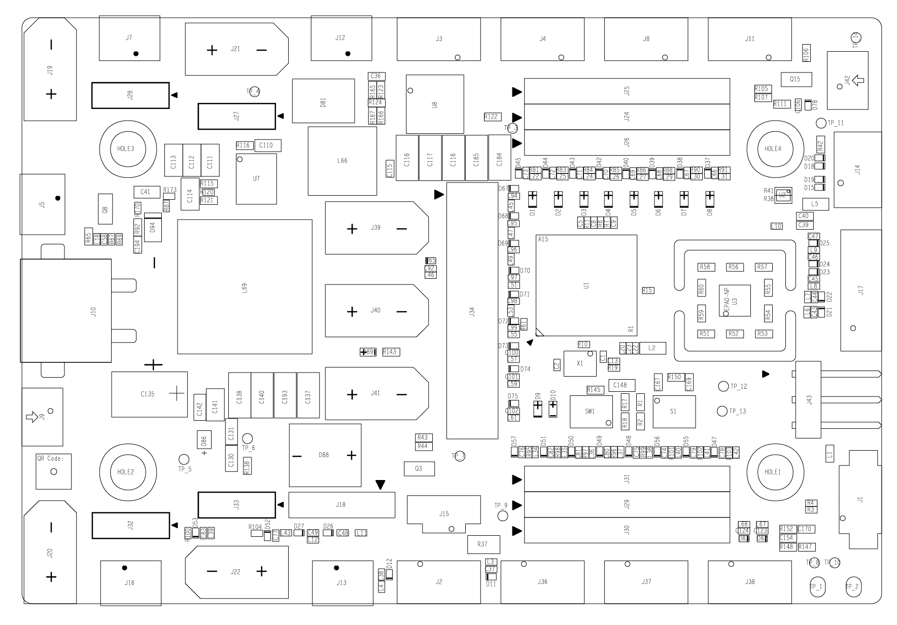

can2 | 底盘3508 | 关节达妙4310
huart1 | J43 | 遥控器

