Other Information
1. How to update the record
Process | Activity | Type of Record |  | Method | Data Back Up | Remarks
Rotor Caulking | First Article Inspection | Soft Copy |  | Computer and Input Tool | External Drive | Primary recording method
Rotor Caulking | First Article Inspection | Hardcopy |  | A3 Size Paper | Hardcopy | If computer or input tool is not available

2. Resources Needed
Item | Figure |  | Qty | Purpose | Estimated Cost | Remarks
Digimatic Indicator | 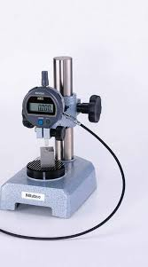 |  | 1 | Measuring equipment | ₱45,739.37 | updated quotation
Computer set | 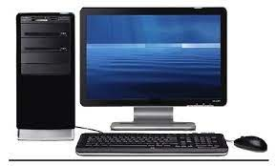 |  | 1 | Main computer where the measurement data are saved | ₱31,900.00 | updated quotation
USB Input Tool |  |  | 1 | Serves as trigger switch to input the data directly to the computer | ₱5,594.60 | updated quotation
Gage Selector |  |  | 1 | To enable selection of connection between the measuring equipment (Digital Caliper and Pitch Caliper | ₱7,438.20 | updated quotation
SPC Cable |  |  | 1 | Connecting cable between USB Input Tool and Gage Selector | ₱1,076.35 | updated quotation
SPC Cable |  |  | 1 | Connecting cable from Digital Caliper to Gage Selector | ₱860.75 | updated quotation
SPC Cable |  |  | 1 | Connecting cable from Pitch Caliper to Gage Selector | ₱1,325.50 | for requisition of updated quotation
 |  |  |  | Total Cost | ₱93,934.77

3. Frequency of Checking
No. | Items | Method |  | Condition | Cycle
1 | Caulking Dent Measurement | Digimatic Indicator |  | Control Standards | The first 5 products, every hour or when change in pack of bush, box of cover, change in material type and every change model.
2 | Shaft Length | Digimatic Indicator |  | Control Standard | The first 5 products/ 5pcs per pack of shaft/ 5pcs per box of cover and when type switched
3 | Surface Edge Alignment | Dial Gauge / Digimatic Indicator or Semi-Automatic Gauge |  | Control Standard | The first 5 products/5pcs per box of cover and when type switched
4 | Shaft Pulling Force | Automatic Pullout Test/Pullout Force Measuring Device |  | Control Standard | The first 5 products/1pc per lot of shaft /1pc per box of cover and when type switched
5 | Bush Pulling Force | Pullout Force Measuring Device |  | Control Standards | The first 5 products/1pc per pack of bush/ 1pc per pack of shaft/1pc per box of cover and when type switched.
6 | Magnet Height | Digimatic Indicator |  | Control Standard | The First 5 Products/ 5pcs. per box and when type switched

4. Location of Measuring Area
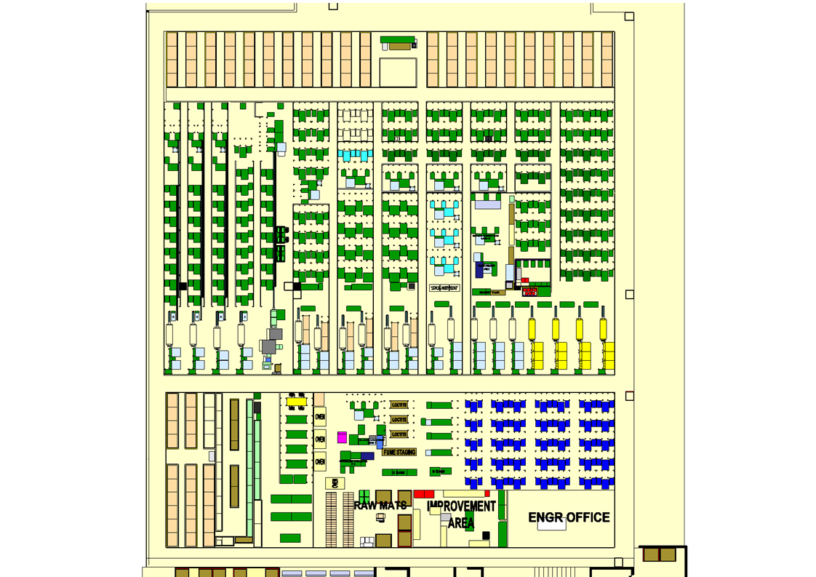

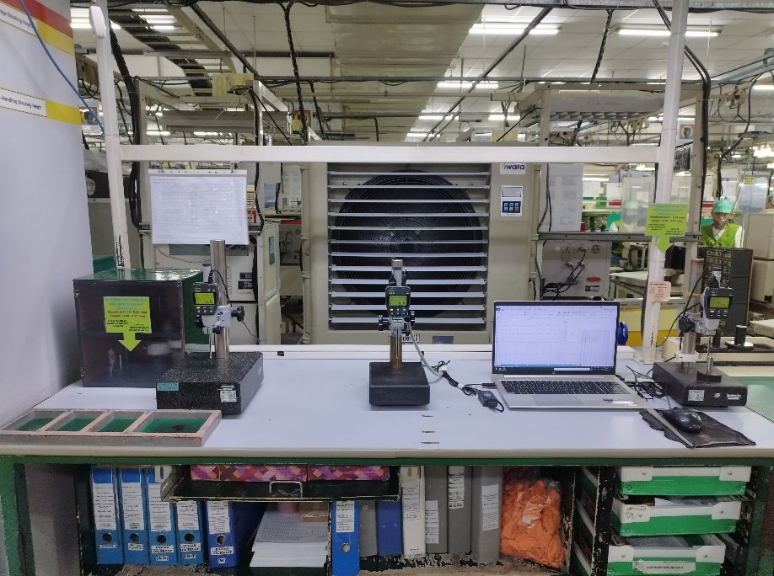

Location : Building 1 2nd Floor
Beside Post 4E

