Sheet1
Signal Layer | Reference Layer | Impedance Type | Trace Width（mil) | Trace Spacing（mil) | Impedance(ohm)±10% | Position
L1 | L2 | Differential Pair (Non coplanar) | 9.055 | 9.252 | 100 | 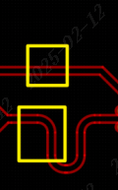
L4 | L3 | Differential Pair (Non coplanar) | 9.055 | 9.252 | 100
L1 | L2 | Single Ended (Non coplanar) | 13.2283 | NA | 50
L4 | L3 | Single Ended (Non coplanar) | 13.2283 | NA | 50
L1 | L2 | Differential Pair (Non coplanar) | 6 | 12 | 90
L4 | L3 | Differential Pair (Non coplanar) | 6 | 12 | 90

