Sheet1
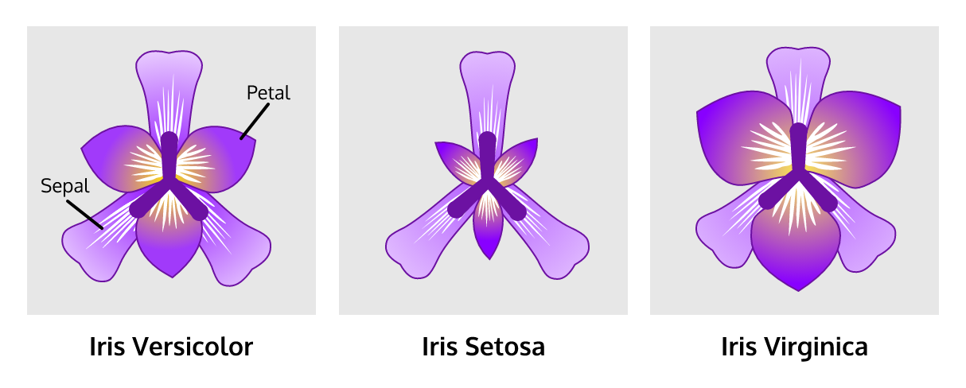
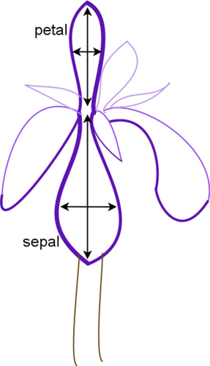

Iris data set
Species name | Petal width | Petal length | Sepal width | Sepal length | The Iris Dataset contains four dependent variables:
Setosa | 0.2 | 1.4 | 3.5 | 5.1 | 1. sepal length |  | of 50 samples of three species of Iris (Iris setosa, Iris virginica and Iris versicolor).
Setosa | 0.2 | 1.4 | 3 | 4.9 | 2. sepal width
Setosa | 0.2 | 1.3 | 3.2 | 4.7 | 3. petal length
Setosa | 0.2 | 1.5 | 3.1 | 4.6 | 4. petal width
Setosa | 0.2 | 1.4 | 3.6 | 5 | In this case, your independent variable is species, of which there are three categories
Setosa | 0.4 | 1.7 | 3.9 | 5.4
Setosa | 0.3 | 1.4 | 3.4 | 4.6
Setosa | 0.2 | 1.5 | 3.4 | 5 | To summarize:
Setosa | 0.2 | 1.4 | 2.9 | 4.4 | Your dependent variables are:
Setosa | 0.1 | 1.5 | 3.1 | 4.9 | 1. sepal length |  | continuous
Setosa | 0.2 | 1.5 | 3.7 | 5.4 | 2. sepal width |  | continuous
Setosa | 0.2 | 1.6 | 3.4 | 4.8 | 3. petal length |  | continuous
Setosa | 0.1 | 1.4 | 3 | 4.8 | 4. petal width |  | continuous
Setosa | 0.1 | 1.1 | 3 | 4.3 | Your independent variable is:
Setosa | 0.2 | 1.2 | 4 | 5.8 | plant species:
Setosa | 0.4 | 1.5 | 4.4 | 5.7 | 1. setosa |  | categorical
Setosa | 0.4 | 1.3 | 3.9 | 5.4 | 2. virginica |  | categorical
Setosa | 0.3 | 1.4 | 3.5 | 5.1 | 3. versicolor |  | categorical
Setosa | 0.3 | 1.7 | 3.8 | 5.7 | Your replicates include
Setosa | 0.3 | 1.5 | 3.8 | 5.1 | 50 samples of each dependent variable
Setosa | 0.2 | 1.7 | 3.4 | 5.4 | for each species
Setosa | 0.4 | 1.5 | 3.7 | 5.1
Setosa | 0.2 | 1 | 3.6 | 4.6 | The experiment looks like this:
Setosa | 0.5 | 1.7 | 3.3 | 5.1 | Species name | Petal width | Petal length | Sepal width | Sepal length
Setosa | 0.2 | 1.9 | 3.4 | 4.8 | setosa | 50 | 50 | 50 | 50 | # of samples/ measurements/ replicates
Setosa | 0.2 | 1.6 | 3 | 5 | virginica | 50 | 50 | 50 | 50
Setosa | 0.4 | 1.6 | 3.4 | 5 | versicolor | 50 | 50 | 50 | 50
Setosa | 0.2 | 1.5 | 3.5 | 5.2
Setosa | 0.2 | 1.4 | 3.4 | 5.2 | Breaking down your data to reflect the experimental design can show you how to design a data table
Setosa | 0.2 | 1.6 | 3.2 | 4.7
Setosa | 0.2 | 1.6 | 3.1 | 4.8 | What if we fill in the mean for each combination of independent and dependent variables in place of the replicate number?
Setosa | 0.4 | 1.5 | 3.4 | 5.4
Setosa | 0.1 | 1.5 | 4.1 | 5.2
Setosa | 0.2 | 1.4 | 4.2 | 5.5
Setosa | 0.2 | 1.5 | 3.1 | 4.9 |  |  |  |  |  |  | How-to:
Setosa | 0.2 | 1.2 | 3.2 | 5 | Species name | Petal width | Petal length | Sepal width | Sepal length |  | excel formula for average:
Setosa | 0.2 | 1.3 | 3.5 | 5.5 | setosa | 0.25 | 1.46 | 3.43 | 5.01 |  | =average(select data)
Setosa | 0.1 | 1.4 | 3.6 | 4.9 | virginica | 2.03 | 5.55 | 2.97 | 6.59
Setosa | 0.2 | 1.3 | 3 | 4.4 | versicolor | 1.33 | 4.26 | 2.77 | 5.94
Setosa | 0.2 | 1.5 | 3.4 | 5.1 | Poof! You now have a summary of your data!
Setosa | 0.3 | 1.3 | 3.5 | 5 | Let's graph these data!
Setosa | 0.3 | 1.3 | 2.3 | 4.5 | We have a categorical independent variable (species)
Setosa | 0.2 | 1.3 | 3.2 | 4.4 | and continuous dependent variables (flower measurements)
Setosa | 0.6 | 1.6 | 3.5 | 5 | A bar graph will give us a nice overview of our dataset
Flower measurements of 3 different Iris species
Setosa | 0.4 | 1.9 | 3.8 | 5.1
Setosa | 0.3 | 1.4 | 3 | 4.8
Setosa | 0.2 | 1.6 | 3.8 | 5.1 |  |  |  |  |  |  |  |  | How-to:
Setosa | 0.2 | 1.4 | 3.2 | 4.6 |  |  |  |  |  |  |  |  | 1. To create this graph, select the entire data table of averages
Setosa | 0.2 | 1.5 | 3.7 | 5.3
Setosa | 0.2 | 1.4 | 3.3 | 5 |  |  |  |  |  |  |  |  | 2. click the insert menu
Versicolor | 1.4 | 4.7 | 3.2 | 7 |  |  |  |  |  |  |  |  | 3. and select recommended charts
Versicolor | 1.5 | 4.5 | 3.2 | 6.4 |  |  |  |  |  |  |  |  | which one is most appropriate for the data set?
Versicolor | 1.5 | 4.9 | 3.1 | 6.9
Versicolor | 1.3 | 4 | 2.3 | 5.5
Versicolor | 1.5 | 4.6 | 2.8 | 6.5
Versicolor | 1.3 | 4.5 | 2.8 | 5.7
Versicolor | 1.6 | 4.7 | 3.3 | 6.3
Versicolor | 1 | 3.3 | 2.4 | 4.9
Versicolor | 1.3 | 4.6 | 2.9 | 6.6
Versicolor | 1.4 | 3.9 | 2.7 | 5.2
Versicolor | 1 | 3.5 | 2 | 5 | What does this chart tell us?
Versicolor | 1.5 | 4.2 | 3 | 5.9 | - The average measurements (y-axis) of each flower part (x-axis) for each species (legend)
Versicolor | 1 | 4 | 2.2 | 6 | - We can make comparisons between each species with respect to it's average flower part measurements:
Versicolor | 1.4 | 4.7 | 2.9 | 6.1 | - Sepal and petal length is longer in virginica than the other species
Versicolor | 1.3 | 3.6 | 2.9 | 5.6 | - The petal width and length is smallest in setosa
Versicolor | 1.4 | 4.4 | 3.1 | 6.7 | and so on...
Versicolor | 1.5 | 4.5 | 3 | 5.6 | But we don't know how variable the data is |  |  |  |  | ......> | example | The mean sepal length of virginica is approximately 6.5. You can get a mean of 6.5 many different ways! For example, all three sets of data below have a mean of 6.5.
Versicolor | 1 | 4.1 | 2.7 | 5.8 | For example, the average sepal length of virginica could be driven (or made larger) by the measurement of several unusually large individuals |  |  |  |  | ......>
Versicolor | 1.5 | 4.5 | 2.2 | 6.2 |  |  |  |  |  | ......>
Versicolor | 1.1 | 3.9 | 2.5 | 5.6 |  |  |  |  |  |  |  | Set 1 | Set 2 | Set 3
Versicolor | 1.8 | 4.8 | 3.2 | 5.9 |  |  |  |  |  |  |  | 7 | 5.5 | 4
Versicolor | 1.3 | 4 | 2.8 | 6.1 |  |  |  |  |  |  |  | 4 | 6 | 2
Versicolor | 1.5 | 4.9 | 2.5 | 6.3 |  |  |  |  |  |  |  | 6 | 7 | 4
Versicolor | 1.2 | 4.7 | 2.8 | 6.1 |  |  |  |  |  |  |  | 3 | 7 | 15
Versicolor | 1.3 | 4.3 | 2.9 | 6.4 |  |  |  |  |  |  |  | 5.5 | 7 | 16
Versicolor | 1.4 | 4.4 | 3 | 6.6 |  |  |  |  |  |  |  | 18 | 6 | 1.75
Versicolor | 1.4 | 4.8 | 2.8 | 6.8 |  |  |  |  |  |  |  | 2 | 7 | 3
Versicolor | 1.7 | 5 | 3 | 6.7 |  |  |  |  |  |  | average | 6.5 | 6.5 | 6.5
Versicolor | 1.5 | 4.5 | 2.9 | 6
Versicolor | 1 | 3.5 | 2.6 | 5.7 | Given this example, maybe we can get more descriptive than the mean, since it can be influenced heavily by outliers. NOTE: An outlier is an observation that lies an abnormal distance from other values in a random sample from a population.
Versicolor | 1.1 | 3.8 | 2.4 | 5.5
Versicolor | 1 | 3.7 | 2.4 | 5.5
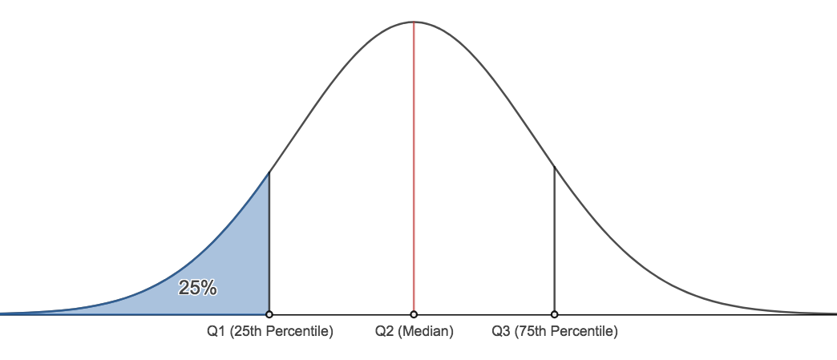
Versicolor | 1.2 | 3.9 | 2.7 | 5.8 |  |  |  |  | Set 1 | Set 2 | Set 3
Versicolor | 1.6 | 5.1 | 2.7 | 6 |  |  |  |  | 7 | 5.5 | 4
Versicolor | 1.5 | 4.5 | 3 | 5.4 |  |  |  |  | 4 | 6 | 2
Versicolor | 1.6 | 4.5 | 3.4 | 6 |  |  |  |  | 6 | 7 | 4
Versicolor | 1.5 | 4.7 | 3.1 | 6.7 |  |  |  |  | 3 | 7 | 15
Versicolor | 1.3 | 4.4 | 2.3 | 6.3 |  |  |  |  | 5.5 | 7 | 16
Versicolor | 1.3 | 4.1 | 3 | 5.6 |  |  |  |  | 18 | 6 | 1.75
Versicolor | 1.3 | 4 | 2.5 | 5.5 |  |  |  |  | 2 | 7 | 3
Versicolor | 1.2 | 4.4 | 2.6 | 5.5 |  |  | Average |  | 6.5 | 6.5 | 6.5
Versicolor | 1.4 | 4.6 | 3 | 6.1 |  |  | Variance |  | 28.8 | 0.4 | 38.3
Versicolor | 1.2 | 4 | 2.6 | 5.8 |  |  | 25th percentile |  | 3.5 | 6 | 2.5
Versicolor | 1 | 3.3 | 2.3 | 5 |  |  | 50th percentile |  | 5.5 | 7 | 4
Versicolor | 1.3 | 4.2 | 2.7 | 5.6 |  |  | 75th percentile |  | 6.5 | 7 | 9.5
Versicolor | 1.2 | 4.2 | 3 | 5.7 |  |  | Median |  | 5.5 | 7 | 4 | = 50th percentile
Versicolor | 1.3 | 4.2 | 2.9 | 5.7 |  |  |  |  |  |  |  |  |  | How-to:
Versicolor | 1.3 | 4.3 | 2.9 | 6.2 |  | The above statistics not only give a good description of the center (=median) but also indicates how much spread/variability the data has. |  |  |  |  |  |  |  | excel formula for variance: | =VAR(select cells)
Versicolor | 1.1 | 3 | 2.5 | 5.1 |  |  |  |  |  |  |  |  |  | excel formula for 25th percentile: | =PERCENTILE(select_cells, 0.25)
Versicolor | 1.3 | 4.1 | 2.8 | 5.7 |  |  |  |  |  |  |  |  |  | excel formula for 50th percentile: | =PERCENTILE(select_cells, 0.50)
Verginica | 2.5 | 6 | 3.3 | 6.3 |  |  |  |  |  |  |  |  |  | excel formula for 75th percentile: | =PERCENTILE(select_cells, 0.75)
Verginica | 1.9 | 5.1 | 2.7 | 5.8 |  |  |  |  |  |  |  |  |  | excel formula for median: | =MEDIAN(select cells)
Verginica | 2.1 | 5.9 | 3 | 7.1
Verginica | 1.8 | 5.6 | 2.9 | 6.3
Verginica | 2.2 | 5.8 | 3 | 6.5 | Let's try to make a more descriptive figure than the one presented above
Verginica | 2.1 | 6.6 | 3 | 7.6
Verginica | 1.7 | 4.5 | 2.5 | 4.9
Verginica | 1.8 | 6.3 | 2.9 | 7.3
Verginica | 1.8 | 5.8 | 2.5 | 6.7
Verginica | 2.5 | 6.1 | 3.6 | 7.2
Verginica | 2 | 5.1 | 3.2 | 6.5
Verginica | 1.9 | 5.3 | 2.7 | 6.4
Verginica | 2.1 | 5.5 | 3 | 6.8
Verginica | 2 | 5 | 2.5 | 5.7
Verginica | 2.4 | 5.1 | 2.8 | 5.8
Verginica | 2.3 | 5.3 | 3.2 | 6.4
Verginica | 1.8 | 5.5 | 3 | 6.5
Verginica | 2.2 | 6.7 | 3.8 | 7.7
Verginica | 2.3 | 6.9 | 2.6 | 7.7
Verginica | 1.5 | 5 | 2.2 | 6
Verginica | 2.3 | 5.7 | 3.2 | 6.9 | Here, we can see the median value (which is the horizontal line within the box) for each species/trait combination. Additionally, we can see how much variability there is in each trait by observing the quartiles. This is a very descriptive figure, and allows to easy visual analysis of trends within the data.
Verginica | 2 | 4.9 | 2.8 | 5.6
Verginica | 2 | 6.7 | 2.8 | 7.7
Verginica | 1.8 | 4.9 | 2.7 | 6.3
Verginica | 2.1 | 5.7 | 3.3 | 6.7
Verginica | 1.8 | 6 | 3.2 | 7.2
Verginica | 1.8 | 4.8 | 2.8 | 6.2
Verginica | 1.8 | 4.9 | 3 | 6.1
Verginica | 2.1 | 5.6 | 2.8 | 6.4 | What if we have to graph 2 variables which are both continuous against eachother?
Verginica | 1.6 | 5.8 | 3 | 7.2 | Start with a scatter plot!
Relationship between petal length and petal width for two species of Iris
Verginica | 1.9 | 6.1 | 2.8 | 7.4
Verginica | 2 | 6.4 | 3.8 | 7.9
Verginica | 2.2 | 5.6 | 2.8 | 6.4
Verginica | 1.5 | 5.1 | 2.8 | 6.3
Verginica | 1.4 | 5.6 | 2.6 | 6.1
Verginica | 2.3 | 6.1 | 3 | 7.7
Verginica | 2.4 | 5.6 | 3.4 | 6.3 |  |  |  |  |  |  |  |  |  | How-to
Verginica | 1.8 | 5.5 | 3.1 | 6.4 |  |  |  |  |  |  |  |  |  | Select data as above
Verginica | 1.8 | 4.8 | 3 | 6 |  |  |  |  |  |  |  |  |  | Click insert
Verginica | 2.1 | 5.4 | 3.1 | 6.9 |  |  |  |  |  |  |  |  |  | Click X Y scatter as your chart type
Verginica | 2.4 | 5.6 | 3.1 | 6.7 |  |  |  |  |  |  |  |  |  | It is likely you'll need to double check if the variable that you want on your x-axis/y-axis ends up in the right place.
Verginica | 2.3 | 5.1 | 3.1 | 6.9
Verginica | 1.9 | 5.1 | 2.7 | 5.8
Verginica | 2.3 | 5.9 | 3.2 | 6.8 |  |  |  |  |  |  |  |  |  | To do this, right click on your chart and select "select data"
Verginica | 2.5 | 5.7 | 3.3 | 6.7 |  |  |  |  |  |  |  |  |  | The cells selected in "X values" should be the correct variable for the x-axis
Verginica | 2.3 | 5.2 | 3 | 6.7
Verginica | 1.9 | 5 | 2.5 | 6.3 |  |  |  |  |  |  |  |  |  | Repeat the previous step for the cells selected for "Y values"
Verginica | 2 | 5.2 | 3 | 6.5 |  |  |  |  |  |  |  |  |  | You can add line equations by right clicking on the points of a particular subset (i.e. Versicolor); the same applies to R^2.
Verginica | 2.3 | 5.4 | 3.4 | 6.2
Verginica | 1.8 | 5.1 | 3 | 5.9
 |  |  |  |  | Generally, if a line fitted through a series of points represents the the relationship between the X-axis and Y-axis variables well, that line will have a high R-squared value

 |  |  |  |  | For example, the R-squared value of the Versicolor line (regression line) is 0.62. This is a fairly high R-squared value, and indicates that the relationship between Petal length and Petal width is likely to be occurring by more than sheer chance.

