Home
Home |  |  |  | Back to Instructions
https://portabox-website.vercel.app/

Area of page | Feedback | Screenshot | Priority | Reviewer | Status | Developer response
EXAMPLE: Hero banner EXAMPLE ONLY | Change headline to "Storage that comes to you". Button text is hard to read on mobile. EXAMPLE ONLY | hero-mobile.png (or image pasted here) EXAMPLE ONLY | High | Dan | Not started
No stressful facility trips | facility to depot |  | Medium | Lisa
keep it at our secure facility | facility to depot |  | Medium | Lisa
deliver to your driveway.. | update the word driveway to "home" |  | Medium | Lisa
Storage at Your Place | Ideal for renos, declutering or parties
Earl keeps it level on the road | 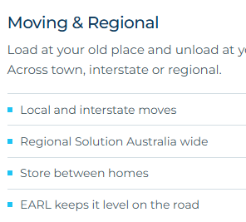 Earl keeps it level on pick up and drop off.
Compare what your actually getting. Five things that change the arithmetic. | Five things that change the bottom dollar.
The hydraulic difference with EARL | EARL, meet our hydraulic difference
What people actually say | Steve in Melbourne, isn't he the guy who is delivering on the website... Another photo please.
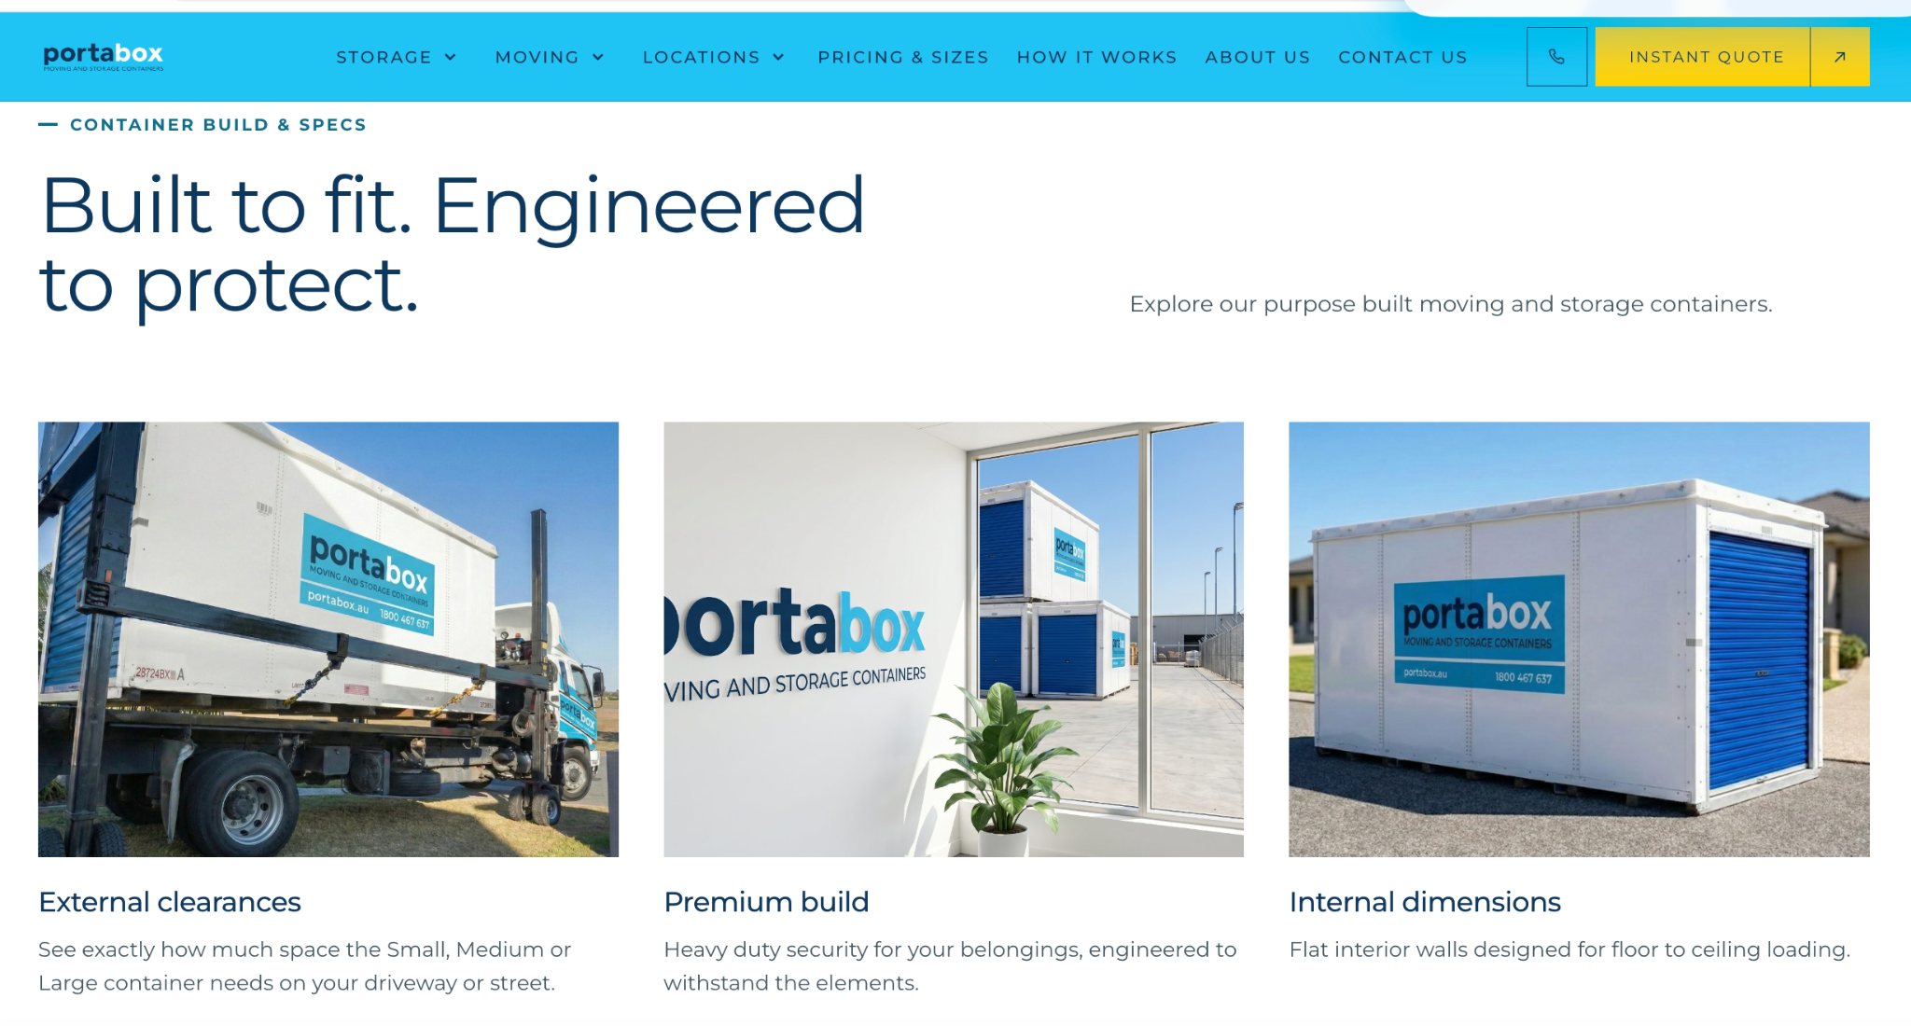 | Replace images with the informational images from theportabox.au homepage update first to "External Dimensions" | 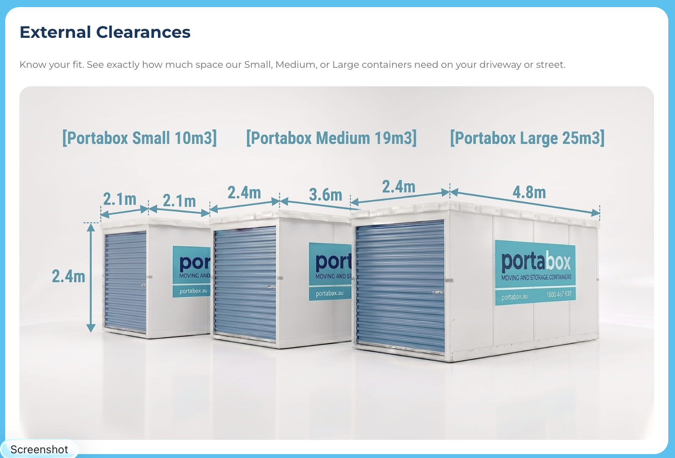 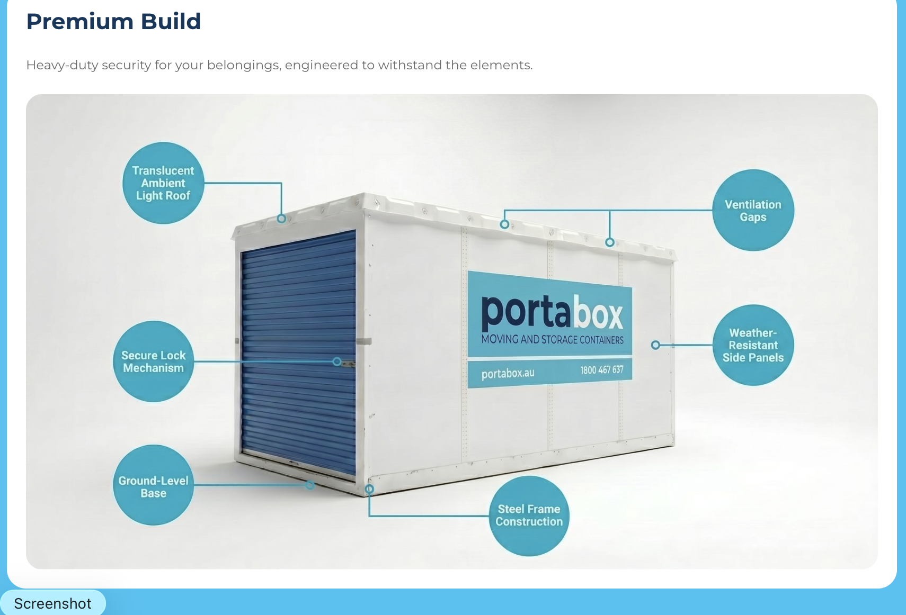 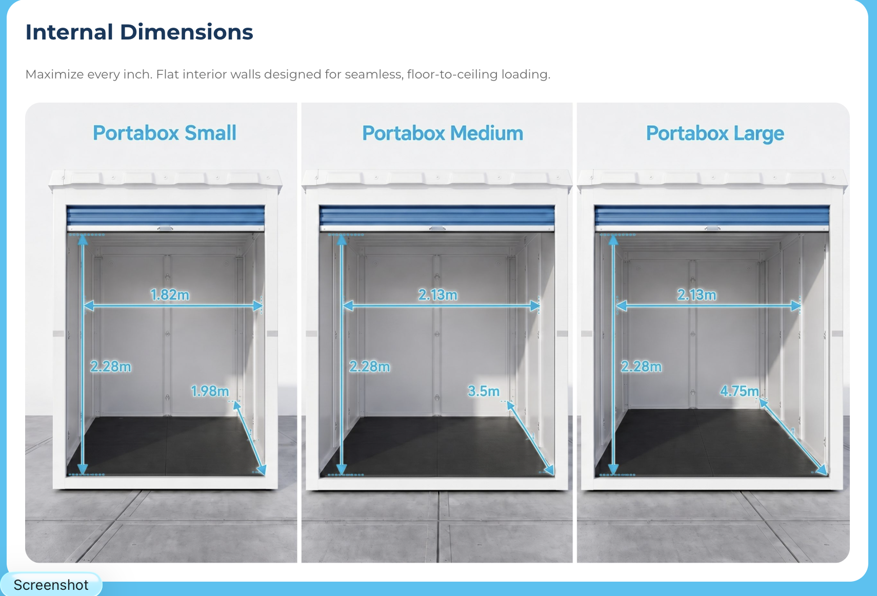 External Dimensions

About
About |  |  |  | Back to Instructions
https://portabox-website.vercel.app/about/

Area of page | Feedback | Screenshot | Priority | Reviewer | Status | Developer response
EXAMPLE: Hero banner EXAMPLE ONLY | Change headline to "Storage that comes to you". Button text is hard to read on mobile. EXAMPLE ONLY | hero-mobile.png (or image pasted here) EXAMPLE ONLY | High | Dan | Not started
You fit the lock. We never hold a copy | 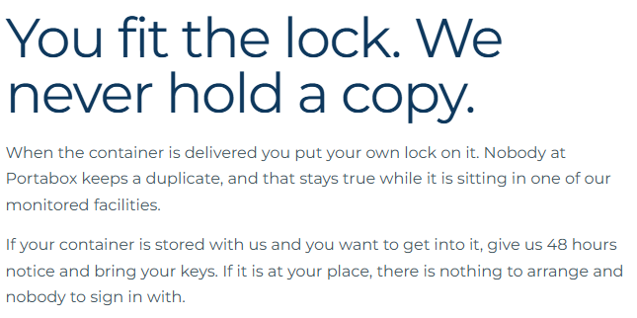 You fit the lock, you hold the keys! Remove facility / add depot |  | High | Lisa
Where your container lives if you store with us | 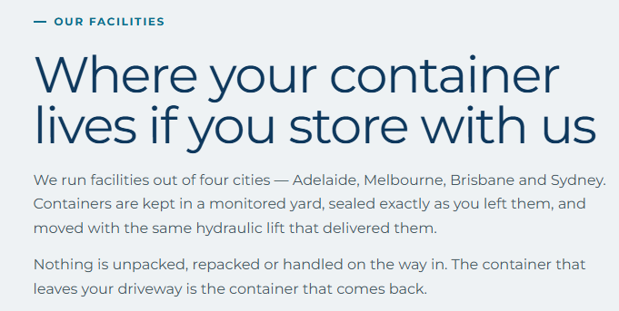 We run facilities, replace with depot. and redelivered with the same hydraulic lift. |  | Medium | Lisa
Facility | Depot |  | Medium | Lisa
Arithmetic | We think the math speaks for itself. |  | Medium | Lisa
Not for a standard placement | Our driver will call approximately half an hour prior to the delivery, if you ensure all items ie: cars are cleared away for the placement, there will be no need to be home. |  | High | Lisa
is my stuff insured | Is my stuff protected? Contents protection is arranged seperately. Talk to us when you book and we will point you at the right protection for what you are storing. |  | High | Lisa

Storage at your place
Storage at your place |  |  |  | Back to Instructions
https://portabox-website.vercel.app/storage/self-storage/

Area of page | Feedback | Screenshot | Priority | Reviewer | Status | Developer response
EXAMPLE: Hero banner EXAMPLE ONLY | Change headline to "Storage that comes to you". Button text is hard to read on mobile. EXAMPLE ONLY | hero-mobile.png (or image pasted here) EXAMPLE ONLY | High | Dan | Not started
Pricing Sections to offer a Toggle for different pricing | Store at Yours - 209. 209. 219. Store With Us - 219. 289. 329. Across Town Moves - X. Y. Z. Interstate Moves - 229. 309. 349. | 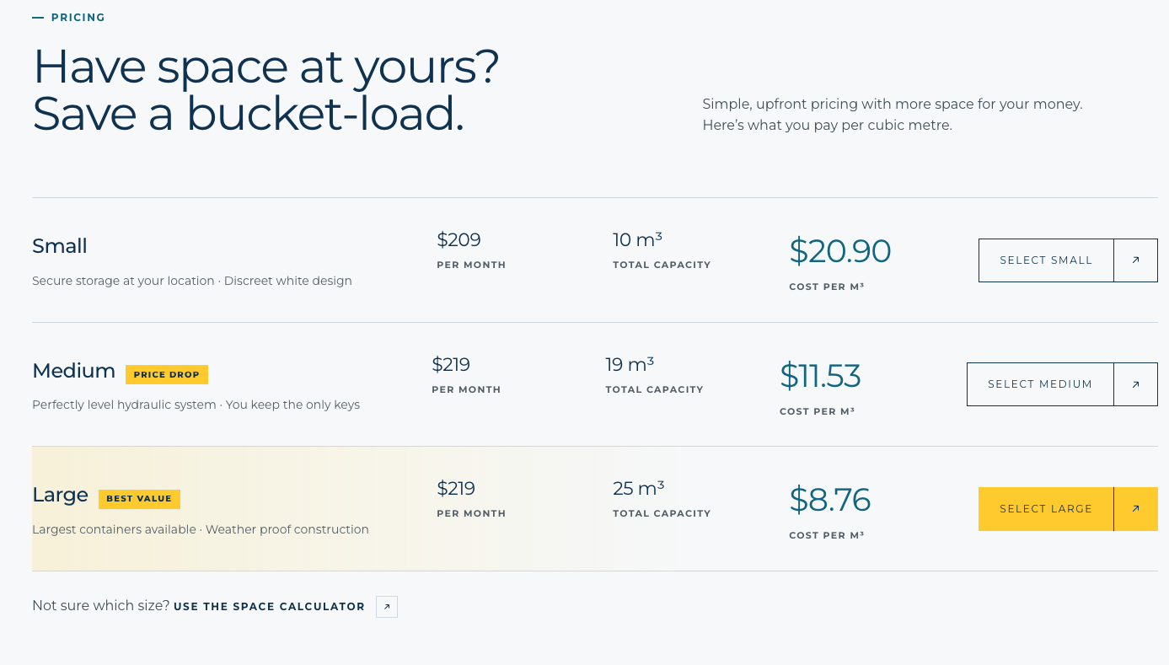
Doors at waist height | I would remove this altogether. Ground level no need for a ramp. |  | High | Lisa

Container sizes
Container sizes |  |  |  | Back to Instructions
https://portabox-website.vercel.app/container-sizes/

Area of page | Feedback | Screenshot | Priority | Reviewer | Status | Developer response
EXAMPLE: Hero banner EXAMPLE ONLY | Change headline to "Storage that comes to you". Button text is hard to read on mobile. EXAMPLE ONLY | hero-mobile.png (or image pasted here) EXAMPLE ONLY | High | Dan | Not started
external dimensions and what fits | Measured externally so you know the size you are working with. The door can be placed at either end for easy access. |  | Medium | Lisa
The three sizes, measured | Every measurement here is internal, because that is the space you actually load. |  | Medium | Lisa
What the truck needs at your place | 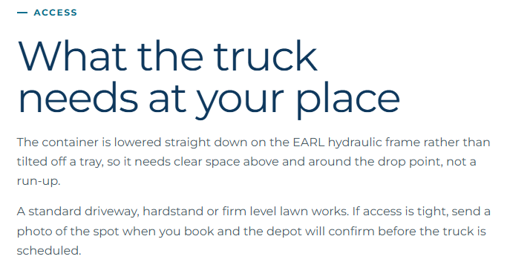 - Placement (remove access) the container is lowered straight down with EARL, rather than tilted off a tray, so the area need a clear space to place the container. 2nd paragraph, refers to depot again, please update to team. |  | Medium | Lisa
Ground level loading | Remove waist height (no idea where this came from). |  | Medium | Lisa

Regional moves
Regional moves |  |  |  | Back to Instructions
https://portabox-website.vercel.app/moving/regional-solution/

Area of page | Feedback | Screenshot | Priority | Reviewer | Status | Developer response
EXAMPLE: Hero banner EXAMPLE ONLY | Change headline to "Storage that comes to you". Button text is hard to read on mobile. EXAMPLE ONLY | hero-mobile.png (or image pasted here) EXAMPLE ONLY | High | Dan | Not started
REPLACEOutside the four depot radii we quote every job individually — and we still go. Tell us the two postcodes and we will price the run. | Call us to see how we can help you move from inside our service areas to any address outside our regular service area..
replace the languare - anywhere in Australia quoted by run AND anywhere in Australia | 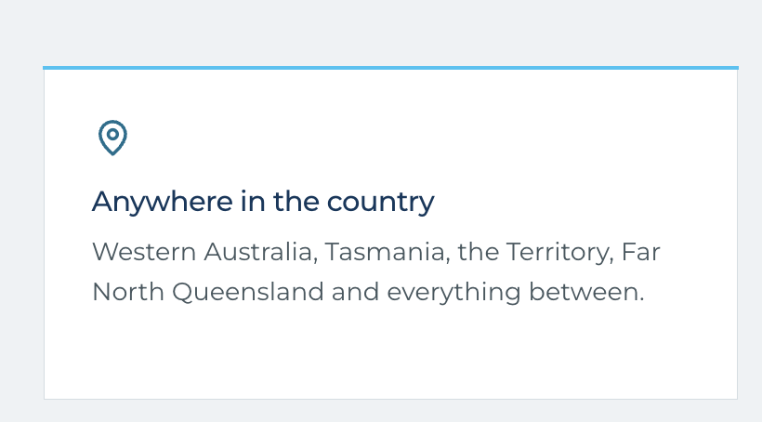 Moving to a house outside our service area? We have specialised options for moves to large parts of regional Australia. Request a quote now and we can help you save thousands.
Really want to trim the page down to not overpromise on the REGIONAL SERVICE |  | 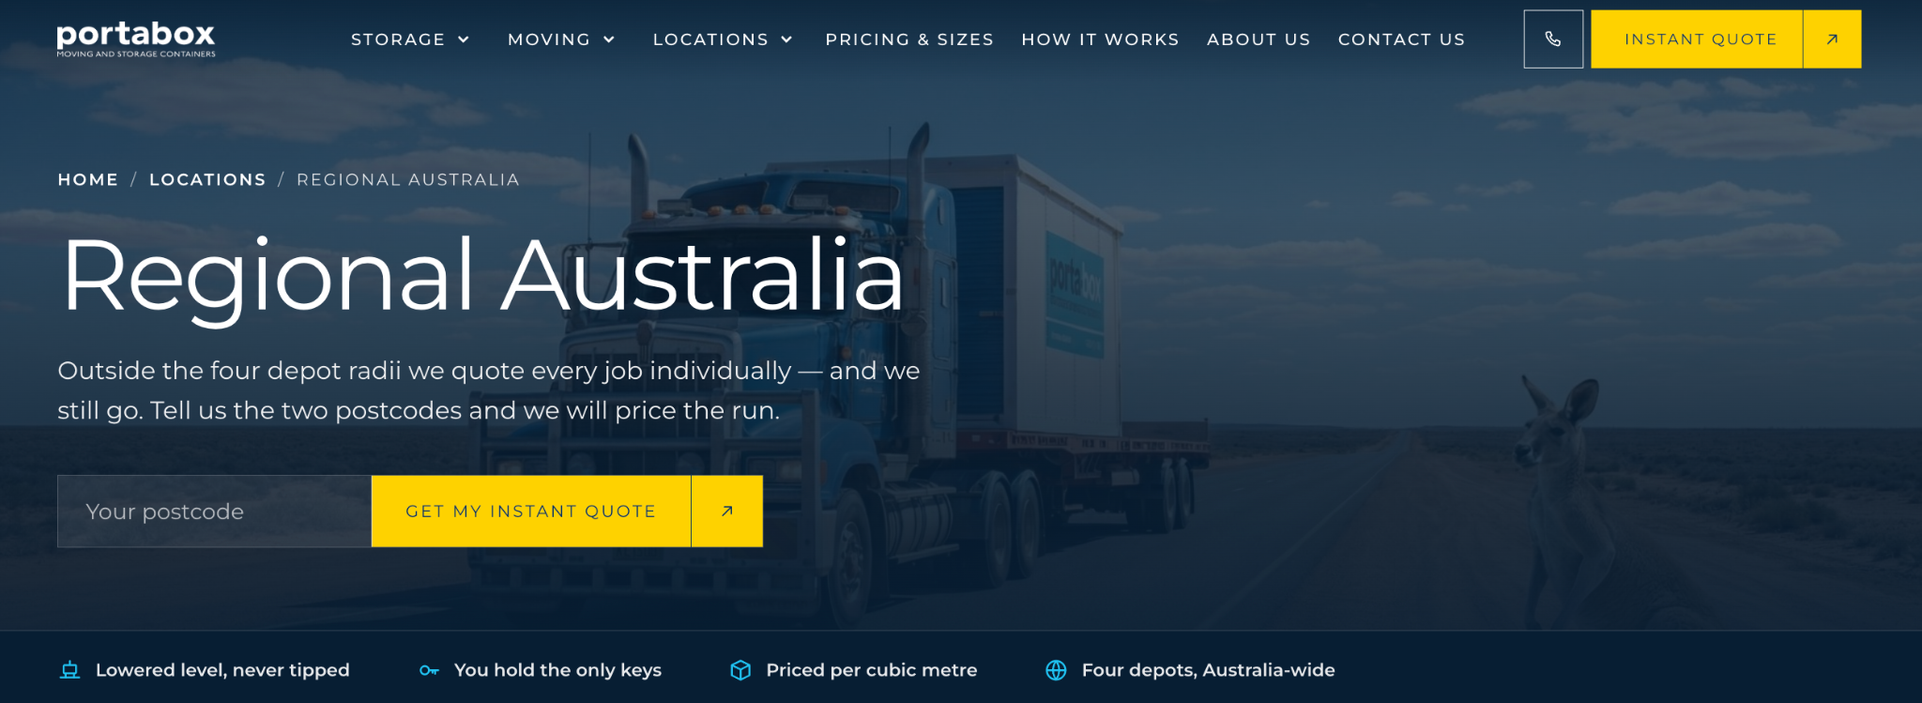
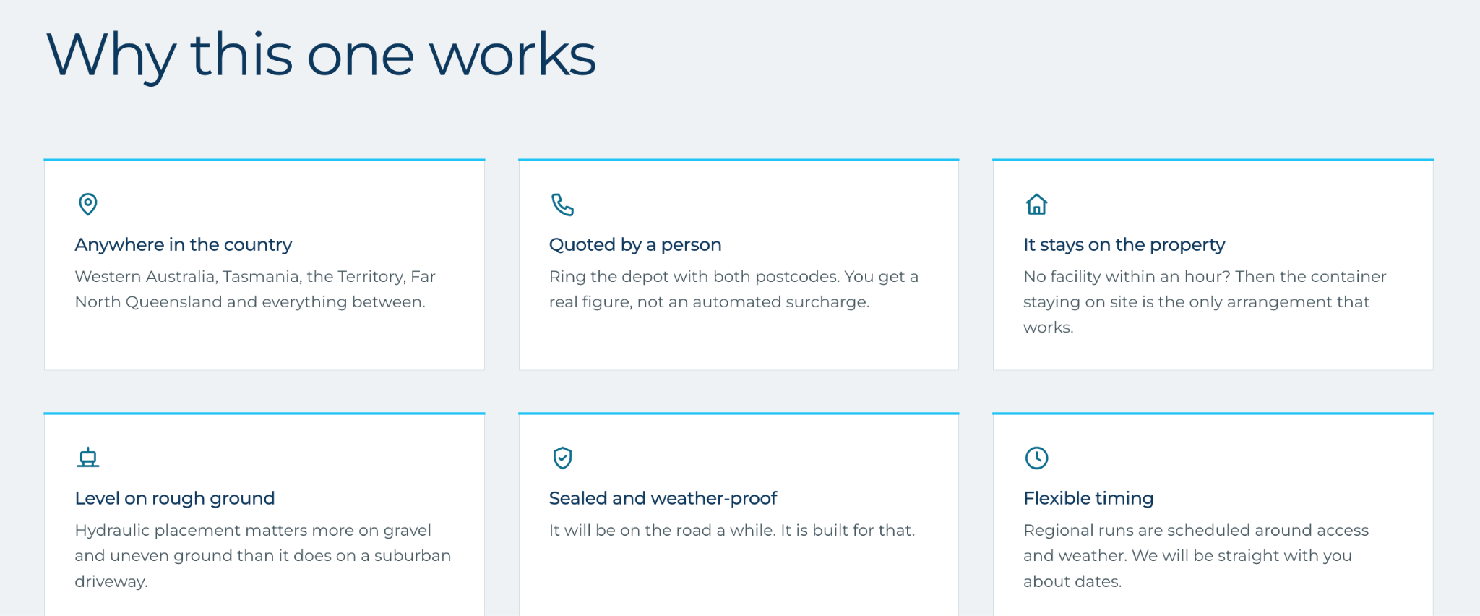
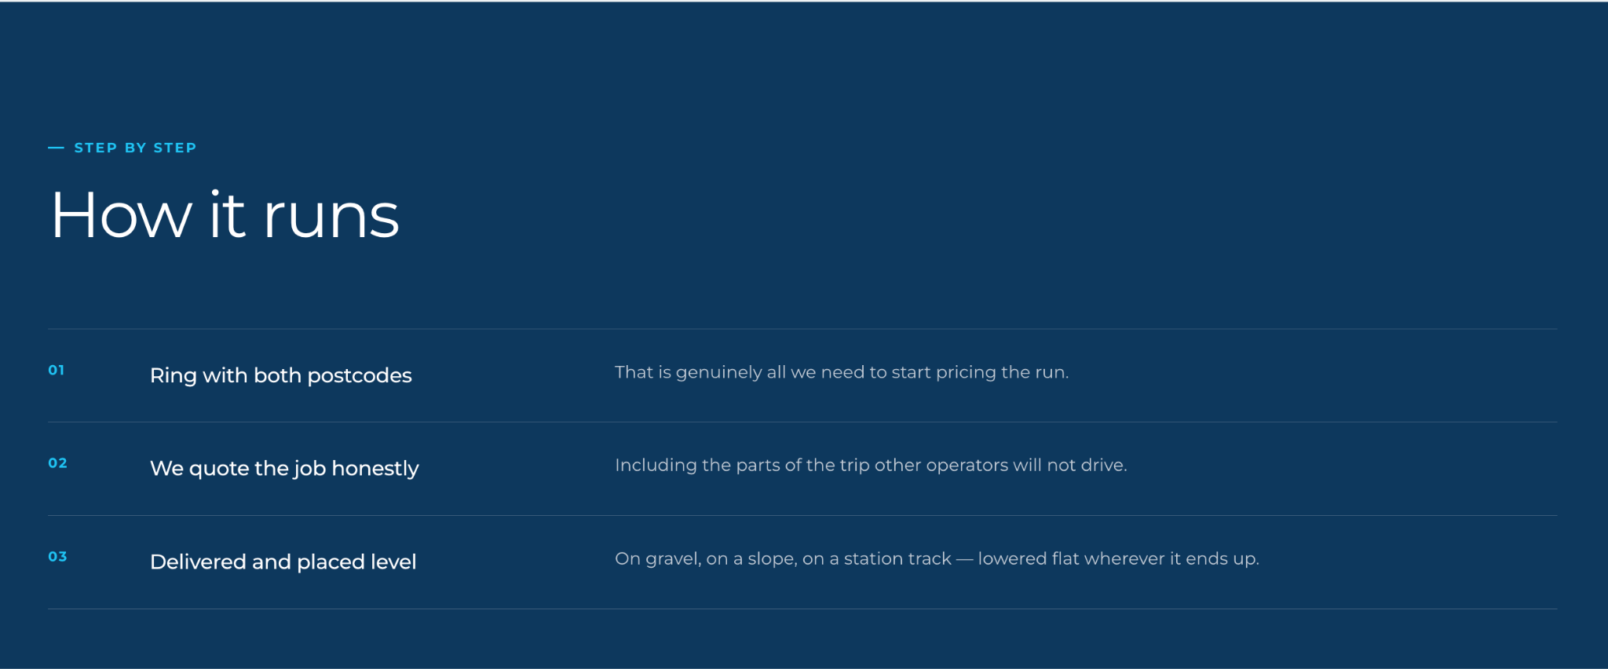
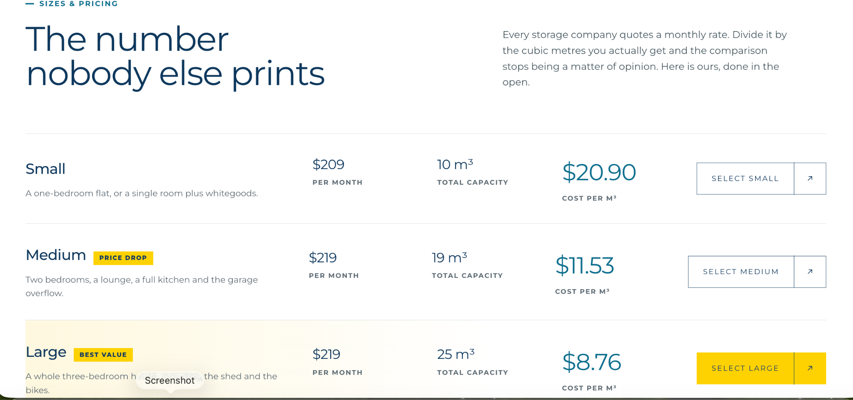
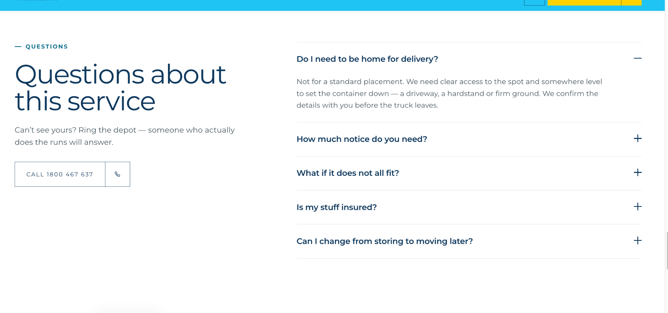
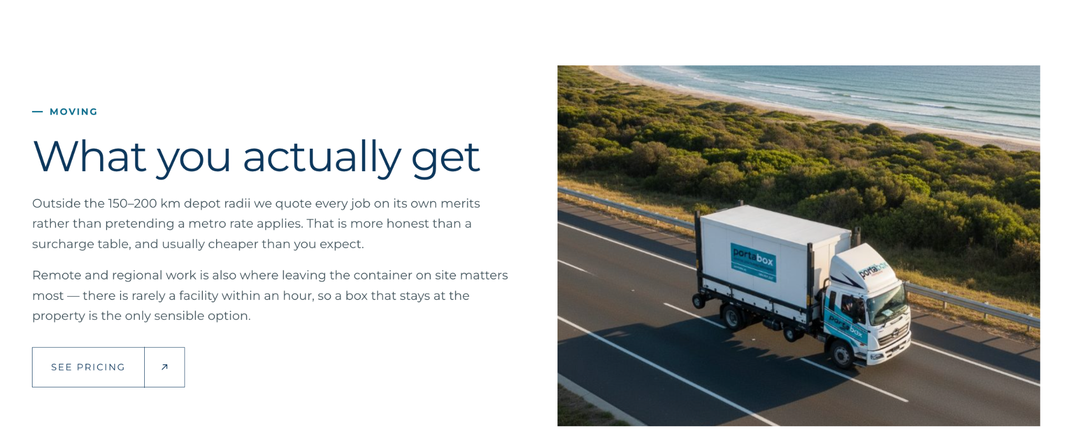
Remove these 5 sections

Adelaide
Adelaide |  |  |  | Back to Instructions
https://portabox-website.vercel.app/self-storage/adelaide/

Area of page | Feedback | Screenshot | Priority | Reviewer | Status | Developer response
EXAMPLE: Hero banner EXAMPLE ONLY | Change headline to "Storage that comes to you". Button text is hard to read on mobile. EXAMPLE ONLY | hero-mobile.png (or image pasted here) EXAMPLE ONLY | High | Dan | Not started
Can we start with a self storage page for the following suburbs - at the moment Port Adelaide is the only option - then build out based on SEO strategy? | Victor Harbor Murray Bridge Barossa Valley Gawler Adelaide Hills | 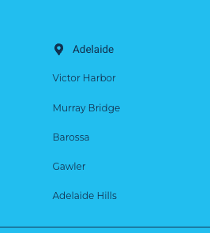
looks good to me. |  |  |  | Lisa

