dashboard
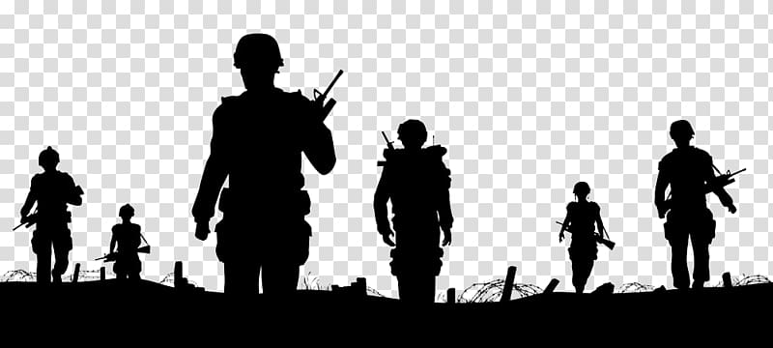
Israeli–Palestinian conflict
Cause of death
 | Total
explosion | 555
gunfire | 9849
other | 70
shelling | 311
stabbing | 48
unknown | 291

Victims age
 | Female | Male | Unknown
0-10 | 260 | 373
11-20 | 297 | 2823
21-30 | 257 | 4078
31-40 | 167 | 1229
41-50 | 158 | 547
51-60 | 107 | 316
61-70 | 80 | 152
70+ | 68 | 83
Unknown | 29 | 80 | 20
Victims
 | Female | Male | Unknown
American |  | 1
Israeli | 331 | 698
Jordanian | 1 | 1
Palestinian | 1091 | 8981 | 20

Murders over the years
 | Israeli civilians | Israeli security forces | Palestinian civilians
2000-2005 | 41 | 2797 | 770
2006-2010 | 8 | 3046 | 74
2011-2015 | 15 | 2826 | 99
2016-2020 | 15 | 621 | 33
2020+ | 17 | 710 | 52
Deaths in the area
 | American | Israeli | Jordanian | Palestinian
Gaza Strip |  | 186 | 1 | 7546
Israel |  | 551 | 1 | 127
West Bank | 1 | 292 |  | 2419

02.10.2000-24.09.2023

