Data
Participant ID | Distance from Pin | AF3-T | AF3-A | AF3-B | F7-T | F7-A | F7-B | F3-T | F3-A | F3-B | FC5-T | FC5-A | FC5-B | T7-T | T7-A | T7-B | P7-T | P7-A | P7-B | O1-T | O1-A | O1-B | O2-T | O2-A | O2-B | P8-T | P8-A | P8-B | T8-T | T8-A | T8-B | FC6-T | FC6-A | FC6-B | F4-T | F4-A | F4-B | F8-T | F8-A | F8-B | AF4-T | AF4-A | AF4-B | Avg Left Frontal Theta | Avg Left Frontal Alpha | Avg Left Frontal Beta | Avg Right Frontal Theta | Avg Right Frontal Alpha | Avg Right Frontal Beta | Avg left Hemisphere Theta | Avg left Hemisphere Alpha | Avg left Hemisphere Beta | Avg Right Hemisphere Theta | Avg Right Hemisphere Alpha | Avg Right Hemisphere Beta | Avg Brain Theta | Avg Brain Alpha | Avg Brain Beta
11 | 130.8750 | 35.56 | 32.36 | 21.04 | 35.53 | 30.64 | 20.55 | 30.94 | 26.18 | 16.10 | 33.94 | 26.41 | 19.04 | 21.54 | 19.71 | 10.74 | 35.48 | 31.91 | 26.92 | 29.07 | 27.75 | 24.64 | 28.03 | 29.95 | 22.46 | 35.26 | 38.71 | 28.09 | 13.84 | 12.94 | 7.80 | 17.88 | 13.69 | 7.95 | 32.54 | 29.06 | 17.47 | 42.33 | 37.84 | 25.61 | 32.75 | 29.56 | 20.71 | 34.01 | 29.72 | 19.23 | 35.87 | 32.15 | 21.27 | 33.99 | 28.90 | 19.18 | 31.37 | 27.54 | 17.94 | 33.81 | 29.58 | 19.40
14 | 85.8750 | 38.19 | 31.94 | 30.43 | 44.45 | 40.03 | 31.88 | 34.03 | 27.91 | 26.58 | 30.66 | 26.41 | 22.85 | 21.23 | 14.44 | 10.14 | 43.38 | 33.73 | 31.46 | 38.50 | 32.93 | 29.28 | 13.70 | 11.16 | 11.06 | 45.01 | 41.50 | 40.09 | 11.29 | 10.26 | 11.24 | 37.69 | 34.56 | 31.68 | 35.02 | 28.86 | 30.59 | 45.28 | 42.25 | 34.90 | 33.78 | 28.50 | 28.15 | 38.89 | 33.29 | 29.63 | 38.03 | 33.20 | 31.21 | 36.83 | 31.57 | 27.93 | 37.94 | 33.54 | 31.33 | 37.92 | 32.90 | 30.02
15 | 65.6875 | 50.53 | 50.91 | 48.01 | 44.84 | 32.51 | 23.16 | 33.69 | 21.84 | 15.63 | 44.01 | 35.51 | 31.01 | 20.80 | 13.64 | 6.34 | 36.96 | 34.00 | 30.46 | 21.75 | 15.60 | 8.64 | 27.43 | 16.59 | 9.10 | 38.69 | 36.28 | 37.70 | 12.00 | 9.09 | 6.81 | 45.25 | 39.19 | 33.06 | 38.88 | 29.79 | 24.06 | 41.51 | 34.73 | 29.66 | 54.08 | 46.54 | 49.23 | 43.02 | 35.09 | 28.93 | 44.82 | 37.02 | 34.32 | 43.27 | 35.19 | 29.45 | 44.93 | 37.56 | 34.00 | 44.01 | 36.21 | 31.68
20 | 179.2500 | 33.65 | 23.54 | 13.99 | 50.10 | 43.23 | 36.19 | 45.01 | 31.71 | 18.96 | 34.65 | 23.30 | 11.78 | 37.63 | 26.65 | 14.75 | 49.74 | 42.63 | 33.78 | 53.28 | 44.28 | 28.21 | 26.38 | 19.69 | 10.41 | 44.48 | 42.94 | 30.50 | 18.66 | 12.69 | 8.58 | 17.03 | 12.81 | 7.37 | 34.23 | 23.90 | 12.70 | 47.26 | 42.59 | 28.13 | 47.88 | 39.31 | 26.39 | 42.92 | 32.83 | 23.05 | 43.12 | 35.27 | 22.40 | 40.85 | 30.44 | 20.23 | 36.60 | 29.65 | 18.65 | 40.87 | 32.05 | 21.08
22 | 90.6875 | 34.59 | 36.13 | 24.06 | 39.00 | 36.29 | 28.83 | 25.10 | 25.76 | 19.89 | 26.98 | 29.79 | 22.99 | 20.76 | 21.58 | 11.48 | 48.59 | 44.78 | 46.24 | 27.95 | 35.60 | 27.33 | 28.03 | 34.58 | 25.65 | 42.34 | 44.39 | 39.25 | 14.25 | 15.10 | 11.04 | 35.01 | 35.24 | 26.99 | 30.14 | 30.20 | 21.80 | 48.26 | 42.30 | 31.10 | 41.73 | 37.34 | 28.95 | 32.90 | 32.73 | 24.26 | 40.04 | 36.61 | 27.28 | 31.42 | 31.99 | 23.94 | 38.78 | 36.27 | 27.21 | 35.78 | 34.40 | 25.67
24 | 54.7500 | 42.69 | 36.09 | 26.38 | 43.15 | 32.85 | 21.99 | 34.49 | 26.28 | 17.26 | 38.84 | 29.04 | 19.79 | 41.00 | 26.05 | 13.25 | 39.61 | 31.31 | 29.42 | 44.66 | 37.26 | 26.49 | 47.04 | 39.25 | 31.25 | 39.41 | 38.44 | 32.99 | 14.49 | 10.85 | 7.31 | 45.93 | 33.31 | 19.61 | 36.15 | 25.96 | 16.72 | 44.70 | 37.40 | 25.81 | 40.58 | 34.98 | 24.64 | 40.11 | 31.74 | 21.88 | 40.48 | 32.78 | 22.39 | 39.79 | 31.06 | 21.35 | 41.84 | 32.91 | 21.70 | 40.55 | 32.12 | 21.83
32 | 77.2500 | 36.33 | 35.02 | 29.57 | 39.64 | 34.14 | 29.69 | 27.06 | 20.89 | 16.88 | 16.61 | 16.79 | 17.16 | 26.81 | 21.60 | 8.81 | 44.44 | 47.88 | 44.35 | 27.20 | 30.84 | 37.79 | 30.15 | 32.50 | 35.10 | 42.30 | 43.41 | 41.33 | 14.71 | 14.51 | 11.09 | 23.60 | 25.50 | 24.80 | 32.35 | 29.69 | 26.05 | 31.71 | 33.86 | 31.78 | 30.05 | 27.00 | 25.75 | 34.34 | 30.02 | 25.38 | 31.37 | 30.18 | 27.86 | 29.91 | 26.71 | 23.32 | 29.43 | 29.01 | 27.09 | 31.26 | 28.98 | 25.91

Left Frontal Theta vs Performance
Right Frontal Theta vs Performance

Left Hemisphere Theta vs Performance
Right Hemisphere Theta vs Performance

Overall Brain Theta vs Performance

Dashboard
Left Frontal Theta vs Performance
 | Avg Left Frontal Theta
34.01 | 130.8750
38.89 | 85.8750
43.02 | 65.6875
42.92 | 179.2500
32.90 | 90.6875
40.11 | 54.7500
34.34 | 77.2500
Right Frontal Theta vs Performance
 | Avg Right Frontal Theta
35.87 | 130.8750
38.03 | 85.8750
44.82 | 65.6875
43.12 | 179.2500
40.04 | 90.6875
40.48 | 54.7500
31.37 | 77.2500

Right Hemisphere Theta vs Performance
 | Avg Right Hemisphere Theta
17.94 | 130.8750
31.33 | 85.8750
34.00 | 65.6875
18.65 | 179.2500
27.21 | 90.6875
21.70 | 54.7500
27.09 | 77.2500

Left Hemisphere Theta vs Performance
 | Avg left Hemisphere Theta
33.99 | 130.8750
36.83 | 85.8750
43.27 | 65.6875
40.85 | 179.2500
31.42 | 90.6875
39.79 | 54.7500
29.91 | 77.2500

Overall Brain Theta vs Performance
 | Avg Brain Theta
33.81 | 130.8750
37.92 | 85.8750
44.01 | 65.6875
40.87 | 179.2500
35.78 | 90.6875
40.55 | 54.7500
31.26 | 77.2500

Channels
Left Hemisphere
Right Hemisphere
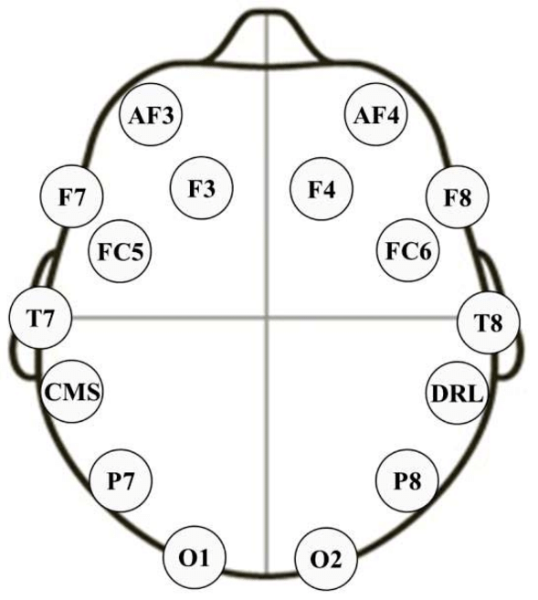

Left Frontal
Lobe
Right Frontal
Lobe

