The CUBE
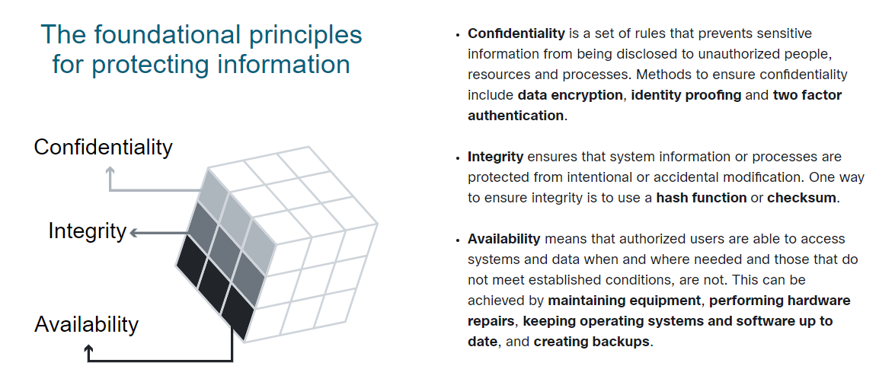
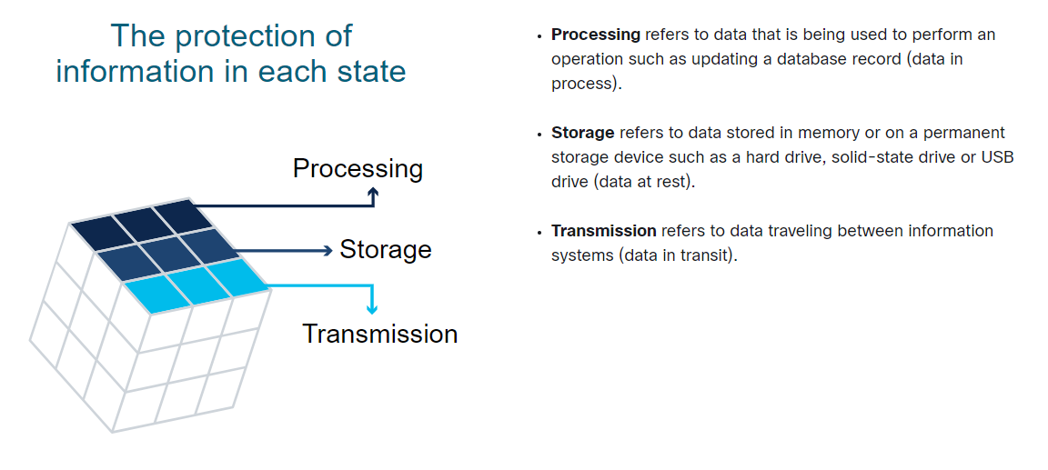
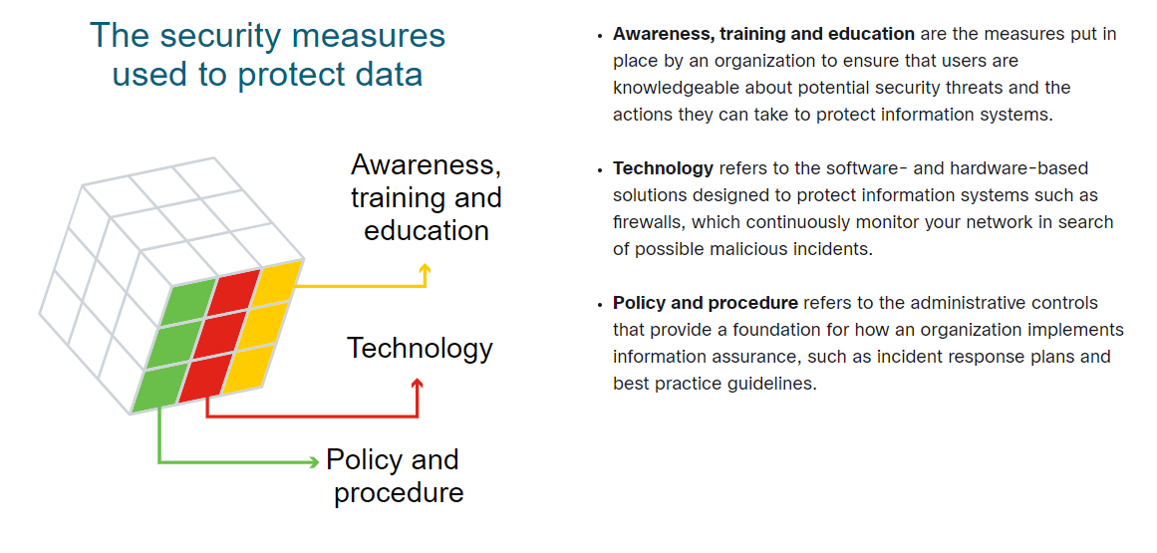
The Cube
The McCumber Cube is a model framework created by John McCumber in 1991 to help organizations establish and evaluate information security initiatives by considering all of the related factors that impact them. This security model has three dimensions:

1. The foundational principles for protecting information systems.
2. The protection of information in each of its possible states.
3. The security measures used to protect data.

Malware
Types of Malware | Symptoms of Malware

Malware is any code that can be used to steal data, bypass access controls, or cause harm to or compromise a system | Regardless of the type of malware a system has been infected with, there are some symptoms to look out for. These include:
 |  | an increae in central processing unit (CPU) usage, which slows down your device
Cybercriminals use many different types of malicious software, or malware, to carry out their activities. |  | your computer freezing or crashing often
Knowing what the different types are and how they spread is key to containing and removing them. |  | a decrease in your web browsing speed
 |  | unexplainable problems with your network connections
Below are the most common malware: |  | modified or deleted files
 |  | the presence of unknown files, programs or desktop icons
SPYWARE |  | unknown processess running
Designed to track and spy on you, spyware monitors your online activity and can log every key you press on your keyboard, as well as capture almost any of your data, including sensitive personal information such as your online banking details. Spyware does this by modifying the security settings on your devices. |  | programs turning off or reconfiguring themselves
 |  | emails being sent without your knowledge or consent.

It often bundles itself with legitimate software or Trojan horses.

ADWARE
Adware is often installed with some versions of software and is designed to automatically deliver advertisements to a user, most often on a web browser. You know it when you see it! It’s hard to ignore when you’re faced with constant pop-up ads on your screen.

It is common for adware to come with spyware.

BACKDOOR
This type of malware is used to gain unauthorized access by bypassing the normal authentication procedures to access a system. As a result, hackers can gain remote access to resources within an application and issue remote system commands.

A backdoor works in the background and is difficult to detect.

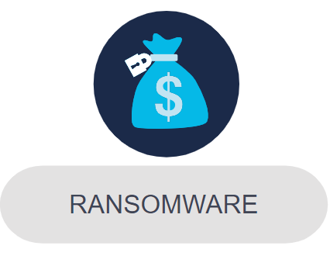
RANSONWARE
This malware is designed to hold a computer system or the data it contains captive until a payment is made. Ransomware usually works by encrypting your data so that you can’t access it.

Some versions of ransomware can take advantage of specific system vulnerabilities to lock it down. Ransomware is often spread through phishing emails that encourage you to download a malicious attachment or through a software vulnerability.

SCAREWARE
This is a type of malware that uses 'scare’ tactics to trick you into taking a specific action. Scareware mainly consists of operating system style windows that pop up to warn you that your system is at risk and needs to run a specific program for it to return to normal operation.

If you agree to execute the specific program, your system will become infected with malware.

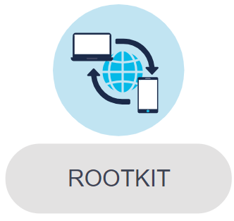
ROOTKIT
This malware is designed to modify the operating system to create a backdoor, which attackers can then use to access your computer remotely. Most rootkits take advantage of software vulnerabilities to gain access to resources that normally shouldn’t be accessible (privilege escalation) and modify system files.

Rootkits can also modify system forensics and monitoring tools, making them very hard to detect. In most cases, a computer infected by a rootkit has to be wiped and any required software reinstalled.

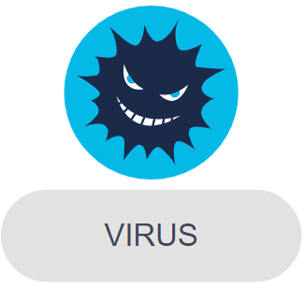
VIRUS
A virus is a type of computer program that, when executed, replicates and attaches itself to other executable files, such as a document, by inserting its own code. Most viruses require end-user interaction to initiate activation and can be written to act on a specific date or time.

Viruses can be relatively harmless, such as those that display a funny image. Or they can be destructive, such as those that modify or delete data. Viruses can also be programmed to mutate in order to avoid detection. Most viruses are spread by USB drives, optical disks, network shares or email.


TROJAN HORSE
This malware carries out malicious operations by masking its true intent. It might appear legitimate but is, in fact, very dangerous. Trojans exploit your user privileges and are most often found in image files, audio files or games.

Unlike viruses, Trojans do not self-replicate but act as a decoy to sneak malicious software past unsuspecting users.


WORMS
This is a type of malware that replicates itself in order to spread from one computer to another. Unlike a virus, which requires a host program to run, worms can run by themselves. Other than the initial infection of the host, they do not require user participation and can spread very quickly over the network.

Worms share similar patterns: They exploit system vulnerabilities, they have a way to propagate themselves, and they all contain malicious code (payload) to cause damage to computer systems or networks. Worms are responsible for some of the most devastating attacks on the Internet. In 2001, the Code Red worm had infected over 300,000 servers in just 19 hours.

Vulnerability & Exploit
Security Vulnerability & Exploit

Security vulnerabilities are any kind of software or hardware defect.

A program written to take advantage of a known vulnerability is referred to as an exploit.

A cybercriminal can use an exploit against a vulnerability to carry out an attack, the goal of which is to gain access to a system, the data it hosts or a specific resource.

Hardware Vulnerabilities
Hardware vulnerabilities are most often the result of hardware design flaws.
For example, the type of memory called RAM basically consists of lots of capacitors (a component which can hold an electrical charge) installed very close to one another. However, it was soon discovered that, due to their close proximity, changes applied to one of these capacitors could influence neighbor capacitors. Based on this design flaw, an exploit called Rowhammer was created. By repeatedly accessing (hammering) a row of memory, the Rowhammer exploit triggers electrical interferences that eventually corrupt the data stored inside the RAM.

Meltdown and Spectre
Google security researchers discovered Meltdown and Spectre, two hardware vulnerabilities that affect almost all central processing units (CPUs) released since 1995 within desktops, laptops, servers, smartphones, smart devices and cloud services.

Attackers exploiting these vulnerabilities can read all memory from a given system (Meltdown), as well as data handled by other applications (Spectre). The Meltdown and Spectre vulnerability exploitations are referred to as side-channel attacks (information is gained from the implementation of a computer system). They have the ability to compromise large amounts of memory data because the attacks can be run multiple times on a system with very little possibility of a crash or other error.




Hardware vulnerabilities are specific to device models and are not generally exploited through random compromising attempts. While hardware exploits are more common in highly targeted attacks, traditional malware protection and good physical security are sufficient protection for the everyday user.

Software Vulnerabilities
Software vulnerabilities are usually introduced by errors in the operating system or application code.

Categorizing Software Vulnerabilities
Most software security vulnerabilities fall into several main categories.

BUFFER OVERFLOW
Buffers are memory areas allocated to an application. A vulnerability occurs when data is written beyound the limits of a buffer. By changing data beyound the boundaries of a buffer, the application can access memory allocated to other processes. This can lead to a system crash or data compromise, or provide escalation of privileges.

NON-VALIDATED INPUT
Programs often require data input, but this incoming data could have malicious content, designed to force the program to behave in an unintended way.

For example, consider a program that receives an image for processing. A malicious user could craft an image file with invalid image dimensions. The maliciously crafted dimensions could force the program to allocate buffers of incorrect and unexpected sizes.

RACE CONDITIONS
This vulnerability describes a situation where the output of an event despends on ordered or timed outputs. A race condition becomes a source of vulnerability when the required ordered or timed events do not occur in the correct order or at the proper time.

WEAKNESS IN SECURITY PRACTICES
Systems and sensitive data can be protected through techniques such as authentication, authorization and encryption. Developers should stick to using security techniques and libraries that have already been created, tested and verified and should not attempt to create their own security algorithms. These will only likely introduce new vulnerabilities.


ACCESS CONTROL PROBLEMS
Access control is the process of controlling who does what and ranges from managing physical access to equipment to dictating who has access to a resource, such as a file, and what they can do with it, such as read or change the file. Many security vulnerabilities are created by the improper use of access controls.

Nearly all access controls and security practices can be overcome if an attacker has physical access to target equipment. For example, no matter the permission settings on a file, a hacker can bypass the operating system and read the data directly off the disk. Therefore, to protect the machine and the data it contains, physical access must be restricted, and encryption techniques must be used to protect data from being stolen or corrupted.

Software Updates
The goal of software updates is to stay current and avoid exploitation of vulnerabilities. Microsoft, Apple and other operating system producers release patches and updates almost every day and applications such as web browsers, mobile apps and web servers are often updated by the companies or organizations responsible for them.

Despite the fact that organizations put a lot of effort into finding and patching software vulnerabilities, new vulnerabilities are discovered regularly. That’s why some organizations use third party security researchers who specialize in finding vulnerabilities in software, or actually invest in their own penetration testing teams dedicated to search, find and patch software vulnerabilities before they can get exploited.

Google’s Project Zero is a great example of this practice. After discovering a number of vulnerabilities in various software used by end users, Google formed a permanent team dedicated to finding software vulnerabilities.

