HTML Frame
Suspended Canopy Calculator (ASD)

ASCE 7 Version v13 12/10/18

Order Certified Copies of these preliminary results - useful for permitting

Click 'Next Page' above when you're done to easily process your order

Loading

Vult: |  | 175 |  | mph

Exposure: |  | C

Risk Cat.: |  | II

Live Load: |  | 20 |  | psf

Dead Load: |  | 2 |  | psf

Ground Snow Load: |  | 0.00 |  | psf

Superstructure

MRH: |  | 15.00 |  | ft

URL: |  | 60.00 |  | ft

Canopy

P: |  | 8.00 |  | ft

AA: |  | 2.66 |  | ft

AH: |  | 3.00 |  | ft

θ: |  | 29.33 |  | degrees

CH: |  | 10.00 |  | ft

Arm Type: |  | 1.5" SCH 40 Pipe

Gutter Type: |  | 4"x8" Gutter

Top Con.: |  | Con. 8" S, 12" ED

Bottom Con.: |  | Concrete 12" ED

ASD Load Combinations

Effective Combinations: |  |  |  |  |  |  | Gravity: |  |  |  |  |  |  |  |  | Uplift:

1. | D |  |  |  |  |  | 2.00 |  | psf |  |  |  |  |  |  | 2.00 |  | psf

2. | D |  |  |  |  |  | 2.00 |  | psf |  |  |  |  |  |  | 2.00 |  | psf

3. | D+Lr |  |  |  |  |  | 22.00 |  | psf |  |  |  |  |  |  | 22.00 |  | psf

4. | D+0.75Lr |  |  |  |  |  | 17.00 |  | psf |  |  |  |  |  |  | 17.00 |  | psf

5. | D+0.6W |  |  |  |  |  | 31.88 |  | psf |  |  |  |  |  |  | -27.84 |  | psf

6a. | D+0.75(0.6W)+0.75Lr |  |  |  |  |  | 39.41 |  | psf |  | <------ CONTROLS |  |  |  |  | -5.38 |  | psf

6b. | D |  |  |  |  |  | 2.00 |  | psf |  |  |  |  |  |  | 2.00 |  | psf

7. | 0.6D+0.6W |  |  |  |  |  | 31.08 |  | psf |  |  |  |  |  |  | -28.64 |  | psf | <------ CONTROLS

8. | 0.6D |  |  |  |  |  | 1.20 |  | psf |  |  |  |  |  |  | 1.20 |  | psf

Legend: |  | D = Dead Load |  |  |  | Lr = Roof Live Load |  |  |  |  | S = Snow Load |  |  | W = Wind Load

Decking Capacity

Design Check 1

3"x6"x0.065" Pan |  |  | 43% |  | OK

Hanger Arm Spacing (S)

Design Check 2

Arm Capacity:

1.5" SCH 40 Pipe |  |  | 8.0 |  | ft. O.C.

2" SCH 80 Pipe |  |  | 23.0 |  | ft. O.C.

2"x2"x1/4" Tube |  |  | 24.0 |  | ft. O.C.

Design Check 3

Rod Capacity:

1.5" SCH 40 Pipe |  |  | 6.0 |  | ft. O.C. |  | <------ CONTROLS

2" SCH 80 Pipe |  |  | 8.5 |  | ft. O.C.

Design Check 4

1/2" Clevis Pin |  |  | 8.0 |  | ft. O.C.

Design Check 5

Strut Capacity:

4"x5-1/4" Tee |  |  | 17.5 |  | ft. O.C.

Design Check 6

Strut Rivet Capacity:

@ Edge to 4"x8" |  |  | 10.5 |  | ft. O.C.

@ Host to 4"x8" |  |  | 10.0 |  | ft. O.C.

@ Edge to 4"x12" |  |  | 10.5 |  | ft. O.C.

@ Host to 4"x12" |  |  | 7.5 |  | ft. O.C.

Design Check 7

Top Connection Capacity:

Con. 4" S, 12" ED |  |  | 11.0 |  | ft. O.C.

Con. 4" S, 4" ED |  |  | 5.0 |  | ft. O.C.

Con. 6" S, 12" ED |  |  | 13.0 |  | ft. O.C.

Con. 6" S, 4" ED |  |  | 6.0 |  | ft. O.C.

Con. 8" S, 12" ED |  |  | 15.5 |  | ft. O.C.

Con. 8" S, 4" ED |  |  | 7.5 |  | ft. O.C.

Con. 10" S, 12" ED |  |  | 17.5 |  | ft. O.C.

Con. 10" S, 4" ED |  |  | 8.0 |  | ft. O.C.

GFB 12" ED |  |  | 7.0 |  | ft. O.C.

GFB 4" ED |  |  | 5.5 |  | ft. O.C.

HB 12" ED |  |  | 2.5 |  | ft. O.C.

HB 4" ED |  |  | 2.5 |  | ft. O.C.

Wood |  |  | 5.5 |  | ft. O.C.

Steel |  |  | 11.0 |  | ft. O.C.

Thru Bolt |  |  | 10.5 |  | ft. O.C.

Design Check 8

Gutter Capacity:

4"x8" Gutter |  |  | 10.0 |  | ft. O.C.

4"x12" Gutter |  |  | 11.0 |  | ft. O.C.

Key Spacing

Design Check 9

Gutter Capacity:

4"x8" Gutter |  |  | 54.2 |  | in. O.C.

4"x12" Gutter |  |  | 59.0 |  | in. O.C.

Design Check 10

Bottom Connection Capacity:

Concrete 12" ED |  |  | 25.1 |  | in. O.C. |  | <------ CONTROLS

Concrete 4" ED |  |  | 15.9 |  | in. O.C.

GFB 12" ED |  |  | 33.2 |  | in. O.C.

GFB 4" ED |  |  | 30.7 |  | in. O.C.

HB 12" ED |  |  | 13.8 |  | in. O.C.

HB 4" ED |  |  | 13.3 |  | in. O.C.

Wood |  |  | 39.4 |  | in. O.C.

Steel |  |  | 55.1 |  | in. O.C.

Thru Bolt |  |  | 143.6 |  | in. O.C.

Gutter Overhang (O)
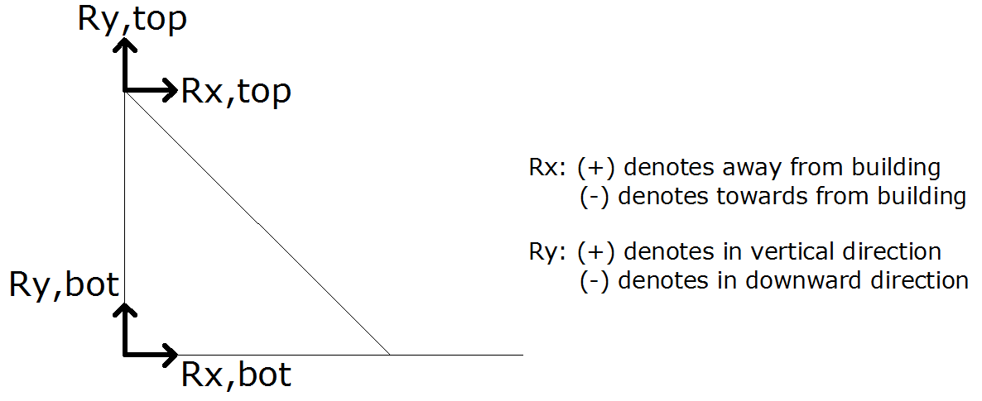

Design Check 11

Half of Limiting Arm Spacing (from above):

1.5" SCH 40 Pipe |  |  | 3.00 |  | ft |  | <------ CONTROLS

Design Check 12

Gutter Capacity:

4"x8" Gutter |  |  | 5.09 |  | ft

4"x12" Gutter |  |  | 5.58 |  | ft

Summary

 |  |  |  |  |  |  |  | Reactions to Host Structure:

Hanger Arm Spacing |  |  |  | 6.0 |  | ft. O.C. |  | Rx_grav |  | 2525 |  | lbs | Ry_grav |  | -1419 |  | lbs

 |  |  |  |  |  |  |  | Rx_up |  | -1835 |  | lbs | Ry_up |  | 1031 |  | lbs

Key Spacing |  |  |  | 25.1 |  | in. O.C. |  | Rx_grav |  | -880 |  | lbs | Ry_grav |  | 166 |  | lbs

 |  |  |  |  |  |  |  | Rx_up |  | 640 |  | lbs | Ry_up |  | -120 |  | lbs

Gutter Overhang |  |  |  | 3.00 |  | ft. O.C.

Connection Description

Hanger Arm Connection

Concrete: |  |  | (4) 1/2" SS HILTI KWIK BOLT 3 W/ 3-1/4" EMBED. TO f'c=3 KSI MIN. CONCRETE

Grout Filled CMU: |  |  | (4) 1/2" SS HILTI KWIK BOLT 3 W/ 3-1/2" EMBED. TO ASTM C90 f'c=1.5 KSI MIN. GFB, (1) PER CELL

Hollow CMU: |  |  | (4) 1/2" SS RODS W/ HILTI HIT-HY 70 EPOXY W/ 2" EMBED. TO ASTM C90 f'c=1.5 KSI MIN., (1) PER CELL

Wood: |  |  | (4) 1/2" LAG SCREWS W/ 3" EMBED. TO SYP #2 G=0.55 MIN.

Steel: |  |  | (4) 1/2" 304 SS BOLTS W/ 1-1/4" WASHERS DRILL AND TAP TO 3/16" MIN. ASTM A36 (fy=36 KSI MIN.)

Thru Bolt: |  |  | (1) 3/4" 304 SS THREADED ROD W/ NUTS AND WASHERS TO 1/2" 6061-T6 BACKING PLATE

Key Connection

Concrete: |  |  | (1) 1/2" SS HILTI KWIK BOLT 3 W/ 3-1/4" EMBED. TO f'c=3 KSI MIN. CONCRETE

Grout Filled CMU: |  |  | (1) 1/2" SS HILTI KWIK BOLT 3 W/ 3-1/2" EMBED. TO ASTM C90 f'c=1.5 KSI MIN. GFB, (1) PER CELL

Hollow CMU: |  |  | (1) 1/2" SS ROD W/ HILTI HIT-HY 70 EPOXY W/ 2" EMBED. TO ASTM C90 f'c=1.5 KSI MIN., (1) PER CELL

Wood: |  |  | (1) 1/2" LAG SCREW W/ 3" EMBED. TO SYP #2 G=0.55 MIN.

Steel: |  |  | (1) 1/2" 304 SS BOLT W/ 1-1/4" WASHER DRILL AND TAP TO 3/16" MIN. ASTM A36 (fy=36 KSI MIN.)

Thru Bolt: |  |  | (1) 1/2" 304 SS THREADED ROD W/ NUTS AND WASHERS TO 1/2" 6061-T6 BACKING PLATE

TO SAVE YOUR WORK: 1. Click Real Time Sync below, Enter A unique name, click connect. 2. When you return, open Real Time Sync, type your code, press connect, work will be restored. 3. You can click on "Share the link" and send it to your coworkers for you to collaborate.

Loading
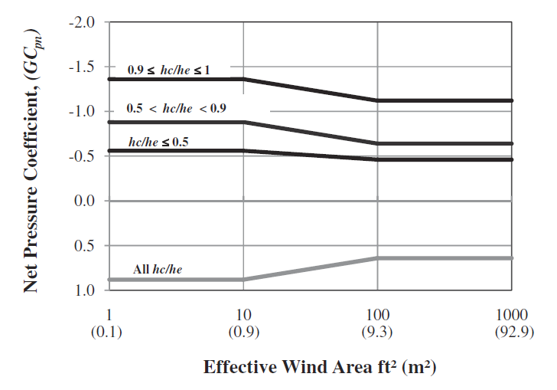

 | Work Prepared For: | -
 | Project: | -

ASCE 7-16 HOST ATTACHED CANOPY DESIGN CRITERIA:
 |  |  |  |  |  |  |  |  |  |  | Exposures
hc = | 10.0 ft | Mean Canopy Height | Exposure: | C |  |  |  |  |  |  |  | a | z_g | z_min
he = | 15.0 ft | Mean Eave Height |  |  |  |  |  |  |  |  | B | 7 | 1200 | 30
Vult = | 175 mph | Wind Velocity (3-Second Gust) |  |  |  |  |  |  |  |  | C | 9.5 | 900 | 15
Kd = | 0.85 | Directionality Factor |  |  |  |  |  |  |  |  | D | 11.5 | 700 | 7
Kz = | 0.85 | Velocity Pressure Coefficient | Design Live Load: | 0.0 psf |  |  |  |  |  |  | C | 9.5 | 900 | 15
Kzt = | 1.0 | Topographic Factor | Design Snow Load: | 0.0 psf
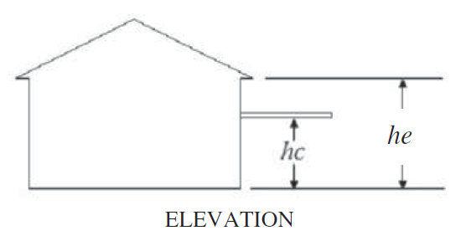
Ke = | 1.0 | Ground Elevation Factor | Design Dead Load: | 0.0 psf

LOADS ON CANOPY:
 |  |  |  |  |  |  | hc/he = | 0.67
L1 = |  | Effective Member Length
W1 = |  | Effective Member Width
A = | 10.00 ft^2 | Effective Wind Area, L1*W1 |  |  |  | Positive Net Pressure Coef. |  |  |  |  |  | Positive
 |  |  |  |  |  |  | Area (ft2) | GCpn |  |  |  | 0.11964075698 | 0.88035924302 | 1<x<10
GCNp = | 0.9 | Positive Pressure Coefficient |  |  |  | Upper | 100.00 | 0.64 |  |  |  | 0.35624933177 | 0.64375066823 | 100<x<1000
GCNn = | -0.9 | Negative Pressure Coefficient |  |  |  | Current | 10.00 | 0.88
qz = | 56.57 psf | Velocity Pressure | For Deflection Check Only: |  |  | Lower | 10.00 | 0.88
WLp = | 49.80 psf | Positive Wind Load, = qz*GCNp | WLp' = | 20.92 psf | (0.42*WLp)
WLn = | -49.73 psf | Negative Wind Load, = qz*GCNn | WLn' = | -20.89 psf | (0.42*WLn)
 |  |  |  |  |  | Negative Net Pressure Coef. |  |  |  |  |  |  | Negative
Grav = | 29.88 psf | Critical Positive Dp, 0.6*WLp+DL | Grav = | 12.55 psf |  |  | Area (ft2) | GCpn |  |  |  | 0.9 ≤ hc/he ≤ 1 | -1.3561691436 |  | 1<x<10
Uplift = | -29.84 psf | Critical Negative DP, 0.6*WLn+0.6*DL | Uplift = | -20.89 psf |  | Upper | 100.00 | -0.64 |  |  |  |  | -1.114936384 |  | 100<x<1000
 |  |  |  |  |  | Current | 10.00 | -0.88
 |  |  |  |  |  | Lower | 10.00 | -0.88 |  |  |  | 0.5 < hc/he < 0.9 | -0.87904950283 |  | 1<x<10
LOADS ON BEAMS: |  |  |  |  |  |  |  |  |  |  |  |  | -0.63947396557 |  | 100<x<1000
 |  |  |  |  |  |  |  | Decking / Louvers
L2 = | 12.00 ft | Effective Beam Length |  |  |  |  | Net Pressure Coefficient |  |  |  |  | hc/he ≤ 0.5 | -0.55800277986 |  | 1<x<10
W2 = | 14.00 ft | Effective Beam Width |  |  |  | Positive | 0.88035924302 |  |  |  |  |  | -0.46338073345 |  | 100<x<1000
A = | 168.00 ft^2 | Effective Wind Area, L2*W2 |  |  |  | Negative | -1.3561691436 | -0.87904950283 | -0.55800277986 | -0.87904950283
 |  |  |  |  |  |  | 0.9 ≤x≤ 1 | 0.5<x<0.9 | x≤ 0.5
GCNp = | 0.9 | Positive Pressure Coefficient
GCNn = | -0.9 | Negative Pressure Coefficient
qz = | 56.57 psf | Velocity Pressure | For Deflection Check Only:
WLp = | 49.80 psf | Positive Wind Load, = qz*G*CNp | WLp' = | 20.92 psf | (0.42*WLp)
WLn = | -49.73 psf | Negative Wind Load, = qz*G*CNn | WLn' = | -20.89 psf | (0.42*WLn)

Grav = | 29.88 psf | Critical Positive DP, 0.6*WLp+DL | Grav = | 20.92 psf
Uplift = | -29.84 psf | Critical Negative DP, 0.6*WLn+0.6*DL | Uplift = | -20.89 psf

LOADS ON POSTS:

LOADS ON CANOPY FASCIA:

GCpnw = | 1.5 | Combined Net Pressure Coefficient on windward fascia
GCpnl = | -1 | Combined Net Pressure Coefficient on leeward fascia

WLp = | 50.91 psf | Positive Wind Load on Fascia, qz*GCpnw*0.6
WLn = | -33.94 psf | Negative Wind Load on Fascia, qz*GCpnl*0.6
WL = | 42.43 psf | Average Wind Load on Fascia, qz*GCpnwl

