Sheet1
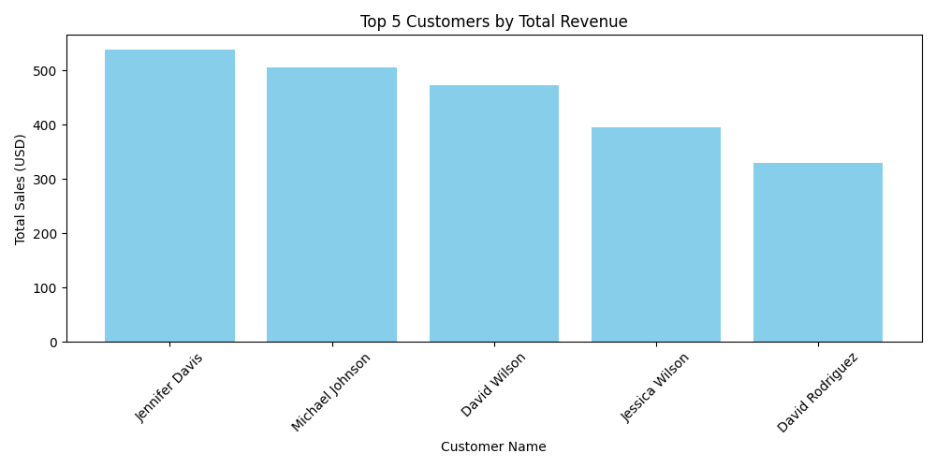
Order No | Order Date | Customer Name | Ship Date | Retail Price (USD) | Order Quantity | tax(USD) | Total (USD) | Shipping_Day_of_Week | Day_Type | Month | Delivery_Days
1001 | 2024-01-01 | John Smith | 2024-01-03 | 49.99 | 2 | 9.998 | 109.978 | Wednesday | Weekday | January | 2
1002 | 2024-01-01 | Jane Doe | 2024-01-04 | 29.99 | 1 | 2.999 | 32.989 | Thursday | Weekday | January | 3
1003 | 2024-01-02 | Michael Johnson | 2024-01-07 | 99.99 | 3 | 29.997 | 329.967 | Sunday | Weekend | January | 5
1004 | 2024-01-02 | Emily Brown | 2024-01-03 | 19.99 | 4 | 7.996 | 87.956 | Wednesday | Weekday | January | 1
1005 | 2024-01-03 | David Wilson | 2024-01-08 | 149.99 | 1 | 14.999 | 164.989 | Monday | Weekday | January | 5
1006 | 2024-01-03 | Lisa Taylor | 2024-01-06 | 79.99 | 2 | 15.998 | 175.978 | Saturday | Weekend | January | 3
1007 | 2024-01-04 | Daniel Martinez | 2024-01-06 | 39.99 | 3 | 11.997 | 131.967 | Saturday | Weekend | January | 2
1008 | 2024-01-04 | Sarah Anderson | 2024-01-09 | 69.99 | 2 | 13.998 | 153.978 | Tuesday | Weekday | January | 5
1009 | 2024-01-05 | Christopher Thomas | 2024-01-06 | 89.99 | 1 | 8.999 | 98.989 | Saturday | Weekend | January | 1
1010 | 2024-01-05 | Kimberly Garcia | 2024-01-08 | 199.99 | 1 | 19.999 | 219.989 | Monday | Weekday | January | 3
1011 | 2024-01-06 | William Hernandez | 2024-01-07 | 29.99 | 5 | 14.995 | 164.945 | Sunday | Weekend | January | 1
1012 | 2024-01-06 | Melissa Lopez | 2024-01-08 | 79.99 | 2 | 15.998 | 175.978 | Monday | Weekday | January | 2
1013 | 2024-01-07 | Richard Perez | 2024-01-09 | 49.99 | 3 | 14.997 | 164.967 | Tuesday | Weekday | January | 2
1014 | 2024-01-07 | Jessica Gonzalez | 2024-01-12 | 129.99 | 1 | 12.999 | 142.989 | Friday | Weekday | January | 5
1015 | 2024-01-08 | Matthew Wilson | 2024-01-13 | 19.99 | 4 | 7.996 | 87.956 | Saturday | Weekend | January | 5
1016 | 2024-01-08 | Amanda Martinez | 2024-01-12 | 149.99 | 1 | 14.999 | 164.989 | Friday | Weekday | January | 4
1017 | 2024-01-09 | James Johnson | 2024-01-14 | 69.99 | 2 | 13.998 | 153.978 | Sunday | Weekend | January | 5
1018 | 2024-01-09 | Laura Brown | 2024-01-12 | 39.99 | 3 | 11.997 | 131.967 | Friday | Weekday | January | 3
1019 | 2024-01-10 | Daniel Smith | 2024-01-11 | 199.99 | 1 | 19.999 | 219.989 | Thursday | Weekday | January | 1
1020 | 2024-01-10 | Jennifer Davis | 2024-01-14 | 29.99 | 5 | 14.995 | 164.945 | Sunday | Weekend | January | 4
1021 | 2024-01-11 | Michael Garcia | 2024-01-14 | 79.99 | 2 | 15.998 | 175.978 | Sunday | Weekend | January | 3
1022 | 2024-01-11 | Amy Hernandez | 2024-01-15 | 49.99 | 3 | 14.997 | 164.967 | Monday | Weekday | January | 4
1023 | 2024-01-12 | Christopher Rodriguez | 2024-01-17 | 129.99 | 1 | 12.999 | 142.989 | Wednesday | Weekday | January | 5
1024 | 2024-01-12 | Jessica Martinez | 2024-01-17 | 19.99 | 4 | 7.996 | 87.956 | Wednesday | Weekday | January | 5
1025 | 2024-01-13 | David Wilson | 2024-01-17 | 149.99 | 1 | 14.999 | 164.989 | Wednesday | Weekday | January | 4
1026 | 2024-01-13 | Sarah Smith | 2024-01-14 | 69.99 | 2 | 13.998 | 153.978 | Sunday | Weekend | January | 1
1027 | 2024-01-14 | Matthew Johnson | 2024-01-18 | 39.99 | 3 | 11.997 | 131.967 | Thursday | Weekday | January | 4
1028 | 2024-01-14 | Emily Davis | 2024-01-19 | 199.99 | 1 | 19.999 | 219.989 | Friday | Weekday | January | 5
1029 | 2024-01-15 | Daniel Wilson | 2024-01-19 | 29.99 | 5 | 14.995 | 164.945 | Friday | Weekday | January | 4
1030 | 2024-01-15 | Jennifer Martinez | 2024-01-19 | 79.99 | 2 | 15.998 | 175.978 | Friday | Weekday | January | 4
1031 | 2024-01-16 | Michael Smith | 2024-01-19 | 49.99 | 3 | 14.997 | 164.967 | Friday | Weekday | January | 3
1032 | 2024-01-16 | Jessica Johnson | 2024-01-17 | 129.99 | 1 | 12.999 | 142.989 | Wednesday | Weekday | January | 1
1033 | 2024-01-17 | David Brown | 2024-01-19 | 19.99 | 4 | 7.996 | 87.956 | Friday | Weekday | January | 2
1034 | 2024-01-17 | Sarah Garcia | 2024-01-19 | 149.99 | 1 | 14.999 | 164.989 | Friday | Weekday | January | 2
1035 | 2024-01-18 | Matthew Hernandez | 2024-01-23 | 69.99 | 2 | 13.998 | 153.978 | Tuesday | Weekday | January | 5
1036 | 2024-01-18 | Emily Rodriguez | 2024-01-19 | 39.99 | 3 | 11.997 | 131.967 | Friday | Weekday | January | 1
1037 | 2024-01-19 | Daniel Davis | 2024-01-20 | 199.99 | 1 | 19.999 | 219.989 | Saturday | Weekend | January | 1
1038 | 2024-01-19 | Jennifer Smith | 2024-01-22 | 29.99 | 5 | 14.995 | 164.945 | Monday | Weekday | January | 3
1039 | 2024-01-20 | Michael Johnson | 2024-01-24 | 79.99 | 2 | 15.998 | 175.978 | Wednesday | Weekday | January | 4
1040 | 2024-01-20 | Jessica Martinez | 2024-01-21 | 49.99 | 3 | 14.997 | 164.967 | Sunday | Weekend | January | 1
1041 | 2024-01-21 | David Wilson | 2024-01-26 | 129.99 | 1 | 12.999 | 142.989 | Friday | Weekday | January | 5
1042 | 2024-01-21 | Sarah Johnson | 2024-01-23 | 19.99 | 4 | 7.996 | 87.956 | Tuesday | Weekday | January | 2
1043 | 2024-01-22 | Matthew Garcia | 2024-01-25 | 149.99 | 1 | 14.999 | 164.989 | Thursday | Weekday | January | 3
1044 | 2024-01-22 | Emily Brown | 2024-01-25 | 69.99 | 2 | 13.998 | 153.978 | Thursday | Weekday | January | 3
1045 | 2024-01-23 | Daniel Hernandez | 2024-01-27 | 39.99 | 3 | 11.997 | 131.967 | Saturday | Weekend | January | 4
1046 | 2024-01-23 | Jennifer Davis | 2024-01-26 | 199.99 | 1 | 19.999 | 219.989 | Friday | Weekday | January | 3
1047 | 2024-01-24 | Michael Martinez | 2024-01-25 | 29.99 | 5 | 14.995 | 164.945 | Thursday | Weekday | January | 1
1048 | 2024-01-24 | Jessica Wilson | 2024-01-26 | 79.99 | 2 | 15.998 | 175.978 | Friday | Weekday | January | 2
1049 | 2024-01-25 | David Rodriguez | 2024-01-30 | 49.99 | 3 | 14.997 | 164.967 | Tuesday | Weekday | January | 5
1050 | 2024-01-25 | Sarah Gonzalez | 2024-01-27 | 129.99 | 1 | 12.999 | 142.989 | Saturday | Weekend | January | 2
1051 | 2024-01-26 | Matthew Smith | 2024-01-29 | 19.99 | 4 | 7.996 | 87.956 | Monday | Weekday | January | 3
1052 | 2024-01-26 | Emily Johnson | 2024-01-28 | 149.99 | 1 | 14.999 | 164.989 | Sunday | Weekend | January | 2
1053 | 2024-01-27 | Daniel Brown | 2024-01-31 | 69.99 | 2 | 13.998 | 153.978 | Wednesday | Weekday | January | 4
1054 | 2024-01-27 | Jennifer Hernandez | 2024-01-31 | 39.99 | 3 | 11.997 | 131.967 | Wednesday | Weekday | January | 4
1055 | 2024-01-28 | Michael Davis | 2024-01-29 | 199.99 | 1 | 19.999 | 219.989 | Monday | Weekday | January | 1
1056 | 2024-01-28 | Jessica Smith | 2024-01-29 | 29.99 | 5 | 14.995 | 164.945 | Monday | Weekday | January | 1
1057 | 2024-01-29 | David Martinez | 2024-01-30 | 79.99 | 2 | 15.998 | 175.978 | Tuesday | Weekday | January | 1
1058 | 2024-01-29 | Sarah Johnson | 2024-01-31 | 49.99 | 3 | 14.997 | 164.967 | Wednesday | Weekday | January | 2
1059 | 2024-01-30 | Matthew Garcia | 2024-01-31 | 129.99 | 1 | 12.999 | 142.989 | Wednesday | Weekday | January | 1
1060 | 2024-01-30 | Emily Brown | 2024-02-01 | 19.99 | 4 | 7.996 | 87.956 | Thursday | Weekday | February | 2
1061 | 2024-01-31 | Daniel Hernandez | 2024-02-02 | 149.99 | 1 | 14.999 | 164.989 | Friday | Weekday | February | 2
1062 | 2024-01-31 | Jennifer Davis | 2024-02-04 | 69.99 | 2 | 13.998 | 153.978 | Sunday | Weekend | February | 4
1063 | 2024-02-01 | Michael Martinez | 2024-02-02 | 39.99 | 3 | 11.997 | 131.967 | Friday | Weekday | February | 1
1064 | 2024-02-01 | Jessica Wilson | 2024-02-05 | 199.99 | 1 | 19.999 | 219.989 | Monday | Weekday | February | 4
1065 | 2024-02-01 | David Rodriguez | 2024-02-03 | 29.99 | 5 | 14.995 | 164.945 | Saturday | Weekend | February | 2
1066 | 2024-02-02 | Sarah Gonzalez | 2024-02-06 | 79.99 | 2 | 15.998 | 175.978 | Tuesday | Weekday | February | 4
1067 | 2024-02-03 | Matthew Smith | 2024-02-06 | 49.99 | 3 | 14.997 | 164.967 | Tuesday | Weekday | February | 3
1068 | 2024-02-04 | Emily Johnson | 2024-02-05 | 129.99 | 1 | 12.999 | 142.989 | Monday | Weekday | February | 1
1069 | 2024-02-04 | Daniel Brown | 2024-02-08 | 19.99 | 4 | 7.996 | 87.956 | Thursday | Weekday | February | 4
1070 | 2024-02-04 | Jennifer Hernandez | 2024-02-07 | 149.99 | 1 | 14.999 | 164.989 | Wednesday | Weekday | February | 3

