08H2028
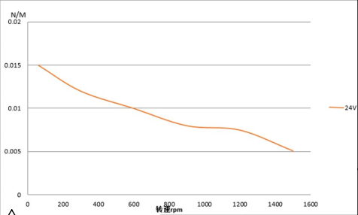
speed | torque
388.140861 | 0.011230791316
744.60038072 | 0.008857573189
1057.71093 | 0.0076204701229
905.5217387 | 0.0079739281417
1192.4357878 | 0.0075321056181
1435.6890034 | 0.0055943982646
1500.8683906 | 0.0049758467316
62.243924777 | 0.014935788764
262.14816987 | 0.012291165372
153.61981216 | 0.013698685698
596.77727281 | 0.01

