Reference_and_Assessment
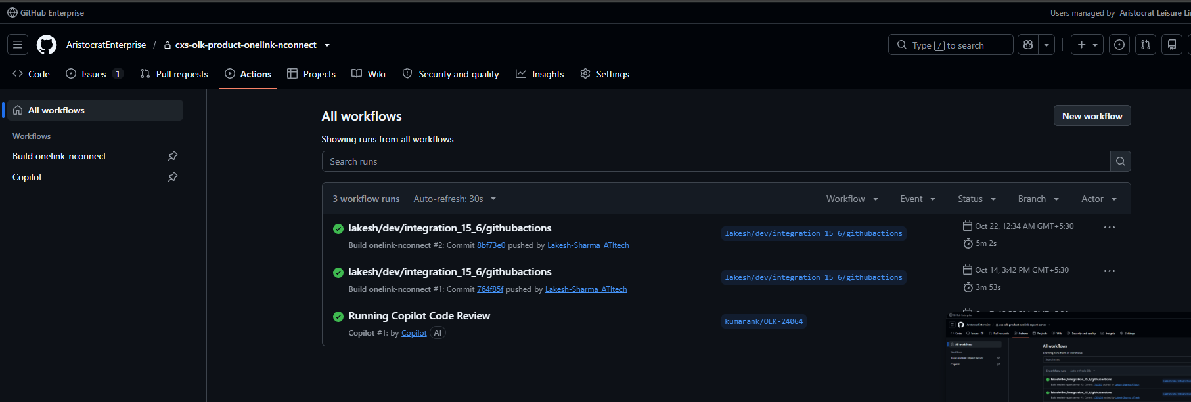
Task-by-task assessment, PIP period (14-Sep to 27-Oct-2026)

Summary
Total original tasks
Done and signed off
Done per task list (no source document supplied)
Done, waiting for review or validation by others
Not clear from the references
Ongoing BAU (little or no reference)
Check: parts add up to total
Tasks where Lakesh still has something to do

Task | Target date | What was delivered and when | Work status | References | Explanation and what is left | Lakesh action open
A. SonarQube reporting and Cycode (group target 12-Oct)
A1 Verify and finalize SonarQube data for all studios with automation | 28-Sep | Task list shows Done on 29-Sep. | Done (per task list) | R001 | Completed on 29th Sept, also mentioned in task list | N
A2 Share the finalized data with Vijay | 28-Sep | Task list shows Done on 29-Sep. | Done (per task list) | R001 | Completed on 29th Sept, also mentioned in task list | N
A3 Establish Cycode baselines for OneLink | 21-Sep | 20-Sep: first baseline emailed (33 repos). 07-Oct: repo list review requested. 13-14 Oct: Murali confirmed the version scope in chat (n = 15.6, n-1 = 15.5, n-2 = 15.4.1). 19-Oct: revised baseline shared with Vijay (date per Lakesh). | Done; revised version sent | R004, R008, R026, R027 | Shared on time, however therequirement kept on changing which delayed the baselining [rogress, hence the pending state is becasue the baselining requirements kept on changing. Jence a revised baseline was asked and was delivered well on time based on new requirements confirmed by Murali on 14-Oct. | Y
A4 Establish Cycode baselines for nCompass | 12-Oct | 22-Oct: baseline emailed (total 40,093 findings) with the report file. | Done. | R015, R013 | Sent after the nCompass move to GitHub was finished (26th-Oct). The reason for the delay in timing was due to github migration and verifiactio of code initially. Only then we could establish a baseline and migration target was till 26th Oct | Y
A5 Check in Sonar utility source code into GitHub | 28-Sep | Task list: Done on 22-Sep with the repository link. | Done (per task list) | R001, R002 | Done six days early per the task list. | N
B. OneLink deployment utility (group target 28-Sep)
B1 Get Customer Support sign-off, with toolkit and overview documents | 28-Sep | 25-Sep: Shawn McIntire signed off the tool. 28-Sep: Kyle Kikumoto signed off the overview and toolkit. | Done | R006, R025, R021 | Both sign-offs arrived by the target date. Two later task-list entries ('PSPI: Pending' and 'How CS team will utilize it') are not in the original wording | Y
B2 Compare manual and automated deployment data | 17-Sep | 16-Sep, 11:16 PM: comparison emailed. Manual 4h15m vs tool 3h41m; steps 435 down to 351. | Done | R003, R001 | Sent a day before the target and before the task list was sent. The email says about 12% time and 16% steps saved; its own numbers calculate to 13.5% and 19.3%. Both are above the 10% target. The task list was provided to me on 18th Sep and this was to be delivered on 17th Sept as per the task list. Receipt of task list: unofficially 17-Sep-2026; officially 18-Sep-2026 (meeting). PIP period 14-Sep to 27-Oct-2026. | N
B3 Check in utility code to GitHub | 28-Sep | Task list: Done on 18-Sep (repository cxs-devops-OnelinkAdministratorTool). | Done (per task list) | R001, R002 | Done ten days early per the task list. | N
B4 Detailed code walkthrough with DevOps and OneLink team | 28-Sep | Task list: scheduled Monday 28-Sep, Done on 01-Oct. | Done (per task list) | R001, R002 | The meeting invite and attendance is avaialbel aganst meeting (OnelinkAdministration Utility Deep Dive) | N
C. GitHub migration, CI/CD and security (group target 26-Oct). C1 'Complete the nCompass GitHub migration' covers C1a and C1b.
C1a nCompass source-code migration | 12-Oct | 29-Sep: 4 repos moved. 09-Oct: 5 repos moved, except 3 TFVC paths. 20-Oct: the last 3 paths moved. | Done | R007, R009, R013 | The main migration was done three days before the target. The last three paths finished on 20-Oct, eight days after the target if they belong to this task (they may belong to C4). The task list shows Done on 01-Oct, before they finished. | Y
C1b Jenkins pipeline updates (nCompass) | 12-Oct | No Jenkins update is described. No status in the task list. | Unclear | R001, R002, R009 | The next task says Jenkins updates can be removed once GitHub Actions exist, so this is covered by C2. | Y
C2 GitHub Actions for nCompass | 12-Oct | 09-Oct: workflows built for 5 repos on clone branches, with a request to verify. 20-Oct: update sent; verification still pending. | Built; checks incomplete | R009, R013, R020, R028 | Submitted for checking three days before the target. Comparing output with Jenkins is with the developers (R009). Task completed at Lakesh's end before the target date. | Y
C3 GitHub Actions for OneLink (Jenkins keeps working) | 26-Oct | 14-Oct: 72 repos planned in phases; Phase 1 = 22 repos. 22-Oct: Phase 1 reported complete. Green runs on 14-Oct and 22-Oct for 5 sample repos. | Phase 1 done (22 of 72) | R010, R014, R029-R033, R018 | The task does not state how many repos. Task talks about 60 were first asked for in a few days(un-realistic), then the manager asked me to discuss with the OneLink team. 26-Oct covers Phase 1 20 repos; Done at Lakesh end and OneLink team validation is pending. | Y
C4 Migrate 3 active nCompass branches with workflows | 30-Oct | 20-Oct: three TFVC paths migrated (Releases/15.5, MainLine, Patch/15.5.1); workflows prepared. | Unclear which branches | R009, R013 | Target was after the PIP end date. But completed before target date | Y
C5 Migrate AppServer and Concentrator from Ant to Maven | 26-Oct | 15-Oct: reported complete on a test branch. Build runs on the Maven branch passed on 11, 14 and 22 Oct. | Done; testing pending | R011, R029, R020 | Task was completed on 15th Oct, way before the target date and the verification is pendig at the Deve end from Onelink Team. Lakesh has competed the task and communicated the same through mail. | Y
D. Build support and BAU (ongoing)
D1 Resolve or acknowledge build issues within 3 hours | Ongoing | No records supplied. | Taken care | R024 | Taken care of such requests appropriatly and on time | N
D2 Debian 13.7 upgrade (Bankit and VM) | 26-Oct | 16-Oct: start notice sent, asking for dependencies and the branch. | Pending | R012 | Part of the github-action migration and is completed, verification is pending at Dev ends. Official mail needed to be sent. | Y
D3 Update by 11:00 AM IST for issues reported in US hours | Ongoing | No records supplied. | Taken care | - | Taken care of such requests appropriatly and on time | N
D4 Share regular and timely progress updates | Ongoing | 12 update emails from Lakesh, 16-Sep to 22-Oct, plus two Teams chats. | Taken care | R003-R015, R026, R027 | Has shared timely and each and every update appropriatly. | N
D5 Take part in Scrum ceremonies and meetings | Ongoing | No records supplied. | Taken care | - | Taken care of such requests appropriatly and on time | N
D6 Continue BAU support | Ongoing | 25-Sep: two PMO requirements (772509, 772510) recorded Done. | Taken care | R001, R002 | Taken care of such requests appropriatly and on time | N

Reference list

ID and what it is
R001 Task-list screenshot (status columns).
R003 Email 'OneLink Admin Tool - Time & Steps Reduction Summary'.
R004 Email 'OneLink - Cycode Vulnerability Baseline'.
R005 Email 'RE: nCompass GitHub Migration' (branch naming request).
R006 Reply from Shawn McIntire to R003 thread.
R007 Email 'RE: nCompass GitHub Migration' (4 repos migrated).
R008 Email 'RE: OneLink - Cycode Vulnerability Baseline' (scope review).
R009 Email 'RE: nCompass GitHub Migration' (workflows and verification request).
R010 Email 'OneLink | GitHub Actions Migration | Phase 1 Scope and Target'.
R011 Email 'Ant to Maven Migration Status | OneLink & Concentrator'.
R012 Email 'Debian 13.7 Upgrade for VM and BankIt | Dependencies and Branch Confirmation'.
R013 Email 'RE: nCompass GitHub Migration' (migration complete; validation pending).
R014 Email 'RE: OneLink | GitHub Actions Migration | Phase 1'.
R015 Email 'nCompass Cycode Vulnerabilities Baseline'.
R016 Calendar invite 'HeathCheck - Lakesh' (as displayed) containing the first task-list version.
R025 Email 'RE: OneLink Admin Tool - Time & Steps Reduction Summary' from Kikumoto, Kyle (sign-off on overview and toolkit).
R026 Teams chat: Raman, Michelle; Inguva, Murali; L. Sharma on n / n-1 / n-2 security-scan scope.
R027 Teams chat with Kumar, Vijay: revised OneLink Cycode baseline shared; Vijay acknowledges.
R029 GitHub Actions, repo cxs-olk-product-onelink: 32 runs; 7 visible. 'Build onelink appserver' runs #9-#13 by Lakesh-Sharma_ATItech, all green.
R030 GitHub Actions, repo cxs-olk-product-megamic: 4 runs. 'Build megamic' #3 and #4 green.
R031 GitHub Actions, repo cxs-olk-product-nmenu: 2 runs, 'Build nmenu' #1 and #2 green.
R032 GitHub Actions, repo cxs-olk-product-onelink-nconnect: 3 runs, 'Build onelink-nconnect' #1 and #2 green.
R033 GitHub Actions, repo cxs-olk-product-onelink-report-server: 5 runs, 'Build onelink-report-server' #1 and #2 green.
R034 GitHub Actions, repo cxs-olk-product-onelink-nconnect (second capture of R032).

Reference images

R001 Task-list screenshot (status columns).
File: 1.webp | Date and time shown: Columns 9/18/2026 and 9/22/2026 (L. Sharma), 25-Sep, 01-Oct, 12-Oct, 'Support Required 18-Sep'. No timezone displayed.
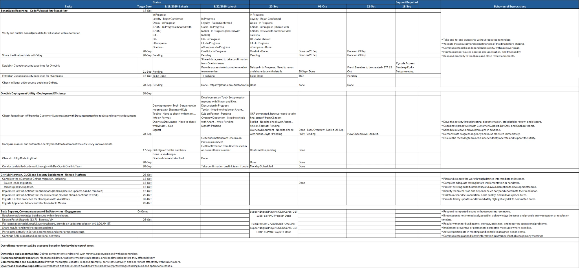

R003 Email 'OneLink Admin Tool - Time & Steps Reduction Summary'.
File: 2.png | Date and time shown: Wed 16-09-2026 11:16 PM (timezone not displayed).
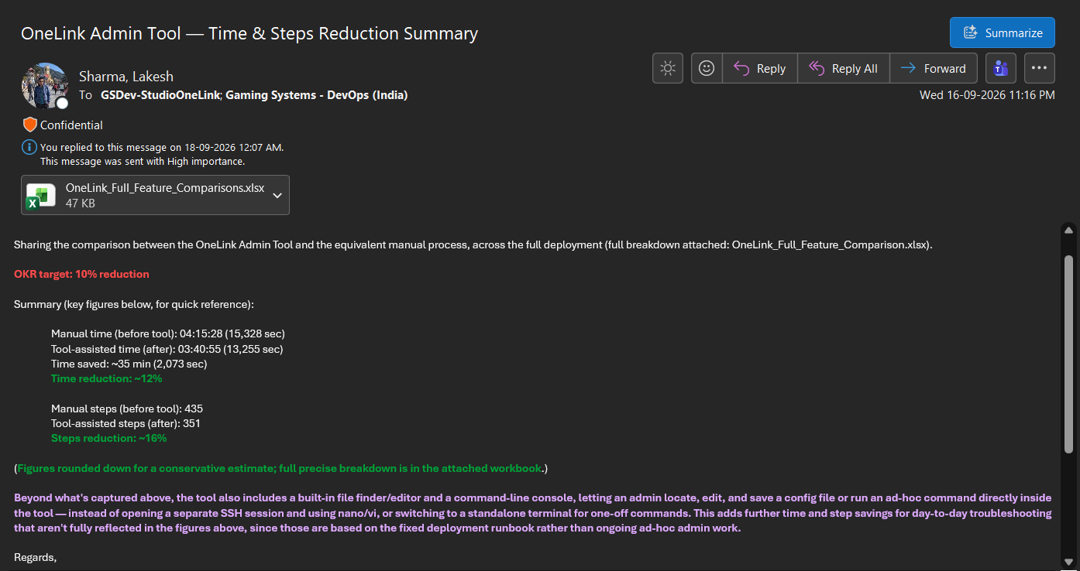

R004 Email 'OneLink - Cycode Vulnerability Baseline'.
File: 3.png | Date and time shown: Sun 20-09-2026 08:37 PM.
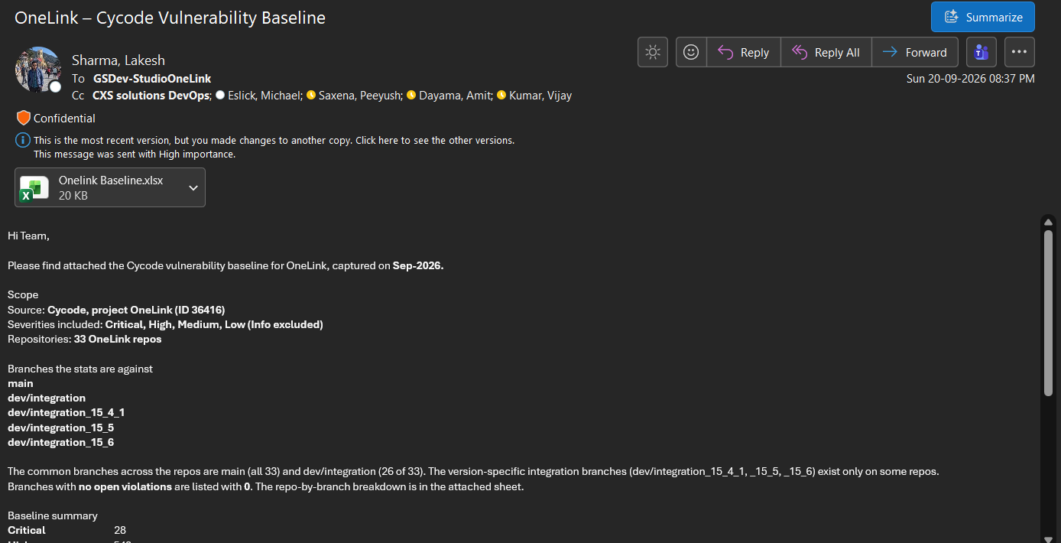

R005 Email 'RE: nCompass GitHub Migration' (branch naming request).
File: 4.png | Date and time shown: Sun 20-09-2026 10:55 PM.
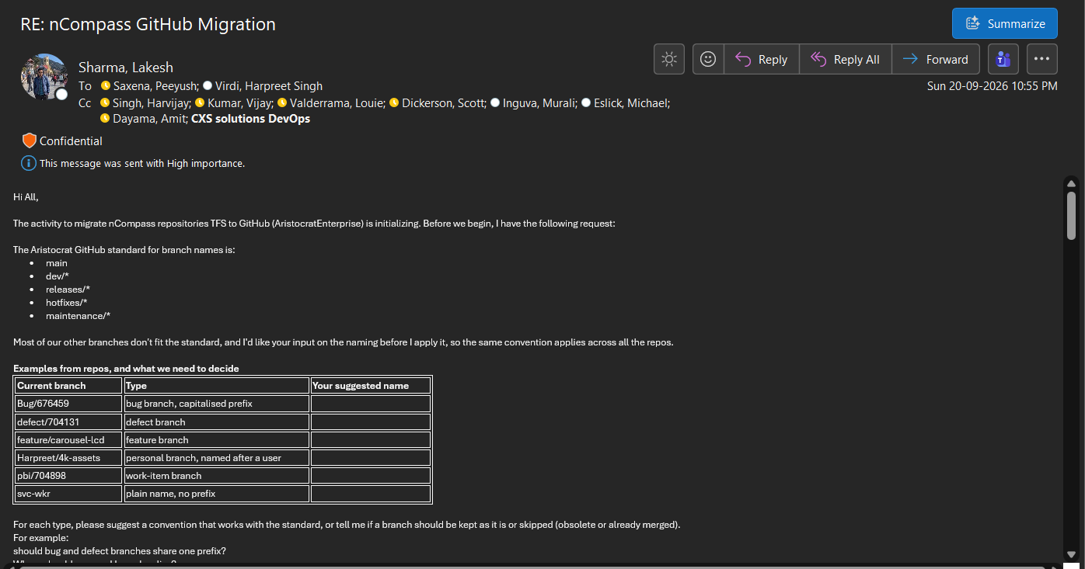

R006 Reply from Shawn McIntire to R003 thread.
File: 5.png | Date and time shown: Fri 25-09-2026 08:19 PM.
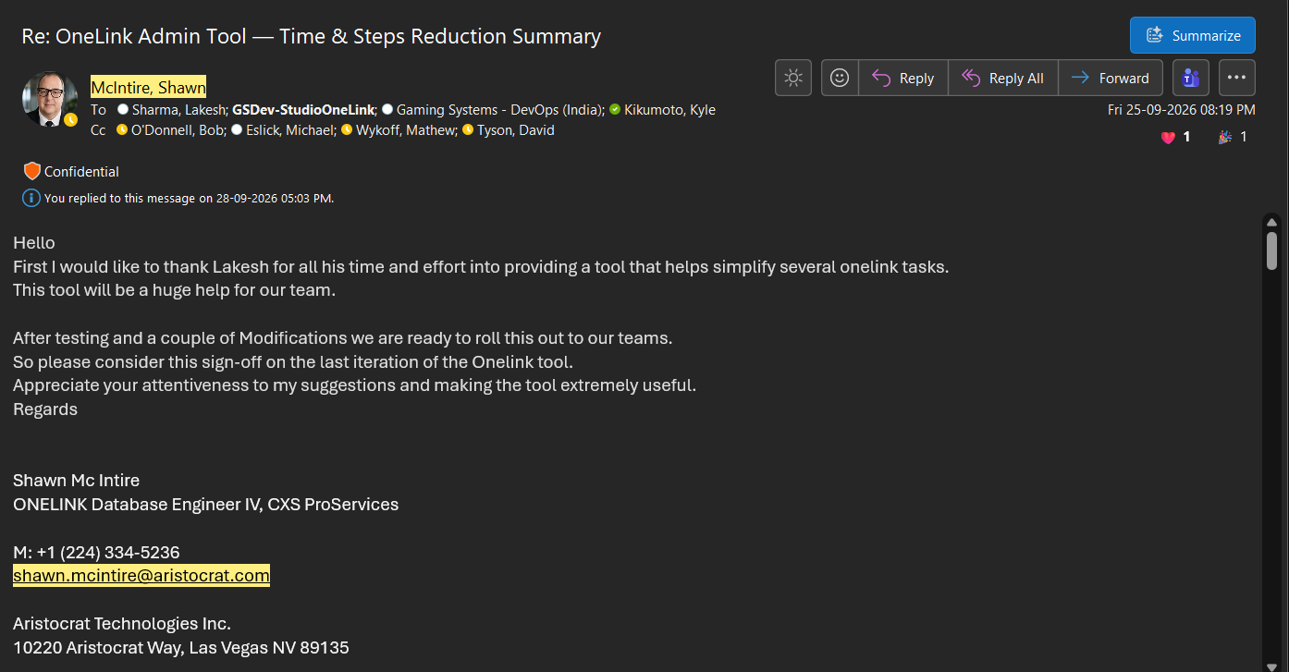

R007 Email 'RE: nCompass GitHub Migration' (4 repos migrated).
File: 6.png | Date and time shown: Tue 29-09-2026 01:49 PM.
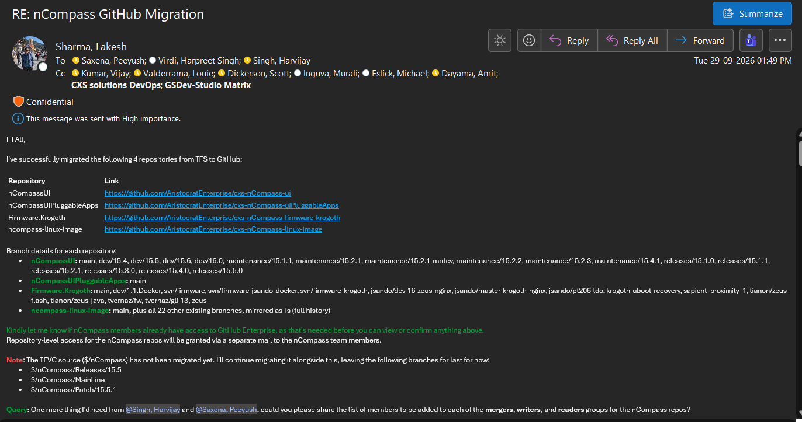

R008 Email 'RE: OneLink - Cycode Vulnerability Baseline' (scope review).
File: 7.png | Date and time shown: Wed 07-10-2026 12:13 PM.
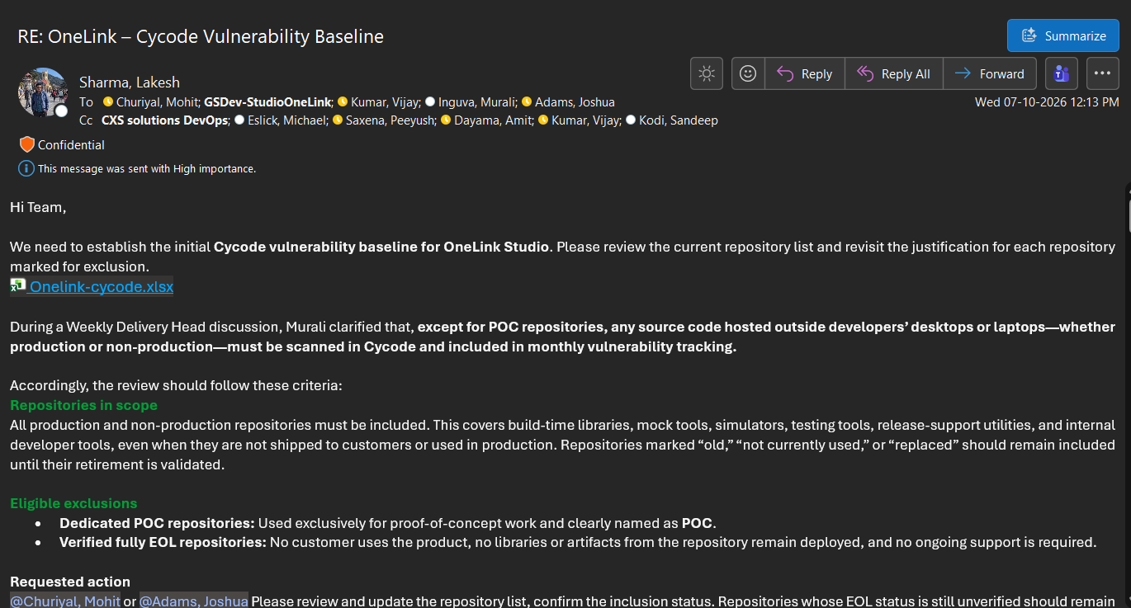

R009 Email 'RE: nCompass GitHub Migration' (workflows and verification request).
File: 8.png | Date and time shown: Fri 09-10-2026 05:07 PM.
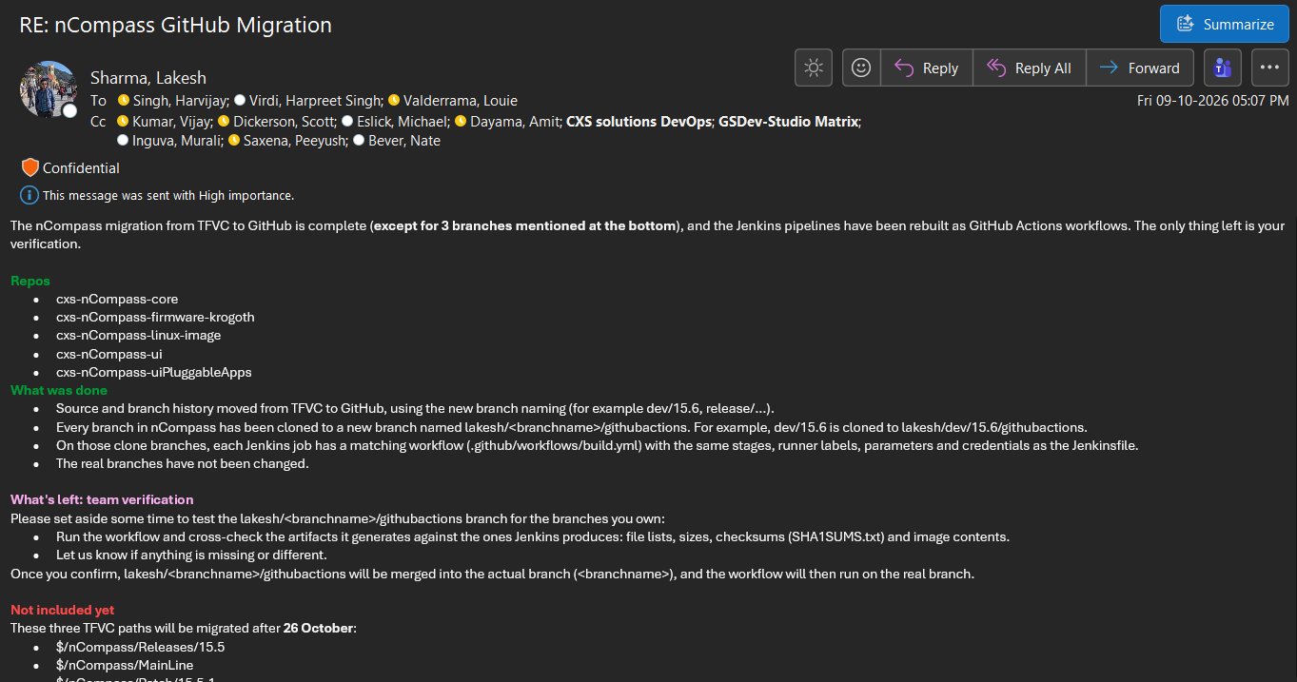

R010 Email 'OneLink | GitHub Actions Migration | Phase 1 Scope and Target'.
File: 9.png | Date and time shown: Wed 14-10-2026 11:24 AM.
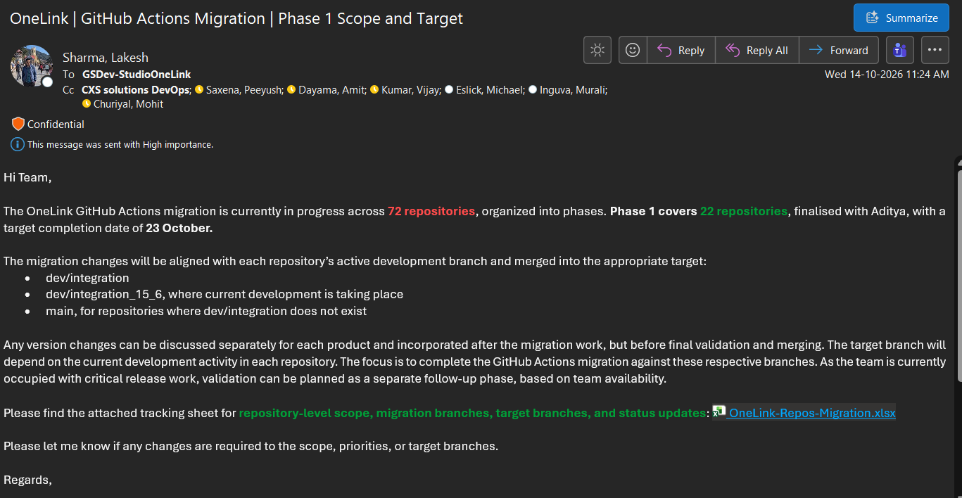

R011 Email 'Ant to Maven Migration Status | OneLink & Concentrator'.
File: 10.png | Date and time shown: Thu 15-10-2026 09:34 PM.
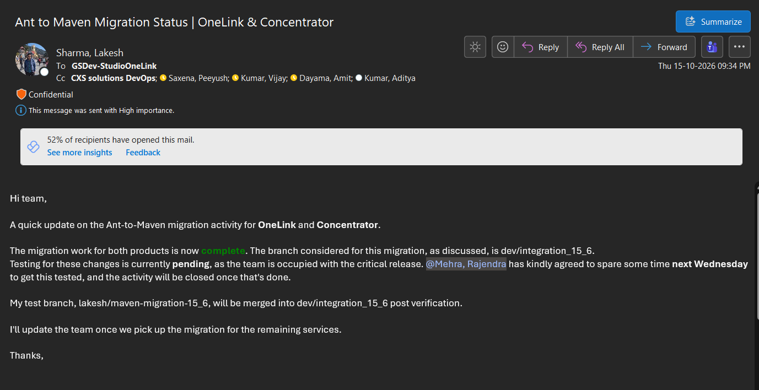

R012 Email 'Debian 13.7 Upgrade for VM and BankIt | Dependencies and Branch Confirmation'.
File: 11.png | Date and time shown: Fri 16-10-2026 11:17 (AM/PM cropped).
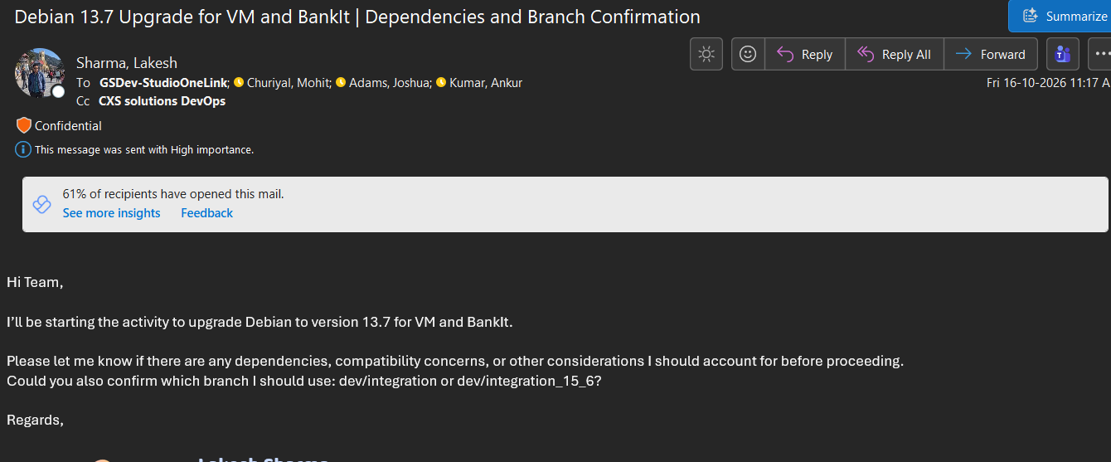

R013 Email 'RE: nCompass GitHub Migration' (migration complete; validation pending).
File: 12.png | Date and time shown: Tue 20-10-2026 11:28 PM.
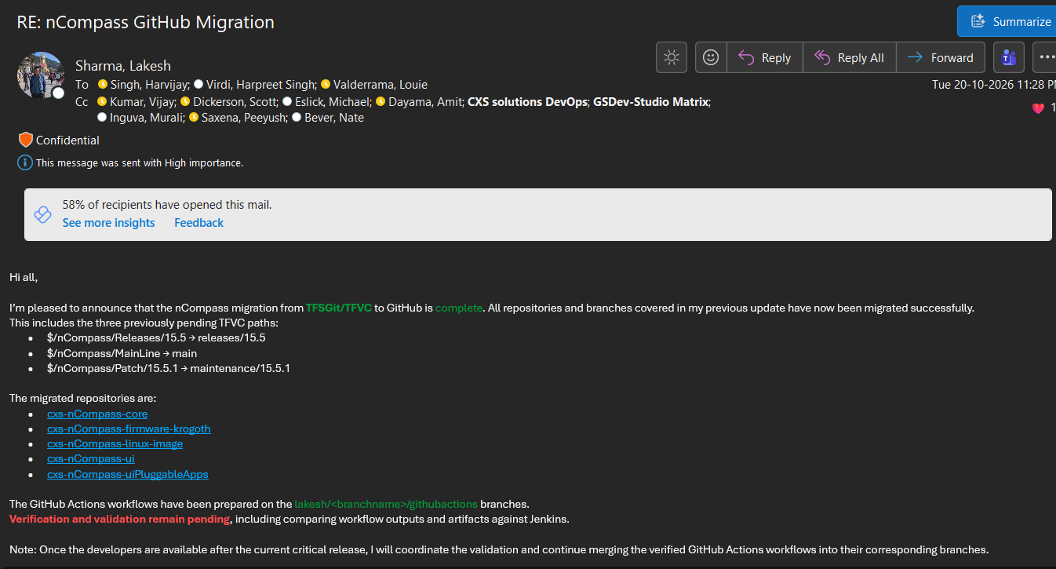

R014 Email 'RE: OneLink | GitHub Actions Migration | Phase 1'.
File: 13.png | Date and time shown: Thu 22-10-2026 11:26 AM.
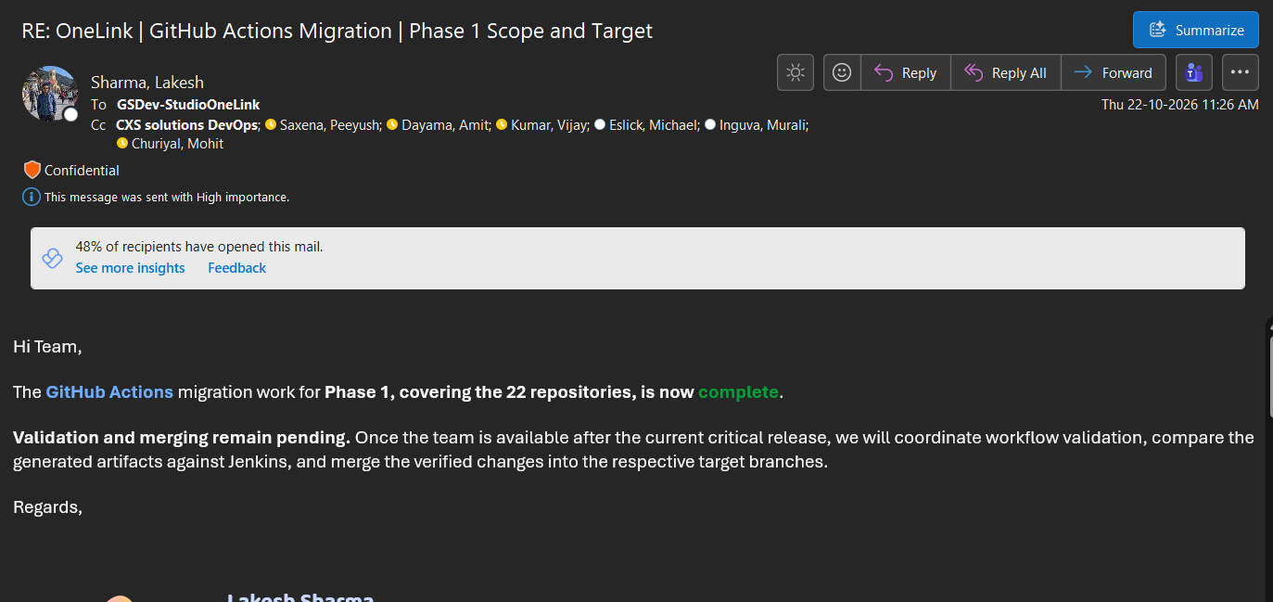

R015 Email 'nCompass Cycode Vulnerabilities Baseline'.
File: 14.png | Date and time shown: Thu 22-10-2026 03:35 PM.
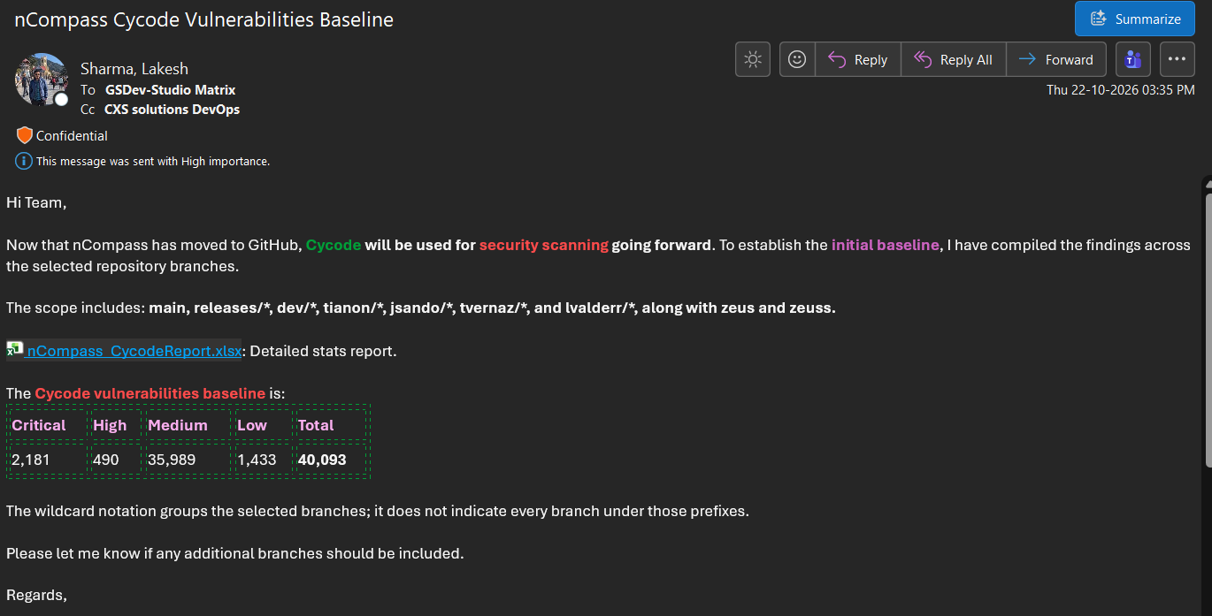

R016 Calendar invite 'HeathCheck - Lakesh' (as displayed) containing the first task-list version.
File: 15.png | Date and time shown: Event Fri 18-09-2026 12:00-12:30 PM; sent Thu 17-09-2026 02:20 PM by Dayama, Amit.
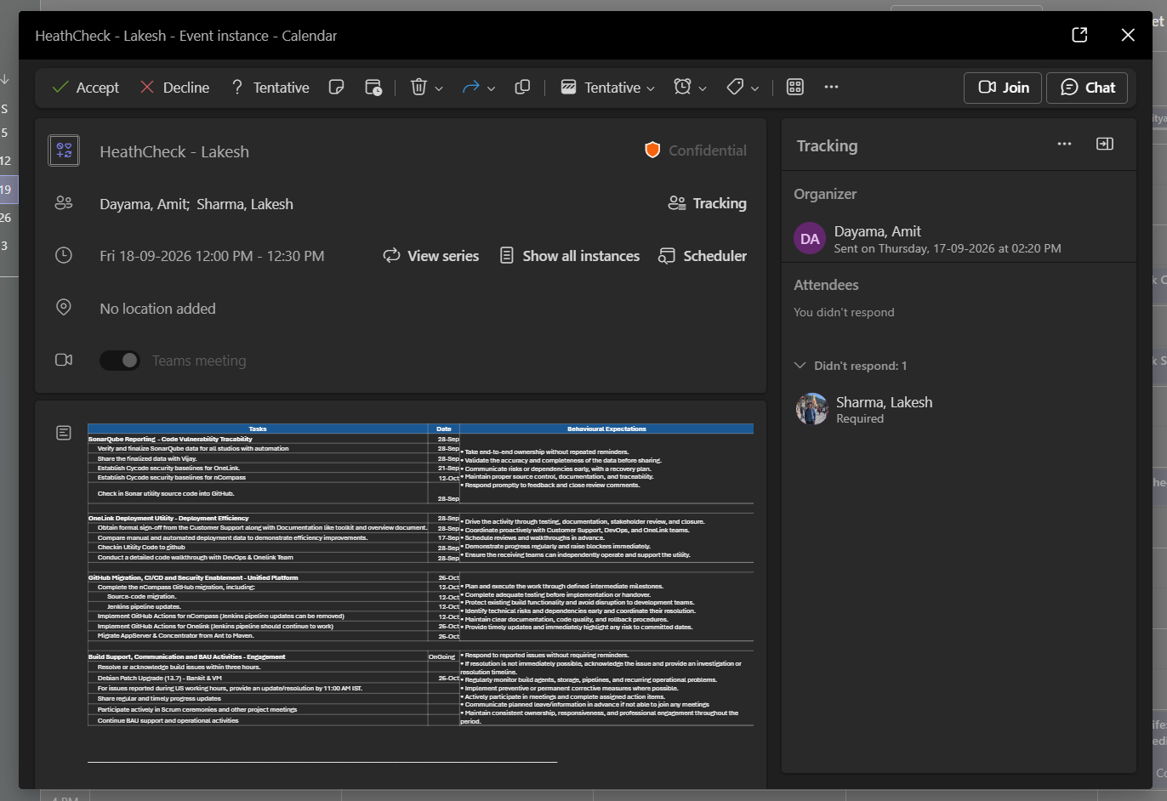

R025 Email 'RE: OneLink Admin Tool - Time & Steps Reduction Summary' from Kikumoto, Kyle (sign-off on overview and toolkit).
File: 16.png | Date and time shown: Mon 28-09-2026 11:58 PM (timezone not displayed).
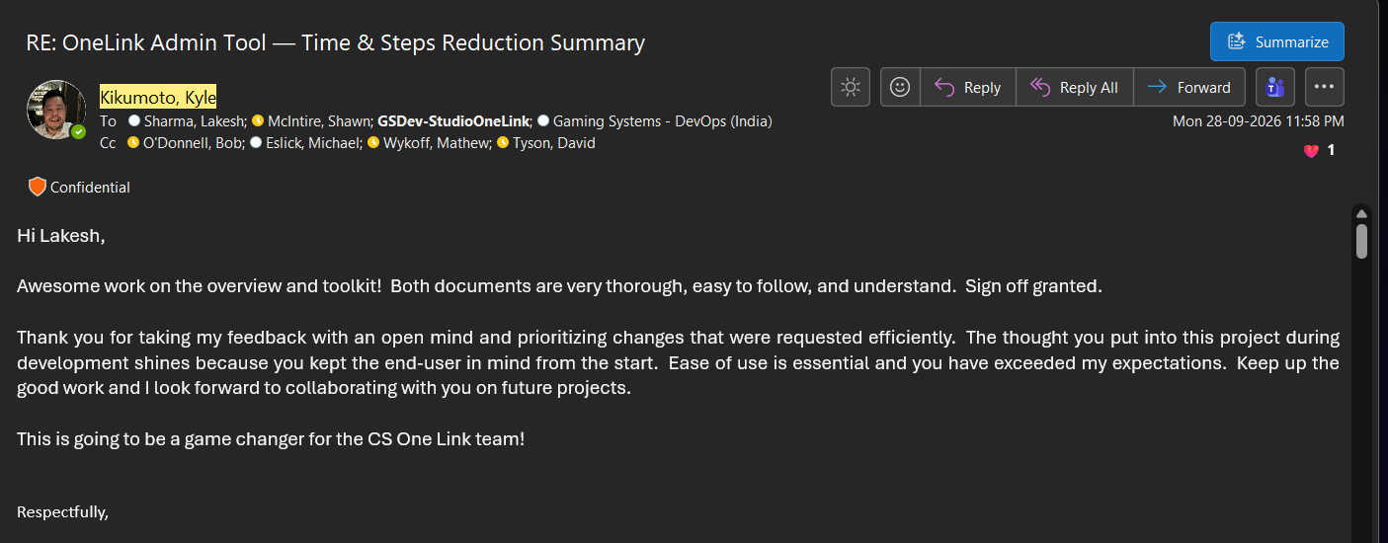

R026 Teams chat: Raman, Michelle; Inguva, Murali; L. Sharma on n / n-1 / n-2 security-scan scope.
File: 17.png | Date and time shown: 13-10 10:38 pm to 14-10 05:27 pm (year and timezone not displayed).
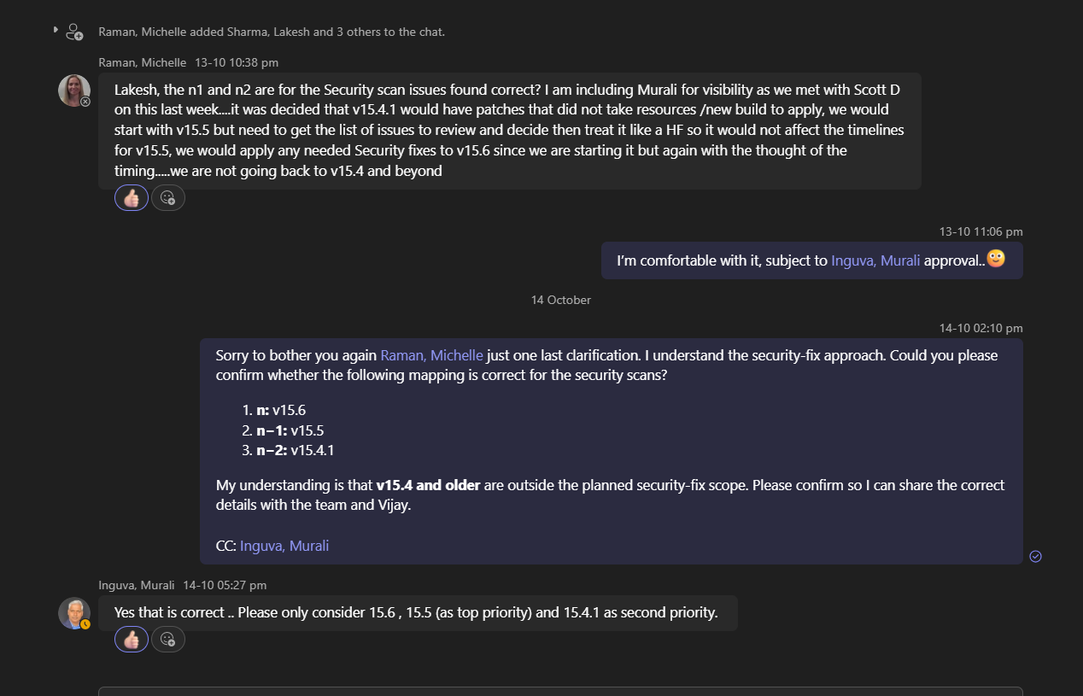

R027 Teams chat with Kumar, Vijay: revised OneLink Cycode baseline shared; Vijay acknowledges.
File: 18.png | Date and time shown: Monday 11:51 am and Wednesday 09:26 am (weekday labels only; Monday = 19-Oct-2026 per L. Sharma). File header: Generated 2026-10-17 22:22:50.
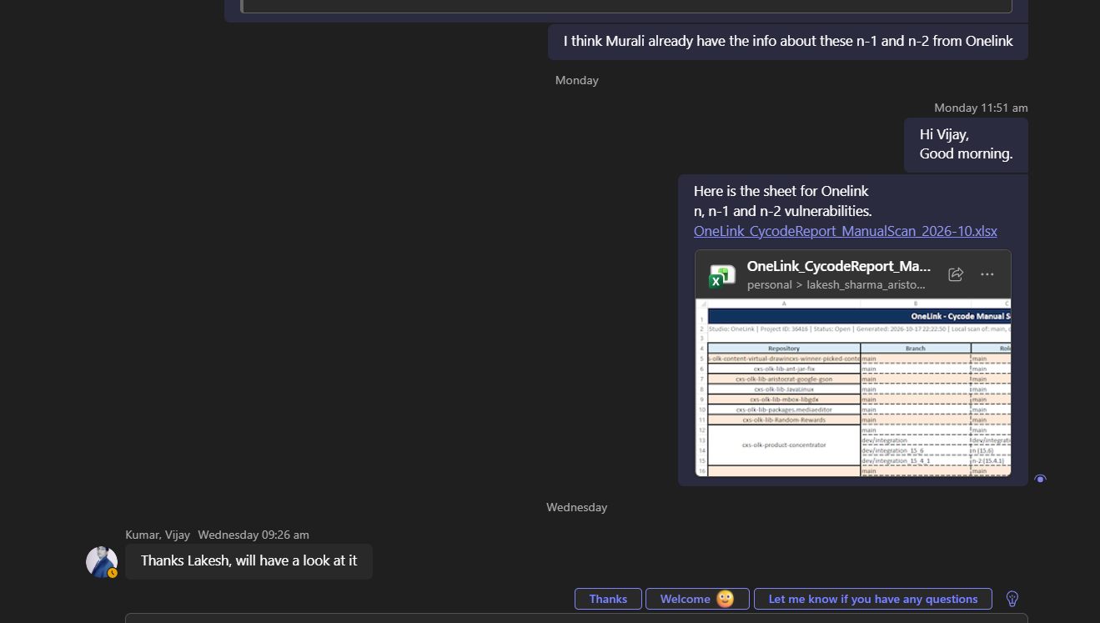

R029 GitHub Actions, repo cxs-olk-product-onelink: 32 runs; 7 visible. 'Build onelink appserver' runs #9-#13 by Lakesh-Sharma_ATItech, all green.
File: 19.png | Date and time shown: Runs 11-Oct 4:37 AM (#9, Sunday), 14-Oct 2:41 PM (#10, #11), 22-Oct 12:32 AM (#12, #13), GMT+5:30. Branches lakesh/dev/integration_15_6/githubactions and lakesh/maven-migration-15_6-githubactions.
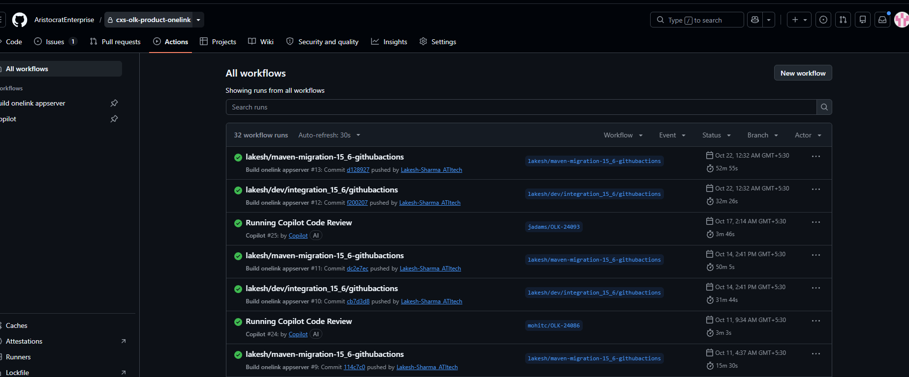

R030 GitHub Actions, repo cxs-olk-product-megamic: 4 runs. 'Build megamic' #3 and #4 green.
File: 20.png | Date and time shown: 14-Oct 3:20 PM (#3) and 22-Oct 12:33 AM (#4), GMT+5:30; branch lakesh/dev/integration_15_6/githubactions.
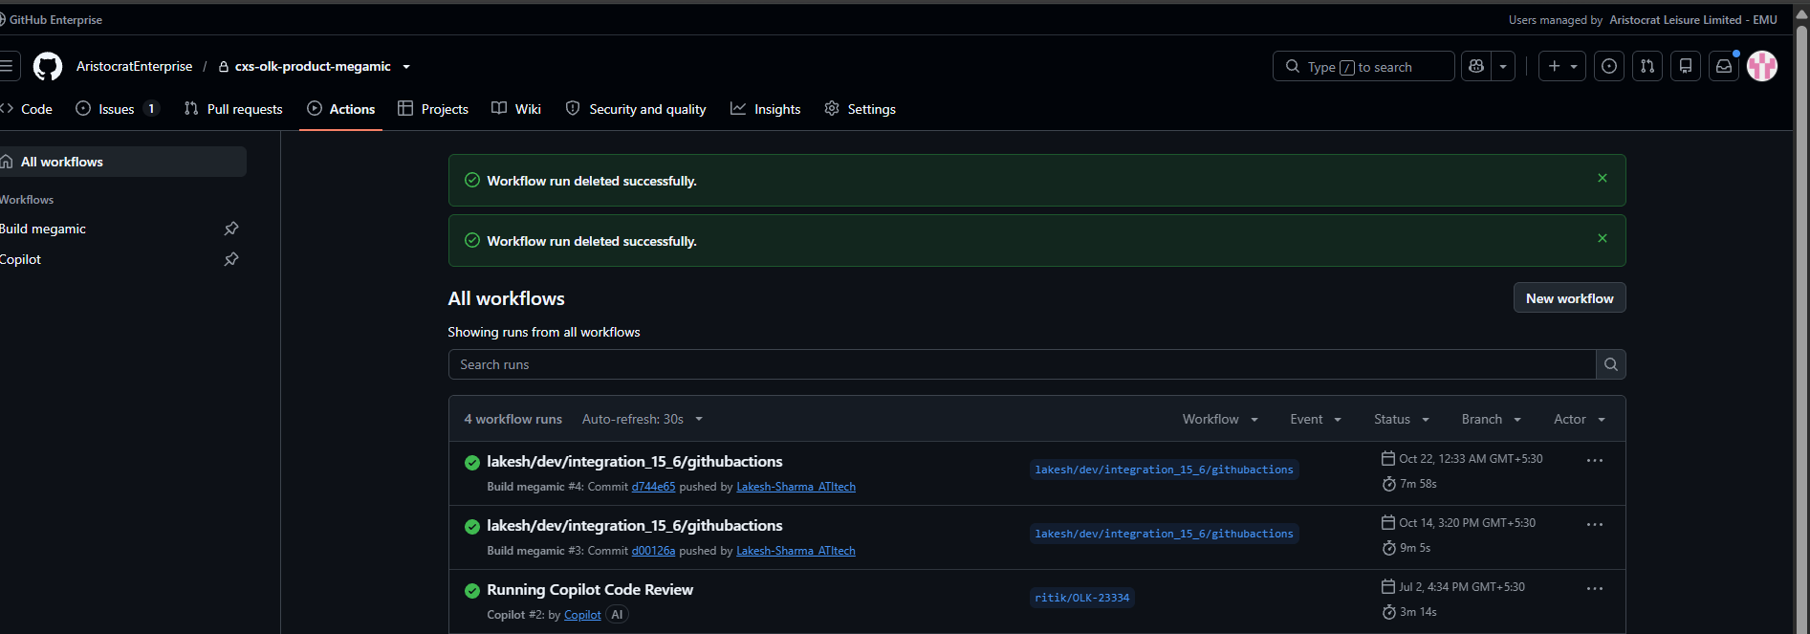

R031 GitHub Actions, repo cxs-olk-product-nmenu: 2 runs, 'Build nmenu' #1 and #2 green.
File: 21.png | Date and time shown: 14-Oct 7:40 PM (#1) and 22-Oct 12:34 AM (#2), GMT+5:30; branch lakesh/dev/integration_15_6/githubactions.
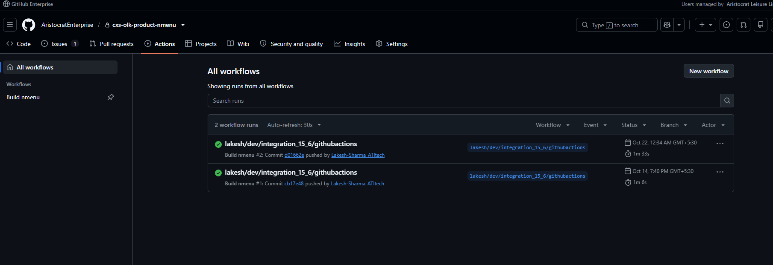

R032 GitHub Actions, repo cxs-olk-product-onelink-nconnect: 3 runs, 'Build onelink-nconnect' #1 and #2 green.
File: 22.png | Date and time shown: 14-Oct 3:42 PM (#1) and 22-Oct 12:34 AM (#2), GMT+5:30; branch lakesh/dev/integration_15_6/githubactions.

R033 GitHub Actions, repo cxs-olk-product-onelink-report-server: 5 runs, 'Build onelink-report-server' #1 and #2 green.
File: 23.png | Date and time shown: 14-Oct 7:26 PM (#1) and 22-Oct 12:34 AM (#2), GMT+5:30; branch lakesh/dev/integration_15_6/githubactions.
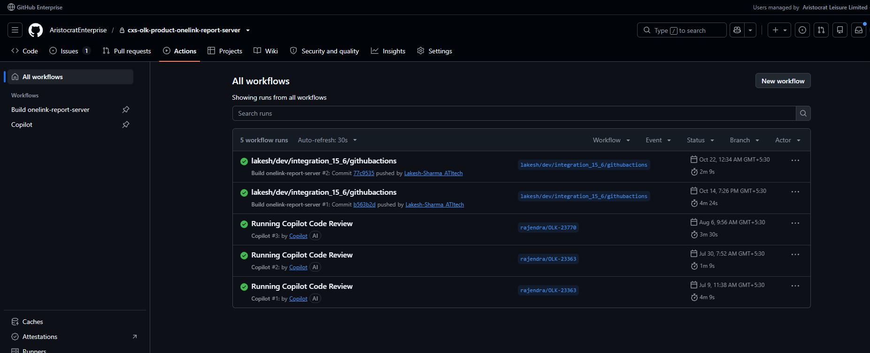

R034 GitHub Actions, repo cxs-olk-product-onelink-nconnect (second capture of R032).
File: 24.png | Date and time shown: Same runs as R032.

