Sheet1
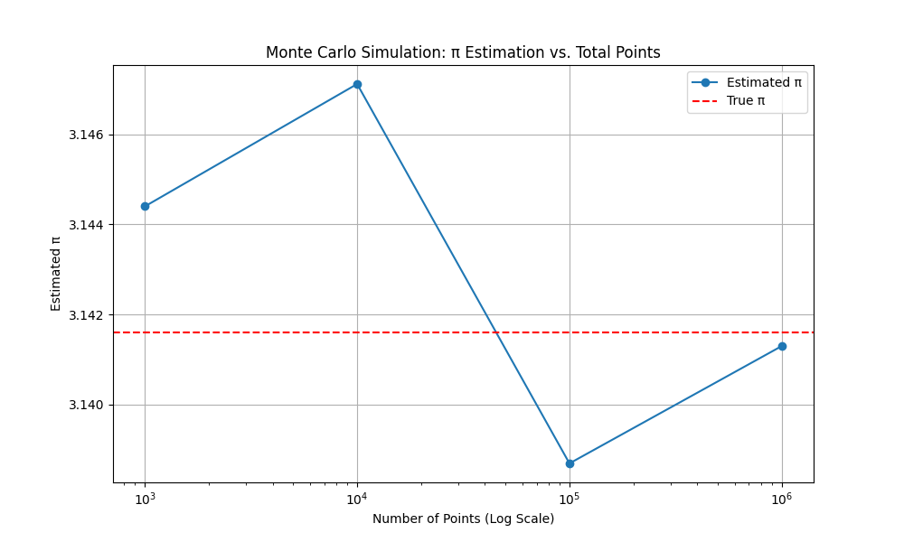
Total Points | Mean of π | Mode of π | All Estimates
1000 | 3.1556 | 3.172 | 3.232000, 3.172000, 3.172000, 3.188000, 3.052000, 3.132000, 3.168000, 3.140000, 3.140000, 3.160000
10000 | 3.14008 | 3.1424 | 3.142400, 3.159600, 3.138800, 3.161600, 3.133200, 3.142000, 3.113600, 3.115200, 3.143200, 3.151200
100000 | 3.140308 | 3.134 | 3.134000, 3.135840, 3.143160, 3.142640, 3.146840, 3.140480, 3.142680, 3.137960, 3.136280, 3.143200
1000000 | 3.1410852 | 3.14038 | 3.140380, 3.140876, 3.139676, 3.141852, 3.140844, 3.141348, 3.138268, 3.141984, 3.141548, 3.144076

