Sheet1
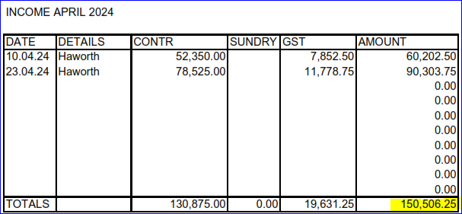
M & N Construction Limited
Year Ended :- 31/03/2024

ACCOUNTS RECEIVABLE/DEBTORS |  |  |  | C

Detail | Code | Gross | GST | Net
Haworth (Sales) | 200 | 60,202.50 | 7,852.50 | 52,350.00
Haworth (Sales) | 200 | 90,303.75 | 11,778.75 | 78,525.00
 |  |  | - | -
 |  |  | - | -
 |  |  | - | -
 | TOTAL | $150,506.25 | $19,631.25 | $130,875.00

Notes:
For exempt/zero rated sales, please manually adjust the GST column
Check that deposits "In Transit" are not in debtors

