Sheet1
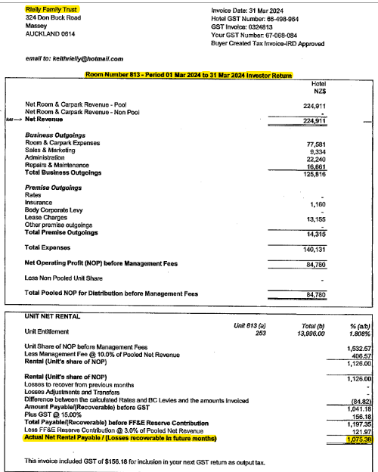
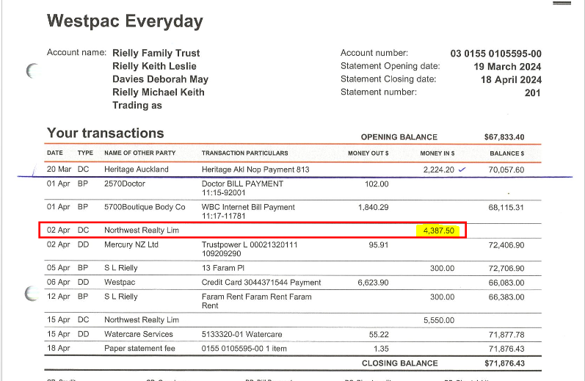
Rielly Family Trust
2024-03-31

ACCOUNTS RECEIVABLE/DEBTORS |  |  |  | C

Detail | Code | Gross | GST | Net
Rent Receivable - Residential | 278 | 4,387.50 | - | 4,387.50
Rent Receivable - Commercial | 277 | 1,075.38 | 140.27 | 935.11
 |  |  | - | -
 |  |  | - | -
 | TOTAL | $5,462.88 | $140.27 | $5,322.61

Notes:
For exempt/zero rated sales, please manually adjust the GST column
Check that deposits "In Transit" are not in debtors

