Sheet1
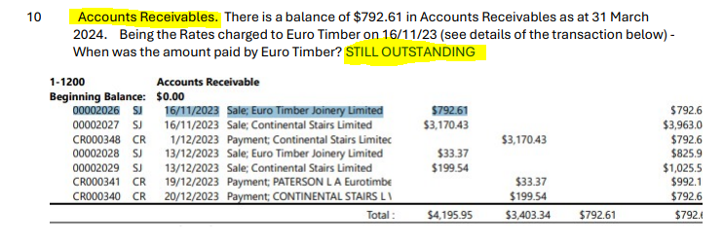
Van Erp Enterprises Limited
YE - 31-03-2024

ACCOUNTS RECEIVABLE/DEBTORS |  |  |  | C

Detail | Code | Gross | GST | Net
Euro Timber Joinery Limited |  | 792.61 | 103.38 | 689.23
 |  |  | - | -
 |  |  | - | -
 | TOTAL | $792.61 | $103.38 | $689.23

Notes:
For exempt/zero rated sales, please manually adjust the GST column
Check that deposits "In Transit" are not in debtors

Client's Reply

