PROJECT
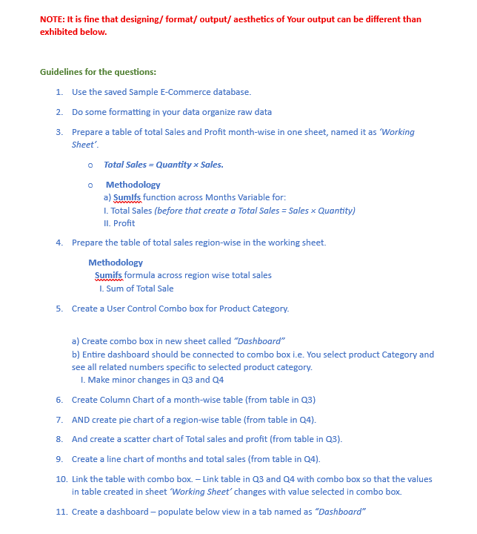

Dashboard
SALES DASHBOARD

Total Sales
Highest Sales Region
Top Category by Sales
Average Sales per Category
Total Category

1515664
SOUTH
Home & Kitchen
378719.5
4

Monthly Sales Analysis
Sales Distribution by Region
Category Sales by Region

COLUMN CHART
JANUARY | 5791 | 113877
FEBRUARY | 6167 | 134699
MARCH | 5032 | 102607
APRIL | 6465 | 134611
MAY | 6319 | 116651
JUNE | 6157 | 150080
JULY | 7461 | 151680
AUGUST | 7183 | 152948
SEPTEMBER | 3395 | 71231
OCTOBER | 7674 | 132871
NOVEMBER | 4276 | 93084
DECEMBER | 6648 | 161325
NORTH | 352967
EAST | 333616
WEST | 0
SOUTH | 448301
 | West | North | East | South
Beauty | 27384.14 | 38454.51 | 19078.01 | 34147.56
Clothing | 35875.49 | 28343.68 | 28548.22 | 23715.81
Electronics | 22738.72 | 27181.6 | 33963.62 | 34708.53
Home & Kitchen | 33870.37 | 25334.45 | 30153.14 | 43936.83

Monthly Sales Distribution
Monthly Sales Trend
Sales Contribution by Category

JANUARY | 5791 | 113877
FEBRUARY | 6167 | 134699
MARCH | 5032 | 102607
APRIL | 6465 | 134611
MAY | 6319 | 116651
JUNE | 6157 | 150080
JULY | 7461 | 151680
AUGUST | 7183 | 152948
SEPTEMBER | 3395 | 71231
OCTOBER | 7674 | 132871
NOVEMBER | 4276 | 93084
DECEMBER | 6648 | 161325
 | Total Sale
JANUARY | 113877
FEBRUARY | 134699
MARCH | 102607
APRIL | 134611
MAY | 116651
JUNE | 150080
JULY | 151680
AUGUST | 152948
SEPTEMBER | 71231
OCTOBER | 132871
NOVEMBER | 93084
DECEMBER | 161325

