Order Dashboard
ORDER DASHBORD

Total Sales
Total Profit
Total Orders
1200
128551497.2
26569883.09

Monthly Sales Trend Sales by Category Sales Channel Distribution

 | Total
Electronics | 51979377.6
Fashion | 22361289.45
Furniture | 35609202.35
Home | 18601627.8
 | Total
Jan | 22099242.4
Feb | 20583785.75
Mar | 21674450.65
Apr | 21362114.9
May | 24400840.35
Jun | 18431063.15
ONLINE | 58935604.8
OFFLINE | 69491152.4

Sales by Region Payment Mode Distribution Top Products by Sales

 | Total
West | 36166621.7
North | 35315600.55
East | 19237990.6
South | 37831284.35
Card | 44834764.65
UPI | 43313306.15
Cash | 40403426.4
Shoes |  | 22361289.45
Laptop |  | 25229311
Table |  | 19088733.05
Chair |  | 16520469.3
Mobile |  | 26750066.6
Mixer |  | 18601627.8

Inventory Dashboard
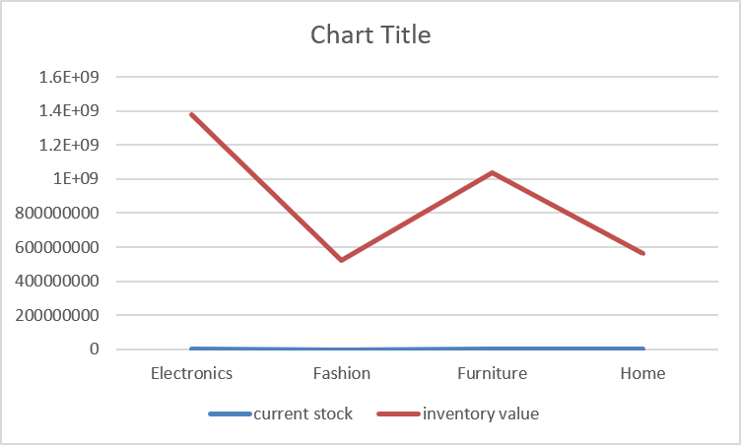
INVENTORY DASHBOARD

TOTAL INVENTORY
Total Sales
Total Sales
AVERAGE SUPPLY RATING

3501388032
110575
199
4.2715

Stock by Category Region-wise Stock Stock Status Distribution Inventory Value By Category

Normal | 595
Low | 199
Out | 6
Electronics | 1377056604
Fashion | 524563735
Furniture | 1034468318
Home | 565299375
 | Total
Electronics | 43296
Fashion | 17065
Furniture | 32028
Home | 18186
Bengaluru WH | 28209
Kolkata WH | 26061
Delhi WH | 29826
Mumbai WH | 26479

Current Stock Vs Inventory Value Supplier Rating Stock By Supplier

 | 4.6 | 61
 | 3.8 | 42
 | 4.1 | 56
 | 4.9 | 56
 | 4.2 | 54
 | 3.7 | 51
 | 4.3 | 66
 | 3.6 | 51
 | 3.9 | 50
 | 4.7 | 47
 | 4.5 | 57
 | 4.8 | 53
 | 4.4 | 62
 | 3.5 | 23
 | 4 | 45
 | 5 | 26
 | Total
NovaSupply | 28835
PrimeTrade | 25128
SupplyHub | 30673
TechCorp | 25939

