Charts
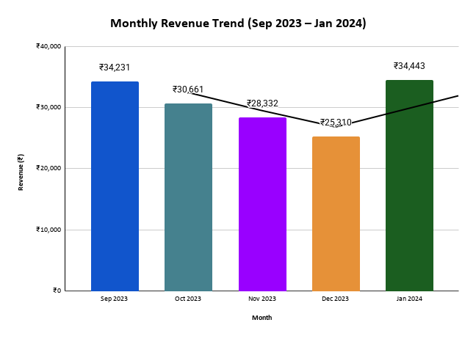
Mr. Pizza — Analysis Charts | ABC Summary
All charts generated from Summary Analysis sheet data. Data period: Sep 2023 – Jan 2024 | Class | Items | Revenue (₹)
 | A | 12 | 105854
 | B | 9 | 31044
 | C | 26 | 16079

 | Top 10 by Qty
 | Item | Qty
 | Veg Burger | 174
 | Kulhad Pizza | 165
 | Cold Drink | 157
 | Mix Veg Margharita | 140
 | Cheese N Corn Pizza | 130
 | Onion Cheese Pizza | 126
 | Baby Cheese Pizza | 97
 | Veg Cheese Burger | 82
 | Cold Coffee | 59
 | Paneer Pizza | 56

Total Revenue by Day of Week
 | Revenue (₹)
Revenue (₹)

Top 10 Items by Quantity Sold

Revenue by Product Category
 | Revenue (₹)

Top 15 items by Revenue (Pareto)
Weekly Revenue vs MA4 Forecast

Weekly Revenue (₹) and MA4 Revenue (₹)

