dashboard
coffee day sales
₹ 23,22,627.73 total bill amount
5000 no.of orders
464.4
avg order value
2.47 avg quantity/order
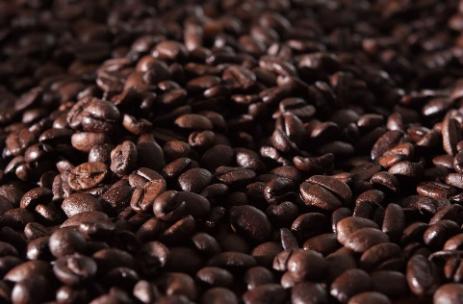

monthly revenue
 | Total
January | 295800.49
February | 231192.28
March | 264939.74
April | 274148.35
May | 261644.42
June | 252165.92
July | 276350.51
August | 266172.23
September | 200213.79
Quantity ordered based on hour
 | Total
8 | 472
9 | 532
10 | 476
11 | 486
12 | 502
13 | 483
14 | 481
15 | 513
16 | 541
17 | 494
18 | 515
19 | 514
20 | 535
21 | 458
size distibution based on orders
 | Total
Large | 3164
Regular | 6090
Small | 3114

categories distribution based on revenue
 | Total
Coffee | 999203.08
Cold Beverages | 373855.4
Desserts | 237682.25
Snacks | 354092.69
Tea | 357794.31
top 5 products based on revenue
 | Total
Americano | 70149
Cold Coffee | 63372
Espresso | 60853
Latte | 64189
Mocha | 61690
footfall and revenue of various store
 | Sum of TotalAmount | Sum of Footfall
BTM Layout | 235745.91 | 84890
Electronic City | 246742.49 | 90843
Hebbal | 225854.1 | 82565
HSR Layout | 234900.22 | 85340
Indiranagar | 241714.94 | 92281
Jayanagar | 223235.94 | 89284
Koramangala | 232731.84 | 87406
Malleshwaram | 230877.38 | 87692
MG Road | 227255.59 | 84605
Whitefield | 223569.32 | 82705

