2019_ESS Review
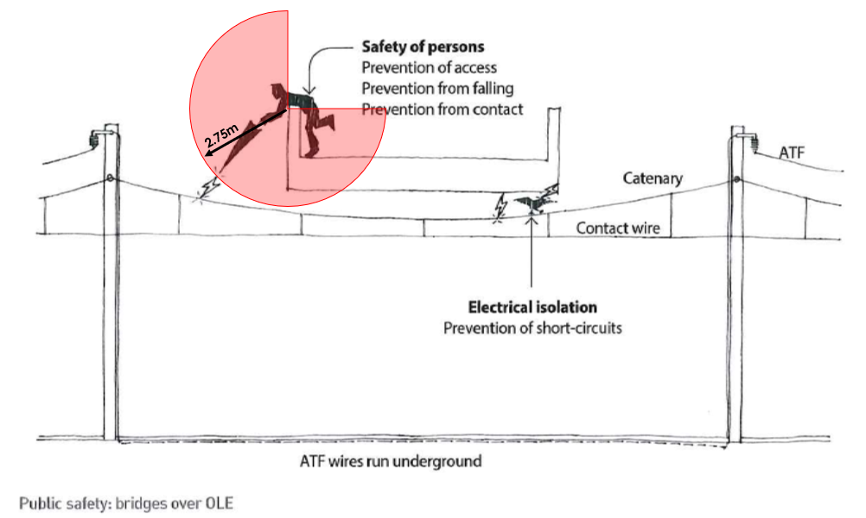
ELR | From | To | Track | Features /Identification/Local Name |  | Asset Type | Hazard Ref. | Description of Scenario | Description of Identified Hazard | Description of Consequence | Consequence Category | Persons at Risk | Current Risk Reduction Measures | Current Risk |  |  |  | CSM-RA Principle |  |  |  | Proposed Alternative Risk Reduction Measures | Target Risk |  |  |  | Evidence | Status (Open/Closed) | Risk Reduction Action Plan |  | Residual Hazard Description | Residual Hazard Control Measures | Residual Hazard Owner | Project Transfer Status | Work Arising Estimate | Actual Date | OS Reference
 | Miles | Miles |  |  |  |  |  |  |  |  |  |  |  | Liklihood | Severity | Rating | Date Logged | Qualitative / Quantitative result or N/A | Applicable risk criteria | Evidence (e.g. NR Standard (including sub-clause) | Treat (Reduce)/ Tolerate (Accept)/ Transfer (Share or Transfer)/ Terminate (Avoid) |  | Liklihood | Severity | Rating | Target Date |  |  | Action Plan Owner | Due Date
GSM4 | 106.1452 | 106.1452 | Both | 61 | RBE_ASFORDBY ROAD | Overbridge |  | Electrocution of workforce or members of the public if reaching over parapet | Potentially insufficient electrical clearances | Electrocution | Safety/ Health/ Environment | All | No electrification within this structure | 1 | 3 | 4 | 2019-03-12 | Quantitative | Code of Practice | GL/RT1210 AC Energy Subsystem and Interfaces | Tolerate |  |  |  | 0 |  |  | Open | Network Rail
GSM4 | 108.0220 | 108.022 | Both | 56 | Gravel Hole Bridge | Overbridge |  | Electrocution of workforce or members of the public if reaching over parapet | Potentially insufficient electrical clearances | Electrocution | Safety/ Health/ Environment | All | None - Parapets are not at an adequate height for the required length above OLE equipment | 3 | 3 | 6 | 2019-03-12 | Quantitative | Code of Practice | GL/RT1210 AC Energy Subsystem and Interfaces | Treat |  |  |  | 0 |  |  | Open | Network Rail
GSM4 | 108.0814 | 108.0814 | Both | 55 | Morris' Bridge | Overbridge |  | Electrocution of workforce or members of the public if reaching over parapet | Potentially insufficient electrical clearances | Electrocution | Safety/ Health/ Environment | All | Parapets are of adequate dimensions to provide protection | 1 | 3 | 4 | 2019-03-12 | Quantitative | Code of Practice | GL/RT1210 AC Energy Subsystem and Interfaces | Tolerate |  |  |  | 0 |  |  | Open | Network Rail
GSM4 | 110.0044 | 110.0132 | Both | 50 | Saxelbye Covered Way | Overbridge |  | Electrocution of workforce or members of the public if reaching over parapet | Potentially insufficient electrical clearances | Electrocution | Safety/ Health/ Environment | All | None - Parapets are not at an adequate height for the required length above OLE equipment | 3 | 3 | 6 | 2019-03-12 | Quantitative | Code of Practice | GL/RT1210 AC Energy Subsystem and Interfaces | Treat |  |  |  | 0 |  |  | Open | Network Rail
GSM4 | 112.1210 | 112.121 | Both | 45 | Willoughby Road | Overbridge |  | Electrocution of workforce or members of the public if reaching over parapet | Potentially insufficient electrical clearances | Electrocution | Safety/ Health/ Environment | All | Parapets are of adequate dimensions to provide protection | 1 | 3 | 4 | 2019-03-12 | Quantitative | Code of Practice | GL/RT1210 AC Energy Subsystem and Interfaces | Tolerate |  |  |  | 0 |  |  | Open | Network Rail
GSM4 | 113.0198 | 113.0198 | Both | 44 | Wolley's Bridge | Overbridge |  | Electrocution of workforce or members of the public if reaching over parapet | Potentially insufficient electrical clearances | Electrocution | Safety/ Health/ Environment | All | Parapets are of adequate dimensions to provide protection | 1 | 3 | 4 | 2019-03-12 | Quantitative | Code of Practice | GL/RT1210 AC Energy Subsystem and Interfaces | Tolerate |  |  |  | 0 |  |  | Open | Network Rail
GSM4 | 113.0682 | 113.0682 | Both | 43 | Folly Hall Bridge | Overbridge |  | Electrocution of workforce or members of the public if reaching over parapet | Potentially insufficient electrical clearances | Electrocution | Safety/ Health/ Environment | All | Parapets are of adequate dimensions to provide protection | 1 | 3 | 4 | 2019-03-12 | Quantitative | Code of Practice | GL/RT1210 AC Energy Subsystem and Interfaces | Tolerate |  |  |  | 0 |  |  | Open | Network Rail
GSM4 | 114.1672 | 114.1672 | Both | 37 | Hollingworth's Bridge | Overbridge |  | Electrocution of workforce or members of the public if reaching over parapet | Potentially insufficient electrical clearances | Electrocution | Safety/ Health/ Environment | All | Parapets are of adequate dimensions to provide protection | 1 | 3 | 4 | 2019-03-12 | Quantitative | Code of Practice | GL/RT1210 AC Energy Subsystem and Interfaces | Tolerate |  |  |  | 0 |  |  | Open | Network Rail
GSM4 | 115.0484 | 115.0484 | Both | 36 | Widmerpool Station | Overbridge |  | Electrocution of workforce or members of the public if reaching over parapet | Potentially insufficient electrical clearances | Electrocution | Safety/ Health/ Environment | All | Parapets are of adequate dimensions to provide protection | 1 | 3 | 4 | 2019-03-12 | Quantitative | Code of Practice | GL/RT1210 AC Energy Subsystem and Interfaces | Tolerate |  |  |  | 0 |  |  | Open | Network Rail
GSM4 | 115.0858 | 115.0858 | Both | 35 | Newbound's Bridge | Overbridge |  | Electrocution of workforce or members of the public if reaching over parapet | Potentially insufficient electrical clearances | Electrocution | Safety/ Health/ Environment | All | None - Parapets are not at an adequate height for the required length above OLE equipment | 3 | 3 | 6 | 2019-03-12 | Quantitative | Code of Practice | GL/RT1210 AC Energy Subsystem and Interfaces | Treat |  |  |  | 0 |  |  | Open | Network Rail
GSM4 | 117.0022 | 117.0022 | Both | 31 | Page's Bridge | Overbridge |  | Electrocution of workforce or members of the public if reaching over parapet | Potentially insufficient electrical clearances | Electrocution | Safety/ Health/ Environment | All | Parapets are of adequate dimensions to provide protection | 1 | 3 | 4 | 2019-03-12 | Quantitative | Code of Practice | GL/RT1210 AC Energy Subsystem and Interfaces | Tolerate |  |  |  | 0 |  |  | Open | Network Rail
GSM4 | 117.0132 | 117.0132 | Both | 30 | Holbook's Bridge | Overbridge |  | Electrocution of workforce or members of the public if reaching over parapet | Potentially insufficient electrical clearances | Electrocution | Safety/ Health/ Environment | All | Parapets are of adequate dimensions to provide protection | 1 | 3 | 4 | 2019-03-12 | Quantitative | Code of Practice | GL/RT1210 AC Energy Subsystem and Interfaces | Tolerate |  |  |  | 0 |  |  | Open | Network Rail
GSM4 | 117.0748 | 117.0748 | Both | 29 | Burton's Bridge | Overbridge |  | Electrocution of workforce or members of the public if reaching over parapet | Potentially insufficient electrical clearances | Electrocution | Safety/ Health/ Environment | All | Parapets are of adequate dimensions to provide protection | 1 | 3 | 4 | 2019-03-12 | Quantitative | Code of Practice | GL/RT1210 AC Energy Subsystem and Interfaces | Tolerate |  |  |  | 0 |  |  | Open | Network Rail
GSM4 | 106.1666 | 107.0309 | Both | 60 | Asfordby | Tunnel Bore |  | Electrocution of workforce or members of the public if reaching over parapet | Potentially insufficient electrical clearances | Electrocution | Safety/ Health/ Environment | All | No electrification within this structure | 1 | 3 | 4 | 2019-03-12 | Quantitative | Code of Practice | GL/RT1210 AC Energy Subsystem and Interfaces | Tolerate |  |  |  | 0 |  |  | Open | Network Rail
GSM4 | 108.0976 | 108.1517 | Both | 54 | Saxelby | Tunnel Bore |  | Electrocution of workforce or members of the public if reaching over parapet | Potentially insufficient electrical clearances | Electrocution | Safety/ Health/ Environment | All | None - Parapets are not adequate for the required length above OLE equipment | 3 | 3 | 6 | 2019-03-12 | Quantitative | Code of Practice | GL/RT1210 AC Energy Subsystem and Interfaces | Treat |  |  |  | 0 |  |  | Open | Network Rail
GSM4 | 110.0279 | 110.1586 | Both | 49 | Grimston | Tunnel Bore |  | Electrocution of workforce or members of the public if reaching over parapet | Potentially insufficient electrical clearances | Electrocution | Safety/ Health/ Environment | All | None - Parapets are not adequate for the required length above OLE equipment | 3 | 3 | 6 | 2019-03-12 | Quantitative | Code of Practice | GL/RT1210 AC Energy Subsystem and Interfaces | Treat |  |  |  | 0 |  |  | Open | Network Rail
GSM4 | 115.1643 | 106.1212 | Both | 32 | Stanton | Tunnel Bore |  | Electrocution of workforce or members of the public if reaching over parapet | Potentially insufficient electrical clearances | Electrocution | Safety/ Health/ Environment | All | None - Parapets are not adequate for the required length above OLE equipment | 3 | 3 | 6 | 2019-03-12 | Quantitative | Code of Practice | GL/RT1210 AC Energy Subsystem and Interfaces | Treat |  |  |  | 0 |  |  | Open | Network Rail

