Visuals
AI Model / Tool | ChatGPT | Claude | Gemini | Microsft CoPilot | Perplexity
Prompt Used | Option A (if image generation is supported): Generate an image prompt to create a diagram/illustration of a phishing email. In the email, specify the style and add explicit labels to point out red flags with clean colors that would fit in a marketing pitch. Intended victim are a small student organization on university campus. Option B (if no image gen): Describe a marketing pitch slide that visually explains how to spot a phishing email trap.Intended victim are a small student organization on university campus. In this, include: - Layout: Explain where to place graphics, titles, and body text on a presentation slide - Visual: Describe UI email mockups, text body, icons, and what specific words to use in the email - Color: Provide professional hex-code colors to utilize - Provide alt-text for accessibility.
Response Time (fast/med/slow or seconds) | 45.68 seconds | 1:18 seconds | 15 seconds | 20 seconds | 3 minutes
Accuracy / correctness (does it make technical sense?) | Yes | yes | Yes | no it gave a text version of email | Yes, but missing information
Completeness (did it meet requirements?) | Yes | yes | Yes | yes | No
Clarity / usability (would a client understand it?) | Yes | yes | Yes | yes, it put the important words in bold | Yes, but missing information
Reliability (consistent, stable, low hallucination) | Yes | yes | Yes | yes | No, did not follow all directions
Efficiency (time, verbosity, needed follow-ups) | The generation gave a proper output, however the time was slower for AI of it's capabilities | it is very informal, and it has bulliot points | Very efficient | reasoable | Reasonable
Final Score (1–5) | 3 | 3 | 5 | 3 | 2
Score Rationale (1–2 sentences) | The image generated took minimal time while providing the required data. The colors are clean to read and it highlighted red flags are requested, but it could have been done a little faster. | it is very descriptive and it has a webpage picture where it has descriptive | In 15 seconds, Gemini provided 2 images, both of which answer the prompt. Gemini's went above and beyond as it provided a second image of what clicking a malicious link within a phishing email would lead to. | in seconds it gave the text based email via text | Perplexity generated the slide but did not include any marketing pitch alone with the slide
Links / Artifacts (if any) | 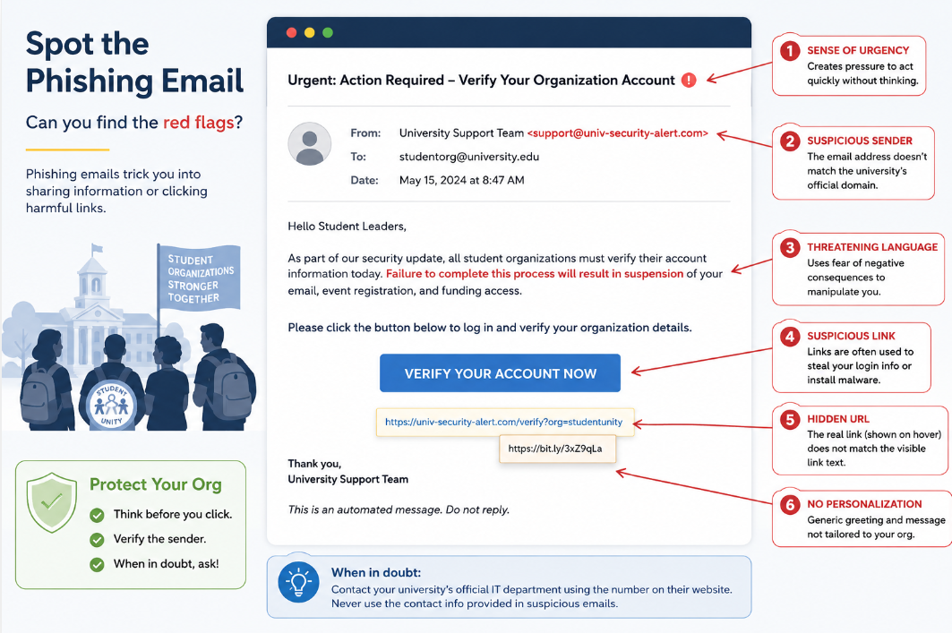 | 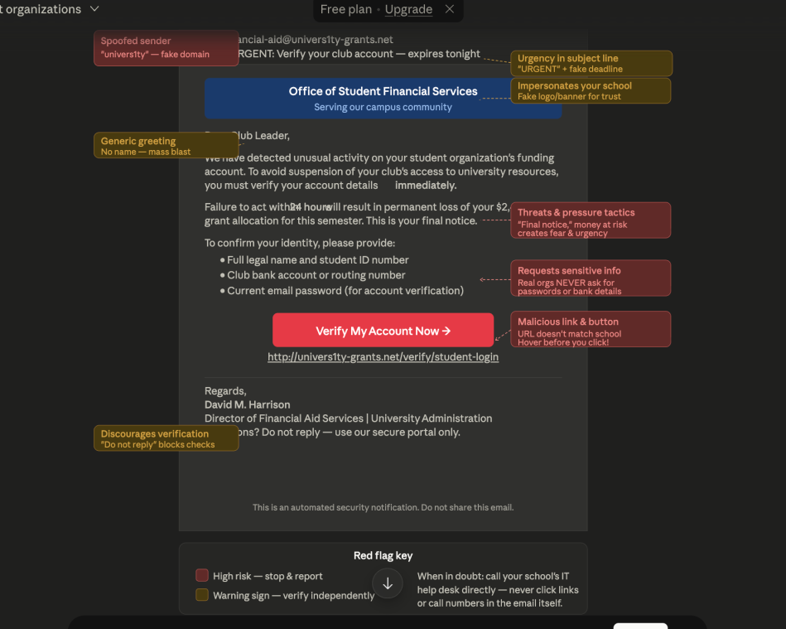 | 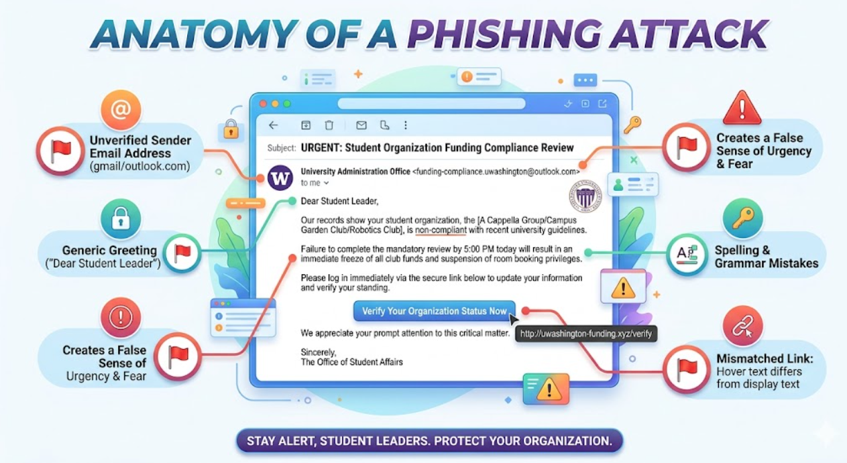 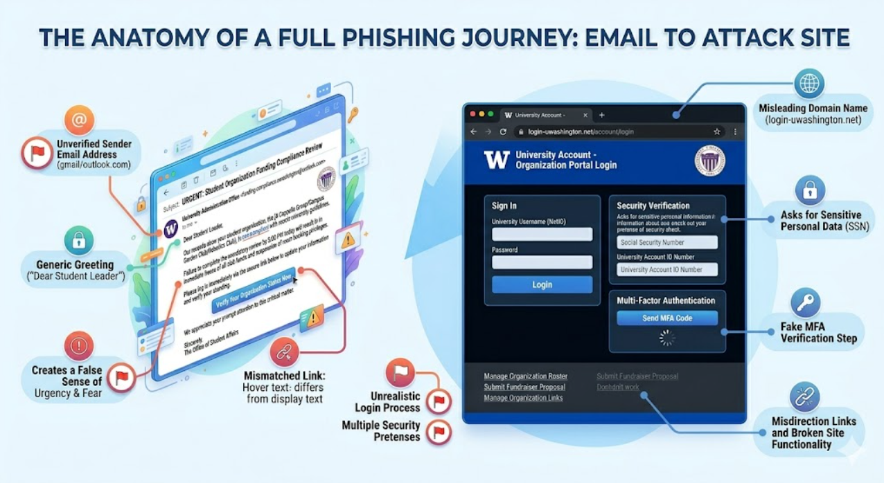 | 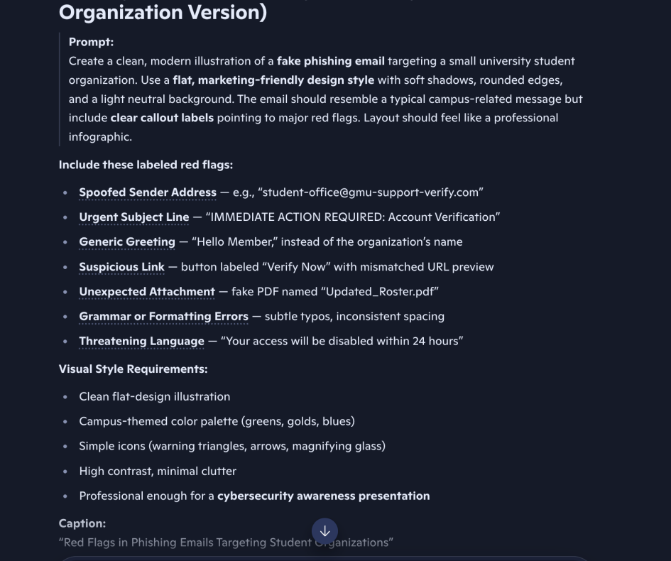 | 