Image Guidelines
Image Guidelines
Parameters | Common Sellers | Ajio Business | Ajio
Technical Requirements | Required Image aspect ratio: 1:1.25. Image should be more than 1000 pixels in both height and width | Minimum Requirement – Between the Range of 1:1 to 1:2, suggested – 4:5. Minimum acceptable - Width = 720px
 | Image should be in JPEG (.jpeg/.jpg) and PNG (.png) format
 | Size of images should not be < 200KB or > 1MB
 | Images should be in RGB color mode
 | Resolution: 72 dpi
Shoot Type | Product shot on Model, Table top/flat shoot, Hanger shoot, Product shoot | Mannequin shoots and Ghost Mannequin shoots are allowed | Mannequins, ghost mannequin or pack images as First image are not acceptable
Product images | AJIO and AJIO Business encourage shooting products like Footwear, Jewellery and Bags with models, you may also shoot them without model
Background Color | Any light color background including white color are acceptable | Catalog images and lifestyle backgrounds are allowed | Catalog images and lifestyle backgrounds can be used for certain bricks
Style shots | Lifestyle, Celebrity image, Detail or Package images are allowed only as secondary images
Obscene/Prurient Images | 1) For lingerie, image should not depict nudity/ vulgarity. Transparent/ Netted/ Laced items should be shot as flat images/ on mannequin. Breasts/ Nipples/ Genitals must be covered with clothing 2) Un-parliamentary wordings on products are not allowed
Mandatory angles | Angles required are image with good Front view, Side, Back and Detail view. Number of angles can differ based on the brick
Props or Accessories | Should be minimal and used in a way that it does not distract from the item on sales or cause any customer confusion on what they would be receiving. Props should not be placed in such a way that they interfere or cover an important view of the product
Illustration/text | Avoid adding any watermarks or borders to the images. Showing Promotional text, Brand url, Pricing details are also not allowed.
Shadow | Retain or create natural product shadow to show depth
Political/religious Images | Images used should not hurt any religious or political values in any manner
Freebie | Any freebie information should be called out in the style or additional Information
Image Sequencing | Column for ‘MODEL field’ in VMS template is for primary/ first image, followed by MODEL2, MODEL3 for additional images. SWATCH image of product has to be updated only in SWATCH field.
Product Occupancy of Image | 80 - 85% for all angles, 100% for Detail shot
Celebrity images | Allowed with authorization
Cropping | A cropped image is required as first image for Bottom wear/ Top wear, to fill image frame with the item on sales . For Models, head cut from base of the nose is allowed
Brand Infringment | Infringement not allowed in the image i.e. Usage of image without permission/license or identical recreation of image
Duplicate images | For any angle, duplicate images are not allowed
Few examples of Non-acceptable images in Home Page | 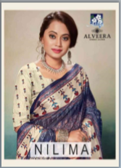 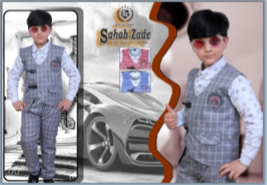 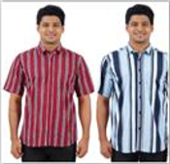 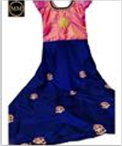 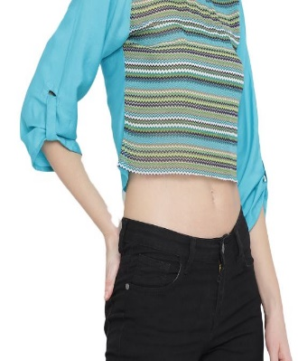 |  | 