fingers
En unity los dedos se mueven en el eje x de 0 a un valor maximo de -80
La posicion natural es de aproximadamene -23 en el indice |  |  |  |  |  |  |  |  | -25 | #NAME? |  | En unity el cuerpo est{a localizado en x0,y0yz0 como si los pies estuvieran en ese punto

 |  |  |  | 6 | -4.2 |  |  | 30.73168
 |  |  |  |  |  | max | min
 |  |  |  | y1 | y2 | x1 | x2 | a | b | onyl move 3rd falange if value is less than
0 | R | pink | 1 | -25 | -80 | 2980.958 | 38.4146 | 0.018771855667 | -80.721113327 | 1698.499 | -61.949257659
1 | R | pink | 2 | 6,326 | -80 | 2980.958 | 38.4146 | 2.1770282131 | -163.62966799
2 | R | pink | 3 | 5,373 | -80 | 2980.958 | 38.4146 | 1.8531587334 | -151.18835148

3 | R | ring | 1 | -25 | -80 | 4598.998 | 123.5204 | 0.012289191214 | -81.517965814 | 1026.175
4 | R | ring | 2 | 0 | -80 | 4598.998 | 123.5204 | 0.01787518722 | -82.207950276
5 | R | ring | 3 | 0 | -80 | 4598.998 | 123.5204 | 0.01787518722 | -82.207950276
6 | R | mid | 1 | 0 | -80 | 5482.821 | 451.8188 | 0.015901404297 | -87.184553408 | 1071.23
7 | R | mid | 2 | 0 | -80 | 5482.821 | 451.8188 | 0.015901404297 | -87.184553408
8 | R | mid | 3 | 0 | -80 | 5482.821 | 451.8188 | 0.015901404297 | -87.184553408
9 | R | index | 1 | 0 | -80 | 5701.231 | 496.2259 | 0.015369821636 | -87.626903574 | 1247.512 | -18.862321576
10 | R | index | 2 | 0 | -80 | 5701.231 | 496.2259 | 0.015369821636 | -87.626903574
11 | R | index | 3 | 0 | -80 | 5701.231 | 496.2259 | 0.015369821636 | -87.626903574 | 1260.854 |  | Default rigth hand position and rotation

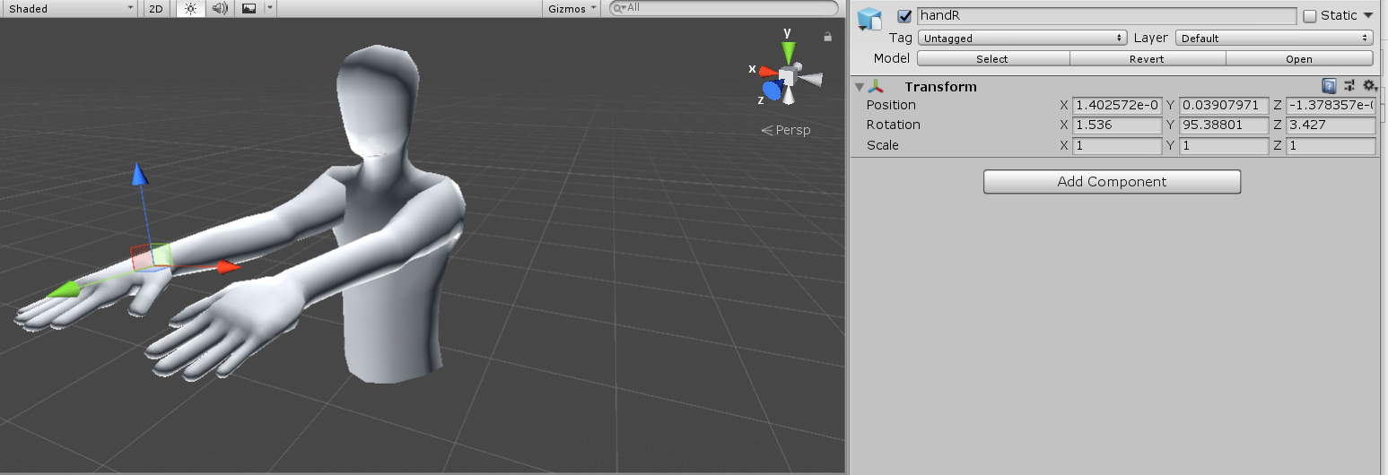
12 | R | Thumb | 1 | -25 | 30 | 5011.704 | 315.4204 | -0.011711388128 | 33.694010728 | 3444.49
13 | R | Thumb | 2 | 0 | 50 | 5011.704 | 315.4204 | -0.01064671648 | 53.358191571
14 | R | Thumb | 3 | 0 | 30 | 5011.704 | 315.4204 | -0.0063880298881 | 32.014914943

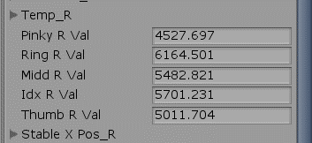
Estos valores no son acertados, en espacial los máximos
thumb
Read register SensorDescriptor (4161): (Tag = 0, Min = 55.675, Max = 8008.68, Hyst. = 1, ConfTime = 0.12, FilterFactor = 0.4)
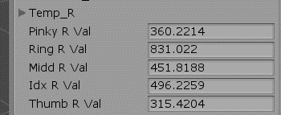
idx
Read register SensorDescriptor (4193): (Tag = 0, Min = 144.9752, Max = 3964.584, Hyst. = 1, ConfTime = 0.12, FilterFactor = 0.4)
middle
Read register SensorDescriptor (4225): (Tag = 0, Min = 0, Max = 5768.436, Hyst. = 1, ConfTime = 0.12, FilterFactor = 0.4)
ring
Read register SensorDescriptor (4257): (Tag = 0, Min = 127.4413, Max = 5252.221, Hyst. = 1, ConfTime = 0.12, FilterFactor = 0.4)
pinky
Read register SensorDescriptor (4289): (Tag = 0, Min = 0, Max = 2172.413, Hyst. = 1, ConfTime = 0.12, FilterFactor = 0.4)

Right hand
 |  | Finger |  | Sensor | Array | Reverse | Unity
 |  | thumb |  | 1 | 0 | 9 | 121314
 |  | thum pressuere |  | 2 | 1 | 8
 |  | Index |  | 3 | 2 | 7 | 91011
 |  | Middle |  | 5 | 4 | 5 | 6789
 |  | Ring |  | 7 | 6 | 3 | 345
 |  | Pinkky |  | 9 | 8 | 1 | 012
 |  |  |  |  | 9 | 0

