Adj_E
 | Mild |  | Moderate |  | Severe
0 | 1 | 0 | 1 | 0 | 1
0.9780821918 | 0.9846790366 | 1 | 0.9817390652 | 0.701369863 | 0.9661970186
2.3698630137 | 0.96821177 | 1.4328767123 | 0.9632400749 | 0.7616438356 | 0.9316658412
5.4356164384 | 0.946212069 | 1.5260273973 | 0.9444770004 | 0.9150684932 | 0.8963262277
6.6630136986 | 0.921555819 | 1.6465753425 | 0.9254080589 | 1.1863013699 | 0.8599722344
7.5945205479 | 0.8911068685 | 2.6410958904 | 0.9061534173 | 1.4657534247 | 0.8226689932
7.6849315068 | 0.8599618565 | 3.0164383562 | 0.8861622099 | 1.495890411 | 0.7844545679
7.7397260274 | 0.8291977234 | 3.2356164384 | 0.8660671485 | 1.6 | 0.7449152289
7.7698630137 | 0.7992284769 | 4.8712328767 | 0.8384344867 | 1.9452054795 | 0.7038526878
7.7945205479 | 0.7689412252 | 4.9753424658 | 0.8110826483 | 2.6493150685 | 0.6622521585
8.1342465753 | 0.7328838487 | 5.9534246575 | 0.7806581723 | 2.997260274 | 0.618498548
9.1095890411 | 0.6816068345 | 5.9835616438 | 0.7493010598 | 3.1095890411 | 0.5727925659
9.3315068493 | 0.6300178971 | 5.9945205479 | 0.7172868951 | 4.501369863 | 0.518436131
9.7616438356 | 0.5769255646 | 6.1671232877 | 0.6848080713 | 4.5643835616 | 0.4650147211
10.024657534 | 0.5123718431 | 6.7232876712 | 0.6525505423 | 4.8 | 0.4086893985
10.02739726 | 0.4459212934 | 7.2876712329 | 0.5930731119 | 5.2082191781 | 0.3480972515
10.789041096 | 0.3609244969 | 8.3698630137 | 0.518041745 | 6.4821917808 | 0.2823133759
11.021917808 | 0.2316572744 | 9.3506849315 | 0.4368022488 | 6.5068493151 | 0.2178867772
11.024657534 | 0.1381233484 | 9.8794520548 | 0.3441823879 | 6.9835616438 | 0.1369552724
11.093150685 | 0.0688915695 | 10.775342466 | 0.254786071
11.909589041 | 0.0258407722 | 10.942465753 | 0.1611553173
13 | 0.0018322914 | 11.175342466 | 0.0161803625
14.843835616 | 3.3961846E-08 | 11.539726027 | 0.000193558
 |  | 11.835616438 | 2.3979067E-09
Mild_T | Mild | Mod_T | Moderate | Sev_T | Severe
0 | 1 | 0 | 1 | 0 | 1 |  |  |  |  |  |  | Test 4 Groups
0.9780821918 | 0.9846790366 | 1 | 0.9817390652 | 0.701369863 | 0.9661970186 |  |  |  |  | m_t | m_s | mod_t | mod_s | sev_t | sev_s | hi_sev_t | hi_sev_s
2.3698630137 | 0.96821177 | 1.4328767123 | 0.9632400749 | 0.7616438356 | 0.9316658412 |  |  |  |  | 0 | 1 | 0 | 1 | 0 | 1 | 0 | 1
5.4356164384 | 0.946212069 | 1.5260273973 | 0.9444770004 | 0.9150684932 | 0.8963262277 |  |  |  | This plot is corrected as of 20200514 with female indicator classificaiton set properly | 0.97808219178 | 0.9843074355 | 5.9534246575 | 0.89682586234 | 1 | 0.97438733749 | 0.70136986301 | 0.96911669215
6.6630136986 | 0.921555819 | 1.6465753425 | 0.9254080589 | 1.1863013699 | 0.8599722344 |  |  |  |  | 2.3698630137 | 0.96744451612 | 9.8794520548 | 0.25311934492 | 1.4328767123 | 0.94825973136 | 0.76164383562 | 0.9373578789
7.5945205479 | 0.8911068685 | 2.6410958904 | 0.9061534173 | 1.4657534247 | 0.8226689932 |  |  |  |  | 5.4356164384 | 0.94489716139 |  |  | 1.5260273973 | 0.92164470478 | 0.91506849315 | 0.90477956834
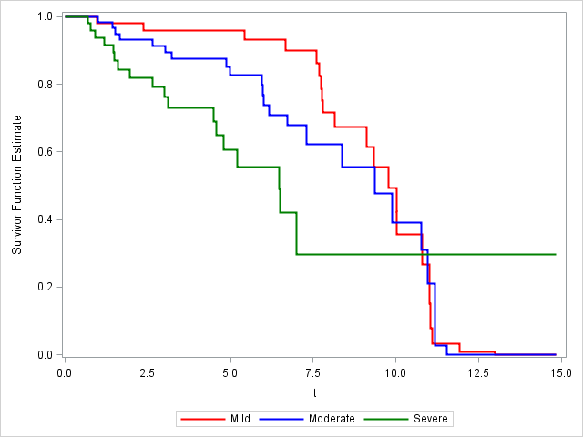
7.6849315068 | 0.8599618565 | 3.0164383562 | 0.8861622099 | 1.495890411 | 0.7844545679 |  |  |  |  | 6.6630136986 | 0.91956557692 |  |  | 1.6465753425 | 0.89430568495 | 1.1863013699 | 0.87119391785
7.7397260274 | 0.8291977234 | 3.2356164384 | 0.8660671485 | 1.6 | 0.7449152289 |  |  |  |  | 7.5945205479 | 0.88817008236 |  |  | 2.6410958904 | 0.8664589755 | 1.4657534247 | 0.83653499046
7.7698630137 | 0.7992284769 | 4.8712328767 | 0.8384344867 | 1.9452054795 | 0.7038526878 |  |  |  |  | 7.6849315068 | 0.85624598138 |  |  | 3.0164383562 | 0.83846156045 | 1.495890411 | 0.8010812468
7.7945205479 | 0.7689412252 | 4.9753424658 | 0.8110826483 | 2.6493150685 | 0.6622521585 |  |  |  |  | 7.7397260274 | 0.82474569565 |  |  | 3.2356164384 | 0.81019937313 | 1.6 | 0.76420978199
8.1342465753 | 0.7328838487 | 5.9534246575 | 0.7806581723 | 2.997260274 | 0.618498548 |  |  |  |  | 7.7698630137 | 0.79409601623 |  |  | 4.8712328767 | 0.77149405182 | 1.9452054795 | 0.72614354098
9.1095890411 | 0.6816068345 | 5.9835616438 | 0.7493010598 | 3.1095890411 | 0.5727925659 |  |  |  |  | 7.7945205479 | 0.7631422727 |  |  | 4.9753424658 | 0.73344982863 | 2.6493150685 | 0.68734888014
9.3315068493 | 0.6300178971 | 5.9945205479 | 0.7172868951 | 4.501369863 | 0.518436131 |  |  |  |  | 8.1342465753 | 0.72641233159 |  |  | 5.9835616438 | 0.69259350722 | 2.997260274 | 0.64622071893
9.7616438356 | 0.5769255646 | 6.1671232877 | 0.6848080713 | 4.5643835616 | 0.4650147211 |  |  |  |  | 9.1095890411 | 0.67399932199 |  |  | 5.9945205479 | 0.6502272823 | 3.1095890411 | 0.60299313747
10.024657534 | 0.5123718431 | 6.7232876712 | 0.6525505423 | 4.8 | 0.4086893985 |  |  |  |  | 9.3315068493 | 0.62133326737 |  |  | 6.1671232877 | 0.60712526255 | 4.501369863 | 0.55095437767
10.02739726 | 0.4459212934 | 7.2876712329 | 0.5930731119 | 5.2082191781 | 0.3480972515 |  |  |  |  | 9.7616438356 | 0.56709265583 |  |  | 6.7232876712 | 0.56459071686 | 4.5643835616 | 0.49929578473
10.789041096 | 0.3609244969 | 8.3698630137 | 0.518041745 | 6.4821917808 | 0.2823133759 |  |  |  |  | 10.024657534 | 0.50116576904 |  |  | 7.2876712329 | 0.49073290799 | 4.8 | 0.4442604146
11.021917808 | 0.2316572744 | 9.3506849315 | 0.4368022488 | 6.5068493151 | 0.2178867772 |  |  |  |  | 10.02739726 | 0.43347607726 |  |  | 8.3698630137 | 0.4238327046 | 5.2082191781 | 0.38371276556
11.024657534 | 0.1381233484 | 9.8794520548 | 0.3441823879 | 6.9835616438 | 0.1369552724 | P-Value | Groups |  |  | 10.789041096 | 0.34594778785 |  |  | 9.3506849315 | 0.34995558363 | 6.4821917808 | 0.31546696031
11.093150685 | 0.0688915695 | 10.775342466 | 0.254786071 |  |  | 0.0007 | 1 2 | e |  | 11.021917808 | 0.21102200991 |  |  | 10.775342466 | 0.26285517715 | 6.5068493151 | 0.24725079839
11.909589041 | 0.0258407722 | 10.942465753 | 0.1611553173 |  |  | <.0001 | 1 3 | e |  | 11.024657534 | 0.11887166085 |  |  | 10.942465753 | 0.16860247538 | 6.9835616438 | 0.15490779335
13 | 0.0018322914 | 11.175342466 | 0.0161803625 |  |  | <.0001 | 2 3 | e |  | 11.093150685 | 0.055330334021 |  |  | 11.175342466 | 0.014436176737
14.843835616 | 3.40E-08 | 11.539726027 | 0.000193558 |  |  | 0.0002 | 1 2 | c |  | 11.909589041 | 0.019128721755 |  |  | 11.539726027 | 0.00014096139235
 |  | 11.835616438 | 2.40E-09 |  |  | <.0001 | 1 3 | c |  | 13 | 0.0013065995166 |  |  | 11.835616438 | 2.557092492E-09
 |  |  |  |  |  | <.0001 | 2 3 | c |  | 14.843835616 | 1.511866996E-08

PLEASE NOTE THESE raw survival values above ARE OUTDATED | use: Surv_ce_raw_20200514 |  |  |  |  |  |  |  | 1 = 'Mild' 2 = 'Mod' 3 = 'Severe';

KM_E
t | Mild |  | Moderate |  | Severe
0 | 1 | 0 | 1 | 0 | 1
0.7479452055 | 1 | 0.3260273973 | 1 | 0.701369863 | 0.95
0.8520547945 | 1 | 1 | 0.976744186 | 0.7616438356 | 0.9
0.9780821918 | 0.9841269841 | 1.4328767123 | 0.9534883721 | 0.9150684932 | 0.85
1.098630137 | 0.9841269841 | 1.5260273973 | 0.9302325581 | 1.1863013699 | 0.8
1.6410958904 | 0.9841269841 | 1.6465753425 | 0.9069767442 | 1.4657534247 | 0.75
1.8876712329 | 0.9841269841 | 2.6410958904 | 0.8837209302 | 1.495890411 | 0.7
2.3698630137 | 0.9674468658 | 2.6657534247 | 0.8837209302 | 1.6 | 0.65
2.6657534247 | 0.9674468658 | 3.0164383562 | 0.8598365808 | 1.9452054795 | 0.6
3.0301369863 | 0.9674468658 | 3.2356164384 | 0.8359522313 | 2.6493150685 | 0.55
3.0547945205 | 0.9674468658 | 3.3726027397 | 0.8359522313 | 2.997260274 | 0.5
3.8438356164 | 0.9674468658 | 3.3917808219 | 0.8359522313 | 3.1095890411 | 0.45
3.8465753425 | 0.9674468658 | 3.5780821918 | 0.8359522313 | 4.1616438356 | 0.45
4.1287671233 | 0.9674468658 | 3.8904109589 | 0.8359522313 | 4.501369863 | 0.39375
4.2164383562 | 0.9674468658 | 4.0410958904 | 0.8359522313 | 4.5643835616 | 0.3375
4.3452054795 | 0.9674468658 | 4.3753424658 | 0.8359522313 | 4.8 | 0.28125
4.6356164384 | 0.9674468658 | 4.5232876712 | 0.8359522313 | 5.2082191781 | 0.225
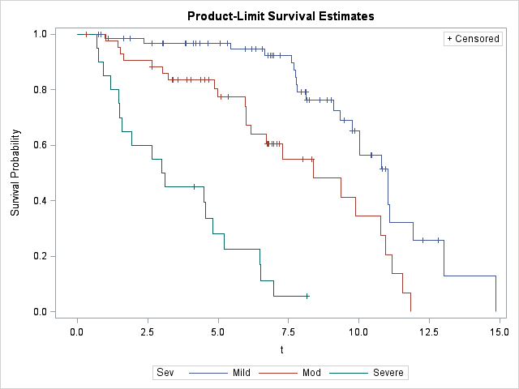
5.0767123288 | 0.9674468658 | 4.6630136986 | 0.8359522313 | 6.4821917808 | 0.16875
5.3424657534 | 0.9674468658 | 4.8712328767 | 0.8049910375 | 6.5068493151 | 0.1125
5.4356164384 | 0.9468628899 | 4.9753424658 | 0.7740298438 | 6.9835616438 | 0.05625
5.9698630137 | 0.9468628899 | 5.101369863 | 0.7740298438 | 8.1479452055 | 0.05625
6.1780821918 | 0.9468628899 | 5.3671232877 | 0.7740298438
6.3452054795 | 0.9468628899 | 5.9534246575 | 0.7403763723
6.5561643836 | 0.9468628899 | 5.9835616438 | 0.7067229009
6.6630136986 | 0.9243185354 | 5.9945205479 | 0.6730694294
6.7753424658 | 0.9243185354 | 6.1671232877 | 0.6394159579
6.8575342466 | 0.9243185354 | 6.7232876712 | 0.6057624865
6.898630137 | 0.9243185354 | 6.7424657534 | 0.6057624865
6.9780821918 | 0.9243185354 | 6.7780821918 | 0.6057624865
7.1863013699 | 0.9243185354 | 6.7945205479 | 0.6057624865
7.202739726 | 0.9243185354 | 6.9150684932 | 0.6057624865
7.5945205479 | 0.8979094344 | 6.9753424658 | 0.6057624865
7.6849315068 | 0.8715003333 | 7.0739726027 | 0.6057624865
7.7397260274 | 0.8450912323 | 7.1643835616 | 0.6057624865
7.7698630137 | 0.8186821313 | 7.2876712329 | 0.5506931695
7.7945205479 | 0.7922730303 | 8.0109589041 | 0.5506931695
7.9479452055 | 0.7922730303 | 8.3260273973 | 0.5506931695
8.0821917808 | 0.7922730303 | 8.3698630137 | 0.4818565233
8.1205479452 | 0.7922730303 | 9.3506849315 | 0.4130198771
8.1342465753 | 0.7629295847 | 9.8794520548 | 0.3441832309
8.1616438356 | 0.7629295847 | 10.775342466 | 0.2753465848
8.2438356164 | 0.7629295847 | 10.942465753 | 0.2065099386
8.6219178082 | 0.7629295847 | 11.175342466 | 0.1376732924
8.8684931507 | 0.7629295847 | 11.539726027 | 0.0688366462
9.0054794521 | 0.7629295847 | 11.835616438 | 0.0688366462
9.1095890411 | 0.7265996045
9.3315068493 | 0.6902696243
9.4630136986 | 0.6902696243
9.7616438356 | 0.6519213118
9.7643835616 | 0.6519213118
9.8438356164 | 0.6519213118
10.024657534 | 0.608459891
10.02739726 | 0.5649984703
10.421917808 | 0.5649984703
10.457534247 | 0.5649984703
10.789041096 | 0.513634973
10.832876712 | 0.513634973
10.931506849 | 0.513634973
11.021917808 | 0.4494306013
11.024657534 | 0.3852262297
11.093150685 | 0.3210218581
11.909589041 | 0.2568174865
12.273972603 | 0.2568174865
12.810958904 | 0.2568174865
13 | 0.1284087432
14.843835616 | 0.1284087432

Adj_CE
t | Mild | t | Moderate | t | Severe
0 | 1 | 0 | 1 | 0 | 1
7.6849315068 | 0.9654857727 | 1 | 0.983360949 | 0.701369863 | 0.9692881066 | P-Value | Groups
9.7616438356 | 0.8849011057 | 1.4328767123 | 0.966432239 | 0.7616438356 | 0.9380550442 | 0.0007 | 1 2 | e
11.024657534 | 0.4740410661 | 1.5260273973 | 0.9491799888 | 0.9150684932 | 0.9058526269 | <.0001 | 1 3 | e
14.843835616 | 1.75E-08 | 1.6465753425 | 0.9315498518 | 1.4657534247 | 0.8699251948 | <.0001 | 2 3 | e
 |  | 2.6410958904 | 0.9137946419 | 1.495890411 | 0.8328109226 | 0.0002 | 1 2 | c
 |  | 3.0164383562 | 0.8954042993 | 1.9452054795 | 0.7899090024 | <.0001 | 1 3 | c
 |  | 3.2356164384 | 0.8768752698 | 2.6493150685 | 0.7461647337 | <.0001 | 2 3 | c
 |  | 4.8712328767 | 0.8507858377 | 2.997260274 | 0.6992747311
 |  | 4.9753424658 | 0.8249538245 | 3.1095890411 | 0.6494260904
 |  | 5.9945205479 | 0.7917892368 | 4.8 | 0.5728606615 |  |  | 1 = 'Mild' 2 = 'Mod' 3 = 'Severe';
 |  | 6.7232876712 | 0.7566098716 | 5.2082191781 | 0.4917214572
 |  | 11.539726027 | 0.0010201451 | 6.4821917808 | 0.4055051954
 |  |  |  | 6.5068493151 | 0.3233295108
 |  |  |  | 6.9835616438 | 0.2125226117
 |  |  |  |  |  | This plot is corrected as of 20200514 with female indicator classificaiton set properly

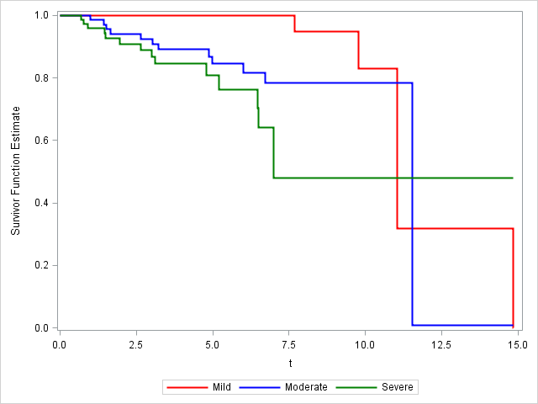
PLEASE NOTE THESE raw survival values above ARE OUTDATED | use: Surv_ce_raw_20200514

KM_CE
t | Mild |  | Moderate |  | Severe
0 | 1 | 0 | 1 | 0 | 1
0.7479452055 | 1 | 0.3260273973 | 1 | 0.701369863 | 0.95
0.8520547945 | 1 | 1 | 0.976744186 | 0.7616438356 | 0.9
0.9780821918 | 1 | 1.4328767123 | 0.9534883721 | 0.9150684932 | 0.85
1.098630137 | 1 | 1.5260273973 | 0.9302325581 | 1.1863013699 | 0.85
1.6410958904 | 1 | 1.6465753425 | 0.9069767442 | 1.4657534247 | 0.796875
1.8876712329 | 1 | 2.6410958904 | 0.8837209302 | 1.495890411 | 0.74375
2.3698630137 | 1 | 2.6657534247 | 0.8837209302 | 1.6 | 0.74375
2.6657534247 | 1 | 3.0164383562 | 0.8598365808 | 1.9452054795 | 0.6865384615
3.0301369863 | 1 | 3.2356164384 | 0.8359522313 | 2.6493150685 | 0.6293269231
3.0547945205 | 1 | 3.3726027397 | 0.8359522313 | 2.997260274 | 0.5721153846
3.8438356164 | 1 | 3.3917808219 | 0.8359522313 | 3.1095890411 | 0.5149038462
3.8465753425 | 1 | 3.5780821918 | 0.8359522313 | 4.1616438356 | 0.5149038462
4.1287671233 | 1 | 3.8904109589 | 0.8359522313 | 4.501369863 | 0.5149038462
4.2164383562 | 1 | 4.0410958904 | 0.8359522313 | 4.5643835616 | 0.5149038462
4.3452054795 | 1 | 4.3753424658 | 0.8359522313 | 4.8 | 0.4290865385
4.6356164384 | 1 | 4.5232876712 | 0.8359522313 | 5.2082191781 | 0.3432692308
5.0767123288 | 1 | 4.6630136986 | 0.8359522313 | 6.4821917808 | 0.2574519231
5.3424657534 | 1 | 4.8712328767 | 0.8049910375 | 6.5068493151 | 0.1716346154
5.4356164384 | 1 | 4.9753424658 | 0.7740298438 | 6.9835616438 | 0.0858173077
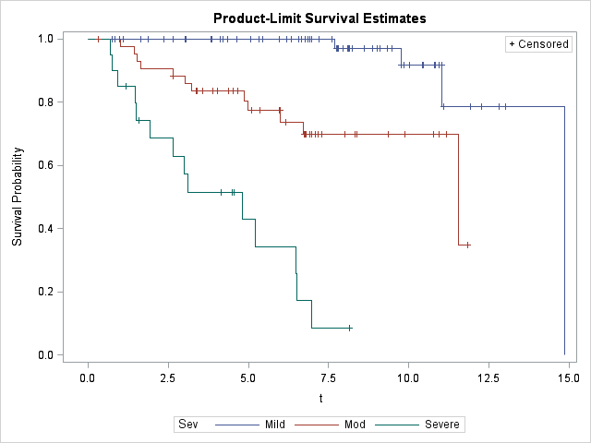
5.9698630137 | 1 | 5.101369863 | 0.7740298438 | 8.1479452055 | 0.0858173077
6.1780821918 | 1 | 5.3671232877 | 0.7740298438
6.3452054795 | 1 | 5.9534246575 | 0.7740298438
6.5561643836 | 1 | 5.9835616438 | 0.7740298438
6.6630136986 | 1 | 5.9945205479 | 0.7371712798
6.7753424658 | 1 | 6.1671232877 | 0.7371712798
6.8575342466 | 1 | 6.7232876712 | 0.6983727914
6.898630137 | 1 | 6.7424657534 | 0.6983727914
6.9780821918 | 1 | 6.7780821918 | 0.6983727914
7.1863013699 | 1 | 6.7945205479 | 0.6983727914
7.202739726 | 1 | 6.9150684932 | 0.6983727914
7.5945205479 | 1 | 6.9753424658 | 0.6983727914
7.6849315068 | 0.9705882353 | 7.0739726027 | 0.6983727914
7.7397260274 | 0.9705882353 | 7.1643835616 | 0.6983727914
7.7698630137 | 0.9705882353 | 7.2876712329 | 0.6983727914
7.7945205479 | 0.9705882353 | 8.0109589041 | 0.6983727914
7.9479452055 | 0.9705882353 | 8.3260273973 | 0.6983727914
8.0821917808 | 0.9705882353 | 8.3698630137 | 0.6983727914
8.1205479452 | 0.9705882353 | 9.3506849315 | 0.6983727914
8.1342465753 | 0.9705882353 | 9.8794520548 | 0.6983727914
8.1616438356 | 0.9705882353 | 10.775342466 | 0.6983727914
8.2438356164 | 0.9705882353 | 10.942465753 | 0.6983727914
8.6219178082 | 0.9705882353 | 11.175342466 | 0.6983727914
8.8684931507 | 0.9705882353 | 11.539726027 | 0.3491863957
9.0054794521 | 0.9705882353 | 11.835616438 | 0.3491863957
9.1095890411 | 0.9705882353
9.3315068493 | 0.9705882353
9.4630136986 | 0.9705882353
9.7616438356 | 0.9166666667
9.7643835616 | 0.9166666667
9.8438356164 | 0.9166666667
10.024657534 | 0.9166666667
10.02739726 | 0.9166666667
10.421917808 | 0.9166666667
10.457534247 | 0.9166666667
10.789041096 | 0.9166666667
10.832876712 | 0.9166666667
10.931506849 | 0.9166666667
11.021917808 | 0.9166666667
11.024657534 | 0.7857142857
11.093150685 | 0.7857142857
11.909589041 | 0.7857142857
12.273972603 | 0.7857142857
12.810958904 | 0.7857142857
13 | 0.7857142857
14.843835616 | 0.7857142857

