KM
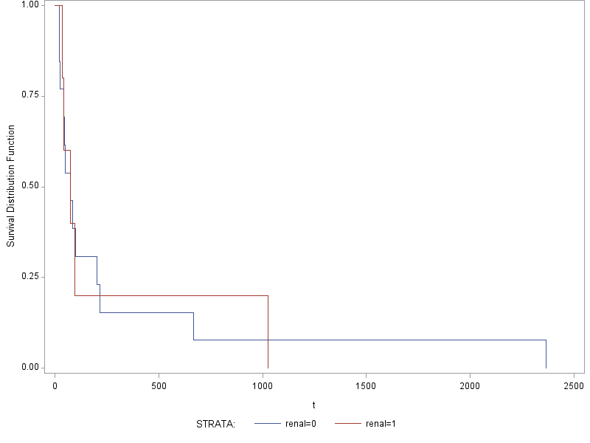
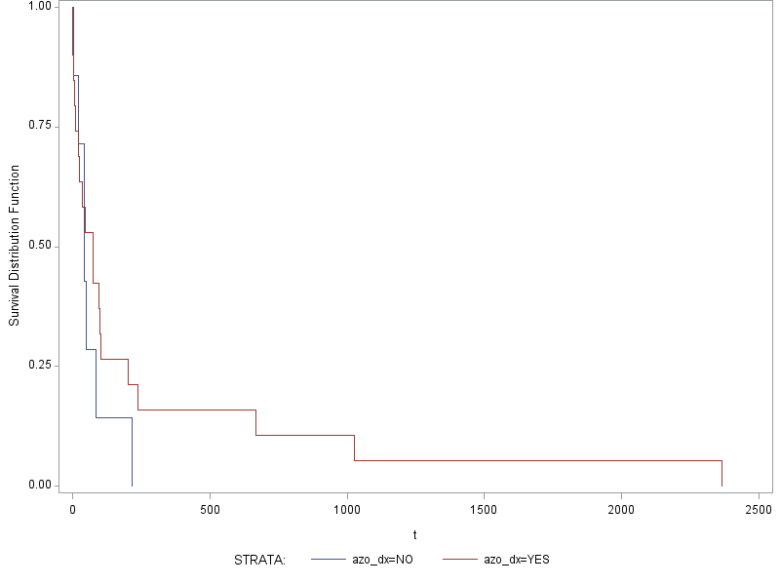
1. Treatment LCHOP (green cells) vs treatment Steroids (blue cells) |  |  |  | 2A. All survival both groups, all cause death comparing M vs F |  |  |  |  | 2B. All survival both groups, all cause death comparing M vs F |  |  |  | 3A. All survival both groups combined all cause death (Limited Population) | 3B. All survival both groups combined all cause death Full Population) |  | 4A. Renal vs. Non-Renal ( Treatment Limited) |  |  | 4B. Renal vs. Non-Renal (Full Population) |  |  |  |  | 5B. Azo_dx (Full Population) |  |  | 5B. anemia_dx (Full Population)
C. Compare LCHOP vs Steroids treated groups for all cause death |  |  |  | Limited to treatment Groups |  |  |  |  | Not Limited to treatment Groups, Full Population
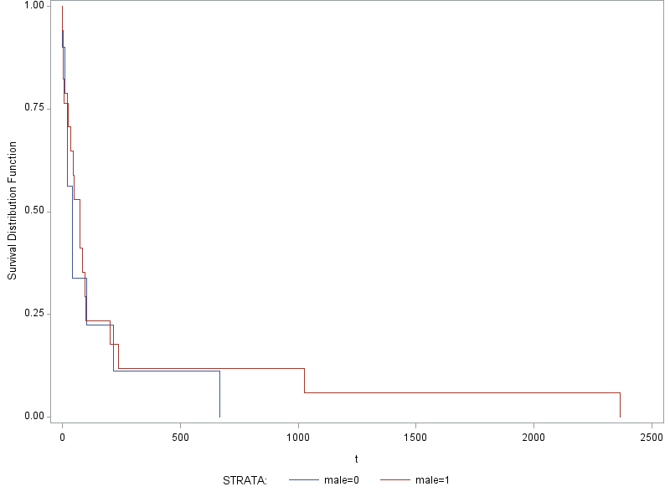
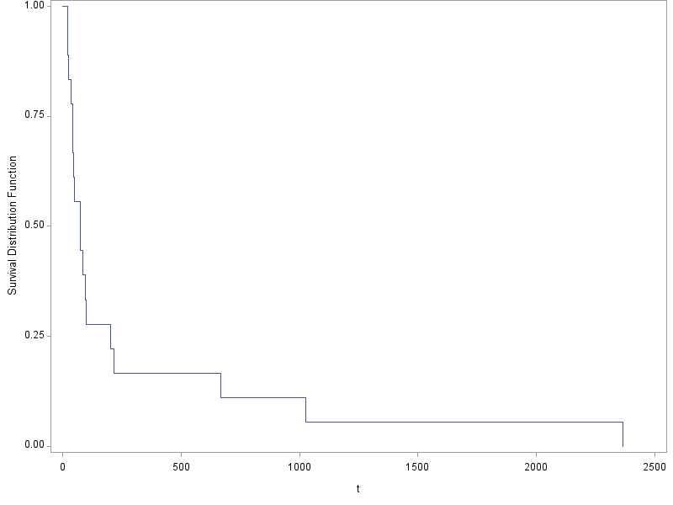
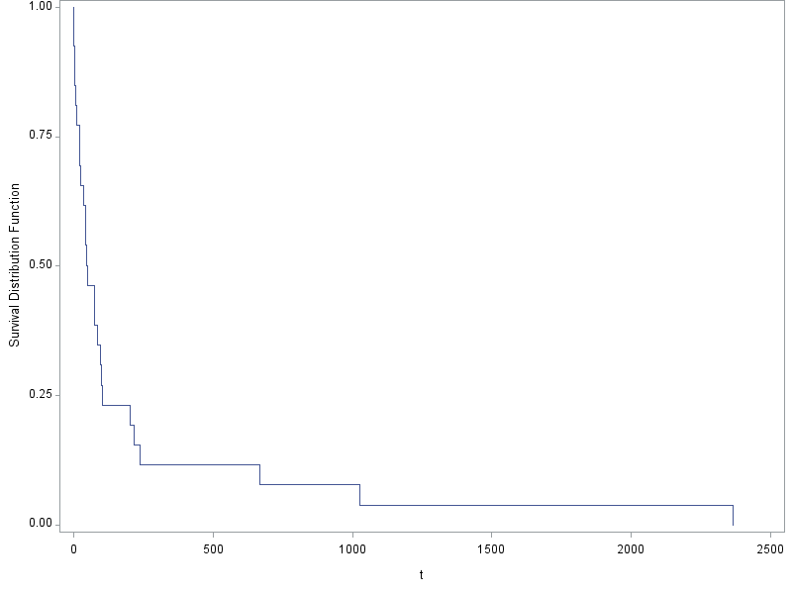
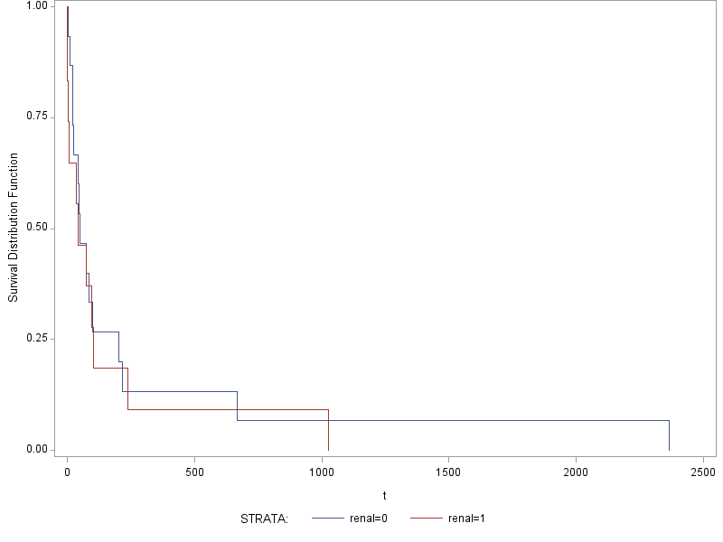
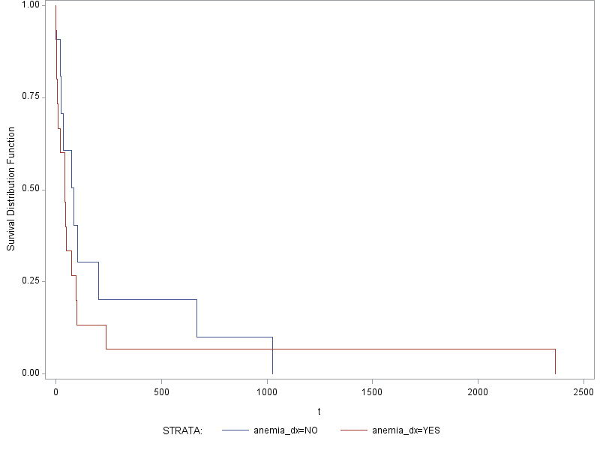
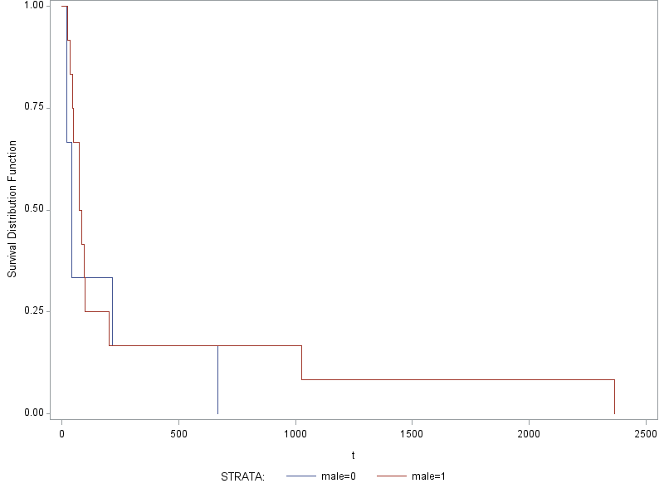
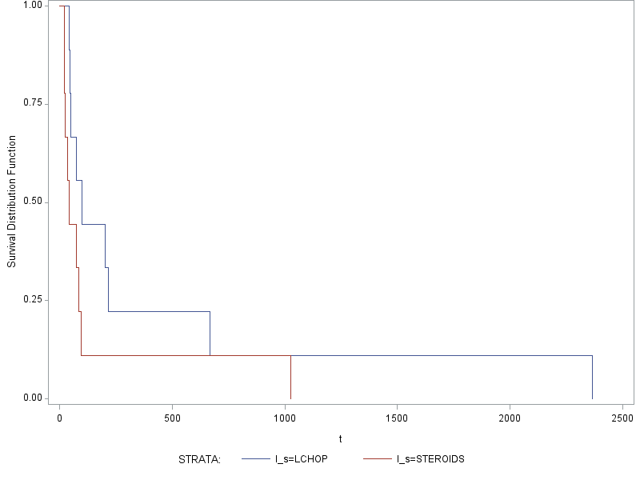

Test of Equality over Strata
Test | Chi-Square | DF | Pr >
 |  |  | Chi-Square |  |  |  |  |  |  |  |  |  |  |  |  |  |  |  |  |  |  |  | Test of Equality over Strata |  |  |  | Test of Equality over Strata
Log-Rank | 2.195 | 1 | 0.1385 |  |  |  |  |  |  |  |  |  |  |  |  |  |  |  | Test of Equality over Strata |  |  |  | Test | Chi-Square | DF | Pr > | Test | Chi-Square | DF | Pr >
Wilcoxon | 3.396 | 1 | 0.0654 |  | Test of Equality over Strata |  |  |  | Test of Equality over Strata |  |  |  |  |  |  |  |  |  | Test | Chi-Square | DF | Pr > |  |  |  | Chi-Square |  |  |  | Chi-Square
-2Log(LR) | 4.0479 | 1 | 0.0442 |  | Test | Chi-Square | DF | Pr > | Test | Chi-Square | DF | Pr > |  |  | Test of Equality over Strata |  |  |  |  |  |  | Chi-Square | Log-Rank | 0.8768 | 1 | 0.3491 | Log-Rank | 0.5477 | 1 | 0.4593
 |  |  |  |  |  |  |  | Chi-Square |  |  |  | Chi-Square |  |  | Test | Chi-Square | DF | Pr > | Log-Rank | 0.2455 | 1 | 0.6202 | Wilcoxon | 0.1612 | 1 | 0.6881 | Wilcoxon | 1.0507 | 1 | 0.3054
 |  |  |  |  | Log-Rank | 0.6845 | 1 | 0.408 | Log-Rank | 0.3352 | 1 | 0.5626 |  |  |  |  |  | Chi-Square | Wilcoxon | 0.6055 | 1 | 0.4365 | -2Log(LR) | 7.7885 | 1 | 0.0053 | -2Log(LR) | 0.0411 | 1 | 0.8394
 |  |  |  |  | Wilcoxon | 1.4257 | 1 | 0.2325 | Wilcoxon | 0.2616 | 1 | 0.609 |  |  | Log-Rank | 0.0165 | 1 | 0.8977 | -2Log(LR) | 1.9756 | 1 | 0.1599
 |  |  |  |  | -2Log(LR) | 1.9112 | 1 | 0.1668 | -2Log(LR) | 2.887 | 1 | 0.0893 |  |  | Wilcoxon | 0.0024 | 1 | 0.9612
 |  |  |  |  |  |  |  |  |  |  |  |  |  |  | -2Log(LR) | 0.0968 | 1 | 0.7557

Reg
Correlation |  |  |  |  |  |  | Cross Tabular Frequency of Gender/Treatment
2 Variables: | creat_dx hct_dx |  |  |  |  |  | Table of l_s by male |  |  |  |  | Mean Differences of Age/Treatment
Simple Statistics |  |  |  |  |  |  |  |  | male |  | Total | Effect | l_s | Mean | Standard | DF | t Value | Pr > |t|
Variable | N | Mean | Std Dev | Sum | Minimum | Maximum |  |  | 0 | 1 |  |  |  |  | Error
creat_dx | 11 | 4.79091 | 3.46539 | 52.7 | 0.7 | 11 | l_s |  | 3 | 6 | 9 | l_s | LCHOP | 9.7778 | 1.3887 | 14 | 7.04 | <.0001
hct_dx | 12 | 27.175 | 5.38687 | 326.1 | 15.1 | 34 | LCHOP | Frequency |  |  |  | l_s | STEROIDS | 11.7143 | 1.5746 | 14 | 7.44 | <.0001
Pearson Correlation Coefficients |  |  |  |  |  |  |  | Percent | 16.67 | 33.33 | 50
Indicates a correlation of 0.188 with a p-value of 0.58.
Prob > |r| under H0: Rho=0 |  |  |  |  |  |  |  | Row Pct | 33.33 | 66.67 |  | Differences of Least Squares Means
Number of Observations |  |  |  |  |  |  |  | Col Pct | 50 | 50 |  | Effect | l_s | _l_s | Estimate | Standard | DF | t Value | Pr > |t|
 | creat_dx | hct_dx |  |  |  |  | STEROIDS | Frequency | 3 | 6 | 9 |  |  |  |  | Error
creat_dx | 1 | 0.18849 |  |  |  |  |  | Percent | 16.67 | 33.33 | 50 | l_s | LCHOP | STEROIDS | -1.9365 | 2.0995 | 14 | -0.92 | 0.372
Indicates a perfect distribution of males and females between the two groups of 3 and 6, incidentally.
 |  | 0.5789 |  |  |  |  |  | Row Pct | 33.33 | 66.67
 | 11 | 11 |  |  |  |  |  | Col Pct | 50 | 50
Indicates that the mean age of 9.778 of LCHOP is not significantly different (P = 0.372) of Steroids mean age of 11.7143.
hct_dx | 0.18849 | 1 |  |  |  |  |  |  | 6 | 12 | 18
 | 0.5789 |  |  |  |  |  | Total | Frequency
 | 11 | 12 |  |  |  |  |  | Percent | 33.33 | 66.67 | 100
 |  |  |  |  |  |  | Frequency Missing = 9

 |  |  |  |  |  |  | Statistic | DF | Value | Prob
 |  |  |  |  |  |  | Chi-Square | 1 | 0 | 1
 |  |  |  |  |  |  | Likelihood Ratio Chi-Square | 1 | 0 | 1
 |  |  |  |  |  |  | Continuity Adj. Chi-Square | 1 | 0 | 1
 |  |  |  |  |  |  | Mantel-Haenszel Chi-Square | 1 | 0 | 1
 |  |  |  |  |  |  | Phi Coefficient |  | 0
 |  |  |  |  |  |  | Contingency Coefficient |  | 0
 |  |  |  |  |  |  | Cramer's V |  | 0
 |  |  |  |  |  |  | WARNING: 50% of the cells have expected counts less
 |  |  |  |  |  |  | than 5. Chi-Square may not be a valid test.

