Sheet1
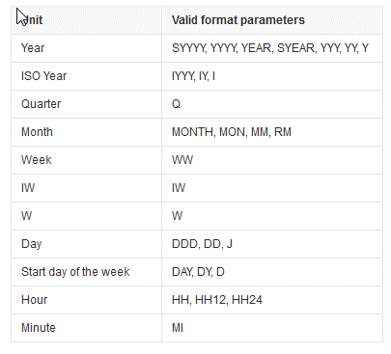
Type | Function
 | Trunc(date) | trunc(sysdate,'yyyy') --retrun to first day of current year | trunc(sydate)-1 --yesterday | trunc(sysdate,'mm')-1 --end of previous month
 |  | trunc(sysdate,'mm') --retrun to first day of current month | trunc(sysdate) -- no min and second | trunc(sysdate,'q') --start of current quarter
 |  | trunc(sysdate,'d') --retrun to first day of current week | trunc((trunc(sysdate,'mm')-1),'mm') --start of previous month | trunc(trunc(sysdate,'q')-1,'q')--start of previous quarter
 |  | trunc(sysdate,'q')-1--end of previous quarter | trunc(trunc(sysdate,'y')-1,'y') --start of previous year | trunc(sysdate,'y')-1--end day of previous year

 | Last_Day | last_day(sysdate) --End of Current Month

 | Add_Months | Add_Months(trunc(sysdate,'q'),3)-1 --End of Current Quarter | ADD_MONTHS returns the date date plus integer months.

 | Trunc(number) | TRUNC（number[,decimals]）(只截取，不做四舍五入) | TRUNC（89.985，2）=89.98 | TRUNC函数返回处理后的数值，其工作机制与ROUND函数极为类似，只是该函数不对指定小数前或后的部分做相应舍入选择处理，而统统截去
 |  |  | TRUNC（89.985）=89 (即取整)
 |  |  | TRUNC（89.985，-1）=80 | 注意：第二个参数可以为负数，表示为小数点左边指定位数后面的部分截去，即均以0记。与取整类似，比如参数为1即取整到十分位，如果是-1，则是取整到十 位，以此类推；如果所设置的参数为负数，且负数的位数大于整数的字节数的话，则返回为0。如：TRUNC(89.985,-3)=0。

 | Round | Round(number,digits) | round(3.1415926,2)=3.14; | number,要四舍五入的数，digits是要小数点后保留的位数;如果 digits 大于 0，则四舍五入到指定的小数位;如果 digits 等于 0，则四舍五入到最接近的整数;如果 digits 小于 0，则在小数点左侧进行四舍五入;如果round函数只有参数number,等同于digits 等于 0。
 |  |  | round(3.1415926,3)=3.142;
 |  |  | select round(193,-2)from dual; 200
 |  |  | select round(193,-1)from dual;190
 |  |  | select round(193,-3)from dual;0

 | Floor |  | floor(3.14) = 3.0 | FLOOR returns largest integer equal to or less than n.
 |  |  | floor(-3.14) = -4.0

 | Ceil |  | CEIL(268651.8)=268652 | CEIL returns smallest integer greater than or equal to n.

 | NVL | NVL( expr1, expr2) |  | NVL lets you replace null (returned as a blank) with a string in the results of a query. If expr1 is null, then NVL returns expr2. If expr1 is not null, then NVL returns expr1.

 | Coalesce | COALESCE (expr1, expr2) | CASE WHEN expr1 IS NOT NULL THEN expr1 ELSE expr2 END | COALESCE returns the first non-null expr in the expression list. You must specify at least two expressions. If all occurrences of expr evaluate to null, then the function returns null.

 | Substr | Substr(string,position,length); | The SUBSTR functions return a portion of char, beginning at character position, substring_length characters long. SUBSTR calculates lengths using characters as defined by the input character set. SUBSTRB uses bytes instead of characters. SUBSTRC uses Unicode complete characters. SUBSTR2 uses UCS2 code points. SUBSTR4 uses UCS4 code points
 |  |  | If position is 0, then it is treated as 1; If position is positive, then Oracle Database counts from the beginning of char to find the first character.;If position is negative, then Oracle counts backward from the end of char; If substring_length is omitted, then Oracle returns all characters to the end of char. If substring_length is less than 1, then Oracle returns null.

 | NEXT_DAY |  | Weekly End Day: next_day(a.route_date - 1,'Sunday') | 返回下个星期的日期,day为1-7或星期日-星期六,1表示星期日; next_day(sysdate,6)是从当前开始下一个星期五。后面的数字是从星期日开始算起

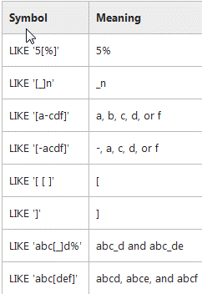
 | Like | Escape | 6% strat with 6 | %6% include 6 | http://www.w3school.com.cn/sql/sql_wildcards.asp
 |  |  | %6 enb with 6 | _ _6 end with 6, but have 3 charters.
 |  |  | _6% the second charter is 6 | http://www.cnblogs.com/icebutterfly/archive/2012/02/06/2340313.html

 | Cast | http://docs.oracle.com/cd/B28359_01/server.111/b28286/functions016.htm |  | CAST converts one built-in datatype or collection-typed value into another built-in datatype or collection-typed valu

SQL Server | GetDate |  |  | GETDATE() 函数从 SQL Server 返回当前的时间和日期

 | Sysdate

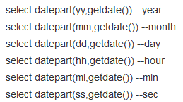
SQL Server | DatePart | DatePart ( datepart , date )

 | To_Char | to_number(to_char(SNAPSHOT_TIME,'HH24')) as short | 把日期或数字转换为字符串 | http://baike.baidu.com/link?url=PU8GpKMeD7I-SOPdLDhWhbKBxXvf1X-MouHTrFkQBZzDnanQ9w-gKGU2k92jTeaNpBzkp1JYIb-a8lT6rtWeXa

 | To_Date | TO_DATE converts char of CHAR, VARCHAR2, NCHAR, or NVARCHAR2 datatype to a value of DATE datatype | to_date(''2004-11-27 13:34:43'', ''yyyy-mm-dd hh24:mi:ss'') | http://blog.csdn.net/lively1982/article/details/17161645

 | To_Number |  |  | http://www.cnblogs.com/ajian/archive/2009/08/25/1421063.html

SQL Server | DateAdd | DateAdd(timeinterval,number,date)

SQL Server | DateDiff | DATEDIFF ( datepart , startdate , enddate ) |  | https://msdn.microsoft.com/en-us/library/ms189794.aspx

 | Lag | LAG (value_expression [,offset] [,default]) OVER ([query_partition_clause] order_by_clause) | The LAG function is used to access data from a previous row
 |  |  |  | LAG (value_expression [,offset] [,default]) OVER ([query_partition_clause] order_by_clause) LEAD (value_expression [,offset] [,default]) OVER ([query_partition_clause] order_by_clause) value_expression - Can be a column or a built-in function, except for other analytic functions; offset - The number of rows preceeding/following the current row, from which the data is to be retrieved. The default value is 1; default - The value returned if the offset is outside the scope of the window. The default value is NULL.
 | Lead | LEAD (value_expression [,offset] [,default]) OVER ([query_partition_clause] order_by_clause) | The LEAD function is used to return data from the next row

 | Dense_Rank () |  | The DENSE_RANK function acts like the RANK function except that it assigns consecutive ranks.

 | Rand() | RANK() OVER (PARTITION BY deptno ORDER BY sal) as 'rank'

 | FIRST and LAST |  | https://oracle-base.com/articles/misc/analytic-functions

 |  | 0 down vote unaccept min(stop) over (partition by route_number, delivery_date order by sequence rows between current row and unbounded following) or min(stop) over (partition by route_number, delivery_date order by sequence desc rows between unbounded preceding and current row) which can be simplified to min(stop) over (partition by route_number, delivery_date order by sequence desc) m2 because rows between unbounded preceding and current row is the default window when you use ordering in over clause.
 |  | https://stackoverflow.com/questions/47874127/how-to-get-rolling-min-number-for-all-rest-rowsinclude-current-rows-by-categor/47875096#47875096 | over(partition by route_number,delivery_date order by sequence rows between current row and unbounded following) as min_stop

 | Avg | AVG(sal) OVER (PARTITION BY deptno) | analytic_function([ arguments ]) OVER (analytic_clause)

SQL Server | Top

 |  | TOP
 | || | 连接符

 | Concat |  | CONCAT returns char1 concatenated with char2. | SELECT CONCAT(CONCAT('Peter', '''s job category is '),'Player') "Job" from dual;

 | Length | The LENGTH functions return the length of char

 | Replace | SELECT REPLACE('JACK and JUE','J','BL') FROM DUAL; |  | REPLACE returns char with every occurrence of search_string replaced with replacement_string. If replacement_string is omitted or null, then all occurrences of search_string are removed. If search_string is null, then char is returned.

 | Offset-Fetch | This fucntion appear right after the order by clause, and you fisrt specify how many rows you want to skip(0 if you don't want to skip any), and then optionally specofy the fetch clause indicatin howu many rows you want to filter; if you igonre fetch, I will return all remaming rows

 | Decode

 | Sign | If number < 0, then sign returns -1. | sign(number)
 |  | If number = 0, then sign returns 0.
 |  | If number > 0, then sign returns 1.

