CIC18
CLASE ORIGINAL | NUEVA CLASE | ORIGINAL (CIC18) | LIMPIADO | RUS básico | Train (80%) | ENN | RUS/SMOTE | NearMiss/SMOTE | RUS/SMOTE + ENN | NearMiss/SMOTE + ENN
BENIGN | 0 | 13484658 | 13445443 | 450000 | 360000 | 339865 | 10000 | 10000 | 10000 | 10000
DDOS attack-HOIC | 1 | 686012 | 668461 | 450000 | 360000 | 359280 | 10000 | 10000 | 9840 | 9993
DDoS attacks-LOIC-HTTP | 2 | 576191 | 576175 | 450000 | 360000 | 359369 | 10000 | 10000 | 9974 | 9968
DoS attacks-Hulk | 3 | 461912 | 434873 | 434873 | 347898 | 346118 | 10000 | 10000 | 9855 | 9914
Bot | 4 | 286191 | 282310 | 282310 | 225848 | 225602 | 10000 | 10000 | 9971 | 10000
Infilteration | 5 | 161934 | 161897 | 161897 | 129517 | 108526 | 10000 | 10000 | 8820 | 9998
SSH-Bruteforce | 6 | 187589 | 117322 | 117322 | 93857 | 93112 | 10000 | 10000 | 9896 | 9967
DoS attacks-GoldenEye | 7 | 41508 | 41455 | 41455 | 33164 | 31187 | 10000 | 10000 | 9533 | 9974
FTP-BruteForce | 8 | 193360 | 39352 | 39352 | 31482 | 31432 | 10000 | 10000 | 9986 | 10000
DoS attacks-SlowHTTPTest | 9 | 139890 | 19462 | 19462 | 15570 | 15570 | 10000 | 10000 | 10000 | 10000
DoS attacks-Slowloris | 10 | 10990 | 10285 | 10285 | 8228 | 7975 | 10000 | 10000 | 9838 | 9939
DDOS attack-LOIC-UDP | 11 | 1730 | 1730 | 1730 | 1384 | 1378 | 10000 | 10000 | 10000 | 10000
Brute Force -Web | 12 | 611 | 611 | 611 | 489 | 211 | 10000 | 10000 | 9624 | 9593
Brute Force -XSS | 13 | 230 | 230 | 230 | 184 | 66 | 10000 | 10000 | 9673 | 9655
SQL Injection | 14 | 87 | 87 | 87 | 70 | 70 | 10000 | 10000 | 9987 | 9986
 |  | 16232893 | 15799693 | 2459614 | 1967691 | 1919761 | 150000 | 150000 | 146997 | 148987

COLUMNAS: |  | 84 | 56 | 56 | 56 | 56 | 56 | 56

NÚMERO EXPERIMENTO | DESCRIPCIÓN EXPERIMENTO | ACCURACY | PRECISION WEIGHTED | RECALL WEIGHTED | F1 WEIGHTED | PRECISION MACRO | RECALL MACRO | F1 MACRO | MCC | AUC-ROC
1 | PCA4 + KNN
2 | PCA4 + Logistic Regression
4 | PCA4 + MLP
5 | RUS/SMOTE + PCA4 + KNN
6 | RUS/SMOTE + PCA4 + Logistic Regression
8 | RUS/SMOTE + PCA4 + MLP
9 | NearMiss/SMOTE + PCA4 + KNN
10 | NearMiss/SMOTE + PCA4 + Logistic Regression
12 | NearMiss/SMOTE + PCA4 + MLP
13 | RUS/SMOTE + ENN + PCA4 + KNN
14 | RUS/SMOTE + ENN + PCA4 + Logistic Regression
16 | RUS/SMOTE + ENN + PCA4 + MLP
17 | NearMiss/SMOTE + ENN + PCA4 + KNN
18 | NearMiss/SMOTE + ENN + PCA4 + Logistic Regression
20 | NearMiss/SMOTE + ENN + PCA4 + MLP

NÚMERO EXPERIMENTO | DESCRIPCIÓN EXPERIMENTO | ACCURACY | PRECISION WEIGHTED | RECALL WEIGHTED | F1 WEIGHTED | PRECISION MACRO | RECALL MACRO | F1 MACRO | MCC | AUC-ROC
1 | PCA4 + KNN
2 | PCA4 + Logistic Regression
4 | PCA4 + MLP
5 | RUS/SMOTE + PCA4 + KNN
6 | RUS/SMOTE + PCA4 + Logistic Regression
8 | RUS/SMOTE + PCA4 + MLP
9 | NearMiss/SMOTE + PCA4 + KNN
10 | NearMiss/SMOTE + PCA4 + Logistic Regression
12 | NearMiss/SMOTE + PCA4 + MLP
13 | RUS/SMOTE + ENN + PCA4 + KNN
14 | RUS/SMOTE + ENN + PCA4 + Logistic Regression
16 | RUS/SMOTE + ENN + PCA4 + MLP
17 | NearMiss/SMOTE + ENN + PCA4 + KNN
18 | NearMiss/SMOTE + ENN + PCA4 + Logistic Regression
20 | NearMiss/SMOTE + ENN + PCA4 + MLP

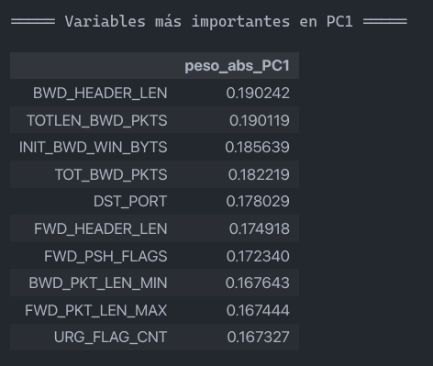
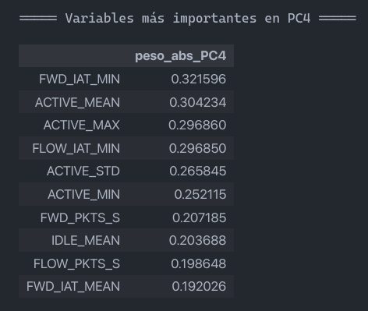
 | PC1 | PC2 | PC3 | PC4 | PC5
DST_PORT | 0.178029 | -0.139105 | -0.034888 | 0.045161 | -0.041950
PROTOCOL | 0.164908 | -0.173559 | -0.040184 | 0.036575 | -0.054318
FLOW_DURATION | 0.107165 | 0.155966 | 0.145134 | 0.172289 | 0.182778
TOT_FWD_PKTS | 0.166901 | -0.120124 | 0.002976 | -0.017639 | -0.072026
TOT_BWD_PKTS | 0.182219 | -0.132183 | 0.001960 | -0.044191 | -0.070803
TOTLEN_FWD_PKTS | 0.164837 | -0.087986 | -0.105706 | -0.071104 | 0.257729
TOTLEN_BWD_PKTS | 0.190119 | -0.038362 | -0.091198 | 0.003646 | 0.067101
FWD_PKT_LEN_MAX | 0.167444 | -0.074222 | -0.157509 | -0.064611 | 0.219742
FWD_PKT_LEN_MIN | 0.163066 | -0.156398 | -0.065307 | 0.028018 | 0.009409
FWD_PKT_LEN_MEAN | 0.140136 | 0.041596 | -0.083006 | -0.068182 | 0.227747
FWD_PKT_LEN_STD | 0.091725 | 0.169810 | -0.154304 | -0.032226 | -0.259027
BWD_PKT_LEN_MAX | 0.144247 | -0.019107 | -0.204413 | -0.069621 | 0.311581
BWD_PKT_LEN_MIN | 0.167643 | -0.167508 | -0.057807 | 0.028453 | -0.023054
BWD_PKT_LEN_MEAN | 0.133455 | 0.132691 | -0.099591 | 0.064113 | -0.057510
BWD_PKT_LEN_STD | 0.081190 | 0.184981 | -0.198399 | -0.044128 | -0.185672
FLOW_BYTS_S | 0.103026 | 0.177327 | -0.170473 | -0.045952 | -0.135714
FLOW_PKTS_S | 0.094947 | 0.182133 | 0.061761 | 0.198648 | 0.044945
FLOW_IAT_MEAN | 0.114982 | 0.187811 | 0.052231 | 0.175629 | 0.112131
FLOW_IAT_STD | 0.090516 | 0.205548 | -0.127356 | -0.027258 | -0.157821
FLOW_IAT_MAX | 0.108427 | 0.111499 | 0.171412 | 0.115116 | 0.297324
FLOW_IAT_MIN | 0.027292 | -0.036858 | 0.225157 | 0.296850 | -0.058493
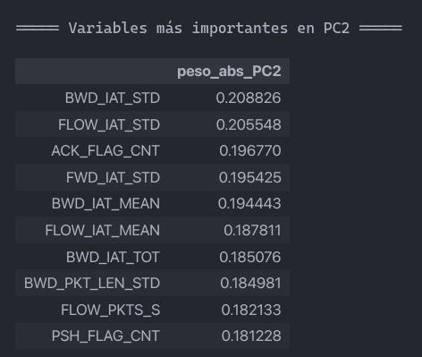
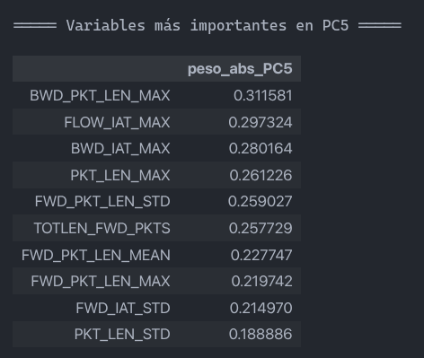
FWD_IAT_TOT | 0.118198 | 0.165050 | 0.116406 | 0.188518 | -0.041666
FWD_IAT_MEAN | 0.118211 | 0.177565 | 0.073629 | 0.192026 | -0.089499
FWD_IAT_STD | 0.097334 | 0.195425 | -0.071950 | 0.028625 | -0.214970
FWD_IAT_MAX | 0.120890 | 0.117636 | 0.175831 | 0.189174 | -0.043182
FWD_IAT_MIN | 0.042973 | -0.033041 | 0.227649 | 0.321596 | -0.011963
BWD_IAT_TOT | 0.116103 | 0.185076 | -0.027805 | -0.000214 | 0.183730
BWD_IAT_MEAN | 0.110100 | 0.194443 | -0.064059 | -0.009333 | 0.089167
BWD_IAT_STD | 0.077898 | 0.208826 | -0.143620 | -0.077250 | -0.136373
BWD_IAT_MAX | 0.117991 | 0.145700 | 0.002157 | -0.080250 | 0.280164
BWD_IAT_MIN | 0.158367 | -0.039655 | 0.038259 | 0.027845 | 0.017337
FWD_PSH_FLAGS | 0.172340 | -0.167429 | -0.032705 | 0.031733 | -0.058381
FWD_HEADER_LEN | 0.174918 | -0.087597 | -0.014532 | 0.033848 | -0.036254
BWD_HEADER_LEN | 0.190242 | -0.098768 | -0.016410 | 0.010566 | -0.025257
FWD_PKTS_S | 0.095308 | 0.175640 | 0.073816 | 0.207185 | 0.048125
BWD_PKTS_S | 0.130637 | 0.154240 | -0.075395 | 0.036748 | 0.104516
PKT_LEN_MAX | 0.163358 | -0.090747 | -0.138734 | -0.078684 | 0.261226
PKT_LEN_MEAN | 0.158073 | 0.095796 | -0.089483 | 0.034136 | 0.010657
PKT_LEN_STD | 0.100339 | 0.168319 | -0.198415 | -0.071373 | -0.188886
RST_FLAG_CNT | 0.160507 | -0.122553 | 0.071361 | 0.154132 | -0.130209
PSH_FLAG_CNT | 0.140568 | -0.181228 | 0.067010 | 0.114152 | -0.127946
ACK_FLAG_CNT | 0.126982 | -0.196770 | 0.037622 | 0.103942 | -0.123076
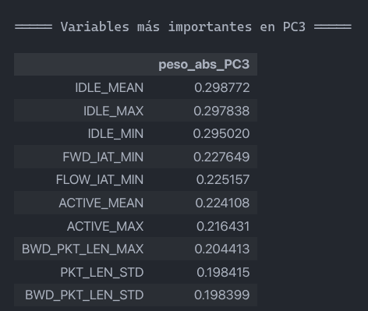
URG_FLAG_CNT | 0.167327 | -0.172100 | -0.036014 | 0.032910 | -0.063106
PKT_SIZE_AVG | 0.123639 | 0.106229 | -0.136406 | -0.019540 | -0.158954
INIT_FWD_WIN_BYTS | 0.142651 | -0.139955 | -0.005437 | 0.087945 | -0.086165
INIT_BWD_WIN_BYTS | 0.185639 | -0.095628 | -0.014226 | -0.009151 | -0.062386
FWD_ACT_DATA_PKTS | 0.163711 | -0.118155 | 0.000381 | -0.023219 | -0.070997
ACTIVE_MEAN | 0.129366 | 0.052427 | 0.224108 | -0.304234 | -0.055985
ACTIVE_STD | 0.112941 | 0.037066 | 0.168369 | -0.265845 | -0.071905
ACTIVE_MAX | 0.136598 | 0.040227 | 0.216431 | -0.296860 | -0.055324
ACTIVE_MIN | 0.147064 | 0.007697 | 0.189195 | -0.252115 | -0.049802
IDLE_MEAN | 0.102164 | 0.078386 | 0.298772 | -0.203688 | -0.019252
IDLE_MAX | 0.095022 | 0.073968 | 0.297838 | -0.172729 | -0.002486
IDLE_MIN | 0.104845 | 0.067635 | 0.295020 | -0.185339 | -0.016818

CIC17
CLASE ORIGINAL | NUEVA CLASE | ORIGINAL (CIC17) | LIMPIADO | 80% (train) | RUS/SMOTE | NearMiss/SMOTE | RUS/SMOTE + ENN | NearMiss/SMOTE + ENN
BENIGN | 0 | 2273097 | 2095051 | 1676040 | 10000 | 10000 | 10000 | 10000
DoS Hulk | 1 | 231073 | 172846 | 138277 | 10000 | 10000 | 9640 | 9968
DdoS | 2 | 128027 | 128014 | 102411 | 10000 | 10000 | 9729 | 9995
PortScan | 3 | 158930 | 90694 | 72555 | 10000 | 10000 | 9735 | 9960
Dos GoldenEye | 4 | 10293 | 10286 | 8229 | 10000 | 10000 | 9903 | 9959
FTP-Patator | 5 | 7938 | 5931 | 4745 | 10000 | 10000 | 9914 | 9923
DoS slowloris | 6 | 5796 | 5385 | 4308 | 10000 | 10000 | 9672 | 9806
DoS Slowhttptest | 7 | 5499 | 5228 | 4182 | 10000 | 10000 | 9809 | 9863
SSH-Patator | 8 | 5897 | 3219 | 2575 | 10000 | 10000 | 9640 | 9665
Bot | 9 | 1966 | 1948 | 1558 | 10000 | 10000 | 9838 | 9977
Web Attack Brute Force | 10 | 1507 | 1470 | 1176 | 10000 | 10000 | 5828 | 5844
Web Attack XSS | 11 | 652 | 652 | 522 | 10000 | 10000 | 6010 | 6017
Infiltration | 12 | 36 | 36 | 29 | 10000 | 10000 | 9908 | 9935
Web Attack SQL Injection | 13 | 21 | 21 | 17 | 10000 | 10000 | 9719 | 9719
Heartbleed | 14 | 11 | 11 | 9 | 10000 | 10000 | 10000 | 10000
 |  | 2830743 | 2520792 | 2016633 | 150000 | 150000 | 139345 | 140631

COLUMNAS: |  | 79 | 48 | 48 | 48 | 48

NÚMERO EXPERIMENTO | DESCRIPCIÓN EXPERIMENTO | ACCURACY | PRECISION WEIGHTED | RECALL WEIGHTED | F1 WEIGHTED | PRECISION MACRO | RECALL MACRO | F1 MACRO | MCC | AUC-ROC
1 | PCA4 + KNN | 0.992326 ± 0.000240 | 0.992297 ± 0.000252 | 0.992326 ± 0.000240 | 0.992302 ± 0.000246 | 0.815281 ± 0.051810 | 0.772152 ± 0.034412 | 0.783326 ± 0.037294 | 0.974495 ± 0.000803 | nan ± nan
2 | PCA4 + Logistic Regression | 0.919065 ± 0.000629 | 0.900552 ± 0.000669 | 0.919065 ± 0.000629 | 0.906837 ± 0.000614 | 0.219441 ± 0.000705 | 0.185150 ± 0.000517 | 0.198793 ± 0.000507 | 0.703268 ± 0.002422 | nan ± nan
3 | PCA4 + MLP | 0.975354 ± 0.000727 | 0.975130 ± 0.002210 | 0.975354 ± 0.000727 | 0.974745 ± 0.001078 | 0.647390 ± 0.052748 | 0.581735 ± 0.046975 | 0.600376 ± 0.041321 | 0.917793 ± 0.003142 | nan ± nan
4 | RUS/SMOTE + PCA4 + KNN | 0.934584 ± 0.001599 | 0.977044 ± 0.000704 | 0.934584 ± 0.001599 | 0.952251 ± 0.001360 | 0.473722 ± 0.023960 | 0.876084 ± 0.035912 | 0.547356 ± 0.024651 | 0.828299 ± 0.003357 | nan ± nan
5 | RUS/SMOTE + PCA4 + Logistic Regression | 0.487698 ± 0.009611 | 0.929549 ± 0.002487 | 0.487698 ± 0.009611 | 0.603224 ± 0.010709 | 0.219219 ± 0.004883 | 0.634468 ± 0.021947 | 0.227191 ± 0.004857 | 0.374889 ± 0.004272 | nan ± nan
6 | RUS/SMOTE + PCA4 + MLP | 0.813276 ± 0.025072 | 0.951256 ± 0.000673 | 0.813276 ± 0.025072 | 0.865086 ± 0.016697 | 0.319469 ± 0.015324 | 0.885624 ± 0.031685 | 0.391654 ± 0.021857 | 0.642402 ± 0.026834 | nan ± nan
7 | NearMiss/SMOTE + PCA4 + KNN | 0.161415 ± 0.019790 | 0.898126 ± 0.016943 | 0.161415 ± 0.019790 | 0.178678 ± 0.017318 | 0.202789 ± 0.013736 | 0.768352 ± 0.030354 | 0.162555 ± 0.026350 | 0.207596 ± 0.035071 | nan ± nan
8 | NearMiss/SMOTE + PCA4 + Logistic Regression | 0.112858 ± 0.006727 | 0.554813 ± 0.175873 | 0.112858 ± 0.006727 | 0.138910 ± 0.013129 | 0.125586 ± 0.015933 | 0.549319 ± 0.062581 | 0.117366 ± 0.009716 | 0.048359 ± 0.051059 | nan ± nan
9 | NearMiss/SMOTE + PCA4 + MLP | 0.169962 ± 0.028952 | 0.833498 ± 0.045446 | 0.169962 ± 0.028952 | 0.173945 ± 0.020811 | 0.182905 ± 0.012641 | 0.791518 ± 0.031211 | 0.157261 ± 0.028268 | 0.203333 ± 0.036111 | nan ± nan
10 | RUS/SMOTE + ENN + PCA4 + KNN | 0.940117 ± 0.001285 | 0.978613 ± 0.000860 | 0.940117 ± 0.001285 | 0.956277 ± 0.001260 | 0.487292 ± 0.024486 | 0.876943 ± 0.032945 | 0.557238 ± 0.023244 | 0.839277 ± 0.002815 | nan ± nan
11 | RUS/SMOTE + ENN + PCA4 + Logistic Regression | 0.497112 ± 0.008355 | 0.936342 ± 0.002337 | 0.497112 ± 0.008355 | 0.614428 ± 0.008137 | 0.226888 ± 0.002453 | 0.679912 ± 0.023729 | 0.237150 ± 0.001667 | 0.383628 ± 0.003248 | nan ± nan
12 | RUS/SMOTE + ENN + PCA4 + MLP | 0.841360 ± 0.010889 | 0.956355 ± 0.002757 | 0.841360 ± 0.010889 | 0.886086 ± 0.007047 | 0.331936 ± 0.015894 | 0.895569 ± 0.007081 | 0.405593 ± 0.019648 | 0.674891 ± 0.013473 | nan ± nan
13 | NearMiss/SMOTE + ENN + PCA4 + KNN | 0.161168 ± 0.020046 | 0.893931 ± 0.016134 | 0.161168 ± 0.020046 | 0.178143 ± 0.017767 | 0.206878 ± 0.015265 | 0.768955 ± 0.032696 | 0.167730 ± 0.028072 | 0.207539 ± 0.035187 | nan ± nan
14 | NearMiss/SMOTE + ENN + PCA4 + Logistic Regression | 0.113927 ± 0.006667 | 0.553839 ± 0.180879 | 0.113927 ± 0.006667 | 0.141256 ± 0.012499 | 0.128732 ± 0.015743 | 0.546964 ± 0.073708 | 0.120375 ± 0.010968 | 0.048987 ± 0.050397 | nan ± nan
15 | NearMiss/SMOTE + ENN + PCA4 + MLP | 0.170967 ± 0.031012 | 0.833345 ± 0.042728 | 0.170967 ± 0.031012 | 0.176001 ± 0.031609 | 0.198810 ± 0.038956 | 0.791551 ± 0.030625 | 0.172210 ± 0.056928 | 0.205046 ± 0.043503 | nan ± nan

NÚMERO EXPERIMENTO | DESCRIPCIÓN EXPERIMENTO | ACCURACY | PRECISION WEIGHTED | RECALL WEIGHTED | F1 WEIGHTED | PRECISION MACRO | RECALL MACRO | F1 MACRO | MCC | AUC-ROC
1 | PCA4 + KNN | 0.992923 | 0.992909 | 0.992923 | 0.992910 | 0.844223 | 0.792304 | 0.804793 | 0.976482 | 0.996627
2 | PCA4 + Logistic Regression | 0.919180 | 0.900686 | 0.919180 | 0.907009 | 0.219168 | 0.185372 | 0.198900 | 0.703806 | 0.907438
4 | PCA4 + MLP | 0.974974 | 0.976038 | 0.974974 | 0.974909 | 0.618262 | 0.585814 | 0.595055 | 0.918162 | 0.996622
5 | RUS/SMOTE + PCA4 + KNN | 0.934263 | 0.976809 | 0.934263 | 0.952010 | 0.473492 | 0.890801 | 0.552679 | 0.827618 | 0.983373
6 | RUS/SMOTE + PCA4 + Logistic Regression | 0.485146 | 0.931311 | 0.485146 | 0.597791 | 0.220331 | 0.643012 | 0.227831 | 0.380264 | 0.876825
8 | RUS/SMOTE + PCA4 + MLP | 0.835029 | 0.953692 | 0.835029 | 0.880685 | 0.312157 | 0.891900 | 0.380136 | 0.665586 | 0.984950
9 | NearMiss/SMOTE + PCA4 + KNN | 0.171816 | 0.907665 | 0.171816 | 0.192512 | 0.215872 | 0.739590 | 0.184377 | 0.234454 | 0.582715
10 | NearMiss/SMOTE + PCA4 + Logistic Regression | 0.115307 | 0.457569 | 0.115307 | 0.143016 | 0.113978 | 0.553246 | 0.116519 | 0.020827 | 0.349343
12 | NearMiss/SMOTE + PCA4 + MLP | 0.176242 | 0.842868 | 0.176242 | 0.193811 | 0.231487 | 0.757812 | 0.214469 | 0.236663 | 0.670599
13 | RUS/SMOTE + ENN + PCA4 + KNN | 0.941086 | 0.978940 | 0.941086 | 0.957110 | 0.485681 | 0.890449 | 0.558793 | 0.841436 | 0.983586
14 | RUS/SMOTE + ENN + PCA4 + Logistic Regression | 0.499076 | 0.935521 | 0.499076 | 0.615343 | 0.226710 | 0.714871 | 0.236712 | 0.384817 | 0.891820
16 | RUS/SMOTE + ENN + PCA4 + MLP | 0.854784 | 0.960549 | 0.854784 | 0.897323 | 0.357002 | 0.883709 | 0.432362 | 0.689604 | 0.985176
17 | NearMiss/SMOTE + ENN + PCA4 + KNN | 0.171067 | 0.905766 | 0.171067 | 0.191801 | 0.223183 | 0.739972 | 0.192557 | 0.234380 | 0.581184
18 | NearMiss/SMOTE + ENN + PCA4 + Logistic Regression | 0.116739 | 0.452957 | 0.116739 | 0.144228 | 0.117615 | 0.557788 | 0.121253 | 0.022175 | 0.354631
20 | NearMiss/SMOTE + ENN + PCA4 + MLP | 0.179389 | 0.828083 | 0.179389 | 0.194035 | 0.202809 | 0.756701 | 0.193098 | 0.235124 | 0.778447

COMPONENTES DEL PCA POR COLUMNAS
 | PC1 | PC2 | PC3 | PC4 | PC5
DESTINATION_PORT | -0.058976 | 0.001065 | -0.189615 | 0.392226 | 0.103996
FLOW_DURATION | 0.285023 | -0.035370 | 0.049378 | 0.038348 | -0.043766
TOTAL_FWD_PACKETS | 0.009006 | -0.032054 | 0.114601 | 0.054765 | 0.455150
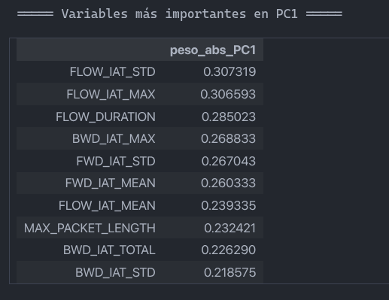
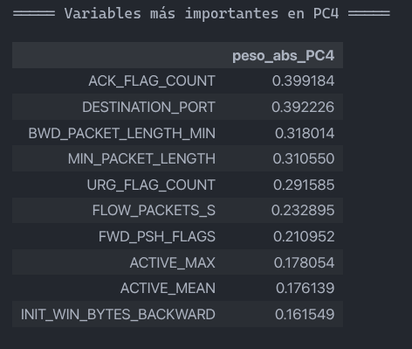
TOTAL_LENGTH_OF_FWD_PACKETS | 0.040954 | -0.082736 | 0.182019 | 0.092160 | 0.436333
FWD_PACKET_LENGTH_MAX | 0.115424 | -0.150486 | 0.088861 | 0.074724 | 0.184057
FWD_PACKET_LENGTH_MIN | -0.040424 | 0.098706 | 0.044182 | -0.146184 | 0.202253
FWD_PACKET_LENGTH_MEAN | 0.087109 | -0.103095 | 0.068725 | 0.049344 | 0.254141
BWD_PACKET_LENGTH_MAX | 0.215704 | -0.248206 | -0.134457 | -0.152483 | -0.043257
BWD_PACKET_LENGTH_MIN | -0.087964 | 0.166102 | 0.099042 | -0.318014 | 0.155083
FLOW_BYTES_S | -0.007161 | -0.005992 | -0.039915 | 0.077601 | 0.041398
FLOW_PACKETS_S | -0.045311 | 0.012207 | -0.118390 | 0.232895 | 0.014867
FLOW_IAT_MEAN | 0.239335 | 0.233176 | -0.027731 | 0.055791 | -0.039998
FLOW_IAT_STD | 0.307319 | 0.109775 | -0.087904 | -0.005129 | 0.009134
FLOW_IAT_MAX | 0.306593 | 0.011946 | -0.109475 | -0.001066 | 0.018731
FLOW_IAT_MIN | 0.036279 | 0.106634 | -0.018359 | 0.069224 | -0.040191
FWD_IAT_MEAN | 0.260333 | 0.280163 | -0.012181 | 0.027471 | -0.021258
FWD_IAT_STD | 0.267043 | -0.108401 | -0.150956 | -0.022398 | 0.042064
FWD_IAT_MIN | 0.151017 | 0.360030 | 0.046856 | 0.037579 | -0.036935
BWD_IAT_TOTAL | 0.226290 | 0.018917 | 0.156144 | 0.043821 | -0.033535
BWD_IAT_MEAN | 0.215076 | 0.306557 | 0.071943 | 0.024785 | -0.016894
BWD_IAT_STD | 0.218575 | -0.049504 | -0.011268 | -0.010964 | 0.061413
BWD_IAT_MAX | 0.268833 | 0.109588 | 0.037493 | 0.010214 | 0.044017
BWD_IAT_MIN | 0.150470 | 0.342922 | 0.065840 | 0.025614 | -0.026898
FWD_PSH_FLAGS | -0.006934 | 0.043027 | -0.078079 | 0.210952 | 0.052384
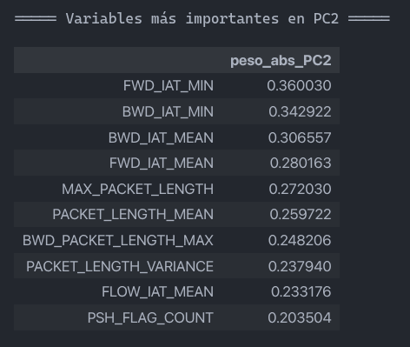
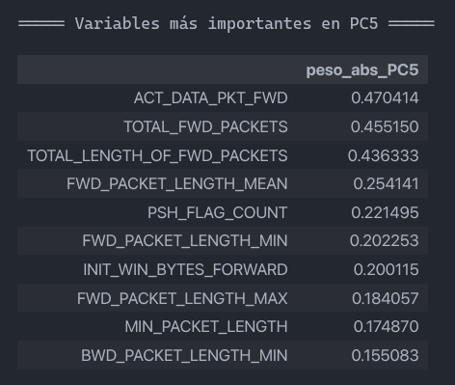
FWD_URG_FLAGS | -0.001175 | -0.000092 | -0.001950 | 0.008404 | -0.002119
FWD_HEADER_LENGTH | -0.000144 | 0.000087 | -0.007615 | -0.001659 | 0.010632
BWD_HEADER_LENGTH | -0.000514 | -0.000768 | -0.005443 | -0.000642 | 0.020886
BWD_PACKETS_S | -0.035380 | 0.011104 | -0.062936 | 0.123819 | 0.005175
MIN_PACKET_LENGTH | -0.085614 | 0.198959 | 0.100400 | -0.310550 | 0.174870
MAX_PACKET_LENGTH | 0.232421 | -0.272030 | -0.117135 | -0.116833 | 0.031535
PACKET_LENGTH_MEAN | 0.207827 | -0.259722 | -0.083098 | -0.152384 | 0.040233
PACKET_LENGTH_VARIANCE | 0.174686 | -0.237940 | -0.154747 | -0.128015 | 0.038067
FIN_FLAG_COUNT | 0.129669 | -0.028831 | -0.106189 | -0.061976 | 0.032365
RST_FLAG_COUNT | 0.002879 | -0.007265 | 0.006604 | 0.000031 | -0.005097
PSH_FLAG_COUNT | 0.050618 | -0.203504 | 0.195324 | -0.025306 | -0.221495
ACK_FLAG_COUNT | 0.001086 | -0.001075 | -0.277571 | 0.399184 | 0.060703
URG_FLAG_COUNT | -0.043640 | 0.026356 | -0.148890 | 0.291585 | 0.092281
DOWN_UP_RATIO | -0.035523 | 0.051825 | 0.009926 | -0.123756 | 0.138465
INIT_WIN_BYTES_FORWARD | 0.027372 | -0.129541 | 0.135251 | 0.052294 | -0.200115
INIT_WIN_BYTES_BACKWARD | -0.020161 | -0.024723 | -0.014046 | 0.161549 | -0.050142
ACT_DATA_PKT_FWD | 0.008081 | -0.030927 | 0.113845 | 0.055252 | 0.470414
MIN_SEG_SIZE_FORWARD | -0.000567 | -0.000042 | -0.010492 | -0.002331 | 0.015089
ACTIVE_MEAN | 0.069868 | -0.092073 | 0.396962 | 0.176139 | -0.072803
ACTIVE_STD | 0.053560 | -0.063854 | 0.315058 | 0.125327 | -0.067132
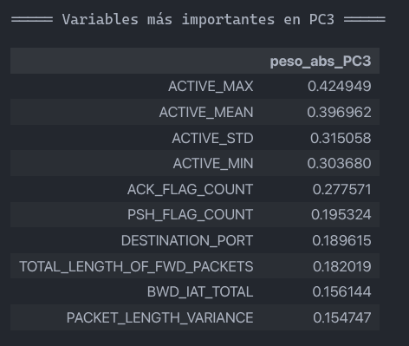
ACTIVE_MAX | 0.074792 | -0.098432 | 0.424949 | 0.178054 | -0.086715
ACTIVE_MIN | 0.056095 | -0.076869 | 0.303680 | 0.139529 | -0.053753
IDLE_STD | 0.094360 | -0.049762 | -0.033352 | 0.039738 | 0.060411

BCCC17
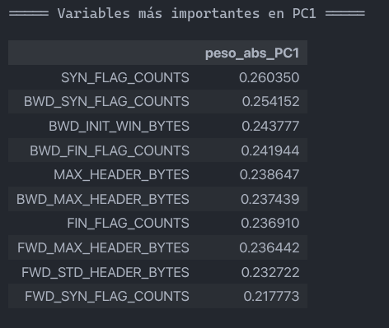
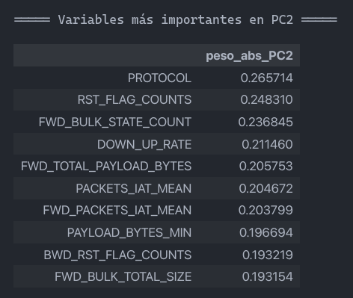
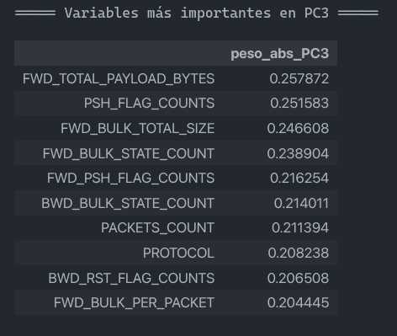
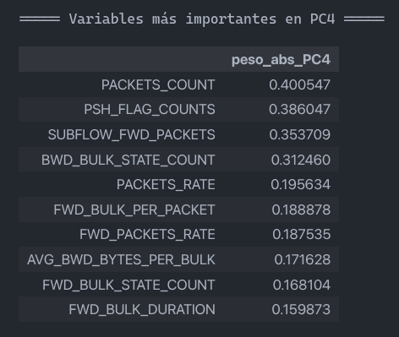
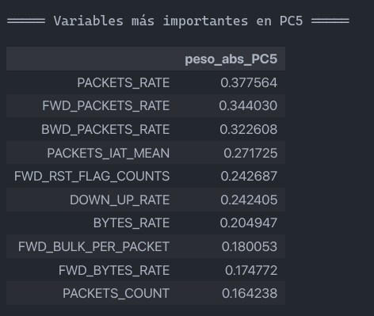
CLASE ORIGINAL | NUEVA CLASE | ORIGINAL (BCCC17) | LIMPIADO | train (80%) | RUS/SMOTE | NearMiss/SMOTE | RUS/SMOTE + ENN | NearMiss/SMOTE + ENN
Benign | 0 | 1786239 | 1715048 | 1372038 | 10000 | 10000 | 10000 | 10000
DoS_Hulk | 1 | 349240 | 346143 | 276961 | 10000 | 10000 | 9168 | 10000
Port_Scan | 2 | 161323 | 161323 | 129058 | 10000 | 10000 | 9973 | 9972
DdoS_LOIT | 3 | 95733 | 95729 | 76583 | 10000 | 10000 | 9376 | 9988
FTP-Patator | 4 | 9531 | 9531 | 7625 | 10000 | 10000 | 9978 | 9996
DoS_GoldenEye | 5 | 8364 | 8364 | 6691 | 10000 | 10000 | 9351 | 9625
Dos_Slowhttptest | 6 | 6860 | 6856 | 5485 | 10000 | 10000 | 9571 | 9632
SSH-Patator | 7 | 5949 | 5949 | 4759 | 10000 | 10000 | 9947 | 9981
Botnet_ARES | 8 | 5508 | 5508 | 4406 | 10000 | 10000 | 9991 | 9993
DoS_Slowloris | 9 | 5177 | 5122 | 4098 | 10000 | 10000 | 9620 | 8581
Web_Brute_Force | 10 | 2734 | 2733 | 2187 | 10000 | 10000 | 8106 | 8117
Web_XSS | 11 | 1358 | 1357 | 1086 | 10000 | 10000 | 6944 | 6907
Web_SQL_Injection | 12 | 24 | 24 | 19 | 10000 | 10000 | 9811 | 9824
Heartbleed | 13 | 12 | 12 | 10 | 10000 | 10000 | 9974 | 7946
 |  | 2438052 | 2363699 | 1891006 | 140000 | 140000 | 131810 | 130562

COLUMNAS: |  | 122 | 48 | 48 | 48 | 48

NÚMERO EXPERIMENTO | DESCRIPCIÓN EXPERIMENTO | ACCURACY | PRECISION WEIGHTED | RECALL WEIGHTED | F1 WEIGHTED | PRECISION MACRO | RECALL MACRO | F1 MACRO | MCC | AUC-ROC
1 | PCA4 + KNN
2 | PCA4 + Logistic Regression
4 | PCA4 + MLP
5 | RUS/SMOTE + PCA4 + KNN
6 | RUS/SMOTE + PCA4 + Logistic Regression
8 | RUS/SMOTE + PCA4 + MLP
9 | NearMiss/SMOTE + PCA4 + KNN
10 | NearMiss/SMOTE + PCA4 + Logistic Regression
12 | NearMiss/SMOTE + PCA4 + MLP
13 | RUS/SMOTE + ENN + PCA4 + KNN
14 | RUS/SMOTE + ENN + PCA4 + Logistic Regression
16 | RUS/SMOTE + ENN + PCA4 + MLP
17 | NearMiss/SMOTE + ENN + PCA4 + KNN
18 | NearMiss/SMOTE + ENN + PCA4 + Logistic Regression
20 | NearMiss/SMOTE + ENN + PCA4 + MLP

NÚMERO EXPERIMENTO | DESCRIPCIÓN EXPERIMENTO | ACCURACY | PRECISION WEIGHTED | RECALL WEIGHTED | F1 WEIGHTED | PRECISION MACRO | RECALL MACRO | F1 MACRO | MCC | AUC-ROC
1 | PCA4 + KNN
2 | PCA4 + Logistic Regression
4 | PCA4 + MLP
5 | RUS/SMOTE + PCA4 + KNN
6 | RUS/SMOTE + PCA4 + Logistic Regression
8 | RUS/SMOTE + PCA4 + MLP
9 | NearMiss/SMOTE + PCA4 + KNN
10 | NearMiss/SMOTE + PCA4 + Logistic Regression
12 | NearMiss/SMOTE + PCA4 + MLP
13 | RUS/SMOTE + ENN + PCA4 + KNN
14 | RUS/SMOTE + ENN + PCA4 + Logistic Regression
16 | RUS/SMOTE + ENN + PCA4 + MLP
17 | NearMiss/SMOTE + ENN + PCA4 + KNN
18 | NearMiss/SMOTE + ENN + PCA4 + Logistic Regression
20 | NearMiss/SMOTE + ENN + PCA4 + MLP

