CIC18
CLASE ORIGINAL | NUEVA CLASE | ORIGINAL (CIC18) | LIMPIADO | RUS básico | Train (80%) | ENN | RUS/SMOTE | NearMiss/SMOTE | RUS/SMOTE + ENN | NearMiss/SMOTE + ENN
BENIGN | 0 | 13484658 | 13445443 | 450000 | 360000 | 339865 | 10000 | 10000 | 10000 | 10000
DDOS attack-HOIC | 1 | 686012 | 668461 | 450000 | 360000 | 359280 | 10000 | 10000 | 9840 | 9993
DDoS attacks-LOIC-HTTP | 2 | 576191 | 576175 | 450000 | 360000 | 359369 | 10000 | 10000 | 9974 | 9968
DoS attacks-Hulk | 3 | 461912 | 434873 | 434873 | 347898 | 346118 | 10000 | 10000 | 9855 | 9914
Bot | 4 | 286191 | 282310 | 282310 | 225848 | 225602 | 10000 | 10000 | 9971 | 10000
Infilteration | 5 | 161934 | 161897 | 161897 | 129517 | 108526 | 10000 | 10000 | 8820 | 9998
SSH-Bruteforce | 6 | 187589 | 117322 | 117322 | 93857 | 93112 | 10000 | 10000 | 9896 | 9967
DoS attacks-GoldenEye | 7 | 41508 | 41455 | 41455 | 33164 | 31187 | 10000 | 10000 | 9533 | 9974
FTP-BruteForce | 8 | 193360 | 39352 | 39352 | 31482 | 31432 | 10000 | 10000 | 9986 | 10000
DoS attacks-SlowHTTPTest | 9 | 139890 | 19462 | 19462 | 15570 | 15570 | 10000 | 10000 | 10000 | 10000
DoS attacks-Slowloris | 10 | 10990 | 10285 | 10285 | 8228 | 7975 | 10000 | 10000 | 9838 | 9939
DDOS attack-LOIC-UDP | 11 | 1730 | 1730 | 1730 | 1384 | 1378 | 10000 | 10000 | 10000 | 10000
Brute Force -Web | 12 | 611 | 611 | 611 | 489 | 211 | 10000 | 10000 | 9624 | 9593
Brute Force -XSS | 13 | 230 | 230 | 230 | 184 | 66 | 10000 | 10000 | 9673 | 9655
SQL Injection | 14 | 87 | 87 | 87 | 70 | 70 | 10000 | 10000 | 9987 | 9986
 |  | 16232893 | 15799693 | 2459614 | 1967691 | 1919761 | 150000 | 150000 | 146997 | 148987

COLUMNAS: |  | 84 | 56 | 56 | 56 | 56 | 56 | 56

NÚMERO EXPERIMENTO | DESCRIPCIÓN EXPERIMENTO | ACCURACY | PRECISION WEIGHTED | RECALL WEIGHTED | F1 WEIGHTED | PRECISION MACRO | RECALL MACRO | F1 MACRO | MCC | AUC-ROC
1 | PCA4 + KNN | 0.981188 ± 0.000118 | 0.981630 ± 0.000131 | 0.981188 ± 0.000118 | 0.981269 ± 0.000122 | 0.906608 ± 0.003374 | 0.897246 ± 0.010076 | 0.898808 ± 0.008337 | 0.977040 ± 0.000147 | 0.995620 ± 0.000052
2 | PCA4 + Logistic Regression | 0.526836 ± 0.001044 | 0.634730 ± 0.004864 | 0.526836 ± 0.001044 | 0.549591 ± 0.001502 | 0.401240 ± 0.001124 | 0.652658 ± 0.013585 | 0.403495 ± 0.001207 | 0.492888 ± 0.001195 | 0.877849 ± 0.001344
4 | PCA4 + MLP | 0.976994 ± 0.001150 | 0.977808 ± 0.001160 | 0.976994 ± 0.001150 | 0.977010 ± 0.001184 | 0.767893 ± 0.039440 | 0.705217 ± 0.029416 | 0.718513 ± 0.031352 | 0.972003 ± 0.001412 | 0.998477 ± 0.000140
5 | RUS/SMOTE + PCA4 + KNN | 0.982627 ± 0.000490 | 0.982786 ± 0.000454 | 0.982627 ± 0.000490 | 0.982496 ± 0.000490 | 0.982786 ± 0.000454 | 0.982627 ± 0.000490 | 0.982496 ± 0.000490 | 0.981416 ± 0.000521 | 0.996165 ± 0.000224
6 | RUS/SMOTE + PCA4 + Logistic Regression | 0.662567 ± 0.002064 | 0.655646 ± 0.001875 | 0.662567 ± 0.002064 | 0.652338 ± 0.001821 | 0.655646 ± 0.001875 | 0.662567 ± 0.002064 | 0.652338 ± 0.001821 | 0.641318 ± 0.002207 | 0.947892 ± 0.000615
8 | RUS/SMOTE + PCA4 + MLP | 0.930607 ± 0.005611 | 0.931340 ± 0.006682 | 0.930607 ± 0.005611 | 0.928765 ± 0.006060 | 0.931340 ± 0.006682 | 0.930607 ± 0.005611 | 0.928765 ± 0.006060 | 0.925990 ± 0.006037 | 0.995828 ± 0.000577
9 | NearMiss/SMOTE + PCA4 + KNN | 0.993553 ± 0.000673 | 0.993607 ± 0.000667 | 0.993553 ± 0.000673 | 0.993563 ± 0.000673 | 0.993607 ± 0.000667 | 0.993553 ± 0.000673 | 0.993563 ± 0.000673 | 0.993095 ± 0.000720 | 0.999023 ± 0.000153
10 | NearMiss/SMOTE + PCA4 + Logistic Regression | 0.850880 ± 0.003884 | 0.866056 ± 0.003914 | 0.850880 ± 0.003884 | 0.846752 ± 0.004092 | 0.866056 ± 0.003914 | 0.850880 ± 0.003884 | 0.846752 ± 0.004092 | 0.843191 ± 0.004082 | 0.987173 ± 0.000251
12 | NearMiss/SMOTE + PCA4 + MLP | 0.944080 ± 0.004903 | 0.945959 ± 0.004093 | 0.944080 ± 0.004903 | 0.943844 ± 0.004986 | 0.945959 ± 0.004093 | 0.944080 ± 0.004903 | 0.943844 ± 0.004986 | 0.940266 ± 0.005182 | 0.997162 ± 0.000665
13 | RUS/SMOTE + ENN + PCA4 + KNN | 0.985045 ± 0.000772 | 0.985229 ± 0.000738 | 0.985045 ± 0.000772 | 0.984918 ± 0.000779 | 0.984868 ± 0.000788 | 0.985076 ± 0.000768 | 0.984756 ± 0.000803 | 0.984006 ± 0.000824 | 0.996648 ± 0.000283
14 | RUS/SMOTE + ENN + PCA4 + Logistic Regression | 0.674677 ± 0.001187 | 0.666052 ± 0.001349 | 0.674677 ± 0.001187 | 0.664064 ± 0.001018 | 0.666691 ± 0.001340 | 0.674469 ± 0.001229 | 0.664337 ± 0.001023 | 0.653991 ± 0.001292 | 0.948975 ± 0.000289
16 | RUS/SMOTE + ENN + PCA4 + MLP | 0.939803 ± 0.001510 | 0.941171 ± 0.003222 | 0.939803 ± 0.001510 | 0.938999 ± 0.001722 | 0.940760 ± 0.003248 | 0.939823 ± 0.001482 | 0.938797 ± 0.001690 | 0.935738 ± 0.001690 | 0.996829 ± 0.000439
17 | NearMiss/SMOTE + ENN + PCA4 + KNN | 0.995348 ± 0.000262 | 0.995386 ± 0.000248 | 0.995348 ± 0.000262 | 0.995353 ± 0.000260 | 0.995362 ± 0.000250 | 0.995288 ± 0.000267 | 0.995311 ± 0.000264 | 0.995017 ± 0.000280 | 0.999355 ± 0.000062
18 | NearMiss/SMOTE + ENN + PCA4 + Logistic Regression | 0.858879 ± 0.001338 | 0.873509 ± 0.002002 | 0.858879 ± 0.001338 | 0.854854 ± 0.001620 | 0.872447 ± 0.002035 | 0.856847 ± 0.001370 | 0.853141 ± 0.001645 | 0.851649 ± 0.001430 | 0.988471 ± 0.000303
20 | NearMiss/SMOTE + ENN + PCA4 + MLP | 0.948395 ± 0.008696 | 0.951701 ± 0.006049 | 0.948395 ± 0.008696 | 0.948186 ± 0.008316 | 0.951536 ± 0.005880 | 0.947855 ± 0.008964 | 0.947816 ± 0.008371 | 0.945004 ± 0.009147 | 0.997923 ± 0.000595

NÚMERO EXPERIMENTO | DESCRIPCIÓN EXPERIMENTO | ACCURACY | PRECISION WEIGHTED | RECALL WEIGHTED | F1 WEIGHTED | PRECISION MACRO | RECALL MACRO | F1 MACRO | MCC | AUC-ROC
1 | PCA4 + KNN | 0.981449 | 0.981929 | 0.981449 | 0.981534 | 0.885009 | 0.888258 | 0.879342 | 0.977366 | 0.995584
2 | PCA4 + Logistic Regression | 0.525304 | 0.635003 | 0.525304 | 0.548864 | 0.401694 | 0.656181 | 0.404107 | 0.492905 | 0.877744
4 | PCA4 + MLP | 0.976155 | 0.977151 | 0.976155 | 0.976180 | 0.719426 | 0.740081 | 0.724868 | 0.971047 | 0.998440
5 | RUS/SMOTE + PCA4 + KNN | 0.966363 | 0.976045 | 0.966363 | 0.969519 | 0.727056 | 0.925322 | 0.762114 | 0.959732 | 0.990014
6 | RUS/SMOTE + PCA4 + Logistic Regression | 0.527010 | 0.705742 | 0.527010 | 0.562621 | 0.475281 | 0.657794 | 0.453121 | 0.500190 | 0.877221
8 | RUS/SMOTE + PCA4 + MLP | 0.916934 | 0.955587 | 0.916934 | 0.928645 | 0.611408 | 0.901966 | 0.633521 | 0.903838 | 0.994085
9 | NearMiss/SMOTE + PCA4 + KNN | 0.419084 | 0.876996 | 0.419084 | 0.472090 | 0.545032 | 0.704996 | 0.435864 | 0.415889 | 0.711316
10 | NearMiss/SMOTE + PCA4 + Logistic Regression | 0.386214 | 0.732183 | 0.386214 | 0.401769 | 0.408821 | 0.614481 | 0.322355 | 0.367216 | 0.685648
12 | NearMiss/SMOTE + PCA4 + MLP | 0.414742 | 0.872884 | 0.414742 | 0.464093 | 0.510864 | 0.702485 | 0.408878 | 0.413502 | 0.777284
13 | RUS/SMOTE + ENN + PCA4 + KNN | 0.966378 | 0.975303 | 0.966378 | 0.969503 | 0.724609 | 0.923241 | 0.760860 | 0.959590 | 0.990272
14 | RUS/SMOTE + ENN + PCA4 + Logistic Regression | 0.530988 | 0.710122 | 0.530988 | 0.566948 | 0.479423 | 0.666084 | 0.458685 | 0.504003 | 0.877827
16 | RUS/SMOTE + ENN + PCA4 + MLP | 0.924635 | 0.958265 | 0.924635 | 0.935596 | 0.647807 | 0.909650 | 0.675481 | 0.912136 | 0.994602
17 | NearMiss/SMOTE + ENN + PCA4 + KNN | 0.416126 | 0.875496 | 0.416126 | 0.473401 | 0.552281 | 0.712723 | 0.440844 | 0.413580 | 0.709373
18 | NearMiss/SMOTE + ENN + PCA4 + Logistic Regression | 0.385525 | 0.729968 | 0.385525 | 0.401672 | 0.408430 | 0.615879 | 0.325058 | 0.366543 | 0.685476
20 | NearMiss/SMOTE + ENN + PCA4 + MLP | 0.409526 | 0.840543 | 0.409526 | 0.443729 | 0.442332 | 0.708589 | 0.346461 | 0.405292 | 0.731197

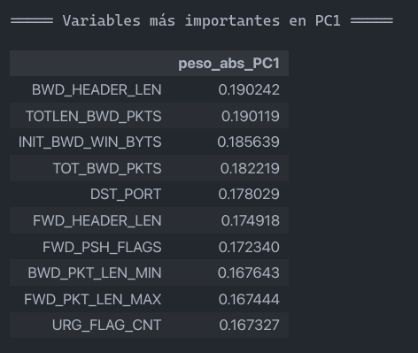
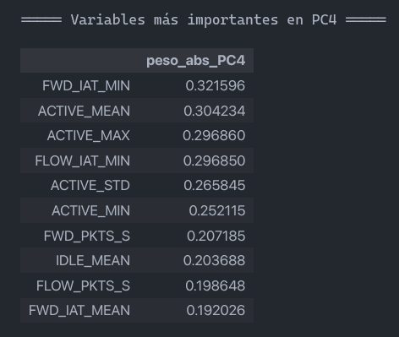
 | PC1 | PC2 | PC3 | PC4 | PC5
DST_PORT | 0.178029 | -0.139105 | -0.034888 | 0.045161 | -0.041950
PROTOCOL | 0.164908 | -0.173559 | -0.040184 | 0.036575 | -0.054318
FLOW_DURATION | 0.107165 | 0.155966 | 0.145134 | 0.172289 | 0.182778
TOT_FWD_PKTS | 0.166901 | -0.120124 | 0.002976 | -0.017639 | -0.072026
TOT_BWD_PKTS | 0.182219 | -0.132183 | 0.001960 | -0.044191 | -0.070803
TOTLEN_FWD_PKTS | 0.164837 | -0.087986 | -0.105706 | -0.071104 | 0.257729
TOTLEN_BWD_PKTS | 0.190119 | -0.038362 | -0.091198 | 0.003646 | 0.067101
FWD_PKT_LEN_MAX | 0.167444 | -0.074222 | -0.157509 | -0.064611 | 0.219742
FWD_PKT_LEN_MIN | 0.163066 | -0.156398 | -0.065307 | 0.028018 | 0.009409
FWD_PKT_LEN_MEAN | 0.140136 | 0.041596 | -0.083006 | -0.068182 | 0.227747
FWD_PKT_LEN_STD | 0.091725 | 0.169810 | -0.154304 | -0.032226 | -0.259027
BWD_PKT_LEN_MAX | 0.144247 | -0.019107 | -0.204413 | -0.069621 | 0.311581
BWD_PKT_LEN_MIN | 0.167643 | -0.167508 | -0.057807 | 0.028453 | -0.023054
BWD_PKT_LEN_MEAN | 0.133455 | 0.132691 | -0.099591 | 0.064113 | -0.057510
BWD_PKT_LEN_STD | 0.081190 | 0.184981 | -0.198399 | -0.044128 | -0.185672
FLOW_BYTS_S | 0.103026 | 0.177327 | -0.170473 | -0.045952 | -0.135714
FLOW_PKTS_S | 0.094947 | 0.182133 | 0.061761 | 0.198648 | 0.044945
FLOW_IAT_MEAN | 0.114982 | 0.187811 | 0.052231 | 0.175629 | 0.112131
FLOW_IAT_STD | 0.090516 | 0.205548 | -0.127356 | -0.027258 | -0.157821
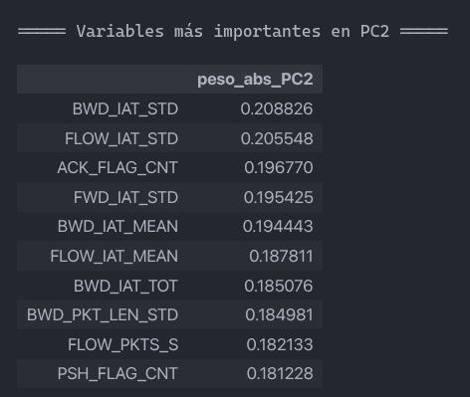
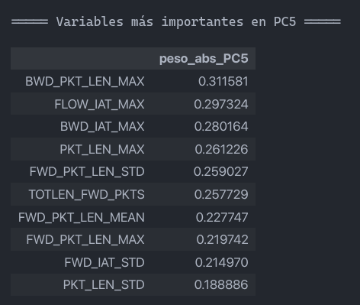
FLOW_IAT_MAX | 0.108427 | 0.111499 | 0.171412 | 0.115116 | 0.297324
FLOW_IAT_MIN | 0.027292 | -0.036858 | 0.225157 | 0.296850 | -0.058493
FWD_IAT_TOT | 0.118198 | 0.165050 | 0.116406 | 0.188518 | -0.041666
FWD_IAT_MEAN | 0.118211 | 0.177565 | 0.073629 | 0.192026 | -0.089499
FWD_IAT_STD | 0.097334 | 0.195425 | -0.071950 | 0.028625 | -0.214970
FWD_IAT_MAX | 0.120890 | 0.117636 | 0.175831 | 0.189174 | -0.043182
FWD_IAT_MIN | 0.042973 | -0.033041 | 0.227649 | 0.321596 | -0.011963
BWD_IAT_TOT | 0.116103 | 0.185076 | -0.027805 | -0.000214 | 0.183730
BWD_IAT_MEAN | 0.110100 | 0.194443 | -0.064059 | -0.009333 | 0.089167
BWD_IAT_STD | 0.077898 | 0.208826 | -0.143620 | -0.077250 | -0.136373
BWD_IAT_MAX | 0.117991 | 0.145700 | 0.002157 | -0.080250 | 0.280164
BWD_IAT_MIN | 0.158367 | -0.039655 | 0.038259 | 0.027845 | 0.017337
FWD_PSH_FLAGS | 0.172340 | -0.167429 | -0.032705 | 0.031733 | -0.058381
FWD_HEADER_LEN | 0.174918 | -0.087597 | -0.014532 | 0.033848 | -0.036254
BWD_HEADER_LEN | 0.190242 | -0.098768 | -0.016410 | 0.010566 | -0.025257
FWD_PKTS_S | 0.095308 | 0.175640 | 0.073816 | 0.207185 | 0.048125
BWD_PKTS_S | 0.130637 | 0.154240 | -0.075395 | 0.036748 | 0.104516
PKT_LEN_MAX | 0.163358 | -0.090747 | -0.138734 | -0.078684 | 0.261226
PKT_LEN_MEAN | 0.158073 | 0.095796 | -0.089483 | 0.034136 | 0.010657
PKT_LEN_STD | 0.100339 | 0.168319 | -0.198415 | -0.071373 | -0.188886
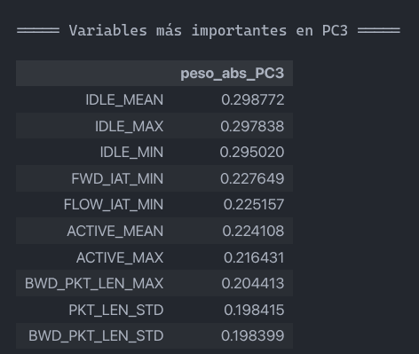
RST_FLAG_CNT | 0.160507 | -0.122553 | 0.071361 | 0.154132 | -0.130209
PSH_FLAG_CNT | 0.140568 | -0.181228 | 0.067010 | 0.114152 | -0.127946
ACK_FLAG_CNT | 0.126982 | -0.196770 | 0.037622 | 0.103942 | -0.123076
URG_FLAG_CNT | 0.167327 | -0.172100 | -0.036014 | 0.032910 | -0.063106
PKT_SIZE_AVG | 0.123639 | 0.106229 | -0.136406 | -0.019540 | -0.158954
INIT_FWD_WIN_BYTS | 0.142651 | -0.139955 | -0.005437 | 0.087945 | -0.086165
INIT_BWD_WIN_BYTS | 0.185639 | -0.095628 | -0.014226 | -0.009151 | -0.062386
FWD_ACT_DATA_PKTS | 0.163711 | -0.118155 | 0.000381 | -0.023219 | -0.070997
ACTIVE_MEAN | 0.129366 | 0.052427 | 0.224108 | -0.304234 | -0.055985
ACTIVE_STD | 0.112941 | 0.037066 | 0.168369 | -0.265845 | -0.071905
ACTIVE_MAX | 0.136598 | 0.040227 | 0.216431 | -0.296860 | -0.055324
ACTIVE_MIN | 0.147064 | 0.007697 | 0.189195 | -0.252115 | -0.049802
IDLE_MEAN | 0.102164 | 0.078386 | 0.298772 | -0.203688 | -0.019252
IDLE_MAX | 0.095022 | 0.073968 | 0.297838 | -0.172729 | -0.002486
IDLE_MIN | 0.104845 | 0.067635 | 0.295020 | -0.185339 | -0.016818

CIC17
CLASE ORIGINAL | NUEVA CLASE | ORIGINAL (CIC17) | LIMPIADO | 80% (train) | RUS/SMOTE | NearMiss/SMOTE | RUS/SMOTE + ENN | NearMiss/SMOTE + ENN
BENIGN | 0 | 2273097 | 2095051 | 1676040 | 10000 | 10000 | 10000 | 10000
DoS Hulk | 1 | 231073 | 172846 | 138277 | 10000 | 10000 | 9640 | 9968
DdoS | 2 | 128027 | 128014 | 102411 | 10000 | 10000 | 9729 | 9995
PortScan | 3 | 158930 | 90694 | 72555 | 10000 | 10000 | 9735 | 9960
Dos GoldenEye | 4 | 10293 | 10286 | 8229 | 10000 | 10000 | 9903 | 9959
FTP-Patator | 5 | 7938 | 5931 | 4745 | 10000 | 10000 | 9914 | 9923
DoS slowloris | 6 | 5796 | 5385 | 4308 | 10000 | 10000 | 9672 | 9806
DoS Slowhttptest | 7 | 5499 | 5228 | 4182 | 10000 | 10000 | 9809 | 9863
SSH-Patator | 8 | 5897 | 3219 | 2575 | 10000 | 10000 | 9640 | 9665
Bot | 9 | 1966 | 1948 | 1558 | 10000 | 10000 | 9838 | 9977
Web Attack Brute Force | 10 | 1507 | 1470 | 1176 | 10000 | 10000 | 5828 | 5844
Web Attack XSS | 11 | 652 | 652 | 522 | 10000 | 10000 | 6010 | 6017
Infiltration | 12 | 36 | 36 | 29 | 10000 | 10000 | 9908 | 9935
Web Attack SQL Injection | 13 | 21 | 21 | 17 | 10000 | 10000 | 9719 | 9719
Heartbleed | 14 | 11 | 11 | 9 | 10000 | 10000 | 10000 | 10000
 |  | 2830743 | 2520792 | 2016633 | 150000 | 150000 | 139345 | 140631

COLUMNAS: |  | 79 | 48 | 48 | 48 | 48

NÚMERO EXPERIMENTO | DESCRIPCIÓN EXPERIMENTO | ACCURACY | PRECISION WEIGHTED | RECALL WEIGHTED | F1 WEIGHTED | PRECISION MACRO | RECALL MACRO | F1 MACRO | MCC | AUC-ROC
1 | PCA4 + KNN | 0.992326 ± 0.000240 | 0.992297 ± 0.000252 | 0.992326 ± 0.000240 | 0.992302 ± 0.000246 | 0.815280 ± 0.051809 | 0.772152 ± 0.034413 | 0.783326 ± 0.037294 | 0.974495 ± 0.000803 | 0.996422 ± 0.000287
2 | PCA4 + Logistic Regression | 0.480807 ± 0.000607 | 0.916062 ± 0.000935 | 0.480807 ± 0.000607 | 0.608253 ± 0.000538 | 0.218011 ± 0.001347 | 0.598842 ± 0.020884 | 0.210265 ± 0.001991 | 0.335315 ± 0.000921 | 0.864660 ± 0.001599
4 | PCA4 + MLP | 0.979422 ± 0.001286 | 0.980035 ± 0.002125 | 0.979422 ± 0.001286 | 0.979276 ± 0.001459 | 0.716523 ± 0.036670 | 0.643630 ± 0.033531 | 0.653096 ± 0.032461 | 0.931971 ± 0.005098 | 0.997793 ± 0.000228
5 | RUS/SMOTE + PCA4 + KNN | 0.960407 ± 0.001027 | 0.960395 ± 0.001006 | 0.960407 ± 0.001027 | 0.960286 ± 0.001023 | 0.960395 ± 0.001006 | 0.960407 ± 0.001027 | 0.960286 ± 0.001023 | 0.957595 ± 0.001099 | 0.993453 ± 0.000476
6 | RUS/SMOTE + PCA4 + Logistic Regression | 0.659407 ± 0.002899 | 0.621496 ± 0.004828 | 0.659407 ± 0.002899 | 0.629904 ± 0.004654 | 0.621496 ± 0.004828 | 0.659407 ± 0.002899 | 0.629904 ± 0.004654 | 0.638208 ± 0.002932 | 0.945022 ± 0.000729
8 | RUS/SMOTE + PCA4 + MLP | 0.922893 ± 0.004223 | 0.923427 ± 0.004235 | 0.922893 ± 0.004223 | 0.920722 ± 0.004820 | 0.923427 ± 0.004235 | 0.922893 ± 0.004223 | 0.920722 ± 0.004820 | 0.917796 ± 0.004422 | 0.994686 ± 0.000510
9 | NearMiss/SMOTE + PCA4 + KNN | 0.966813 ± 0.000860 | 0.966713 ± 0.000844 | 0.966813 ± 0.000860 | 0.966713 ± 0.000858 | 0.966713 ± 0.000844 | 0.966813 ± 0.000860 | 0.966713 ± 0.000858 | 0.964451 ± 0.000920 | 0.995000 ± 0.000217
10 | NearMiss/SMOTE + PCA4 + Logistic Regression | 0.719947 ± 0.002086 | 0.695656 ± 0.011268 | 0.719947 ± 0.002086 | 0.693311 ± 0.002324 | 0.695656 ± 0.011268 | 0.719947 ± 0.002086 | 0.693311 ± 0.002324 | 0.703450 ± 0.002188 | 0.958805 ± 0.000648
12 | NearMiss/SMOTE + PCA4 + MLP | 0.935973 ± 0.002390 | 0.938470 ± 0.002305 | 0.935973 ± 0.002390 | 0.933372 ± 0.002855 | 0.938470 ± 0.002305 | 0.935973 ± 0.002390 | 0.933372 ± 0.002855 | 0.932078 ± 0.002491 | 0.995889 ± 0.000173
13 | RUS/SMOTE + ENN + PCA4 + KNN | 0.991281 ± 0.000450 | 0.991314 ± 0.000452 | 0.991281 ± 0.000450 | 0.991197 ± 0.000457 | 0.990661 ± 0.000604 | 0.990743 ± 0.000547 | 0.990608 ± 0.000572 | 0.990659 ± 0.000481 | 0.997928 ± 0.000177
14 | RUS/SMOTE + ENN + PCA4 + Logistic Regression | 0.671528 ± 0.002847 | 0.643711 ± 0.003324 | 0.671528 ± 0.002847 | 0.647529 ± 0.003073 | 0.621512 ± 0.003198 | 0.660920 ± 0.002650 | 0.629202 ± 0.002964 | 0.651515 ± 0.003038 | 0.952099 ± 0.000449
16 | RUS/SMOTE + ENN + PCA4 + MLP | 0.953238 ± 0.004658 | 0.954322 ± 0.005049 | 0.953238 ± 0.004658 | 0.951727 ± 0.005000 | 0.943084 ± 0.005479 | 0.939454 ± 0.005446 | 0.938332 ± 0.005741 | 0.950052 ± 0.004978 | 0.997745 ± 0.000353
17 | NearMiss/SMOTE + ENN + PCA4 + KNN | 0.996580 ± 0.000351 | 0.996577 ± 0.000351 | 0.996580 ± 0.000351 | 0.996576 ± 0.000352 | 0.995791 ± 0.000376 | 0.995547 ± 0.000382 | 0.995666 ± 0.000372 | 0.996330 ± 0.000377 | 0.998706 ± 0.000118
18 | NearMiss/SMOTE + ENN + PCA4 + Logistic Regression | 0.690374 ± 0.003137 | 0.671052 ± 0.003778 | 0.690374 ± 0.003137 | 0.671209 ± 0.003322 | 0.645876 ± 0.004413 | 0.676019 ± 0.003176 | 0.649754 ± 0.003990 | 0.670670 ± 0.003781 | 0.963132 ± 0.000670
20 | NearMiss/SMOTE + ENN + PCA4 + MLP | 0.966743 ± 0.001533 | 0.967979 ± 0.001406 | 0.966743 ± 0.001533 | 0.965869 ± 0.001759 | 0.955873 ± 0.002262 | 0.952304 ± 0.002156 | 0.951805 ± 0.002573 | 0.964475 ± 0.001598 | 0.998706 ± 0.000118

NÚMERO EXPERIMENTO | DESCRIPCIÓN EXPERIMENTO | ACCURACY | PRECISION WEIGHTED | RECALL WEIGHTED | F1 WEIGHTED | PRECISION MACRO | RECALL MACRO | F1 MACRO | MCC | AUC-ROC
1 | PCA4 + KNN | 0.992923 | 0.992909 | 0.992923 | 0.992910 | 0.844223 | 0.792304 | 0.804793 | 0.976482 | 0.996627
2 | PCA4 + Logistic Regression | 0.481399 | 0.915479 | 0.481399 | 0.608532 | 0.217863 | 0.628219 | 0.210357 | 0.335471 | 0.865633
4 | PCA4 + MLP | 0.977523 | 0.980218 | 0.977523 | 0.977771 | 0.783056 | 0.629943 | 0.652091 | 0.926978 | 0.997408
5 | RUS/SMOTE + PCA4 + KNN | 0.934356 | 0.977318 | 0.934356 | 0.952318 | 0.473958 | 0.891208 | 0.553044 | 0.827932 | 0.983358
6 | RUS/SMOTE + PCA4 + Logistic Regression | 0.492500 | 0.931221 | 0.492500 | 0.605161 | 0.220264 | 0.643411 | 0.228418 | 0.383232 | 0.876308
8 | RUS/SMOTE + PCA4 + MLP | 0.832865 | 0.953289 | 0.832865 | 0.879260 | 0.329408 | 0.875185 | 0.397813 | 0.664453 | 0.988178
9 | NearMiss/SMOTE + PCA4 + KNN | 0.171816 | 0.907665 | 0.171816 | 0.192512 | 0.215872 | 0.739590 | 0.184377 | 0.234454 | 0.582715
10 | NearMiss/SMOTE + PCA4 + Logistic Regression | 0.115204 | 0.457526 | 0.115204 | 0.142574 | 0.113432 | 0.553410 | 0.115898 | 0.021136 | 0.348923
12 | NearMiss/SMOTE + PCA4 + MLP | 0.166481 | 0.810035 | 0.166481 | 0.166297 | 0.172017 | 0.734898 | 0.152744 | 0.198667 | 0.603053
13 | RUS/SMOTE + ENN + PCA4 + KNN | 0.941001 | 0.979190 | 0.941001 | 0.957170 | 0.485363 | 0.890791 | 0.558337 | 0.841194 | 0.983252
14 | RUS/SMOTE + ENN + PCA4 + Logistic Regression | 0.491957 | 0.934970 | 0.491957 | 0.609422 | 0.221000 | 0.672315 | 0.226361 | 0.378679 | 0.890447
16 | RUS/SMOTE + ENN + PCA4 + MLP | 0.890485 | 0.965477 | 0.890485 | 0.921333 | 0.444425 | 0.872758 | 0.507585 | 0.744371 | 0.990532
17 | NearMiss/SMOTE + ENN + PCA4 + KNN | 0.171067 | 0.905766 | 0.171067 | 0.191801 | 0.223183 | 0.739972 | 0.192557 | 0.234380 | 0.532977
18 | NearMiss/SMOTE + ENN + PCA4 + Logistic Regression | 0.113861 | 0.444116 | 0.113861 | 0.141961 | 0.112582 | 0.511979 | 0.111884 | 0.015257 | 0.363976
20 | NearMiss/SMOTE + ENN + PCA4 + MLP | 0.177315 | 0.852046 | 0.177315 | 0.197110 | 0.212521 | 0.775648 | 0.196217 | 0.239928 | 0.532977

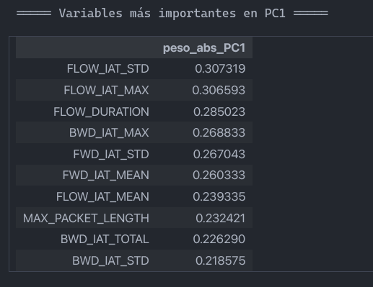
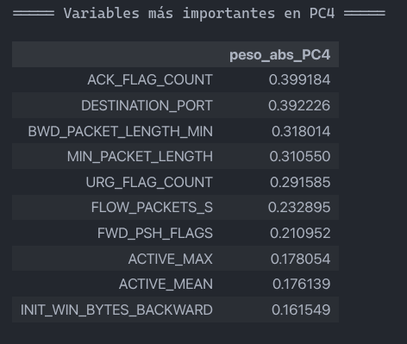
COMPONENTES DEL PCA POR COLUMNAS
 | PC1 | PC2 | PC3 | PC4 | PC5
DESTINATION_PORT | -0.058976 | 0.001065 | -0.189615 | 0.392226 | 0.103996
FLOW_DURATION | 0.285023 | -0.035370 | 0.049378 | 0.038348 | -0.043766
TOTAL_FWD_PACKETS | 0.009006 | -0.032054 | 0.114601 | 0.054765 | 0.455150
TOTAL_LENGTH_OF_FWD_PACKETS | 0.040954 | -0.082736 | 0.182019 | 0.092160 | 0.436333
FWD_PACKET_LENGTH_MAX | 0.115424 | -0.150486 | 0.088861 | 0.074724 | 0.184057
FWD_PACKET_LENGTH_MIN | -0.040424 | 0.098706 | 0.044182 | -0.146184 | 0.202253
FWD_PACKET_LENGTH_MEAN | 0.087109 | -0.103095 | 0.068725 | 0.049344 | 0.254141
BWD_PACKET_LENGTH_MAX | 0.215704 | -0.248206 | -0.134457 | -0.152483 | -0.043257
BWD_PACKET_LENGTH_MIN | -0.087964 | 0.166102 | 0.099042 | -0.318014 | 0.155083
FLOW_BYTES_S | -0.007161 | -0.005992 | -0.039915 | 0.077601 | 0.041398
FLOW_PACKETS_S | -0.045311 | 0.012207 | -0.118390 | 0.232895 | 0.014867
FLOW_IAT_MEAN | 0.239335 | 0.233176 | -0.027731 | 0.055791 | -0.039998
FLOW_IAT_STD | 0.307319 | 0.109775 | -0.087904 | -0.005129 | 0.009134
FLOW_IAT_MAX | 0.306593 | 0.011946 | -0.109475 | -0.001066 | 0.018731
FLOW_IAT_MIN | 0.036279 | 0.106634 | -0.018359 | 0.069224 | -0.040191
FWD_IAT_MEAN | 0.260333 | 0.280163 | -0.012181 | 0.027471 | -0.021258
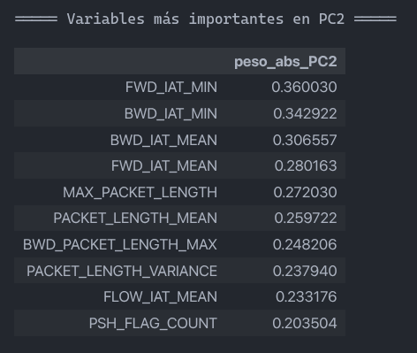
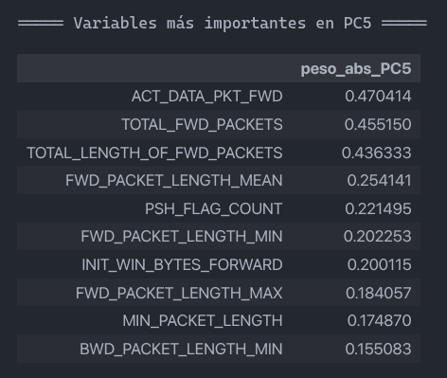
FWD_IAT_STD | 0.267043 | -0.108401 | -0.150956 | -0.022398 | 0.042064
FWD_IAT_MIN | 0.151017 | 0.360030 | 0.046856 | 0.037579 | -0.036935
BWD_IAT_TOTAL | 0.226290 | 0.018917 | 0.156144 | 0.043821 | -0.033535
BWD_IAT_MEAN | 0.215076 | 0.306557 | 0.071943 | 0.024785 | -0.016894
BWD_IAT_STD | 0.218575 | -0.049504 | -0.011268 | -0.010964 | 0.061413
BWD_IAT_MAX | 0.268833 | 0.109588 | 0.037493 | 0.010214 | 0.044017
BWD_IAT_MIN | 0.150470 | 0.342922 | 0.065840 | 0.025614 | -0.026898
FWD_PSH_FLAGS | -0.006934 | 0.043027 | -0.078079 | 0.210952 | 0.052384
FWD_URG_FLAGS | -0.001175 | -0.000092 | -0.001950 | 0.008404 | -0.002119
FWD_HEADER_LENGTH | -0.000144 | 0.000087 | -0.007615 | -0.001659 | 0.010632
BWD_HEADER_LENGTH | -0.000514 | -0.000768 | -0.005443 | -0.000642 | 0.020886
BWD_PACKETS_S | -0.035380 | 0.011104 | -0.062936 | 0.123819 | 0.005175
MIN_PACKET_LENGTH | -0.085614 | 0.198959 | 0.100400 | -0.310550 | 0.174870
MAX_PACKET_LENGTH | 0.232421 | -0.272030 | -0.117135 | -0.116833 | 0.031535
PACKET_LENGTH_MEAN | 0.207827 | -0.259722 | -0.083098 | -0.152384 | 0.040233
PACKET_LENGTH_VARIANCE | 0.174686 | -0.237940 | -0.154747 | -0.128015 | 0.038067
FIN_FLAG_COUNT | 0.129669 | -0.028831 | -0.106189 | -0.061976 | 0.032365
RST_FLAG_COUNT | 0.002879 | -0.007265 | 0.006604 | 0.000031 | -0.005097
PSH_FLAG_COUNT | 0.050618 | -0.203504 | 0.195324 | -0.025306 | -0.221495
ACK_FLAG_COUNT | 0.001086 | -0.001075 | -0.277571 | 0.399184 | 0.060703
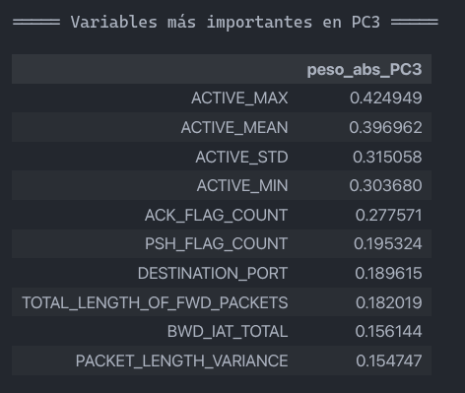
URG_FLAG_COUNT | -0.043640 | 0.026356 | -0.148890 | 0.291585 | 0.092281
DOWN_UP_RATIO | -0.035523 | 0.051825 | 0.009926 | -0.123756 | 0.138465
INIT_WIN_BYTES_FORWARD | 0.027372 | -0.129541 | 0.135251 | 0.052294 | -0.200115
INIT_WIN_BYTES_BACKWARD | -0.020161 | -0.024723 | -0.014046 | 0.161549 | -0.050142
ACT_DATA_PKT_FWD | 0.008081 | -0.030927 | 0.113845 | 0.055252 | 0.470414
MIN_SEG_SIZE_FORWARD | -0.000567 | -0.000042 | -0.010492 | -0.002331 | 0.015089
ACTIVE_MEAN | 0.069868 | -0.092073 | 0.396962 | 0.176139 | -0.072803
ACTIVE_STD | 0.053560 | -0.063854 | 0.315058 | 0.125327 | -0.067132
ACTIVE_MAX | 0.074792 | -0.098432 | 0.424949 | 0.178054 | -0.086715
ACTIVE_MIN | 0.056095 | -0.076869 | 0.303680 | 0.139529 | -0.053753
IDLE_STD | 0.094360 | -0.049762 | -0.033352 | 0.039738 | 0.060411

BCCC17
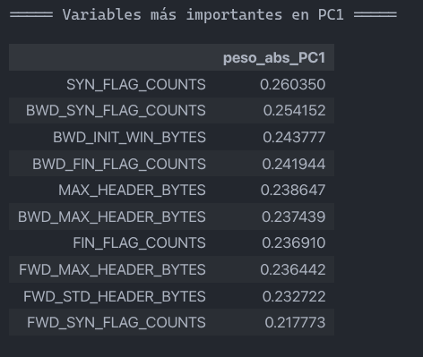
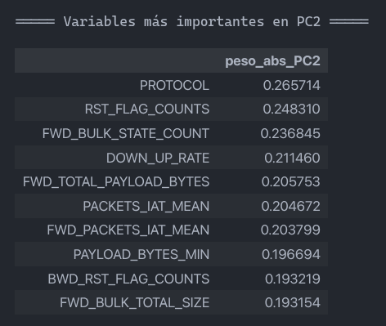
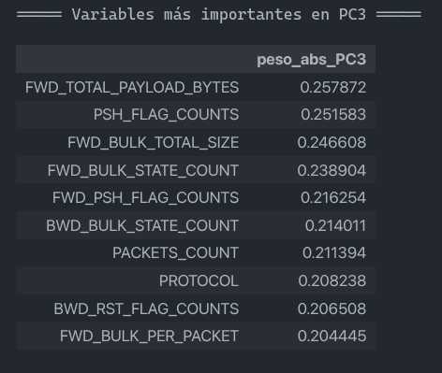
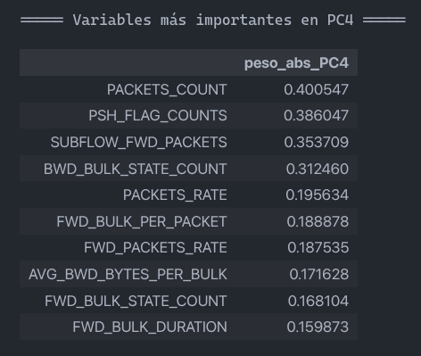
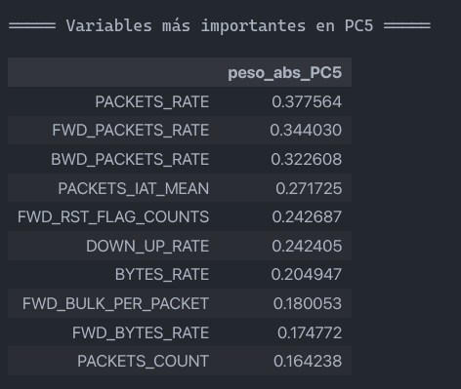
CLASE ORIGINAL | NUEVA CLASE | ORIGINAL (BCCC17) | LIMPIADO | train (80%) | RUS/SMOTE | NearMiss/SMOTE | RUS/SMOTE + ENN | NearMiss/SMOTE + ENN
Benign | 0 | 1786239 | 1715048 | 1372038 | 10000 | 10000 | 10000 | 10000
DoS_Hulk | 1 | 349240 | 346143 | 276961 | 10000 | 10000 | 9168 | 10000
Port_Scan | 2 | 161323 | 161323 | 129058 | 10000 | 10000 | 9973 | 9972
DdoS_LOIT | 3 | 95733 | 95729 | 76583 | 10000 | 10000 | 9376 | 9988
FTP-Patator | 4 | 9531 | 9531 | 7625 | 10000 | 10000 | 9978 | 9996
DoS_GoldenEye | 5 | 8364 | 8364 | 6691 | 10000 | 10000 | 9351 | 9625
Dos_Slowhttptest | 6 | 6860 | 6856 | 5485 | 10000 | 10000 | 9571 | 9632
SSH-Patator | 7 | 5949 | 5949 | 4759 | 10000 | 10000 | 9947 | 9981
Botnet_ARES | 8 | 5508 | 5508 | 4406 | 10000 | 10000 | 9991 | 9993
DoS_Slowloris | 9 | 5177 | 5122 | 4098 | 10000 | 10000 | 9620 | 8581
Web_Brute_Force | 10 | 2734 | 2733 | 2187 | 10000 | 10000 | 8106 | 8117
Web_XSS | 11 | 1358 | 1357 | 1086 | 10000 | 10000 | 6944 | 6907
Web_SQL_Injection | 12 | 24 | 24 | 19 | 10000 | 10000 | 9811 | 9824
Heartbleed | 13 | 12 | 12 | 10 | 10000 | 10000 | 9974 | 7946
 |  | 2438052 | 2363699 | 1891006 | 140000 | 140000 | 131810 | 130562

COLUMNAS: |  | 122 | 48 | 48 | 48 | 48

NÚMERO EXPERIMENTO | DESCRIPCIÓN EXPERIMENTO | ACCURACY | PRECISION WEIGHTED | RECALL WEIGHTED | F1 WEIGHTED | PRECISION MACRO | RECALL MACRO | F1 MACRO | MCC | AUC-ROC
1 | PCA4 + KNN | 0.995868 ± 0.000121 | 0.995839 ± 0.000130 | 0.995868 ± 0.000121 | 0.995841 ± 0.000128 | 0.898896 ± 0.022358 | 0.897954 ± 0.017360 | 0.895331 ± 0.011207 | 0.990731 ± 0.000273 | 0.998705 ± 0.000082
2 | PCA4 + Logistic Regression | 0.514280 ± 0.022613 | 0.888197 ± 0.025505 | 0.514280 ± 0.022613 | 0.625090 ± 0.024717 | 0.230583 ± 0.018574 | 0.363666 ± 0.018201 | 0.200487 ± 0.013458 | 0.351127 ± 0.024124 | 0.908154 ± 0.003732
4 | PCA4 + MLP | 0.987224 ± 0.002190 | 0.985747 ± 0.001933 | 0.987224 ± 0.002190 | 0.985792 ± 0.002183 | 0.707422 ± 0.030732 | 0.579843 ± 0.011505 | 0.614769 ± 0.007405 | 0.971206 ± 0.004882 | 0.997978 ± 0.000554
5 | RUS/SMOTE + PCA4 + KNN | 0.968107 ± 0.000838 | 0.968073 ± 0.000816 | 0.968107 ± 0.000838 | 0.968057 ± 0.000833 | 0.968073 ± 0.000816 | 0.968107 ± 0.000838 | 0.968057 ± 0.000833 | 0.965659 ± 0.000902 | 0.994845 ± 0.000122
6 | RUS/SMOTE + PCA4 + Logistic Regression | 0.514057 ± 0.009289 | 0.500307 ± 0.021506 | 0.514057 ± 0.009289 | 0.473830 ± 0.016348 | 0.500307 ± 0.021506 | 0.514057 ± 0.009289 | 0.473830 ± 0.016348 | 0.484033 ± 0.009249 | 0.897853 ± 0.001551
8 | RUS/SMOTE + PCA4 + MLP | 0.854229 ± 0.010053 | 0.883069 ± 0.009629 | 0.854229 ± 0.010053 | 0.834791 ± 0.009221 | 0.883069 ± 0.009629 | 0.854229 ± 0.010053 | 0.834791 ± 0.009221 | 0.847535 ± 0.010621 | 0.986676 ± 0.000757
9 | NearMiss/SMOTE + PCA4 + KNN | 0.974014 ± 0.000831 | 0.973910 ± 0.000830 | 0.974014 ± 0.000831 | 0.973949 ± 0.000832 | 0.973910 ± 0.000830 | 0.974014 ± 0.000831 | 0.973949 ± 0.000832 | 0.972018 ± 0.000894 | 0.996127 ± 0.000425
10 | NearMiss/SMOTE + PCA4 + Logistic Regression | 0.548421 ± 0.038528 | 0.580192 ± 0.054245 | 0.548421 ± 0.038528 | 0.531145 ± 0.049220 | 0.580192 ± 0.054245 | 0.548421 ± 0.038528 | 0.531145 ± 0.049220 | 0.520565 ± 0.042029 | 0.899143 ± 0.018832
12 | NearMiss/SMOTE + PCA4 + MLP | 0.812079 ± 0.001702 | 0.867410 ± 0.014507 | 0.812079 ± 0.001702 | 0.798277 ± 0.008138 | 0.867410 ± 0.014507 | 0.812079 ± 0.001702 | 0.798277 ± 0.008138 | 0.804013 ± 0.004247 | 0.983725 ± 0.001724
13 | RUS/SMOTE + ENN + PCA4 + KNN | 0.989538 ± 0.000804 | 0.989512 ± 0.000808 | 0.989538 ± 0.000804 | 0.989494 ± 0.000803 | 0.989000 ± 0.000882 | 0.989072 ± 0.000865 | 0.989006 ± 0.000869 | 0.988731 ± 0.000867 | 0.997501 ± 0.000164
14 | RUS/SMOTE + ENN + PCA4 + Logistic Regression | 0.544799 ± 0.019849 | 0.538258 ± 0.022955 | 0.544799 ± 0.019849 | 0.516132 ± 0.020815 | 0.530277 ± 0.021688 | 0.543483 ± 0.019082 | 0.511733 ± 0.019666 | 0.513974 ± 0.021501 | 0.898833 ± 0.001874
16 | RUS/SMOTE + ENN + PCA4 + MLP | 0.870108 ± 0.007763 | 0.889796 ± 0.010851 | 0.870108 ± 0.007763 | 0.860209 ± 0.009683 | 0.880297 ± 0.013872 | 0.857686 ± 0.008532 | 0.844756 ± 0.012759 | 0.862313 ± 0.008312 | 0.989935 ± 0.001167
17 | NearMiss/SMOTE + ENN + PCA4 + KNN | 0.994210 ± 0.000283 | 0.994205 ± 0.000290 | 0.994210 ± 0.000283 | 0.994200 ± 0.000285 | 0.993844 ± 0.000324 | 0.993636 ± 0.000448 | 0.993731 ± 0.000384 | 0.993760 ± 0.000306 | 0.998595 ± 0.000099
18 | NearMiss/SMOTE + ENN + PCA4 + Logistic Regression | 0.505476 ± 0.018710 | 0.533130 ± 0.015803 | 0.505476 ± 0.018710 | 0.480020 ± 0.019237 | 0.517856 ± 0.015697 | 0.492066 ± 0.017530 | 0.466882 ± 0.018453 | 0.473179 ± 0.019621 | 0.896051 ± 0.006005
20 | NearMiss/SMOTE + ENN + PCA4 + MLP | 0.844365 ± 0.002965 | 0.882828 ± 0.002619 | 0.844365 ± 0.002965 | 0.837768 ± 0.003225 | 0.870813 ± 0.002574 | 0.836126 ± 0.003035 | 0.827704 ± 0.003207 | 0.836279 ± 0.003146 | 0.988048 ± 0.001281

NÚMERO EXPERIMENTO | DESCRIPCIÓN EXPERIMENTO | ACCURACY | PRECISION WEIGHTED | RECALL WEIGHTED | F1 WEIGHTED | PRECISION MACRO | RECALL MACRO | F1 MACRO | MCC | AUC-ROC
1 | PCA4 + KNN | 0.996078 | 0.996042 | 0.996078 | 0.996051 | 0.898534 | 0.850860 | 0.868131 | 0.991202 | 0.998864
2 | PCA4 + Logistic Regression | 0.520292 | 0.893430 | 0.520292 | 0.633596 | 0.225849 | 0.340158 | 0.198112 | 0.355227 | 0.904174
4 | PCA4 + MLP | 0.988611 | 0.986742 | 0.988611 | 0.987216 | 0.668978 | 0.582879 | 0.614480 | 0.974311 | 0.998588
5 | RUS/SMOTE + PCA4 + KNN | 0.954573 | 0.984027 | 0.954573 | 0.966206 | 0.492001 | 0.890689 | 0.569883 | 0.908297 | 0.989250
6 | RUS/SMOTE + PCA4 + Logistic Regression | 0.552378 | 0.822200 | 0.552378 | 0.646785 | 0.239631 | 0.424235 | 0.229398 | 0.355979 | 0.874995
8 | RUS/SMOTE + PCA4 + MLP | 0.761002 | 0.958997 | 0.761002 | 0.835555 | 0.327029 | 0.788418 | 0.361906 | 0.648468 | 0.969081
9 | NearMiss/SMOTE + PCA4 + KNN | 0.251341 | 0.931861 | 0.251341 | 0.308915 | 0.250420 | 0.749663 | 0.196040 | 0.257268 | 0.629703
10 | NearMiss/SMOTE + PCA4 + Logistic Regression | 0.228305 | 0.857358 | 0.228305 | 0.271047 | 0.211344 | 0.464973 | 0.176187 | 0.238001 | 0.572600
12 | NearMiss/SMOTE + PCA4 + MLP | 0.201434 | 0.855155 | 0.201434 | 0.204746 | 0.202750 | 0.683691 | 0.167379 | 0.234017 | 0.655261
13 | RUS/SMOTE + ENN + PCA4 + KNN | 0.957560 | 0.984362 | 0.957560 | 0.968245 | 0.514438 | 0.888656 | 0.590226 | 0.913100 | 0.989055
14 | RUS/SMOTE + ENN + PCA4 + Logistic Regression | 0.523154 | 0.902818 | 0.523154 | 0.631367 | 0.248046 | 0.448828 | 0.243366 | 0.426190 | 0.879241
16 | RUS/SMOTE + ENN + PCA4 + MLP | 0.774428 | 0.960322 | 0.774428 | 0.845458 | 0.345983 | 0.787170 | 0.385407 | 0.662073 | 0.973283
17 | NearMiss/SMOTE + ENN + PCA4 + KNN | 0.242909 | 0.928609 | 0.242909 | 0.306501 | 0.246400 | 0.745626 | 0.189991 | 0.241613 | 0.624516
18 | NearMiss/SMOTE + ENN + PCA4 + Logistic Regression | 0.223220 | 0.854159 | 0.223220 | 0.260170 | 0.215866 | 0.397416 | 0.180215 | 0.248695 | 0.592598
20 | NearMiss/SMOTE + ENN + PCA4 + MLP | 0.175301 | 0.850606 | 0.175301 | 0.187273 | 0.195647 | 0.648311 | 0.155422 | 0.198577 | 0.686384

