A1_COMPONENTES PCA
ROBUST SCALER
 | ROBUST SCALER |  | STANDARD SCALER
COMPONENTES | RATIO VARIANZA EXPLICADA | VARIANZA ACUMULADA | RATIO VARIANZA EXPLICADA | VARIANZA ACUMULADA
1 | 91.0714 % | 91.0714 % | 18.0110 % | 18.0110 %
2 | 6.9497 % | 98.0211 % | 9.4321 % | 27.4431 %
3 | 1.3623 % | 99.3834 % | 6.4826 % | 33.9257 %
4 | 0.2514 % | 99.6348 % | 6.3849 % | 40.3106 %
5 | 0.2245 % | 99.8593 % | 4.9535 % | 45.2641 %
6 | 0.0925 % | 99.9518 % | 4.5368 % | 49.8009 %
7 | 0.0200 % | 99.9718 % | 4.2902 % | 54.0911 %
8 | 0.0172 % | 99.9890 % | 4.1264 % | 58.2176 %
9 | 0.0078 % | 99.9968 % | 3.9334 % | 62.1510 %
10 | 0.0030 % | 99.9998 % | 3.3264 % | 65.4773 %
11 | 0.0002 % | 100.0000 % | 2.9860 % | 68.4633 %
12 | 0.0000 % | 100.0000 % | 2.6351 % | 71.0984 %
13 | 0.0000 % | 100.0000 % | 2.4220 % | 73.5204 %
14 | 0.0000 % | 100.0000 % | 2.1948 % | 75.7152 %
15 | 0.0000 % | 100.0000 % | 2.1301 % | 77.8453 %
16 | 0.0000 % | 100.0000 % | 2.1215 % | 79.9668 %
17 | 0.0000 % | 100.0000 % | 2.0294 % | 81.9963 %
18 | 0.0000 % | 100.0000 % | 1.9443 % | 83.9406 %
19 | 0.0000 % | 100.0000 % | 1.8802 % | 85.8208 %
20 | 0.0000 % | 100.0000 % | 1.8102 % | 87.6310 %
21 | 0.0000 % | 100.0000 % | 1.6647 % | 89.2956 %
22 | 0.0000 % | 100.0000 % | 1.4906 % | 90.7862 %
23 | 0.0000 % | 100.0000 % | 1.3738 % | 92.1600 %
24 | 0.0000 % | 100.0000 % | 1.1941 % | 93.3541 %
25 | 0.0000 % | 100.0000 % | 1.1533 % | 94.5074 %
26 | 0.0000 % | 100.0000 % | 1.0052 % | 95.5126 %
27 | 0.0000 % | 100.0000 % | 0.7667 % | 96.2794 %
28 | 0.0000 % | 100.0000 % | 0.6661 % | 96.9455 %
STANDARD SCALER
29 | 0.0000 % | 100.0000 % | 0.6010 % | 97.5465 %
30 | 0.0000 % | 100.0000 % | 0.5374 % | 98.0840 %
31 | 0.0000 % | 100.0000 % | 0.4157 % | 98.4996 %
32 | 0.0000 % | 100.0000 % | 0.3316 % | 98.8312 %
33 | 0.0000 % | 100.0000 % | 0.2094 % | 99.0406 %
34 | 0.0000 % | 100.0000 % | 0.2057 % | 99.2463 %
35 | 0.0000 % | 100.0000 % | 0.1985 % | 99.4448 %
36 | 0.0000 % | 100.0000 % | 0.1651 % | 99.6099 %
37 | 0.0000 % | 100.0000 % | 0.1182 % | 99.7281 %
38 | 0.0000 % | 100.0000 % | 0.0930 % | 99.8211 %
39 | 0.0000 % | 100.0000 % | 0.0849 % | 99.9060 %
40 | 0.0000 % | 100.0000 % | 0.0368 % | 99.9428 %
41 | 0.0000 % | 100.0000 % | 0.0260 % | 99.9688 %
42 | 0.0000 % | 100.0000 % | 0.0133 % | 99.9821 %
43 | 0.0000 % | 100.0000 % | 0.0063 % | 99.9885 %
44 | 0.0000 % | 100.0000 % | 0.0059 % | 99.9944 %
45 | 0.0000 % | 100.0000 % | 0.0037 % | 99.9981 %
46 | 0.0000 % | 100.0000 % | 0.0011 % | 99.9991 %
47 | 0.0000 % | 100.0000 % | 0.0009 % | 100.0000 %

A2_N_REBALANCEO
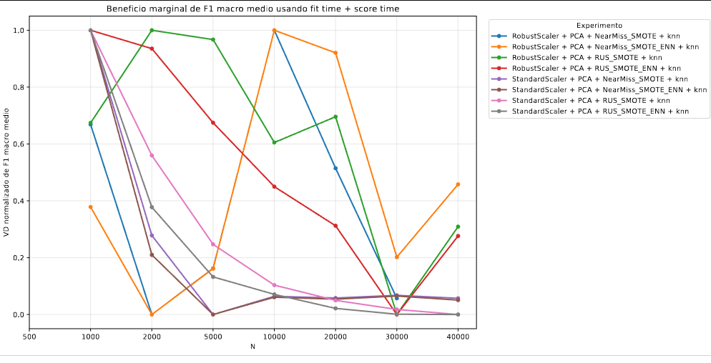
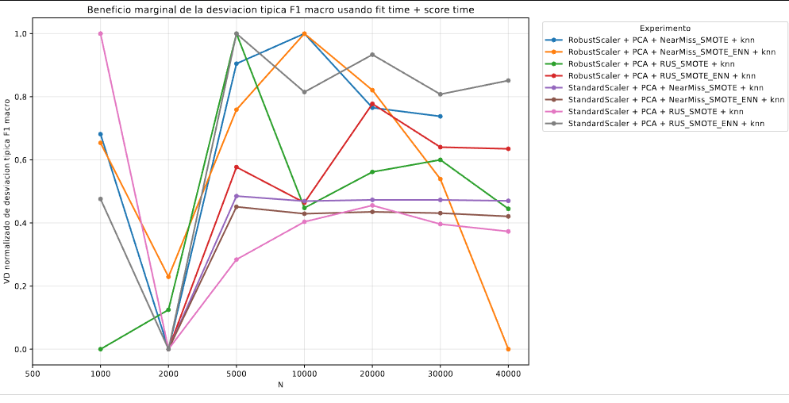
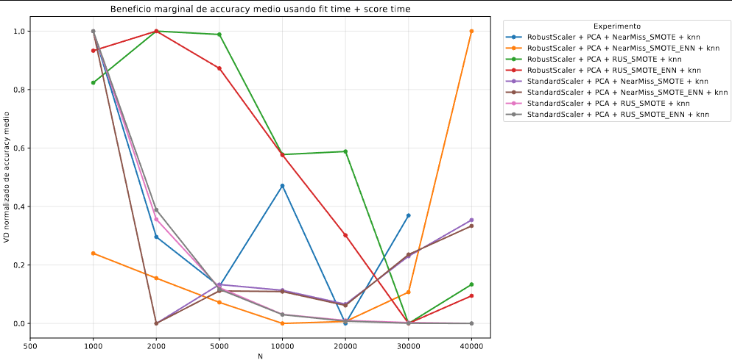
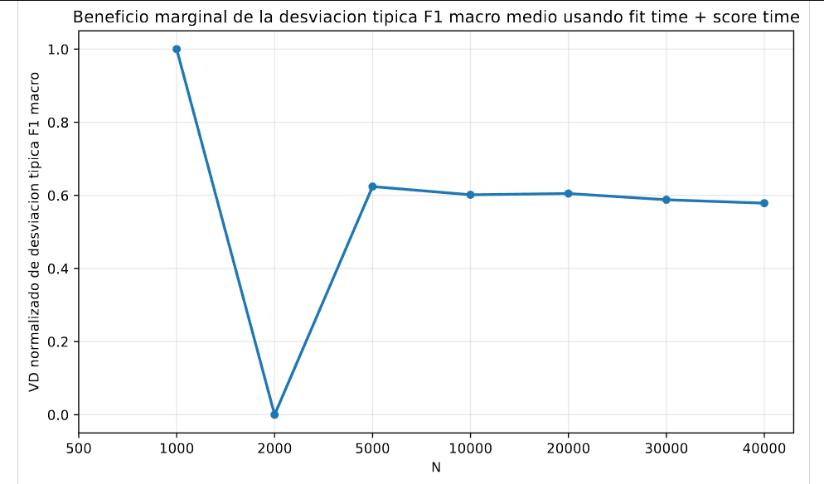
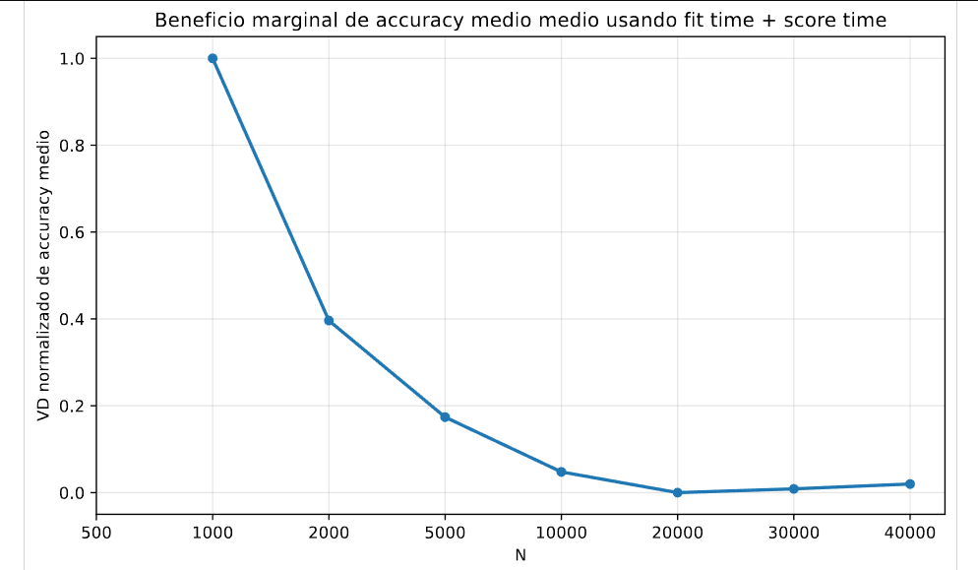
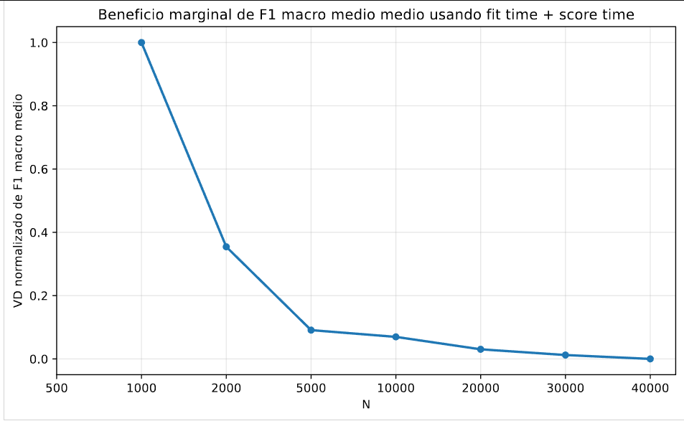
EXPERIMENTO | MODELO | SCALER | PCA | N.º COMPONENTES | ESTRATEGIA DE REBALANCEO | N | ACCURACY MEDIO | ACCURACY STD | LATENCIA DE DETECCIÓN MEDIA (S) | LATENCIA DE DETECCIÓN STD (S) | F1 MACRO MEDIO | F1 MACRO STD | F1 WEIGHTED MEDIO | F1 WEIGHTED STD | FIT TIME MEDIO | FIT TIME STD | FNR MACRO MEDIO | FNR MACRO STD | FNR WEIGHTED MEDIO | FNR WEIGHTED STD | FPR MACRO MEDIO | FPR MACRO STD | FPR WEIGHTED MEDIO | FPR WEIGHTED STD | MCC MEDIO | MCC STD | PRECISIÓN MACRO MEDIA | PRECISIÓN MACRO STD | PRECISIÓN WEIGHTED MEDIA | PRECISIÓN WEIGHTED STD | RECALL MACRO MEDIO | RECALL MACRO STD | RECALL WEIGHTED MEDIO | RECALL WEIGHTED STD | ROC-AUC MEDIO | ROC-AUC STD | SCORE FIT TIME MEDIO | SCORE FIT TIME STD
RobustScaler + PCA + NearMiss_SMOTE + knn | knn | RobustScaler | True | 3 | NearMiss_SMOTE | 500 | 0.00820 | 0.00517 | 0.00000 | 0.00000 | 0.03636 | 0.01849 | 0.00901 | 0.00615 | 0.00196 | 0.00025 | 0.70995 | 0.01757 | 0.99180 | 0.00517 | 0.06672 | 0.00046 | 0.00899 | 0.00174 | -0.00430 | 0.01378 | 0.10089 | 0.03849 | 0.82680 | 0.01750 | 0.29005 | 0.01757 | 0.00820 | 0.00517 | 0.50022 | 0.00349 | 0.63629 | 0.03397
RobustScaler + PCA + NearMiss_SMOTE + knn | knn | RobustScaler | True | 3 | NearMiss_SMOTE | 1000 | 0.02247 | 0.00440 | 0.00000 | 0.00000 | 0.04517 | 0.01722 | 0.02661 | 0.00628 | 0.00331 | 0.00041 | 0.61653 | 0.02748 | 0.97753 | 0.00440 | 0.06582 | 0.00032 | 0.00978 | 0.00151 | 0.00980 | 0.01062 | 0.10501 | 0.03623 | 0.83715 | 0.01084 | 0.38347 | 0.02748 | 0.02247 | 0.00440 | 0.50620 | 0.00243 | 0.68674 | 0.03707
RobustScaler + PCA + NearMiss_SMOTE + knn | knn | RobustScaler | True | 3 | NearMiss_SMOTE | 2000 | 0.03496 | 0.00353 | 0.00000 | 0.00000 | 0.05188 | 0.00189 | 0.03718 | 0.00738 | 0.00648 | 0.00003 | 0.49361 | 0.02675 | 0.96504 | 0.00353 | 0.06500 | 0.00020 | 0.00993 | 0.00061 | 0.02767 | 0.00637 | 0.10098 | 0.00709 | 0.83973 | 0.00810 | 0.50639 | 0.02675 | 0.03496 | 0.00353 | 0.51260 | 0.00141 | 0.76578 | 0.01066
RobustScaler + PCA + NearMiss_SMOTE + knn | knn | RobustScaler | True | 3 | NearMiss_SMOTE | 5000 | 0.05711 | 0.01125 | 0.00000 | 0.00000 | 0.07055 | 0.00709 | 0.05748 | 0.01396 | 0.01933 | 0.00024 | 0.39330 | 0.03333 | 0.94289 | 0.01125 | 0.06347 | 0.00083 | 0.00919 | 0.00125 | 0.06125 | 0.01485 | 0.11506 | 0.00611 | 0.84734 | 0.00534 | 0.60670 | 0.03333 | 0.05711 | 0.01125 | 0.52920 | 0.00925 | 0.93409 | 0.03808
RobustScaler + PCA + NearMiss_SMOTE + knn | knn | RobustScaler | True | 3 | NearMiss_SMOTE | 10000 | 0.07806 | 0.02236 | 0.00000 | 0.00000 | 0.09507 | 0.01298 | 0.08659 | 0.03476 | 0.04419 | 0.00470 | 0.36459 | 0.03366 | 0.92194 | 0.02236 | 0.06245 | 0.00161 | 0.01482 | 0.00200 | 0.07353 | 0.02011 | 0.13269 | 0.00713 | 0.85450 | 0.00332 | 0.63541 | 0.03366 | 0.07806 | 0.02236 | 0.53470 | 0.01543 | 1.02391 | 0.04764
RobustScaler + PCA + NearMiss_SMOTE + knn | knn | RobustScaler | True | 3 | NearMiss_SMOTE | 20000 | 0.09531 | 0.01738 | 0.00000 | 0.00000 | 0.12088 | 0.01221 | 0.09471 | 0.02055 | 0.09033 | 0.00047 | 0.34145 | 0.03302 | 0.90469 | 0.01738 | 0.06191 | 0.00124 | 0.02389 | 0.00151 | 0.09222 | 0.02352 | 0.14942 | 0.00470 | 0.86053 | 0.00261 | 0.65855 | 0.03302 | 0.09531 | 0.01738 | 0.53937 | 0.01516 | 1.15026 | 0.03452
RobustScaler + PCA + NearMiss_SMOTE + knn | knn | RobustScaler | True | 3 | NearMiss_SMOTE | 30000 | 0.11394 | 0.01319 | 0.00000 | 0.00000 | 0.13096 | 0.01097 | 0.10220 | 0.01501 | 0.16745 | 0.02605 | 0.32363 | 0.02861 | 0.88606 | 0.01319 | 0.06071 | 0.00094 | 0.02454 | 0.00185 | 0.12398 | 0.01883 | 0.15053 | 0.00482 | 0.86046 | 0.00252 | 0.67637 | 0.02861 | 0.11394 | 0.01319 | 0.54603 | 0.00835 | 1.18618 | 0.01798
RobustScaler + PCA + NearMiss_SMOTE + knn | knn | RobustScaler | True | 3 | NearMiss_SMOTE | 40000 | 0.12935 | 0.00732 | 0.00000 | 0.00000 | 0.13235 | 0.00644 | 0.11477 | 0.00929 | 0.20304 | 0.01032 | 0.31160 | 0.02613 | 0.87065 | 0.00732 | 0.05971 | 0.00056 | 0.02499 | 0.00142 | 0.14242 | 0.00899 | 0.14900 | 0.00403 | 0.86096 | 0.00279 | 0.68840 | 0.02613 | 0.12935 | 0.00732 | 0.55450 | 0.00566 | 1.14616 | 0.02449
RobustScaler + PCA + NearMiss_SMOTE_ENN + knn | knn | RobustScaler | True | 3 | NearMiss_SMOTE_ENN | 500 | 0.01609 | 0.00410 | 0.00000 | 0.00000 | 0.04119 | 0.01559 | 0.02326 | 0.00786 | 0.00189 | 0.00005 | 0.70295 | 0.02346 | 0.98391 | 0.00410 | 0.06632 | 0.00032 | 0.01088 | 0.00220 | -0.00378 | 0.01279 | 0.10253 | 0.03411 | 0.83426 | 0.00919 | 0.29705 | 0.02346 | 0.01609 | 0.00410 | 0.50190 | 0.00286 | 0.57070 | 0.01421
RobustScaler + PCA + NearMiss_SMOTE_ENN + knn | knn | RobustScaler | True | 3 | NearMiss_SMOTE_ENN | 1000 | 0.02538 | 0.00523 | 0.00000 | 0.00000 | 0.04604 | 0.01468 | 0.03044 | 0.00792 | 0.00372 | 0.00092 | 0.59951 | 0.02810 | 0.97462 | 0.00523 | 0.06580 | 0.00034 | 0.01233 | 0.00245 | 0.00774 | 0.01074 | 0.10499 | 0.03374 | 0.83578 | 0.00986 | 0.40049 | 0.02810 | 0.02538 | 0.00523 | 0.50715 | 0.00257 | 0.61491 | 0.00888
RobustScaler + PCA + NearMiss_SMOTE_ENN + knn | knn | RobustScaler | True | 3 | NearMiss_SMOTE_ENN | 2000 | 0.03965 | 0.00496 | 0.00000 | 0.00000 | 0.04953 | 0.00488 | 0.04356 | 0.01025 | 0.00637 | 0.00093 | 0.48837 | 0.01195 | 0.96035 | 0.00496 | 0.06498 | 0.00030 | 0.01433 | 0.00503 | 0.02664 | 0.00622 | 0.09677 | 0.01097 | 0.82382 | 0.03725 | 0.51163 | 0.01195 | 0.03965 | 0.00496 | 0.51206 | 0.00450 | 0.69551 | 0.01509
RobustScaler + PCA + NearMiss_SMOTE_ENN + knn | knn | RobustScaler | True | 3 | NearMiss_SMOTE_ENN | 5000 | 0.07056 | 0.01810 | 0.00000 | 0.00000 | 0.06458 | 0.00581 | 0.07977 | 0.02553 | 0.01752 | 0.00042 | 0.39366 | 0.03157 | 0.92944 | 0.01810 | 0.06298 | 0.00140 | 0.01520 | 0.01121 | 0.06325 | 0.01789 | 0.10658 | 0.00933 | 0.82769 | 0.04458 | 0.60634 | 0.03157 | 0.07056 | 0.01810 | 0.52650 | 0.01251 | 0.90244 | 0.01584
RobustScaler + PCA + NearMiss_SMOTE_ENN + knn | knn | RobustScaler | True | 3 | NearMiss_SMOTE_ENN | 10000 | 0.08270 | 0.02486 | 0.00000 | 0.00000 | 0.08652 | 0.01207 | 0.09320 | 0.03795 | 0.03738 | 0.00070 | 0.37007 | 0.04071 | 0.91730 | 0.02486 | 0.06246 | 0.00171 | 0.01966 | 0.00526 | 0.07150 | 0.02177 | 0.12353 | 0.00789 | 0.83967 | 0.02008 | 0.62993 | 0.04071 | 0.08270 | 0.02486 | 0.53400 | 0.01635 | 0.98735 | 0.01365
RobustScaler + PCA + NearMiss_SMOTE_ENN + knn | knn | RobustScaler | True | 3 | NearMiss_SMOTE_ENN | 20000 | 0.10313 | 0.02928 | 0.00000 | 0.00000 | 0.12039 | 0.01526 | 0.10857 | 0.04446 | 0.08120 | 0.00099 | 0.34172 | 0.03349 | 0.89687 | 0.02928 | 0.06146 | 0.00205 | 0.02508 | 0.00162 | 0.09241 | 0.02683 | 0.14734 | 0.00563 | 0.85964 | 0.00383 | 0.65828 | 0.03349 | 0.10313 | 0.02928 | 0.54035 | 0.01571 | 1.11620 | 0.04335
RobustScaler + PCA + NearMiss_SMOTE_ENN + knn | knn | RobustScaler | True | 3 | NearMiss_SMOTE_ENN | 30000 | 0.11654 | 0.01557 | 0.00000 | 0.00000 | 0.12698 | 0.01123 | 0.10784 | 0.01897 | 0.12271 | 0.00114 | 0.32471 | 0.02597 | 0.88346 | 0.01557 | 0.06052 | 0.00109 | 0.02436 | 0.00107 | 0.12400 | 0.01930 | 0.14694 | 0.00401 | 0.85943 | 0.00315 | 0.67529 | 0.02597 | 0.11654 | 0.01557 | 0.54682 | 0.00861 | 1.16163 | 0.04854
RobustScaler + PCA + NearMiss_SMOTE_ENN + knn | knn | RobustScaler | True | 3 | NearMiss_SMOTE_ENN | 40000 | 0.13169 | 0.00943 | 0.00000 | 0.00000 | 0.13076 | 0.00580 | 0.12070 | 0.01324 | 0.17812 | 0.00202 | 0.30946 | 0.02252 | 0.86831 | 0.00943 | 0.05953 | 0.00064 | 0.02468 | 0.00056 | 0.14200 | 0.00821 | 0.14711 | 0.00159 | 0.86011 | 0.00343 | 0.69054 | 0.02252 | 0.13169 | 0.00943 | 0.55616 | 0.00794 | 1.13814 | 0.04444
RobustScaler + PCA + RUS_SMOTE + knn | knn | RobustScaler | True | 3 | RUS_SMOTE | 500 | 0.71357 | 0.01230 | 0.00000 | 0.00000 | 0.27915 | 0.00559 | 0.78270 | 0.00947 | 0.00180 | 0.00004 | 0.24535 | 0.02618 | 0.28643 | 0.01230 | 0.02126 | 0.00072 | 0.03244 | 0.00238 | 0.48661 | 0.01127 | 0.23018 | 0.00431 | 0.90822 | 0.00203 | 0.75465 | 0.02618 | 0.71357 | 0.01230 | 0.90173 | 0.00352 | 0.60543 | 0.02825
RobustScaler + PCA + RUS_SMOTE + knn | knn | RobustScaler | True | 3 | RUS_SMOTE | 1000 | 0.73295 | 0.00532 | 0.00000 | 0.00000 | 0.29214 | 0.00378 | 0.79760 | 0.00428 | 0.00336 | 0.00003 | 0.24006 | 0.03599 | 0.26705 | 0.00532 | 0.01957 | 0.00038 | 0.02655 | 0.00078 | 0.51286 | 0.00530 | 0.23947 | 0.00244 | 0.91406 | 0.00149 | 0.75994 | 0.03599 | 0.73295 | 0.00532 | 0.91482 | 0.00256 | 0.63557 | 0.02415
RobustScaler + PCA + RUS_SMOTE + knn | knn | RobustScaler | True | 3 | RUS_SMOTE | 2000 | 0.75908 | 0.00493 | 0.00000 | 0.00000 | 0.31198 | 0.00220 | 0.81786 | 0.00351 | 0.00682 | 0.00002 | 0.21852 | 0.03180 | 0.24092 | 0.00493 | 0.01754 | 0.00033 | 0.02214 | 0.00120 | 0.54455 | 0.00542 | 0.25491 | 0.00156 | 0.92065 | 0.00065 | 0.78148 | 0.03180 | 0.75908 | 0.00493 | 0.92654 | 0.00069 | 0.66876 | 0.02376
RobustScaler + PCA + RUS_SMOTE + knn | knn | RobustScaler | True | 3 | RUS_SMOTE | 5000 | 0.79547 | 0.00523 | 0.00000 | 0.00000 | 0.33918 | 0.00491 | 0.84537 | 0.00416 | 0.02445 | 0.00427 | 0.21115 | 0.03177 | 0.20453 | 0.00523 | 0.01486 | 0.00034 | 0.01841 | 0.00030 | 0.58997 | 0.00693 | 0.27696 | 0.00378 | 0.92924 | 0.00174 | 0.78885 | 0.03177 | 0.79547 | 0.00523 | 0.93975 | 0.00154 | 0.70263 | 0.01263
RobustScaler + PCA + RUS_SMOTE + knn | knn | RobustScaler | True | 3 | RUS_SMOTE | 10000 | 0.82362 | 0.00153 | 0.00000 | 0.00000 | 0.36208 | 0.00444 | 0.86656 | 0.00156 | 0.05378 | 0.00660 | 0.20873 | 0.02515 | 0.17638 | 0.00153 | 0.01284 | 0.00014 | 0.01626 | 0.00071 | 0.62790 | 0.00317 | 0.29615 | 0.00395 | 0.93625 | 0.00138 | 0.79127 | 0.02515 | 0.82362 | 0.00153 | 0.94966 | 0.00058 | 0.73327 | 0.01250
RobustScaler + PCA + RUS_SMOTE + knn | knn | RobustScaler | True | 3 | RUS_SMOTE | 20000 | 0.84945 | 0.00160 | 0.00000 | 0.00000 | 0.38481 | 0.00469 | 0.88535 | 0.00071 | 0.09162 | 0.00016 | 0.20672 | 0.04088 | 0.15055 | 0.00160 | 0.01103 | 0.00011 | 0.01488 | 0.00057 | 0.66590 | 0.00292 | 0.31558 | 0.00358 | 0.94234 | 0.00106 | 0.79328 | 0.04088 | 0.84945 | 0.00160 | 0.95750 | 0.00080 | 0.74975 | 0.00822
RobustScaler + PCA + RUS_SMOTE + knn | knn | RobustScaler | True | 3 | RUS_SMOTE | 30000 | 0.86255 | 0.00194 | 0.00000 | 0.00000 | 0.39807 | 0.00554 | 0.89481 | 0.00088 | 0.13635 | 0.00043 | 0.21134 | 0.03951 | 0.13745 | 0.00194 | 0.01010 | 0.00012 | 0.01401 | 0.00047 | 0.68661 | 0.00353 | 0.32709 | 0.00458 | 0.94551 | 0.00088 | 0.78866 | 0.03951 | 0.86255 | 0.00194 | 0.96143 | 0.00065 | 0.80155 | 0.01002
RobustScaler + PCA + RUS_SMOTE + knn | knn | RobustScaler | True | 3 | RUS_SMOTE | 40000 | 0.87125 | 0.00145 | 0.00000 | 0.00000 | 0.40880 | 0.00521 | 0.90096 | 0.00065 | 0.19642 | 0.00085 | 0.21034 | 0.04179 | 0.12875 | 0.00145 | 0.00948 | 0.00009 | 0.01352 | 0.00031 | 0.70106 | 0.00277 | 0.33637 | 0.00427 | 0.94751 | 0.00082 | 0.78966 | 0.04179 | 0.87125 | 0.00145 | 0.96385 | 0.00075 | 0.78240 | 0.00552
RobustScaler + PCA + RUS_SMOTE_ENN + knn | knn | RobustScaler | True | 3 | RUS_SMOTE_ENN | 500 | 0.76506 | 0.00772 | 0.00000 | 0.00000 | 0.28143 | 0.00705 | 0.82167 | 0.00643 | 0.00222 | 0.00024 | 0.27427 | 0.00830 | 0.23494 | 0.00772 | 0.02080 | 0.00052 | 0.07699 | 0.00556 | 0.50450 | 0.00723 | 0.24077 | 0.00647 | 0.90633 | 0.00313 | 0.72573 | 0.00830 | 0.76506 | 0.00772 | 0.88584 | 0.00520 | 0.54383 | 0.02296
RobustScaler + PCA + RUS_SMOTE_ENN + knn | knn | RobustScaler | True | 3 | RUS_SMOTE_ENN | 1000 | 0.78332 | 0.00493 | 0.00000 | 0.00000 | 0.30276 | 0.00951 | 0.83569 | 0.00318 | 0.00402 | 0.00091 | 0.24673 | 0.02162 | 0.21668 | 0.00493 | 0.01878 | 0.00033 | 0.06496 | 0.00341 | 0.53520 | 0.00371 | 0.25610 | 0.00790 | 0.91339 | 0.00072 | 0.75327 | 0.02162 | 0.78332 | 0.00493 | 0.90286 | 0.00335 | 0.57406 | 0.01725
RobustScaler + PCA + RUS_SMOTE_ENN + knn | knn | RobustScaler | True | 3 | RUS_SMOTE_ENN | 2000 | 0.80619 | 0.00234 | 0.00000 | 0.00000 | 0.32674 | 0.00486 | 0.85285 | 0.00145 | 0.00623 | 0.00106 | 0.22943 | 0.01396 | 0.19381 | 0.00234 | 0.01650 | 0.00015 | 0.05375 | 0.00320 | 0.57347 | 0.00268 | 0.27420 | 0.00422 | 0.92146 | 0.00177 | 0.77057 | 0.01396 | 0.80619 | 0.00234 | 0.91842 | 0.00151 | 0.60979 | 0.02453
RobustScaler + PCA + RUS_SMOTE_ENN + knn | knn | RobustScaler | True | 3 | RUS_SMOTE_ENN | 5000 | 0.83629 | 0.00474 | 0.00000 | 0.00000 | 0.35434 | 0.00444 | 0.87484 | 0.00319 | 0.01738 | 0.00134 | 0.22114 | 0.02601 | 0.16371 | 0.00474 | 0.01387 | 0.00025 | 0.04428 | 0.00162 | 0.62262 | 0.00765 | 0.29577 | 0.00355 | 0.93095 | 0.00143 | 0.77886 | 0.02601 | 0.83629 | 0.00474 | 0.93314 | 0.00131 | 0.65428 | 0.01183
RobustScaler + PCA + RUS_SMOTE_ENN + knn | knn | RobustScaler | True | 3 | RUS_SMOTE_ENN | 10000 | 0.85881 | 0.00123 | 0.00000 | 0.00000 | 0.37586 | 0.00274 | 0.89146 | 0.00080 | 0.03647 | 0.00038 | 0.22190 | 0.02745 | 0.14119 | 0.00123 | 0.01205 | 0.00006 | 0.03962 | 0.00098 | 0.66019 | 0.00312 | 0.31383 | 0.00247 | 0.93813 | 0.00114 | 0.77810 | 0.02745 | 0.85881 | 0.00123 | 0.94415 | 0.00072 | 0.69201 | 0.01772
RobustScaler + PCA + RUS_SMOTE_ENN + knn | knn | RobustScaler | True | 3 | RUS_SMOTE_ENN | 20000 | 0.88007 | 0.00191 | 0.00000 | 0.00000 | 0.40072 | 0.00537 | 0.90726 | 0.00092 | 0.08006 | 0.00065 | 0.21653 | 0.03006 | 0.11993 | 0.00191 | 0.01041 | 0.00014 | 0.03623 | 0.00041 | 0.69831 | 0.00436 | 0.33607 | 0.00295 | 0.94529 | 0.00080 | 0.78347 | 0.03006 | 0.88007 | 0.00191 | 0.95249 | 0.00086 | 0.72939 | 0.01019
RobustScaler + PCA + RUS_SMOTE_ENN + knn | knn | RobustScaler | True | 3 | RUS_SMOTE_ENN | 30000 | 0.89096 | 0.00171 | 0.00000 | 0.00000 | 0.41428 | 0.00585 | 0.91538 | 0.00063 | 0.12062 | 0.00109 | 0.21772 | 0.02855 | 0.10904 | 0.00171 | 0.00953 | 0.00013 | 0.03394 | 0.00073 | 0.71951 | 0.00417 | 0.34822 | 0.00355 | 0.94926 | 0.00070 | 0.78228 | 0.02855 | 0.89096 | 0.00171 | 0.95694 | 0.00102 | 0.78304 | 0.00770
RobustScaler + PCA + RUS_SMOTE_ENN + knn | knn | RobustScaler | True | 3 | RUS_SMOTE_ENN | 40000 | 0.89745 | 0.00196 | 0.00000 | 0.00000 | 0.42585 | 0.00601 | 0.92006 | 0.00079 | 0.17478 | 0.00140 | 0.21426 | 0.03314 | 0.10255 | 0.00196 | 0.00903 | 0.00014 | 0.03297 | 0.00060 | 0.73261 | 0.00451 | 0.35845 | 0.00415 | 0.95128 | 0.00048 | 0.78574 | 0.03314 | 0.89745 | 0.00196 | 0.95964 | 0.00066 | 0.76906 | 0.00309
StandardScaler + PCA + NearMiss_SMOTE + knn | knn | StandardScaler | True | 33 | NearMiss_SMOTE | 500 | 0.11263 | 0.00309 | 0.00000 | 0.00000 | 0.13500 | 0.02038 | 0.15615 | 0.00618 | 0.00090 | 0.00007 | 0.48578 | 0.02609 | 0.88737 | 0.00309 | 0.06309 | 0.00102 | 0.05894 | 0.01339 | 0.11331 | 0.01128 | 0.26619 | 0.01853 | 0.79792 | 0.03017 | 0.51422 | 0.02609 | 0.11263 | 0.00309 | 0.50564 | 0.02487 | 0.72287 | 0.00713
StandardScaler + PCA + NearMiss_SMOTE + knn | knn | StandardScaler | True | 33 | NearMiss_SMOTE | 1000 | 0.12194 | 0.00511 | 0.00000 | 0.00000 | 0.18288 | 0.03605 | 0.16513 | 0.01137 | 0.00130 | 0.00005 | 0.39496 | 0.02390 | 0.87806 | 0.00511 | 0.06320 | 0.00145 | 0.06996 | 0.01886 | 0.11796 | 0.01466 | 0.28738 | 0.03186 | 0.78386 | 0.04498 | 0.60504 | 0.02390 | 0.12194 | 0.00511 | 0.50447 | 0.01043 | 1.23594 | 0.00234
StandardScaler + PCA + NearMiss_SMOTE + knn | knn | StandardScaler | True | 33 | NearMiss_SMOTE | 2000 | 0.12398 | 0.00486 | 0.00001 | 0.00000 | 0.20817 | 0.00685 | 0.16560 | 0.00924 | 0.00246 | 0.00018 | 0.35512 | 0.02655 | 0.87602 | 0.00486 | 0.06095 | 0.00080 | 0.03817 | 0.01059 | 0.13077 | 0.01088 | 0.30119 | 0.00780 | 0.85332 | 0.02333 | 0.64488 | 0.02655 | 0.12398 | 0.00486 | 0.52711 | 0.00412 | 2.31512 | 0.05051
StandardScaler + PCA + NearMiss_SMOTE + knn | knn | StandardScaler | True | 33 | NearMiss_SMOTE | 5000 | 0.13663 | 0.00581 | 0.00001 | 0.00000 | 0.19721 | 0.00962 | 0.17897 | 0.01101 | 0.00598 | 0.00011 | 0.28756 | 0.02269 | 0.86337 | 0.00581 | 0.06123 | 0.00066 | 0.05510 | 0.01346 | 0.13720 | 0.01091 | 0.27795 | 0.00843 | 0.82708 | 0.02153 | 0.71244 | 0.02269 | 0.13663 | 0.00581 | 0.53133 | 0.00382 | 5.43469 | 0.00367
StandardScaler + PCA + NearMiss_SMOTE + knn | knn | StandardScaler | True | 33 | NearMiss_SMOTE | 10000 | 0.15636 | 0.00586 | 0.00003 | 0.00000 | 0.21142 | 0.00944 | 0.20927 | 0.01135 | 0.01078 | 0.00018 | 0.27265 | 0.02193 | 0.84364 | 0.00586 | 0.06083 | 0.00037 | 0.06876 | 0.01017 | 0.15047 | 0.00996 | 0.28287 | 0.00866 | 0.82394 | 0.00903 | 0.72735 | 0.02193 | 0.15636 | 0.00586 | 0.52400 | 0.00587 | 10.71512 | 0.02908
StandardScaler + PCA + NearMiss_SMOTE + knn | knn | StandardScaler | True | 33 | NearMiss_SMOTE | 20000 | 0.18886 | 0.00814 | 0.00005 | 0.00000 | 0.23472 | 0.01156 | 0.25154 | 0.01388 | 0.02103 | 0.00059 | 0.25205 | 0.01811 | 0.81114 | 0.00814 | 0.05712 | 0.00118 | 0.04565 | 0.01094 | 0.19617 | 0.01346 | 0.29575 | 0.01016 | 0.88286 | 0.02311 | 0.74795 | 0.01811 | 0.18886 | 0.00814 | 0.55033 | 0.00995 | 21.67629 | 0.73025
StandardScaler + PCA + NearMiss_SMOTE + knn | knn | StandardScaler | True | 33 | NearMiss_SMOTE | 30000 | 0.25526 | 0.03027 | 0.00008 | 0.00001 | 0.27061 | 0.01373 | 0.32877 | 0.04292 | 0.02985 | 0.00075 | 0.20218 | 0.02085 | 0.74474 | 0.03027 | 0.05144 | 0.00212 | 0.02684 | 0.00518 | 0.27132 | 0.01071 | 0.31121 | 0.01295 | 0.92936 | 0.01423 | 0.79782 | 0.02085 | 0.25526 | 0.03027 | 0.60380 | 0.03284 | 33.47438 | 2.03234
StandardScaler + PCA + NearMiss_SMOTE + knn | knn | StandardScaler | True | 33 | NearMiss_SMOTE | 40000 | 0.32844 | 0.06534 | 0.00011 | 0.00000 | 0.29001 | 0.01391 | 0.42393 | 0.08350 | 0.03950 | 0.00130 | 0.18585 | 0.01845 | 0.67156 | 0.06534 | 0.04507 | 0.00429 | 0.00442 | 0.00202 | 0.31916 | 0.02167 | 0.31627 | 0.01205 | 0.96109 | 0.00599 | 0.81415 | 0.01845 | 0.32844 | 0.06534 | 0.68111 | 0.04827 | 43.04931 | 0.93570
StandardScaler + PCA + NearMiss_SMOTE_ENN + knn | knn | StandardScaler | True | 33 | NearMiss_SMOTE_ENN | 500 | 0.11260 | 0.00300 | 0.00000 | 0.00000 | 0.14508 | 0.01985 | 0.15818 | 0.00620 | 0.00097 | 0.00015 | 0.47814 | 0.02285 | 0.88740 | 0.00300 | 0.06298 | 0.00103 | 0.05728 | 0.01368 | 0.11779 | 0.01336 | 0.27328 | 0.01845 | 0.80045 | 0.03057 | 0.52186 | 0.02285 | 0.11260 | 0.00300 | 0.50819 | 0.02463 | 0.67868 | 0.00977
StandardScaler + PCA + NearMiss_SMOTE_ENN + knn | knn | StandardScaler | True | 33 | NearMiss_SMOTE_ENN | 1000 | 0.12175 | 0.00509 | 0.00000 | 0.00000 | 0.19460 | 0.03653 | 0.16738 | 0.01028 | 0.00164 | 0.00030 | 0.38612 | 0.01809 | 0.87825 | 0.00509 | 0.06313 | 0.00147 | 0.06872 | 0.01946 | 0.12332 | 0.01706 | 0.29628 | 0.03217 | 0.78538 | 0.04590 | 0.61388 | 0.01809 | 0.12175 | 0.00509 | 0.50684 | 0.01106 | 1.12966 | 0.00456
StandardScaler + PCA + NearMiss_SMOTE_ENN + knn | knn | StandardScaler | True | 33 | NearMiss_SMOTE_ENN | 2000 | 0.12379 | 0.00477 | 0.00001 | 0.00000 | 0.21541 | 0.00751 | 0.16781 | 0.00832 | 0.00276 | 0.00041 | 0.35057 | 0.02575 | 0.87621 | 0.00477 | 0.06091 | 0.00087 | 0.03737 | 0.01187 | 0.13553 | 0.01334 | 0.30796 | 0.00786 | 0.85397 | 0.02581 | 0.64943 | 0.02575 | 0.12379 | 0.00477 | 0.52922 | 0.00490 | 2.16548 | 0.10750
StandardScaler + PCA + NearMiss_SMOTE_ENN + knn | knn | StandardScaler | True | 33 | NearMiss_SMOTE_ENN | 5000 | 0.13700 | 0.00572 | 0.00001 | 0.00000 | 0.20316 | 0.01180 | 0.18281 | 0.00973 | 0.00584 | 0.00052 | 0.28585 | 0.02209 | 0.86300 | 0.00572 | 0.06110 | 0.00064 | 0.05352 | 0.01372 | 0.14275 | 0.01257 | 0.28404 | 0.00995 | 0.83107 | 0.02121 | 0.71415 | 0.02209 | 0.13700 | 0.00572 | 0.53325 | 0.00477 | 5.46143 | 0.33854
StandardScaler + PCA + NearMiss_SMOTE_ENN + knn | knn | StandardScaler | True | 33 | NearMiss_SMOTE_ENN | 10000 | 0.15658 | 0.00615 | 0.00003 | 0.00000 | 0.21895 | 0.01119 | 0.21331 | 0.01006 | 0.00986 | 0.00052 | 0.27052 | 0.01958 | 0.84342 | 0.00615 | 0.06067 | 0.00046 | 0.06664 | 0.01219 | 0.15641 | 0.01204 | 0.29064 | 0.01031 | 0.82931 | 0.01188 | 0.72948 | 0.01958 | 0.15658 | 0.00615 | 0.52544 | 0.00421 | 10.39643 | 0.41221
StandardScaler + PCA + NearMiss_SMOTE_ENN + knn | knn | StandardScaler | True | 33 | NearMiss_SMOTE_ENN | 20000 | 0.18968 | 0.00848 | 0.00005 | 0.00000 | 0.24460 | 0.01401 | 0.25712 | 0.01238 | 0.02024 | 0.00075 | 0.25277 | 0.01897 | 0.81032 | 0.00848 | 0.05696 | 0.00116 | 0.04408 | 0.01026 | 0.20257 | 0.01242 | 0.30571 | 0.01140 | 0.88806 | 0.02060 | 0.74723 | 0.01897 | 0.18968 | 0.00848 | 0.55221 | 0.00854 | 21.08402 | 1.06185
StandardScaler + PCA + NearMiss_SMOTE_ENN + knn | knn | StandardScaler | True | 33 | NearMiss_SMOTE_ENN | 30000 | 0.25609 | 0.03092 | 0.00008 | 0.00000 | 0.28325 | 0.01400 | 0.33637 | 0.03890 | 0.03168 | 0.00479 | 0.20020 | 0.01604 | 0.74391 | 0.03092 | 0.05128 | 0.00209 | 0.02523 | 0.00524 | 0.27862 | 0.00617 | 0.32340 | 0.01437 | 0.93588 | 0.01183 | 0.79980 | 0.01604 | 0.25609 | 0.03092 | 0.60421 | 0.03278 | 31.64649 | 1.61399
StandardScaler + PCA + NearMiss_SMOTE_ENN + knn | knn | StandardScaler | True | 33 | NearMiss_SMOTE_ENN | 40000 | 0.34038 | 0.08707 | 0.00010 | 0.00000 | 0.30456 | 0.00701 | 0.44399 | 0.10119 | 0.04174 | 0.00178 | 0.18463 | 0.01921 | 0.65962 | 0.08707 | 0.04413 | 0.00570 | 0.00233 | 0.00165 | 0.33180 | 0.02556 | 0.32935 | 0.01161 | 0.96810 | 0.00572 | 0.81537 | 0.01921 | 0.34038 | 0.08707 | 0.68148 | 0.04812 | 42.07955 | 1.16288
StandardScaler + PCA + RUS_SMOTE + knn | knn | StandardScaler | True | 33 | RUS_SMOTE | 500 | 0.86718 | 0.00741 | 0.00000 | 0.00000 | 0.41180 | 0.01367 | 0.90485 | 0.00540 | 0.00106 | 0.00021 | 0.11659 | 0.01883 | 0.13282 | 0.00741 | 0.00911 | 0.00049 | 0.00385 | 0.00017 | 0.71126 | 0.01052 | 0.33885 | 0.01122 | 0.96244 | 0.00158 | 0.88341 | 0.01883 | 0.86718 | 0.00741 | 0.96012 | 0.00295 | 0.75418 | 0.01748
StandardScaler + PCA + RUS_SMOTE + knn | knn | StandardScaler | True | 33 | RUS_SMOTE | 1000 | 0.89654 | 0.00232 | 0.00000 | 0.00000 | 0.43892 | 0.01612 | 0.92552 | 0.00132 | 0.00138 | 0.00004 | 0.11157 | 0.02098 | 0.10346 | 0.00232 | 0.00713 | 0.00014 | 0.00353 | 0.00031 | 0.75701 | 0.00380 | 0.36238 | 0.01350 | 0.96857 | 0.00033 | 0.88843 | 0.02098 | 0.89654 | 0.00232 | 0.97184 | 0.00181 | 1.21838 | 0.04889
StandardScaler + PCA + RUS_SMOTE + knn | knn | StandardScaler | True | 33 | RUS_SMOTE | 2000 | 0.92203 | 0.00189 | 0.00001 | 0.00000 | 0.47639 | 0.01233 | 0.94314 | 0.00130 | 0.00261 | 0.00011 | 0.11333 | 0.01758 | 0.07797 | 0.00189 | 0.00540 | 0.00011 | 0.00307 | 0.00033 | 0.80304 | 0.00360 | 0.39651 | 0.01016 | 0.97391 | 0.00060 | 0.88667 | 0.01758 | 0.92203 | 0.00189 | 0.97909 | 0.00075 | 2.34199 | 0.15303
StandardScaler + PCA + RUS_SMOTE + knn | knn | StandardScaler | True | 33 | RUS_SMOTE | 5000 | 0.94608 | 0.00132 | 0.00001 | 0.00000 | 0.52330 | 0.00955 | 0.95926 | 0.00096 | 0.00617 | 0.00019 | 0.10613 | 0.01971 | 0.05392 | 0.00132 | 0.00376 | 0.00009 | 0.00255 | 0.00032 | 0.85303 | 0.00300 | 0.44363 | 0.00899 | 0.97865 | 0.00060 | 0.89387 | 0.01971 | 0.94608 | 0.00132 | 0.98477 | 0.00048 | 5.36367 | 0.00961
StandardScaler + PCA + RUS_SMOTE + knn | knn | StandardScaler | True | 33 | RUS_SMOTE | 10000 | 0.95816 | 0.00111 | 0.00003 | 0.00000 | 0.56391 | 0.01017 | 0.96738 | 0.00086 | 0.01095 | 0.00018 | 0.10816 | 0.01526 | 0.04184 | 0.00111 | 0.00292 | 0.00007 | 0.00198 | 0.00016 | 0.88131 | 0.00271 | 0.48654 | 0.00966 | 0.98116 | 0.00051 | 0.89184 | 0.01526 | 0.95816 | 0.00111 | 0.98817 | 0.00038 | 10.90274 | 0.55088
StandardScaler + PCA + RUS_SMOTE + knn | knn | StandardScaler | True | 33 | RUS_SMOTE | 20000 | 0.96740 | 0.00050 | 0.00005 | 0.00000 | 0.60900 | 0.01610 | 0.97371 | 0.00036 | 0.02154 | 0.00188 | 0.10765 | 0.01348 | 0.03260 | 0.00050 | 0.00228 | 0.00003 | 0.00159 | 0.00012 | 0.90447 | 0.00127 | 0.53758 | 0.01648 | 0.98339 | 0.00025 | 0.89235 | 0.01348 | 0.96740 | 0.00050 | 0.99044 | 0.00011 | 21.44835 | 0.59616
StandardScaler + PCA + RUS_SMOTE + knn | knn | StandardScaler | True | 33 | RUS_SMOTE | 30000 | 0.97169 | 0.00050 | 0.00008 | 0.00000 | 0.63414 | 0.01662 | 0.97666 | 0.00034 | 0.03236 | 0.00293 | 0.10634 | 0.01493 | 0.02831 | 0.00050 | 0.00198 | 0.00003 | 0.00145 | 0.00005 | 0.91574 | 0.00135 | 0.56551 | 0.01697 | 0.98447 | 0.00018 | 0.89366 | 0.01493 | 0.97169 | 0.00050 | 0.99147 | 0.00012 | 31.67767 | 0.06452
StandardScaler + PCA + RUS_SMOTE + knn | knn | StandardScaler | True | 33 | RUS_SMOTE | 40000 | 0.97444 | 0.00047 | 0.00011 | 0.00000 | 0.65079 | 0.01488 | 0.97866 | 0.00036 | 0.04149 | 0.00192 | 0.10969 | 0.01009 | 0.02556 | 0.00047 | 0.00179 | 0.00003 | 0.00132 | 0.00004 | 0.92314 | 0.00128 | 0.58574 | 0.01599 | 0.98539 | 0.00020 | 0.89031 | 0.01009 | 0.97444 | 0.00047 | 0.99214 | 0.00008 | 43.25326 | 1.22276
StandardScaler + PCA + RUS_SMOTE_ENN + knn | knn | StandardScaler | True | 33 | RUS_SMOTE_ENN | 500 | 0.86839 | 0.00675 | 0.00000 | 0.00000 | 0.41673 | 0.01567 | 0.90467 | 0.00479 | 0.00095 | 0.00012 | 0.10867 | 0.01910 | 0.13161 | 0.00675 | 0.00925 | 0.00041 | 0.00713 | 0.00091 | 0.70980 | 0.00986 | 0.34221 | 0.01408 | 0.95974 | 0.00191 | 0.89133 | 0.01910 | 0.86839 | 0.00675 | 0.95938 | 0.00311 | 0.62484 | 0.04297
StandardScaler + PCA + RUS_SMOTE_ENN + knn | knn | StandardScaler | True | 33 | RUS_SMOTE_ENN | 1000 | 0.89968 | 0.00198 | 0.00000 | 0.00000 | 0.45825 | 0.01433 | 0.92726 | 0.00152 | 0.00164 | 0.00020 | 0.10630 | 0.01883 | 0.10032 | 0.00198 | 0.00712 | 0.00012 | 0.00648 | 0.00100 | 0.76041 | 0.00321 | 0.38132 | 0.01455 | 0.96756 | 0.00092 | 0.89370 | 0.01883 | 0.89968 | 0.00198 | 0.97147 | 0.00195 | 1.11070 | 0.02622
StandardScaler + PCA + RUS_SMOTE_ENN + knn | knn | StandardScaler | True | 33 | RUS_SMOTE_ENN | 2000 | 0.92554 | 0.00127 | 0.00001 | 0.00000 | 0.49265 | 0.00781 | 0.94544 | 0.00103 | 0.00302 | 0.00068 | 0.11193 | 0.01884 | 0.07446 | 0.00127 | 0.00541 | 0.00008 | 0.00666 | 0.00098 | 0.80816 | 0.00245 | 0.41382 | 0.00579 | 0.97374 | 0.00078 | 0.88807 | 0.01884 | 0.92554 | 0.00127 | 0.97833 | 0.00085 | 2.13680 | 0.11330
StandardScaler + PCA + RUS_SMOTE_ENN + knn | knn | StandardScaler | True | 33 | RUS_SMOTE_ENN | 5000 | 0.94820 | 0.00135 | 0.00001 | 0.00000 | 0.53054 | 0.01129 | 0.96078 | 0.00090 | 0.00683 | 0.00063 | 0.10824 | 0.01753 | 0.05180 | 0.00135 | 0.00384 | 0.00009 | 0.00577 | 0.00062 | 0.85664 | 0.00305 | 0.45283 | 0.01041 | 0.97891 | 0.00035 | 0.89176 | 0.01753 | 0.94820 | 0.00135 | 0.98410 | 0.00044 | 5.03529 | 0.02093
StandardScaler + PCA + RUS_SMOTE_ENN + knn | knn | StandardScaler | True | 33 | RUS_SMOTE_ENN | 10000 | 0.95956 | 0.00124 | 0.00003 | 0.00000 | 0.57080 | 0.01030 | 0.96848 | 0.00096 | 0.00966 | 0.00058 | 0.10517 | 0.01583 | 0.04044 | 0.00124 | 0.00304 | 0.00007 | 0.00509 | 0.00052 | 0.88381 | 0.00298 | 0.49608 | 0.00981 | 0.98147 | 0.00056 | 0.89483 | 0.01583 | 0.95956 | 0.00124 | 0.98767 | 0.00047 | 10.10723 | 0.06993
StandardScaler + PCA + RUS_SMOTE_ENN + knn | knn | StandardScaler | True | 33 | RUS_SMOTE_ENN | 20000 | 0.96833 | 0.00049 | 0.00005 | 0.00000 | 0.61168 | 0.01776 | 0.97451 | 0.00038 | 0.01901 | 0.00049 | 0.10954 | 0.01417 | 0.03167 | 0.00049 | 0.00240 | 0.00005 | 0.00428 | 0.00023 | 0.90626 | 0.00131 | 0.54279 | 0.01882 | 0.98375 | 0.00026 | 0.89046 | 0.01417 | 0.96833 | 0.00049 | 0.99019 | 0.00020 | 20.78476 | 1.10556
StandardScaler + PCA + RUS_SMOTE_ENN + knn | knn | StandardScaler | True | 33 | RUS_SMOTE_ENN | 30000 | 0.97244 | 0.00058 | 0.00008 | 0.00000 | 0.63601 | 0.01489 | 0.97733 | 0.00041 | 0.03041 | 0.00269 | 0.10541 | 0.01191 | 0.02756 | 0.00058 | 0.00207 | 0.00004 | 0.00349 | 0.00011 | 0.91733 | 0.00156 | 0.56940 | 0.01587 | 0.98484 | 0.00021 | 0.89459 | 0.01191 | 0.97244 | 0.00058 | 0.99129 | 0.00015 | 32.26315 | 1.88080
StandardScaler + PCA + RUS_SMOTE_ENN + knn | knn | StandardScaler | True | 33 | RUS_SMOTE_ENN | 40000 | 0.97522 | 0.00058 | 0.00010 | 0.00000 | 0.65395 | 0.01558 | 0.97937 | 0.00047 | 0.04125 | 0.00154 | 0.11037 | 0.01090 | 0.02478 | 0.00058 | 0.00186 | 0.00004 | 0.00308 | 0.00008 | 0.92496 | 0.00158 | 0.59117 | 0.01706 | 0.98583 | 0.00030 | 0.88963 | 0.01090 | 0.97522 | 0.00058 | 0.99199 | 0.00008 | 41.10783 | 0.43550

