Project Info
STEP 0 — PLAN SETUP & ORIENTATION
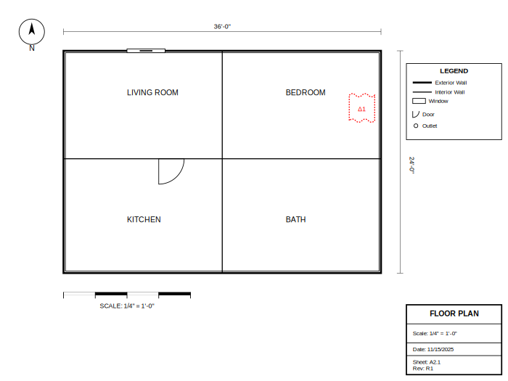
INSTRUCTIONS: |  | Plan Orientation Diagram
1. Verify you have the LATEST REVISION of the plan set | ☐ Latest revision confirmed
2. Check the scale on the title block (usually 1/4" = 1'-0") | ☐ Scale verified
3. Verify scale by measuring a known dimension with your scale ruler | ☐ Windstorm/code notes checked
4. Note any addenda, alternates, or special conditions
5. Fill in project information below before proceeding to Step 1
📖 See Manual: p. 4-7 — Getting Started & Plan Orientation

BLUEPRINT TAKEOFF WORKSHEET

PROJECT INFORMATION
Project Name:
Job Number:
Builder/Customer:
Address:
Plan Set Date:
Revision Number:
Takeoff By:
Date Completed:
Checked By:

BUILDING SPECIFICATIONS
Building Type:
Stories:
Foundation Type:
Roof Type:
Total Square Footage:
Wall Height:

REGIONAL NOTES (Southeast Texas)
• Slab foundations are standard (high water table)
• Consider humidity-resistant materials
• Windstorm requirements (hurricane zone)
• Treated lumber required for bottom plates
• Additional anchor bolts per wind code

Wall Framing
STEP 2 — WALL FRAMING TAKEOFF
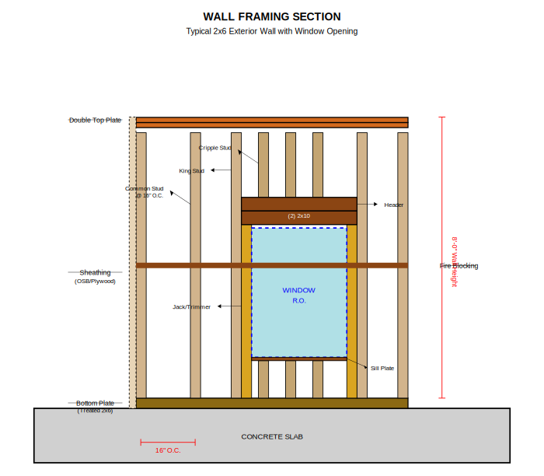
INSTRUCTIONS: | 💡 TIPS: |  |  |  |  |  |  |  |  |  |  |  | Wall Section Diagram
1. Highlight all exterior walls on the floor plan | • Add extra studs for corners (3) and tees (2)
2. Label walls W1, W2, W3... moving clockwise from front left | • Use header schedule for kings/jacks—don't guess
3. Measure each wall and enter: length, height, stud spacing | • Remember the '+1' in stud count formula
4. Count corners, tees, and openings (windows/doors) | 📖 Manual: p. 14-17 — Wall Framing

WALL FRAMING TAKEOFF

Wall ID | Location | Length (ft) | Height (ft) | Stud Spacing | Base Studs | Corner Adds | Opening Adj | Total Studs | Bottom Plate LF | Top Plate LF | Header Notes | Treated?

TOTALS

INSTRUCTIONS:
1. Enter wall length in feet (e.g., 24)
2. Enter wall height in feet (e.g., 8)
3. Stud spacing: 16 or 24 (16 is most common)
4. Corner Adds: +2 for exterior corners, +1 for T-intersections
5. Opening Adj: Count king/jack studs minus displaced studs

Roof Takeoff
STEP 3 — ROOF TAKEOFF
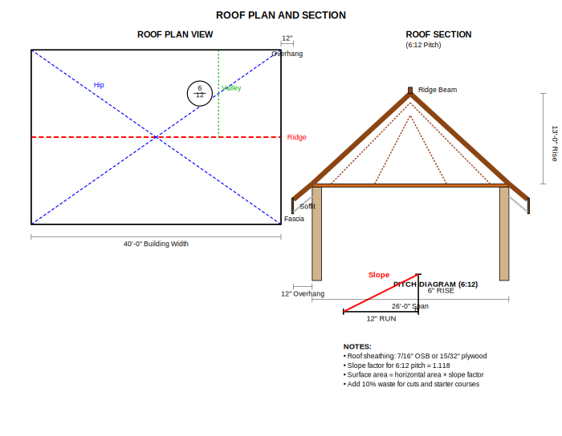
INSTRUCTIONS: | 💡 TIPS: |  |  |  |  |  |  |  |  |  |  |  | Roof Plan & Pitch Diagram
1. Locate roof plan and framing details | • Include overhangs in width/length for sheathing
2. For each roof plane, record: width, length, pitch, overhang | • Don't forget porch and garage roofs
3. Use slope factor table to calculate sheathing area | • Add 10-15% waste for shingles
4. Remember: porch and garage roofs count too! | 📖 Manual: p. 18-20 — Roof Takeoff

ROOF TAKEOFF CALCULATOR

SLOPE FACTORS (Reference) |  | ROOF PLANE CALCULATIONS
Pitch | Factor | Plane ID | Length (ft) | Width (ft) | Pitch | Slope Factor | Horiz Area (SF) | Surface Area (SF) | Sheathing Sheets | Waste % | Total Sheets | Bundles
4:12 | 1.054
5:12 | 1.083
6:12 | 1.118
7:12 | 1.158
8:12 | 1.202
9:12 | 1.25
10:12 | 1.302
12:12 | 1.414

 |  | TOTALS

 |  | NOTES:
 |  | • One 4x8 sheet = 32 square feet
 |  | • Typical waste factor: 10-15% for cuts and starter
 |  | • Shingles: 3 bundles = 1 square (100 SF)
 |  | • Hip and ridge cap: Add 10% to total bundles

Foundation
STEP 1 — FOUNDATION & SLAB TAKEOFF
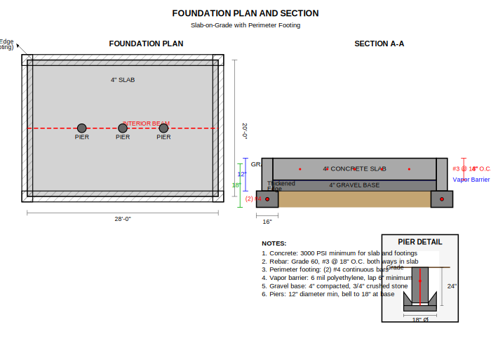
INSTRUCTIONS: | 💡 TIPS: |  | Foundation Section Diagram
1. Locate foundation/structural sheets in the plan set | • Include porches and garage slabs
2. Trace the perimeter of the slab and any interior beams | • Note any assumed beam sizes for review
3. Measure each segment and enter lengths in the table below | • Remember to convert thickness to feet
4. Record slab thickness, beam sizes, and notes/assumptions | 📖 Manual: p. 8-10 — Foundation

FOUNDATION & CONCRETE TAKEOFF

SLAB CALCULATIONS
Element | Length (ft) | Width (ft) | Thickness (in) | Cu Ft | Cu Yd | Notes

PERIMETER FOOTING
Location | Length (ft) | Width (in) | Depth (in) | Cu Ft | Cu Yd | Rebar LF

TOTAL CONCRETE
TOTAL REBAR

CONVERSION FACTORS:
• 1 cubic yard = 27 cubic feet
• Add 5-10% waste for concrete
• Standard slab thickness: 4 inches
• Perimeter footing: typically 16" wide x 12" deep minimum
• Southeast Texas: All bottom plates must be treated lumber

Siding & Exterior
STEP 4 — SIDING, SOFFIT, FASCIA & EXTERIOR TRIM
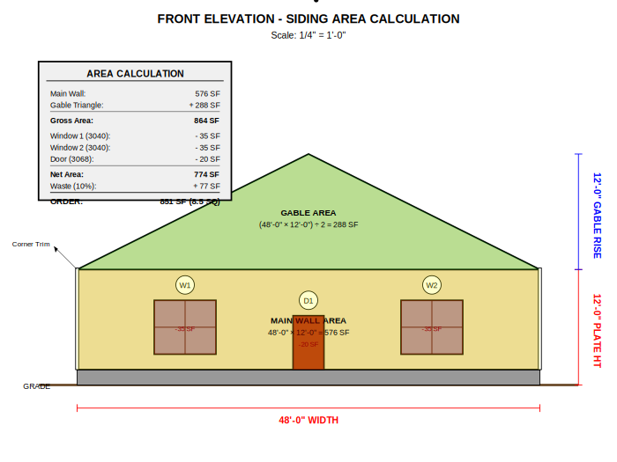
INSTRUCTIONS: | 💡 TIPS: |  |  |  |  |  |  |  |  |  | Elevation Areas Diagram
1. Use each elevation (Front, Rear, Left, Right) | • Add 10% waste for siding
2. Measure wall width, height, and gable rise if applicable | • Don't subtract small openings < 10 SF
3. Subtract windows/doors based on siding type | • Measure trim/fascia separately for each edge
4. Calculate linear feet for trim, fascia, soffit | 📖 Manual: p. 21-23 — Siding

SIDING & EXTERIOR MATERIALS TAKEOFF

Elevation | LF | Plate Ht (ft) | Gable Rise (ft) | Wall Area | Gable Area | Gross SF | Openings SF | Net SF | Waste % | Order SF

TOTALS

TOTAL SQUARES (÷100)

TRIM & ACCESSORIES
Corner Trim:
J-Channel:
Fascia:
Soffit:
Frieze Board:

NOTES:
• Typical waste: 10% for vinyl siding, 15% for lap siding
• Deduct 50% for windows, 100% for doors (or calculate exact)
• Southeast Texas: Consider hurricane-rated fasteners
• Order J-channel for all openings and transitions

Windows & Doors
STEP 5 — WINDOWS & DOORS TAKEOFF
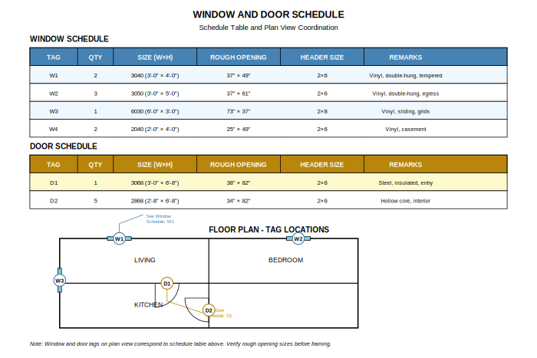
INSTRUCTIONS: | 💡 TIPS: |  |  |  |  |  |  | Schedule Example Diagram
1. Use the window/door schedule FIRST—don't scale from plans | • Always use the schedule, not floor plan dimensions
2. Record each unit: ID, size, type, quantity | • Check for conflicting tags on elevations
3. Note special requirements: tempered, impact-rated, shapes | • Note special glass requirements
4. Verify counts by cross-checking schedule vs elevations | 📖 Manual: p. 24-25 — Schedules

WINDOW & DOOR SCHEDULE

WINDOWS
Tag | Qty | Size (WxH) | Rough Opening | Header Size | Type/Material | Remarks | Unit Price

DOORS
Tag | Qty | Size (WxH) | Rough Opening | Header Size | Type/Material | Remarks | Unit Price

TOTALS |  |  |  |  |  | Window Count:
 |  |  |  |  |  | Door Count:

