VTD
VTD
Input of VTD
Port Name | Description | VTD Bundle | FMU Interface (Co-Simulation) | VSM Interface (VTD Driver) | Graph
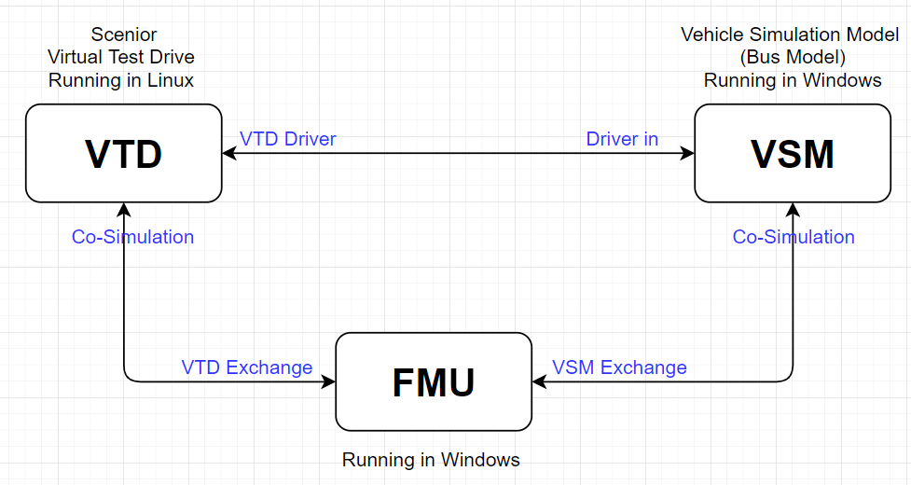
Ego.fI.roadQuery.x | x co-ordinate (inertial) of query location | CoSimulation | Ego.FL.roadquery.x | N.A.
Ego.fI.roadQuery.y | y co-ordinate (inertial) of query location | CoSimulation | Ego.FL.roadquery.y |  | 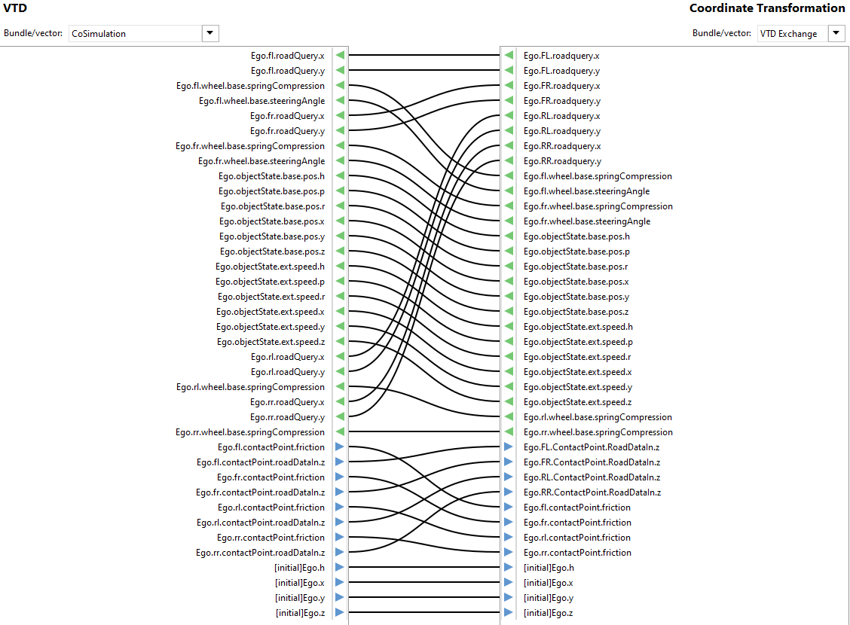
Ego.fI.wheeI.base.springCompression | compression of spring | CoSimulation | Ego.fl.wheel.base.springCompression
Ego.fI.wheeI.base.steeringAngIe | steering angle | CoSimulation | Ego.fl.wheel.base.steeringAngle
Ego.fr.roadQuery.x | x co-ordinate (inertial) of query location | CoSimulation | Ego.FR.roadquery.x
Ego.fr.roadQuery.y | y co-ordinate (inertial) of query location | CoSimulation | Ego.FR.roadquery.y
Ego.fr.wheeI.base.springCompression | compression of spring | CoSimulation | Ego.fr.wheel.base.springCompression
Ego.fr.wheeI.base.steeringAngIe | steering angle | CoSimulation | Ego.fr.wheel.base.steeringAngle
Ego.objectState. base.pos.h | heading angle | CoSimulation | Ego.objectState. base.pos.h
Ego.obJectState.base.pos.p | pitch angle | CoSimulation | Ego.obJectState.base.pos.p
Ego.objectState.base.pos.r | roll angle | CoSimulation | Ego.objectState.base.pos.r
Ego.obJectState.base.pos.x | x position | CoSimulation | Ego.obJectState.base.pos.x
Ego.objectState.base.pos.y | y position | CoSimulation | Ego.objectState.base.pos.y
Ego.obJectState.base.pos.z | z position | CoSimulation | Ego.obJectState.base.pos.z
VTD with VSM
Ego.objectState.ext.speed.h | heading angle rate | CoSimulation | Ego.objectState.ext.speed.h
Ego.obJectState.ext.speed.p | pitch angle rate | CoSimulation | Ego.obJectState.ext.speed.p
Ego.objectState.ext.speed.r | roll angle rate | CoSimulation | Ego.objectState.ext.speed.r
Ego.obJectState.ext.speed.x | x position rate | CoSimulation | Ego.obJectState.ext.speed.x
Ego.objectState.ext.speed.y | y position rate | CoSimulation | Ego.objectState.ext.speed.y
VTD Output
Ego.obJectState.ext.speed.z | z position rate | CoSimulation | Ego.obJectState.ext.speed.z
VSM Interface
Ego.rI.roadQuery.x | x co-ordinate (inertial) of query location | CoSimulation | Ego.RL.roadquery.x
Ego.rI.roadQuery.y | y co-ordinate (inertial) of query location | CoSimulation | Ego.RL.roadquery.y
Ego.rI.wheeI.base.springCompression | compression of spring | CoSimulation | Ego.rl.wheel.base.springCompression
Ego.rr.roadQuery.x | x co-ordinate (inertial) of query location | CoSimulation | Ego.RR.roadquery.x
VTD with FMU
Ego.rr.roadQuery.y | x co-ordinate (inertial) of query location | CoSimulation | Ego.RR.roadquery.y
Ego.rr.wheeI.base.springCompression | compression of spring | CoSimulation | Ego.rr.wheel.base.springCompression

Output of VTD
Port Name | Description | VTD Bundle | FMU Interface (Co-Simulation) | VSM Interface (VTD Driver)
Ego.driverCtrI.brakePedaI | brake pedal position | VTD Driver | N.A. | Driver.External Brake Pedal
Ego.driverCtrI.steeringWheeI | steering wheel angle | VTD Driver |  | Driver.External Steering Angle
Ego.driverCtrI.throttIePedaI | throttle pedal position | VTD Driver |  | Driver.External Accelerator Pedal
Ego.fI.contactPoint.friction | road friction at contact point | CoSimulation | Ego.fl.contactPoint.friction | N.A.
FMU Interface
VTD Input
Ego.fl.contactPoint.roadDataln.z | z position | CoSimulation | Ego.FL.contactPoint.roadDataln.z
Ego.fr.contactPoint.friction | road friction at contact point | CoSimulation | Ego.fr.contactPoint.friction
Ego fr.contactPoint.roadDataln.z | z position | CoSimulation | Ego.FR.contactPoint.roadDataln.z
Ego.rl.contactPoint.friction | road friction at contact point | CoSimulation | Ego.rl.contactPoint.friction
Ego.rI.contactpoint.roadDataln.z | z position | CoSimulation | Ego.RL.contactpoint.roadDataln.z
Ego.rr.contactPoint.friction | road friction at contact point | CoSimulation | Ego.rr.contactPoint.friction
Ego.rr.contactpoint.roadDataln.z | z position | CoSimulation | Ego.RR.contactpoint.roadDataln.z
[initial]Ego.h | initial position of player | CoSimulation | [initial]Ego.h
[initial]Ego.x | initial position of player | CoSimulation | [initial]Ego.x
FMU Interface
VTD Output
[initial]Ego.y | initial position of player | CoSimulation | [initial]Ego.y
[initial]Ego.z | initial position of player | CoSimulation | [initial]Ego.z

FMU
FMU
Input of FMU
Port Name | Description | FMU Bundle | VSM Interface (VSM Exchange) | VTD Interface (VTD Exchange) | Graph
Ego.fl.ContactPoint.roadDataln.z | VTD Wheel Position FL - Z | VTD Exchange | N.A. | Ego.FL.ContactPoint.RoadDataln.z
Ego.fr.ContactPoint.roadDataln.z | VTD Wheel Position FR - Z | VTD Exchange |  | Ego.FR.ContactPoint.RoadDataln.z
Ego.ri.ContactPoint.roadDataln.z | VTD Wheel Position RI - Z | VTD Exchange |  | Ego.RI.ContactPoint.RoadDataln.z
Ego.rr.ContactPoint.roadDataln.z | VTD Wheel Position RR - Z | VTD Exchange |  | Ego.RR.ContactPoint.RoadDataln.z
Ego.fl.contactPoint.friction | Grip on the front left tire | VTD Exchange |  | Ego.fl.contactPoint.friction
Ego.fr.contactPoint.friction | Grip on the front right tire | VTD Exchange |  | Ego.fr.contactPoint.friction
Ego.rl.contactPoint.friction | Grip on the rear left tire | VTD Exchange |  | Ego.rl.contactPoint.friction
Ego.rr.contactPoint.friction | Grip on the rear right tire | VTD Exchange |  | Ego.rr.contactPoint.friction
[initial]Ego.h | VTD Ego Vehicle Initial X Position | VTD Exchange |  | [initial]Ego.h
[initial]Ego.x | VTD Ego Vehicle Initial X Position | VTD Exchange |  | [initial]Ego.x
[initial]Ego.y | VTD Ego Vehicle Initial X Position | VTD Exchange |  | [initial]Ego.y
[initial]Ego.z | VTD Ego Vehicle Initial X Position | VTD Exchange |  | [initial]Ego.z
FMU with VSM
VSM.Vehicle.Body Angular Velocity Pitch | VSM Vehicle Pitch Velocity | VSM Exchange | Vehicle.Body Angular Velocity Pitch | N.A.
VSM.Vehicle.Body Angular Velocity Roll | VSM Vehicle Roll Velocity | VSM Exchange | Vehicle.Body Angular Velocity Roll
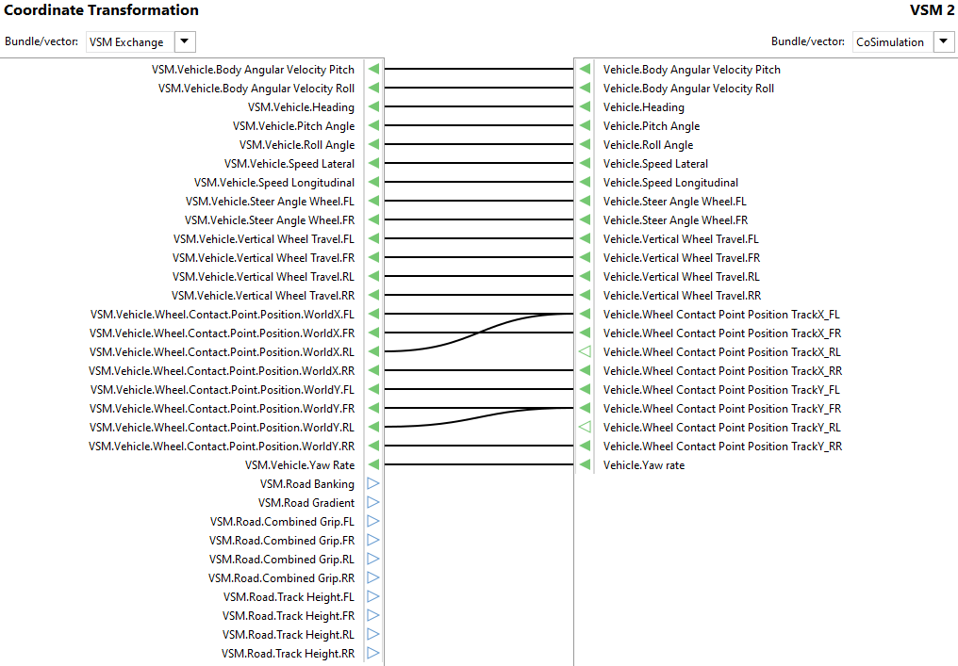
VSM.Vehicle.Heading | VSM Current Vehicle Heading | VSM Exchange | Vehicle.Heading
VSM.Vehicle.Pitch Angle | VSM Vehicle Pitch Angle | VSM Exchange | Vehicle.Pitch Angle
VSM.Vehicle.Roll Angle | VSM Vehicle Roll Angle | VSM Exchange | Vehicle.Roll Angle
VSM.Vehicle.Speed Lateral | VSM Lateral Vehicle Speed | VSM Exchange | Vehicle.Speed Lateral
VSM.Vehicle.Speed Longitudinal | VSM Longitudinal Vehicle Speed | VSM Exchange | Vehicle.Speed Longitudinal
VSM.Vehicle.Steer Angle Wheel.FL | Steering Wheel Angle Front Left | VSM Exchange | Vehicle.Steer Angle Wheel.FL
VSM Interface
VSM.Vehicle.Steer Angle Wheel.FR | Steering Wheel Angle Front Right | VSM Exchange | Vehicle.Steer Angle Wheel.FR
FMU output
VSM.Vehicle.Vertical Wheel Travel.FL | Vertical Wheel Travel front left | VSM Exchange | Vehicle.Vertical Wheel Travel.FL
VSM.Vehicle.Vertical Wheel Travel.FR | Vertical Wheel Travel front right | VSM Exchange | Vehicle.Vertical Wheel Travel.FR
VSM.Vehicle.Vertical Wheel Travel.RL | Vertical Wheel Travel rear left | VSM Exchange | Vehicle.Vertical Wheel Travel.RL
VSM.Vehicle.Vertical Wheel Travel.RR | Vertical Wheel Travel rear right | VSM Exchange | Vehicle.Vertical Wheel Travel.RR
VSM.Vehicle.Wheel.Contact.Point.Position.WorldX.FL | VSM Wheel Contact Point FL - X | VSM Exchange | Vehicle.Wheel Contact Point Position TrackX_FL
VSM.Vehicle.Wheel.Contact.Point.Position.WorldX.FR | VSM Wheel Contact Point FR - X | VSM Exchange | Vehicle.Wheel Contact Point Position TrackX_FR
VSM.Vehicle.Wheel.Contact.Point.Position.WorldX.RL | VSM Wheel Contact Point RL - X | VSM Exchange | Vehicle.Wheel Contact Point Position TrackX_RL
VSM.Vehicle.Wheel.Contact.Point.Position.WorldX.RR | VSM Wheel Contact Point RR - X | VSM Exchange | Vehicle.Wheel Contact Point Position TrackX_RR
FMU Input
VSM.Vehicle.Wheel.Contact.Point.Position.WorldY.FL | VSM Wheel Contact Point FL - X | VSM Exchange | Vehicle.Wheel Contact Point Position TrackY_FL
VSM.Vehicle.Wheel.Contact.Point.Position.WorldY.FR | VSM Wheel Contact Point FR - X | VSM Exchange | Vehicle.Wheel Contact Point Position TrackY_FR
VSM.Vehicle.Wheel.Contact.Point.Position.WorldY.RL | VSM Wheel Contact Point RL - X | VSM Exchange | Vehicle.Wheel Contact Point Position TrackY_RL
VSM.Vehicle.Wheel.Contact.Point.Position.WorldY.RR | VSM Wheel Contact Point RR - X | VSM Exchange | Vehicle.Wheel Contact Point Position TrackY_RR
VSM.Vehicle.Yaw Rate | Vehicle yaw rate | VSM Exchange | Vehicle.Yaw rate
FMU with VTD
Output
Port Name | Description | FMU Bundle | VSM Interface (VSM Exchange) | VTD Interface (VTD Exchange)
Ego.FL.roadquery.x | VTD Wheel Contact Point FL - X | VTD Exchange | N.A. | Ego.fl.roadQuery.x
Ego.FL.roadquery.y | VTD Wheel Contact Point FL - Y | VTD Exchange |  | Ego.fl.roadQuery.y
Ego.FR.roadquery.x | VTD Wheel Contact Point FR - X | VTD Exchange |  | Ego.fr.roadQuery.x
Ego.FR.roadquery.y | VTD Wheel Contact Point FR - Y | VTD Exchange |  | Ego.fr.roadQuery.y
Ego.RL.roadquery.x | VTD Wheel Contact Point RL - X | VTD Exchange |  | Ego.rl.roadQuery.x
Ego.RL.roadquery.y | VTD Wheel Contact Point RL - Y | VTD Exchange |  | Ego.rl.roadQuery.y
Ego.RR.roadquery.x | VTD Wheel Contact Point RR - X | VTD Exchange |  | Ego.rr.roadQuery.x
FMU output
Ego.RR.roadquery.y | VTD Wheel Contact Point RR - Y | VTD Exchange |  | Ego.rr.roadQuery.y
VTD Interface
Ego.fl.wheel.base.springComprasion | Vertical Wheel Travel front left | VTD Exchange |  | Ego.fr.wheel.base.springComprasion
Ego.fl.wheel.base.steeringAngle | Steering Wheel Angle Front Left | VTD Exchange |  | Ego.fl.wheel.base.steeringAngle
Ego.fr.wheel.base.springComprasion | Vertical Wheel Travel front right | VTD Exchange |  | Ego.fr.wheel.base.springComprasion
Ego.fr.wheel.base.steeringAngle | Steering Wheel Angle Front Right | VTD Exchange |  | Ego.fr.wheel.base.steeringAngle
Ego.objectState.base.pos.h | VTD Current Heading Angle | VTD Exchange |  | Ego.objectState.base.pos.h
Ego.objectState.base.pos.p | VTD Pitch Angle | VTD Exchange |  | Ego.objectState.base.pos.p
Ego.objectState.base.pos.r | VTD Roll Angle | VTD Exchange |  | Ego.objectState.base.pos.r
Ego.objectState.base.pos.x | VTD Current X Position | VTD Exchange |  | Ego.objectState.base.pos.x
Ego.objectState.base.pos.y | VTD Current Y Position | VTD Exchange |  | Ego.objectState.base.pos.y
Ego.objectState.base.pos.z | VTD Current Z Position | VTD Exchange |  | Ego.objectState.base.pos.z
VTD Interface
FMU Input
Ego.objectState.ext.speed.h | Vehicle yaw rate | VTD Exchange |  | Ego.objectState.ext.speed.h
Ego.objectState.ext.speed.p | VTD Pitch Velocity | VTD Exchange |  | Ego.objectState.ext.speed.p
Ego.objectState.ext.speed.r | VTD Roll Velocity | VTD Exchange |  | Ego.objectState.ext.speed.r
Ego.objectState.ext.speed.x | VTD longitudinal speed | VTD Exchange |  | Ego.objectState.ext.speed.x
Ego.objectState.ext.speed.y | VTD lateral speed | VTD Exchange |  | Ego.objectState.ext.speed.y
Ego.objectState.ext.speed.z | VTD Vertical Speed | VTD Exchange |  | Ego.objectState.ext.speed.z
Ego.rl.wheel.base.springComprasion | Vertical Wheel Travel rear left | VTD Exchange |  | Ego.rl.wheel.base.springComprasion
Ego.rr.wheel.base.springComprasion | Vertical Wheel Travel rear right | VTD Exchange |  | Ego.rr.wheel.base.springComprasion
VSM.Road Banking | VSM Road Banking | VSM Exchange | No interface ports | N.A.
VSM.Road Gradient | VSM Road Gradient | VSM Exchange
VSM.Road.Combined Grip.FL | Grip on the front left tire | VSM Exchange
VSM.Road.Combined Grip.FR | Grip on the front right tire | VSM Exchange
VSM.Road.Combined Grip.RL | Grip on the rear left tire | VSM Exchange
VSM.Road.Combined Grip.RR | Grip on the rear right tire | VSM Exchange
VSM.Road.Track Height.FL | Road roughness FL | VSM Exchange
VSM.Road.Track Height.FR | Road roughness FR | VSM Exchange
VSM.Road.Track Height.RL | Road roughness RL | VSM Exchange
VSM.Road.Track Height.RR | Road roughness RL | VSM Exchange

VSM
VSM
Input of VSM
Port Name | Description | VSM Bundle | FMU Interface (VSM Exchange) | VTD Interface (VTD Driver) | Graph
Driver.External Brake Pedal | brake pedal position | Driver_in | N.A. | Ego.driverCtrI.brakePedaI
Driver.External Steering Angle | steering wheel angle | Driver_in |  | Ego.driverCtrI.steeringWheeI
Driver.External Accelerator Pedal | throttle pedal position | Driver_in |  | Ego.driverCtrI.throttIePedaI
Driver.Accelerator Pedal.ExternFeedForward.Enable | Not connected | Driver_in |  | Not connected
Driver.Accelerator Pedal.ExternFeedForward.PedalPosition |  | Driver_in
Driver.External Demand Value V |  | Driver_in
Driver.External Lateral Driver Enable |  | Driver_in
Driver.External Longitudinal Driver Enable |  | Driver_in
VSM with VTD

VTD Interface

VSM Input
VSM with FMU

Port Name | Description | VSM Bundle | FMU Interface (VSM Exchange) | VTD Interface (VTD Driver)
Vehicle.Body Angular Velocity Pitch | VSM Vehicle Pitch Velocity | CoSimulation | VSM.Vehicle.Body Angular Velocity Pitch | N.A.
Vehicle.Body Angular Velocity Roll | VSM Vehicle Roll Velocity | CoSimulation | VSM.Vehicle.Body Angular Velocity Roll
Vehicle.Heading | VSM Current Vehicle Heading | CoSimulation | VSM.Vehicle.Heading
Vehicle.Pitch Angle | VSM Vehicle Pitch Angle | CoSimulation | VSM.Vehicle.Pitch Angle
FMU Interface
VSM Output
Vehicle.Roll Angle | VSM Vehicle Roll Angle | CoSimulation | VSM.Vehicle.Roll Angle
Vehicle.Speed Lateral | VSM Lateral Vehicle Speed | CoSimulation | VSM.Vehicle.Speed Lateral
Vehicle.Speed Longitudinal | VSM Longitudinal Vehicle Speed | CoSimulation | VSM.Vehicle.Speed Longitudinal
Vehicle.Steer Angle Wheel.FL | Steering Wheel Angle Front Left | CoSimulation | VSM.Vehicle.Steer Angle Wheel.FL
Vehicle.Steer Angle Wheel.FR | Steering Wheel Angle Front Right | CoSimulation | VSM.Vehicle.Steer Angle Wheel.FR
Vehicle.Vertical Wheel Travel.FL | Vertical Wheel Travel front left | CoSimulation | VSM.Vehicle.Vertical Wheel Travel.FL
Vehicle.Vertical Wheel Travel.FR | Vertical Wheel Travel front right | CoSimulation | VSM.Vehicle.Vertical Wheel Travel.FR
Vehicle.Vertical Wheel Travel.RL | Vertical Wheel Travel rear left | CoSimulation | VSM.Vehicle.Vertical Wheel Travel.RL
Vehicle.Vertical Wheel Travel.RR | Vertical Wheel Travel rear right | CoSimulation | VSM.Vehicle.Vertical Wheel Travel.RR
FMU Interface
Vehicle.Wheel Contact Point Position TrackX_FL | VSM Wheel Contact Point FL - X | CoSimulation | VSM.Vehicle.Wheel.Contact.Point.Position.WorldX.FL
Vehicle.Wheel Contact Point Position TrackX_FR | VSM Wheel Contact Point FR - X | CoSimulation | VSM.Vehicle.Wheel.Contact.Point.Position.WorldX.FR
Vehicle.Wheel Contact Point Position TrackX_RL | VSM Wheel Contact Point RL - X | CoSimulation | VSM.Vehicle.Wheel.Contact.Point.Position.WorldX.RL
Vehicle.Wheel Contact Point Position TrackX_RR | VSM Wheel Contact Point RR - X | CoSimulation | VSM.Vehicle.Wheel.Contact.Point.Position.WorldX.RR
Vehicle.Wheel Contact Point Position TrackY_FL | VSM Wheel Contact Point FL - X | CoSimulation | VSM.Vehicle.Wheel.Contact.Point.Position.WorldY.FL
Vehicle.Wheel Contact Point Position TrackY_FR | VSM Wheel Contact Point FR - X | CoSimulation | VSM.Vehicle.Wheel.Contact.Point.Position.WorldY.FR
Vehicle.Wheel Contact Point Position TrackY_RL | VSM Wheel Contact Point RL - X | CoSimulation | VSM.Vehicle.Wheel.Contact.Point.Position.WorldY.RL
Vehicle.Wheel Contact Point Position TrackY_RR | VSM Wheel Contact Point RR - X | CoSimulation | VSM.Vehicle.Wheel.Contact.Point.Position.WorldY.RR
Vehicle.Yaw rate | Vehicle yaw rate | CoSimulation | VSM.Vehicle.Yaw Rate

