Instructions
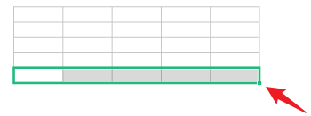
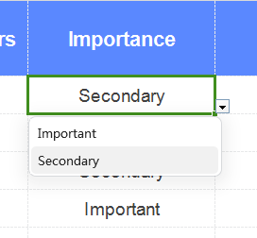
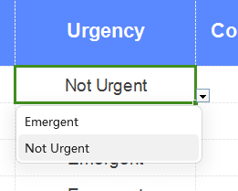
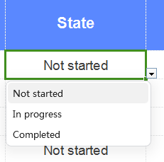
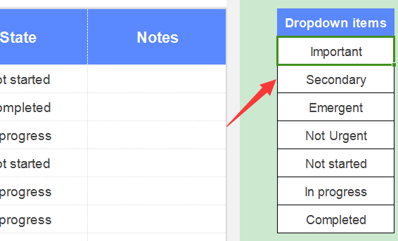
Docer Table Template Instructions
(This is the operating instructions page, you can use this template according to the instructions)
02
Instructions
01
Basic Operating Guidelines
· How to unprotect sheet?
1. Select Worksheet.
2. Click:「Review --- Unprotect Sheet」.
1. Select cells that display data.
2. Put the mouse in the bottom right corner, and when the arrow changes to a black cross, pull down the cells and the formula will cover the blank row area.
1. Select the last row of the table, and put the mouse in the bottom right corner of the selected area.
2. When the mouse arrow changes to a black cross, click the left button to drop down.
3. If the cells cannot be selected, it is recommended to check whether "Unprotect Sheet" is displayed in "Review" Tab. If it appears, please click on "Unprotect Sheet" ，to return to the table and continue the operation.
· How to increase row numbers in table
· How to use the template
Click the triangle button to select the year and month, and the calendar will automatically change
Modify the content of the table on the right, and the content of the main table will change accordingly

· What should I do if the formula cannot display properly when I input content in a blank line?

