Sheet1
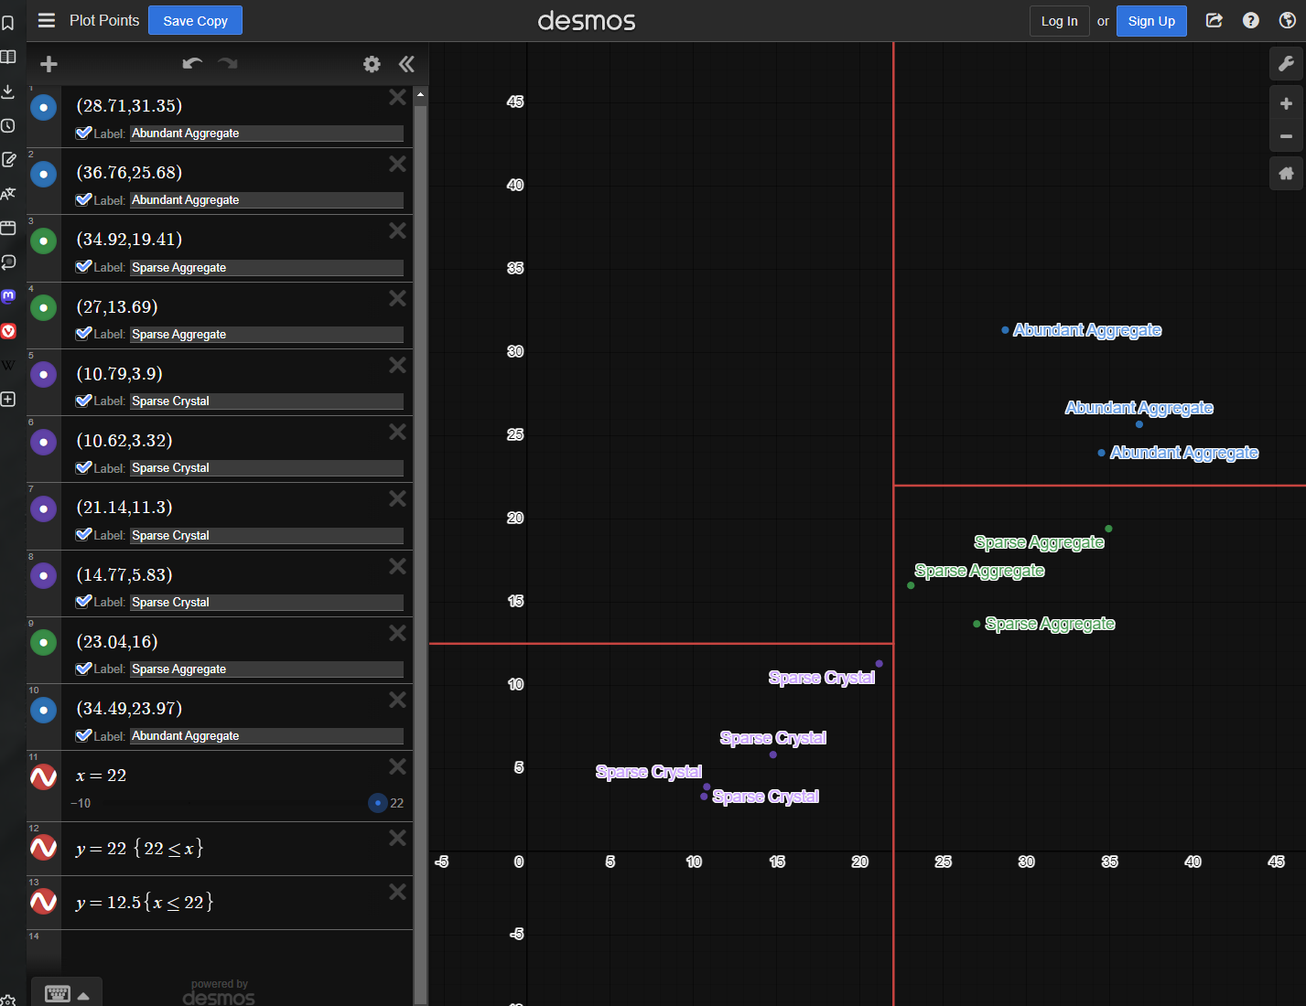
Image | Category | Crystal Area | Canny Area | X, Y Cord | Title | Notes
1-F2 | Aggregate | 28.71 | 31.35 | (28.71,31.35) | Abundant Aggregate
2-A2 | Aggregate | 36.76 | 25.68 | (36.76,25.68) | Abundant Aggregate
2-E2 | Aggregate | 34.92 | 19.41 | (34.92,19.41) | Sparse Aggregate
2-E1 | Aggregate | 27 | 13.69 | (27,13.69) | Sparse Aggregate
1-F10 | Crystal | 10.79 | 3.9 | (10.79,3.9) | Sparse Crystal
3-D3 | Crystal | 10.62 | 3.32 | (10.62,3.32) | Sparse Crystal
4-F3 | Crystal | 21.14 | 11.3 | (21.14,11.3) | Sparse Crystal | Close to Abundant
6-D4 | Crystal | 14.77 | 5.83 | (14.77,5.83) | Sparse Crystal
6-F3 | Aggregate | 23.04 | 16 | (23.04,16) | Sparse Aggregate
2-F2 | Aggregate | 34.49 | 23.97 | (34.49,23.97) | Abundant Aggregate

