MLP
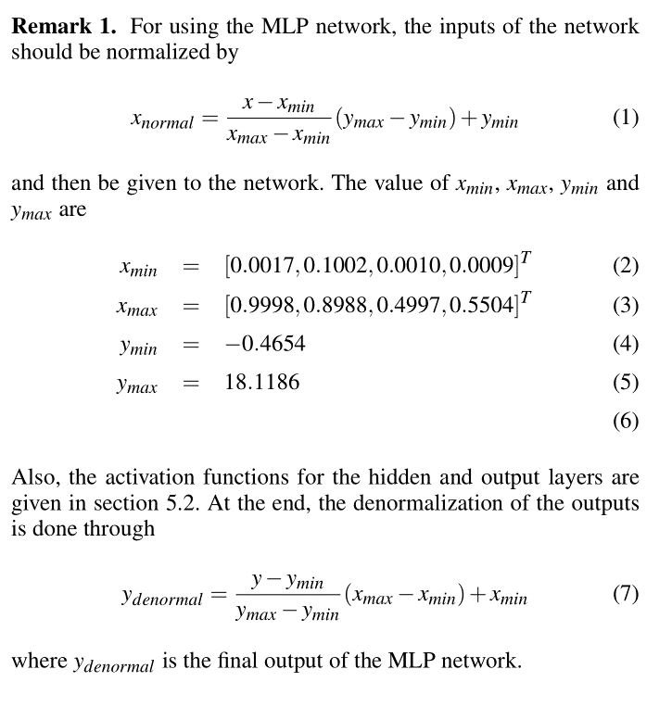
Weights of the MLP Neural Network: Considering $W^i_{j,k} $ as the weight element where i is the layer number, j is the row number and k is the column number. W^O _{1,j} is the weight element in the output layer where O denotes the output layer and j is the column.

 |  |  |  |  |  |  |  |  |  |  |  |  |  |  |  |  |  |  |  |  |  |  |  | Bias of the MLP Neural Netwok: Considering $b^i_{j} $ as the bias element where i is the layer number and j is the row nymber

W^1_{1,1} | = | 0.01573 | W^1_{1,2} | = | -0.969357 | W^1_{1,3} | = | 0.171922 | W^1_{1,4} | = | 0.181648
W^1_{2,1} | = | 0.013229 | W^1_{2,2} | = | 1.035288 | W^1_{2,3} | = | 0.770852 | W^1_{2,4} | = | 2.000479 |  |  |  |  |  |  |  |  |  |  |  |  | b^1_{1} | = | -1.548099 | b^1_{2} | = | -0.296356 | b^1_{3} | = | 3.651786
W^1_{3,1} | = | -0.065935 | W^1_{3,2} | = | 0.349722 | W^1_{3,3} | = | -1.449653 | W^1_{3,4} | = | -3.446934 |  |  |  |  |  |  |  |  |  |  |  |  | b^1_{4} | = | 1.715975 | b^1_{5} | = | 5.643972 | b^1_{6} | = | 0.109254
W^1_{4,1} | = | 0.012809 | W^1_{4,2} | = | -0.13118 | W^1_{4,3} | = | -0.927773 | W^1_{4,4} | = | -0.394659 |  |  |  |  |  |  |  |  |  |  |  |  | b^1_{7} | = | -1.176733 | b^1_{8} | = | -1.731576 | b^1_{9} | = | 1.384596
W^1_{5,1} | = | -0.017059 | W^1_{5,2} | = | 0.498294 | W^1_{5,3} | = | -1.46381 | W^1_{5,4} | = | -4.70159 |  |  |  |  |  |  |  |  |  |  |  |  | b^1_{10} | = | -0.022481 | b^1_{11} | = | 0.408488 | b^1_{12} | = | -0.006694
W^1_{6,1} | = | -0.005323 | W^1_{6,2} | = | 0.064056 | W^1_{6,3} | = | -0.643938 | W^1_{6,4} | = | 0.104468 |  |  |  |  |  |  |  |  |  |  |  |  | b^1_{13} | = | -0.400393 | b^1_{14} | = | -0.004669 | b^1_{15} | = | 0.161399
W^1_{7,1} | = | -0.121207 | W^1_{7,2} | = | -0.316059 | W^1_{7,3} | = | 0.227729 | W^1_{7,4} | = | 0.733495
W^1_{8,1} | = | -0.028271 | W^1_{8,2} | = | -0.769744 | W^1_{8,3} | = | 0.187975 | W^1_{8,4} | = | 0.961764
W^1_{9,1} | = | 0.004346 | W^1_{9,2} | = | -0.530629 | W^1_{9,3} | = | -1.137114 | W^1_{9,4} | = | -1.53803
W^1_{10,1} | = | 0.014613 | W^1_{10,2} | = | 0.511701 | W^1_{10,3} | = | 0.438669 | W^1_{10,4} | = | -1.690453
W^1_{11,1} | = | -0.021036 | W^1_{11,2} | = | -0.928513 | W^1_{11,3} | = | -0.345445 | W^1_{11,4} | = | -1.962076
W^1_{12,1} | = | 0.003178 | W^1_{12,2} | = | 0.106262 | W^1_{12,3} | = | 0.572777 | W^1_{12,4} | = | 0.247465
W^1_{13,1} | = | -0.028986 | W^1_{13,2} | = | 0.109289 | W^1_{13,3} | = | 0.208388 | W^1_{13,4} | = | 1.083345
W^1_{14,1} | = | 0.062944 | W^1_{14,2} | = | 0.51731 | W^1_{14,3} | = | 0.003726 | W^1_{14,4} | = | 0.844468
W^1_{15,1} | = | -0.019653 | W^1_{15,2} | = | -0.108816 | W^1_{15,3} | = | -0.201768 | W^1_{15,4} | = | 0.187545

W^2_{1,1} | = | -0.3323 | W^2_{1,2} | = | -0.283888 | W^2_{1,3} | = | -0.149544 | W^2_{1,4} | = | 0.200762 | W^2_{1,5} | = | 0.944322 | W^2_{1,6} | = | 0.410841 | W^2_{1,7} | = | 0.041523 | W^2_{1,8} | = | 0.436181 | W^2_{1,9} | = | -0.165537 | W^2_{1,10} | = | 0.170089 | W^2_{1,11} | = | -0.062522 | W^2_{1,12} | = | 0.227843 | W^2_{1,13} | = | 0.491952 | W^2_{1,14} | = | -0.979473 | W^2_{1,15} | = | -1.02527
W^2_{2,1} | = | -0.789751 | W^2_{2,2} | = | 0.479482 | W^2_{2,3} | = | 0.699376 | W^2_{2,4} | = | 0.465121 | W^2_{2,5} | = | 0.125557 | W^2_{2,6} | = | -0.421863 | W^2_{2,7} | = | 0.114279 | W^2_{2,8} | = | -0.108937 | W^2_{2,9} | = | -0.358193 | W^2_{2,10} | = | -0.337542 | W^2_{2,11} | = | 0.849377 | W^2_{2,12} | = | -0.396092 | W^2_{2,13} | = | 0.334893 | W^2_{2,14} | = | 1.010973 | W^2_{2,15} | = | 0.261456
W^2_{3,1} | = | 0.837714 | W^2_{3,2} | = | 0.153514 | W^2_{3,3} | = | -0.374088 | W^2_{3,4} | = | 0.247595 | W^2_{3,5} | = | 0.273792 | W^2_{3,6} | = | 0.234324 | W^2_{3,7} | = | 0.212772 | W^2_{3,8} | = | -0.292442 | W^2_{3,9} | = | 0.317602 | W^2_{3,10} | = | -0.043727 | W^2_{3,11} | = | 0.426164 | W^2_{3,12} | = | -0.478794 | W^2_{3,13} | = | -0.093753 | W^2_{3,14} | = | 0.245479 | W^2_{3,15} | = | 0.089142
W^2_{4,1} | = | -0.162822 | W^2_{4,2} | = | 0.851596 | W^2_{4,3} | = | 1.565501 | W^2_{4,4} | = | -1.846799 | W^2_{4,5} | = | -4.254704 | W^2_{4,6} | = | -0.200443 | W^2_{4,7} | = | 0.159043 | W^2_{4,8} | = | -0.433871 | W^2_{4,9} | = | 1.0805 | W^2_{4,10} | = | -1.215197 | W^2_{4,11} | = | 1.2682 | W^2_{4,12} | = | 1.24994 | W^2_{4,13} | = | -0.405894 | W^2_{4,14} | = | 2.31555 | W^2_{4,15} | = | 1.431962
W^2_{5,1} | = | -0.65299 | W^2_{5,2} | = | 0.034248 | W^2_{5,3} | = | 0.110708 | W^2_{5,4} | = | -0.891156 | W^2_{5,5} | = | -0.457973 | W^2_{5,6} | = | 0.137374 | W^2_{5,7} | = | 0.026645 | W^2_{5,8} | = | -0.076252 | W^2_{5,9} | = | 0.032174 | W^2_{5,10} | = | -0.100785 | W^2_{5,11} | = | 0.290503 | W^2_{5,12} | = | 0.171096 | W^2_{5,13} | = | 0.664923 | W^2_{5,14} | = | 0.186095 | W^2_{5,15} | = | -0.924791
W^2_{6,1} | = | -0.291863 | W^2_{6,2} | = | -0.299095 | W^2_{6,3} | = | -0.508837 | W^2_{6,4} | = | -0.107221 | W^2_{6,5} | = | 1.77075 | W^2_{6,6} | = | -0.264972 | W^2_{6,7} | = | 0.18776 | W^2_{6,8} | = | 0.996044 | W^2_{6,9} | = | 0.126253 | W^2_{6,10} | = | 0.198774 | W^2_{6,11} | = | -0.286485 | W^2_{6,12} | = | -0.275059 | W^2_{6,13} | = | 0.07032 | W^2_{6,14} | = | -0.992836 | W^2_{6,15} | = | -0.201895
W^2_{7,1} | = | 1.006787 | W^2_{7,2} | = | 0.413414 | W^2_{7,3} | = | 0.011375 | W^2_{7,4} | = | 0.384748 | W^2_{7,5} | = | -1.826262 | W^2_{7,6} | = | -0.620115 | W^2_{7,7} | = | 0.183488 | W^2_{7,8} | = | -0.074383 | W^2_{7,9} | = | -0.054608 | W^2_{7,10} | = | -0.206426 | W^2_{7,11} | = | 0.998073 | W^2_{7,12} | = | -1.081287 | W^2_{7,13} | = | 0.661118 | W^2_{7,14} | = | 0.643874 | W^2_{7,15} | = | -0.066702
W^2_{8,1} | = | -0.055211 | W^2_{8,2} | = | 0.308034 | W^2_{8,3} | = | -0.17549 | W^2_{8,4} | = | 0.468732 | W^2_{8,5} | = | 1.705831 | W^2_{8,6} | = | -1.104577 | W^2_{8,7} | = | 0.694037 | W^2_{8,8} | = | -1.179521 | W^2_{8,9} | = | 0.267698 | W^2_{8,10} | = | 0.242739 | W^2_{8,11} | = | -0.555823 | W^2_{8,12} | = | -1.781988 | W^2_{8,13} | = | 0.020513 | W^2_{8,14} | = | -0.450515 | W^2_{8,15} | = | -0.767508
W^2_{9,1} | = | 0.175409 | W^2_{9,2} | = | -0.436185 | W^2_{9,3} | = | -0.759327 | W^2_{9,4} | = | -0.218504 | W^2_{9,5} | = | 2.160025 | W^2_{9,6} | = | 0.000393 | W^2_{9,7} | = | 0.677562 | W^2_{9,8} | = | 0.068659 | W^2_{9,9} | = | 0.122856 | W^2_{9,10} | = | 0.283062 | W^2_{9,11} | = | -0.380189 | W^2_{9,12} | = | -0.713945 | W^2_{9,13} | = | 0.087061 | W^2_{9,14} | = | -0.744598 | W^2_{9,15} | = | -1.139923
W^2_{10,1} | = | -0.024335 | W^2_{10,2} | = | 0.124879 | W^2_{10,3} | = | 0.802584 | W^2_{10,4} | = | 0.317445 | W^2_{10,5} | = | -3.569775 | W^2_{10,6} | = | 0.342369 | W^2_{10,7} | = | -0.735065 | W^2_{10,8} | = | 0.551211 | W^2_{10,9} | = | -0.119054 | W^2_{10,10} | = | -0.501293 | W^2_{10,11} | = | 1.890552 | W^2_{10,12} | = | 0.795144 | W^2_{10,13} | = | 1.478503 | W^2_{10,14} | = | 1.500522 | W^2_{10,15} | = | -0.487296

W^3_{1,1} | = | 1.756997 | W^3_{1,2} | = | -0.025824 | W^3_{1,3} | = | 0.140813 | W^3_{1,4} | = | 0.01186 | W^3_{1,5} | = | 0.257188 | W^3_{1,6} | = | -1.515464 | W^3_{1,7} | = | 0.034097 | W^3_{1,8} | = | 0.386137 | W^3_{1,9} | = | -0.981782 | W^3_{1,10} | = | 1.609395
W^3_{2,1} | = | 1.556304 | W^3_{2,2} | = | -1.559958 | W^3_{2,3} | = | 0.417579 | W^3_{2,4} | = | -2.441698 | W^3_{2,5} | = | 0.487889 | W^3_{2,6} | = | -3.179612 | W^3_{2,7} | = | 0.15287 | W^3_{2,8} | = | -1.333532 | W^3_{2,9} | = | 0.208725 | W^3_{2,10} | = | -0.269534
W^3_{3,1} | = | -0.095971 | W^3_{3,2} | = | 0.703625 | W^3_{3,3} | = | -0.071844 | W^3_{3,4} | = | 2.227942 | W^3_{3,5} | = | 0.041384 | W^3_{3,6} | = | 1.888439 | W^3_{3,7} | = | 1.122937 | W^3_{3,8} | = | 4.407573 | W^3_{3,9} | = | -0.61294 | W^3_{3,10} | = | 2.54994
W^3_{4,1} | = | 2.523437 | W^3_{4,2} | = | 0.226103 | W^3_{4,3} | = | -0.703691 | W^3_{4,4} | = | 0.09097 | W^3_{4,5} | = | -0.713673 | W^3_{4,6} | = | -2.118591 | W^3_{4,7} | = | 0.547173 | W^3_{4,8} | = | -0.111896 | W^3_{4,9} | = | -0.15796 | W^3_{4,10} | = | -0.149256
W^3_{5,1} | = | -1.26034 | W^3_{5,2} | = | 0.336243 | W^3_{5,3} | = | 1.726792 | W^3_{5,4} | = | -0.073328 | W^3_{5,5} | = | 0.549972 | W^3_{5,6} | = | 1.262132 | W^3_{5,7} | = | -1.270785 | W^3_{5,8} | = | -0.910953 | W^3_{5,9} | = | -0.096073 | W^3_{5,10} | = | -0.147577

W^O_{1,1} | = | 2.222324 | W^O_{1,2} | = | 0.535611 | W^O_{1,3} | = | 0.593617 | W^O_{1,4} | = | -3.952959 | W^O_{1,5} | = | -1.792512

Bias of the MLP Neural Network: Considering $b^i_{j} $ as the bias element where i is the layer number, j is the row number. b^O is the bias element in the output layer.

b^1_{1,1} | = | -1.548099 |  | b^2_{1,1} | = | -1.365281 |  | b^3_{1,1} | = | 2.363436 |  | b^O | = | -0.969927
b^1_{2,1} | = | -0.296356 |  | b^2_{2,1} | = | -1.202048 |  | b^3_{2,1} | = | 1.032176
b^1_{3,1} | = | 3.651786 |  | b^2_{3,1} | = | -0.103953 |  | b^3_{3,1} | = | 0.505671
b^1_{4,1} | = | 1.715975 |  | b^2_{4,1} | = | 2.232808 |  | b^3_{4,1} | = | 0.065034
b^1_{5,1} | = | 5.643972 |  | b^2_{5,1} | = | 0.3319 |  | b^3_{5,1} | = | 1.287479
b^1_{6,1} | = | 0.109254 |  | b^2_{6,1} | = | -0.957283
b^1_{7,1} | = | -1.176733 |  | b^2_{7,1} | = | 1.88558
b^1_{8,1} | = | -1.731576 |  | b^2_{8,1} | = | -0.930851
b^1_{9,1} | = | 1.384596 |  | b^2_{9,1} | = | 0.380951
b^1_{10,1} | = | -0.022481 |  | b^2_{10,1} | = | 0.405276
b^1_{11,1} | = | 0.408488
b^1_{12,1} | = | -0.006694
b^1_{13,1} | = | -0.400393
b^1_{14,1} | = | -0.004669
b^1_{15,1} | = | 0.161399

