21Zhang2017
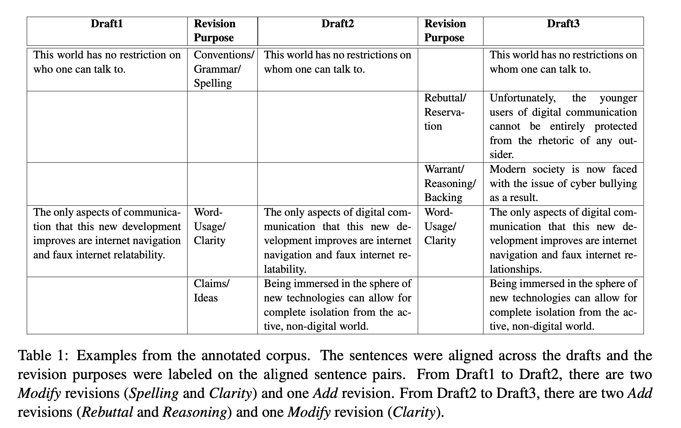
21, Zhang's 2017, A Corpus of Annotated Revisions for Studying Argumentative Writing
first-level | first-level definition | second-level | second-level definition | examples-text1 | examples-text2
Content | revisions that changed the information of essay | Claims/Ideas (Ideas) | revisions that aimed to change the thesis of essay |  | Being immersed in the sphere of new technologies can allow for complete isolation from the ac- tive, non-digital world.
Content | revisions that changed the information of essay | Rebuttal/Reservation(Rebuttal) | revisions that aimed to change the rebuttal of thesis |  | Unfortunately, the younger users of digital communication cannot be entirely protected from the rhetoric of any outsider.
Content | revisions that changed the information of essay | Warrant/Reasoning/Backing(Reasoning) | revisions that aimed to change the reasoning of thesis |  | Modern society is now faced with the issue of cyber bullying as a result.
Content | revisions that changed the information of essay | Evidence | revisions that aimed to change the evidence support for thesis
Content | revisions that changed the information of essay | General Content (Other) | other types of content revisions
Surface | revisions that did not change the information of essay | Word Usage/Clarity(Fluency) | revisions that aimed to make the essay more fluent | The only aspects of communication that this new development improves are internet navigation and faux internet relatability. | The only aspects of digital communication that this new development improves are internet navigation and faux internet relatability.
Surface | revisions that did not change the information of essay | Organization(Reordering) | revisions that switched the order of sentences
Surface | revisions that did not change the information of essay | Conventions/Grammar/Spelling(Errors) | revisions that aimed to fix the spelling/grammar mistakes | This world has no restriction on who one can talk to. | This world has no restrictions on whom one can talk to.

Notes
The definitions with blue color are extracted from the referenced paper since they are inherited from the referenced paper

22Kashefi2022
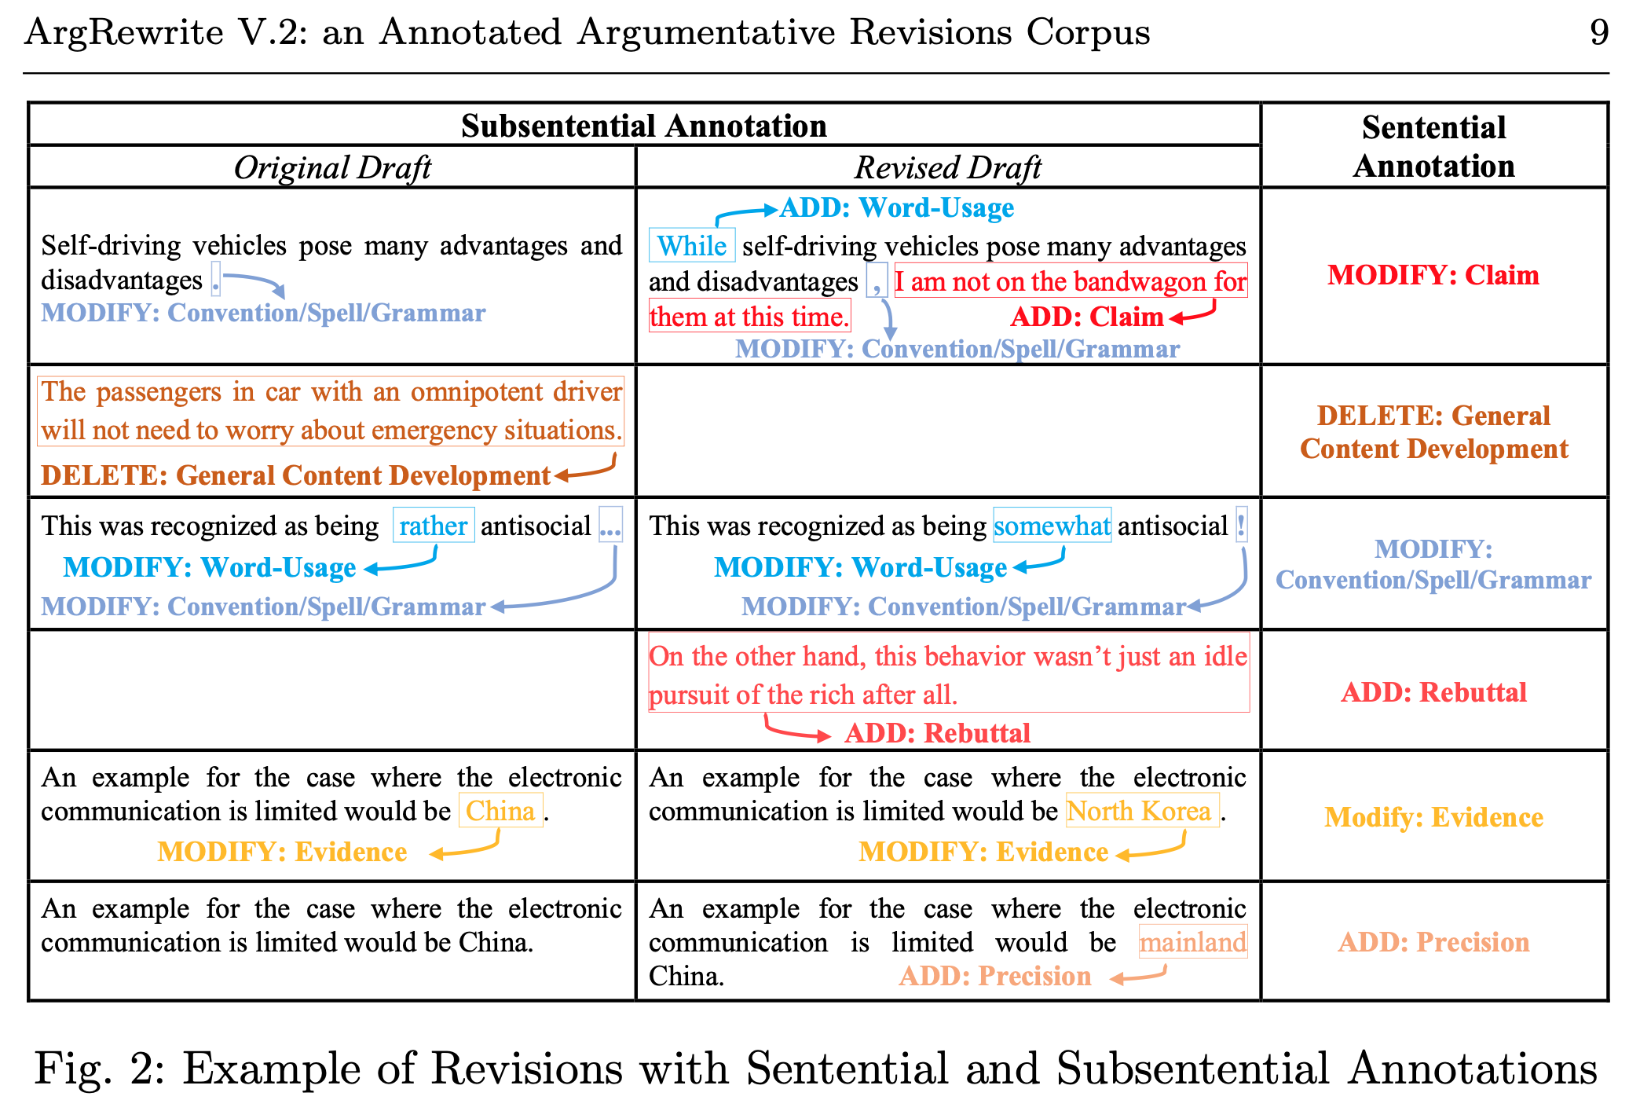
22, Kashefi's 2022, ArgRewrite V.2: an Annotated Argumentative Revisions Corpus
first-level | first-level definition | second-level | second-level definition | examples-text1 | examples-text2
Surface | changes that do not bring new information to a text or remove old information | Word Usage (WRD) | change of words or phrases for better representation of ideas | Self-driving vehicles pose many advantages and disadvantages. | While self-driving vehicles pose many advantages and disadvantages.
Surface | changes that do not bring new information to a text or remove old information | Spelling and Grammar (SPL) | changes to fix spelling or grammar errors, misusage of punctuation or to follow the organizational conventions of academic writing | This was recognized as being rather antisocial … | This was recognized as being rather antisocial !
Surface | changes that do not bring new information to a text or remove old information | Organization (ORG) | changes to help the author get a better flow of the paper | In the circle I would place Bill Clinton because he had and affair with his aide. | Bill Clinton would be in this level because he had an affair with his aide.
Content | the adding of new content or the deletion of existing content | Claim (CLM) | change of the position or claim being argued for | Self-driving vehicles pose many advantages and disadvantages . | While self-driving vehicles pose many advantages and disadvantages , I am not on the bandwagon for them at this time.
Content | the adding of new content or the deletion of existing content | Evidence (EVD) | change of facts, theorems or citations for supporting claims/ideas | An example for the case where the electronic communication is limited would be China . | An example for the case where the electronic communication is limited would be North Korea .
Content | the adding of new content or the deletion of existing content | Reasoning (RSN) | change of principle or reasoning of the claim | In the circle I would place Bill Clinton because he had and affair with his aide. | In the third circle of Hell, sinners have uncontrollable lust. The carnal sinners in this level are punished by a howling, endless wind. Bill Clinton would be in this level because he had an affair with his aide.
Content | the adding of new content or the deletion of existing content | Rebuttal (RBL) | change of development of content that rebut current claim/ideas |  | On the other hand, this behavior wasn’t just an idle pursuit of the rich after all.
Content | the adding of new content or the deletion of existing content | General Content Development (GCD) | change of content that do not directly support or rebut claims/ideas | The passengers in car with an omnipotent driver will not need to worry about emergency situations.
Content | the adding of new content or the deletion of existing content | Precision (PRN) | refers to words that are edited to affect the specificity of the sentence | An example for the case where the electronic communication is limited would be China. | An example for the case where the electronic communication is limited would be mainland China.

23Ruan2024
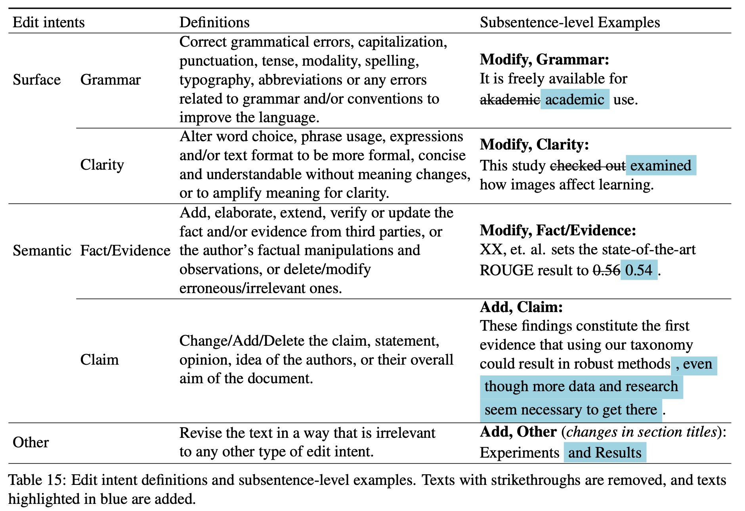
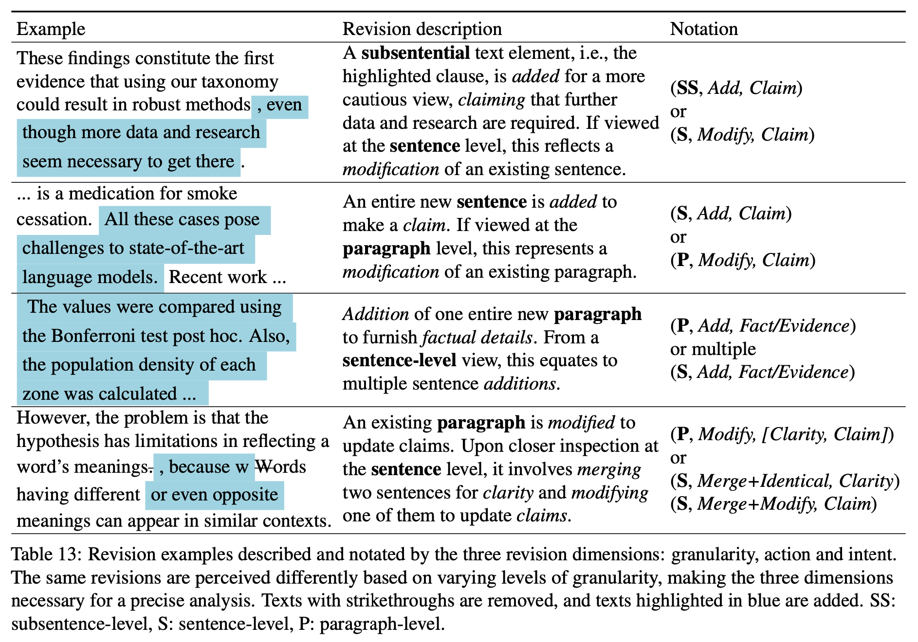
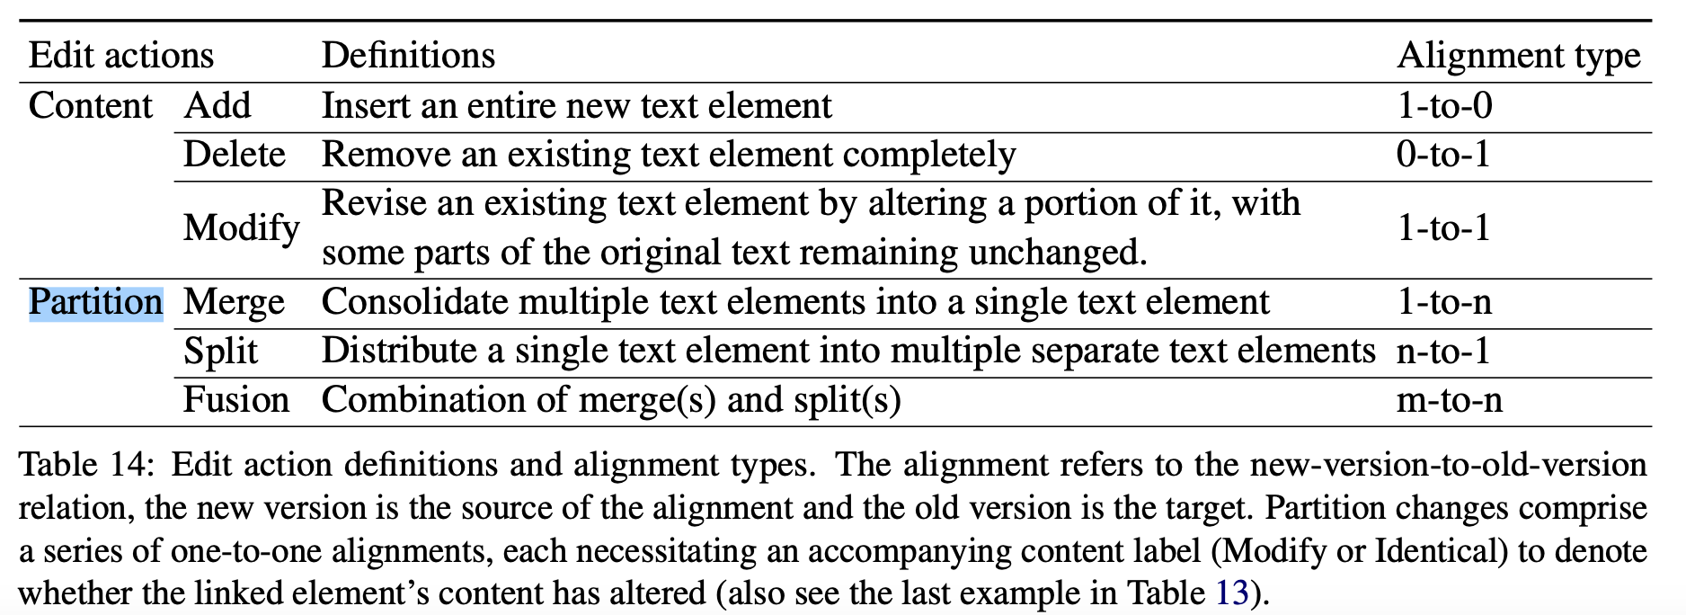
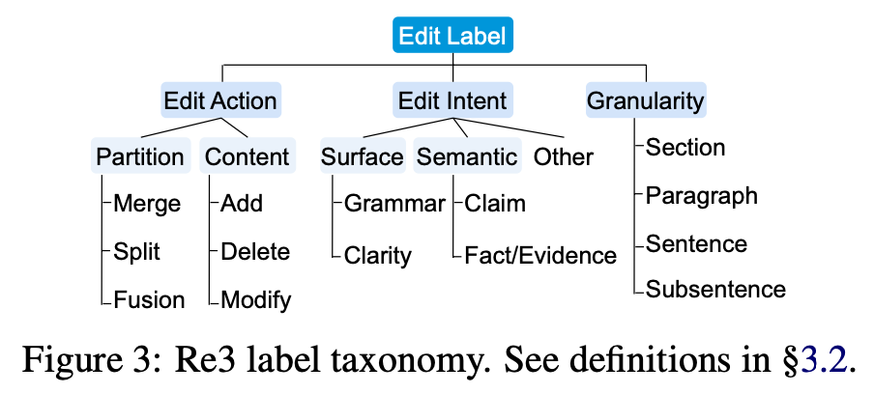
23, Ruan's 2024, Re3: A Holistic Framework and Dataset for Modeling Collaborative Document Revision
first-level | first-level definition | second-level | second-level definition | examples-text1 | examples-text2 | Note
Surface | surface language improvements for grammar or clarity | Grammar | Correct grammatical errors, capitalization, punctuation, tense, modality, spelling, typography, abbreviations or any errors related to grammar and/or conventions to improve the language. | It is freely available for akademic use. | It is freely available for academic use.
Surface | surface language improvements for grammar or clarity | Clarity | Alter word choice, phrase usage, expressions and/or text format to be more formal, concise and understandable without meaning changes, or to amplify meaning for clarity. | This study checked out how images affect learning. | This study examined how images affect learning.
Semantic | substantial semantic changes affecting claims or factual content | Fact/Evidence | Add, elaborate, extend, verify or update the fact and/or evidence from third parties, or the author’s factual manipulations and observations, or delete/modify erroneous/irrelevant ones. | XX, et. al. sets the state-of-the-art ROUGE result to 0.56. | XX, et. al. sets the state-of-the-art ROUGE result to 0.54.
Semantic | substantial semantic changes affecting claims or factual content | Claim | Change/Add/Delete the claim, statement, opinion, idea of the authors, or their overall aim of the document. | These findings constitute the first evidence that using our taxonomy could result in robust methods. | These findings constitute the first evidence that using our taxonomy could result in robust methods , even though more data and research seem neccesary to get here.
Other | Revise the text in a way that is irrelevant to any other type of edit intent. |  |  | Experiments | Experiments and Results | changes in section titles

first-level | first-level definition | second-level | second-level definition | examples-text1 | examples-text2 | Note
Content |  | Add | Insert an entire new text element | These findings constitute the first evidence that using our taxonomy could result in robust methods. | These findings constitute the first evidence that using our taxonomy could result in robust methods , even though more data and research seem neccesary to get here. | A subsentential text element, i.e., the highlighted clause, is added for a more cautious view, claiming that further data and research are required. If viewed at the sentence level, this reflects a modification of an existing sentence.
Content |  | Delete | Remove an existing text element completely
Content |  | Modify | Revise an existing text element by altering a portion of it, with some parts of the original text remaining unchanged. | It is freely available for akademic use. | It is freely available for academic use.
Partition |  | Merge | Consolidate multiple text elements into a single text element
Partition |  | Split | Distribute a single text element into multiple separate text elements
Partition |  | Fusion | Combination of merge(s) and split(s)

