Home


The simplest way to keep belongings safe

Product
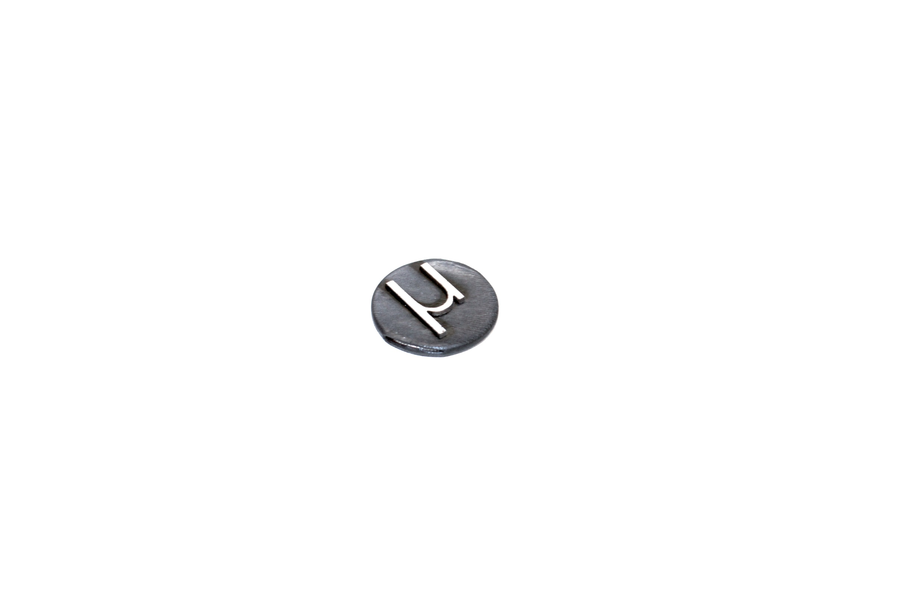
Picture Number | Name of Pictures
1 | 1.JPG
2 | IMG_0691.jpg
3 | IMG_0738.jpg
4 | IMG_0742.jpg
5 | IMG_0743.jpg
6 | IMG_0745.jpg
7 | IMG_0787.jpg
8 | IMG_0788.jpg
9 | IMG_0789.jpg
10 | IMG_0792.jpg
11 | IMG_0798.jpg
12 | IMG_0799.jpg
13 | IMG_0803.jpg
14 | IMG_0804.jpg
15 | IMG_2699.jpg
16 | IMG_2715.jpg

