Sheet1
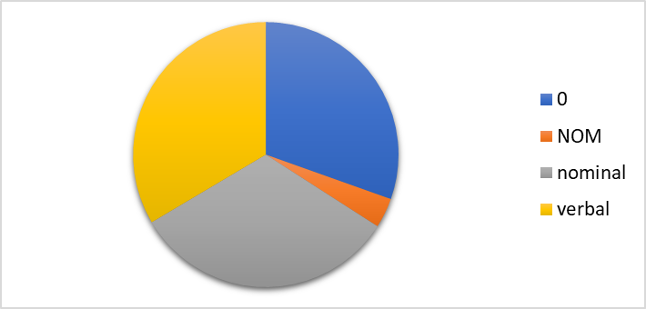
Figure 9: Types of morphology on filler

0 | 30.4
NOM | 3.6
nominal | 32.4
verbal | 33.5

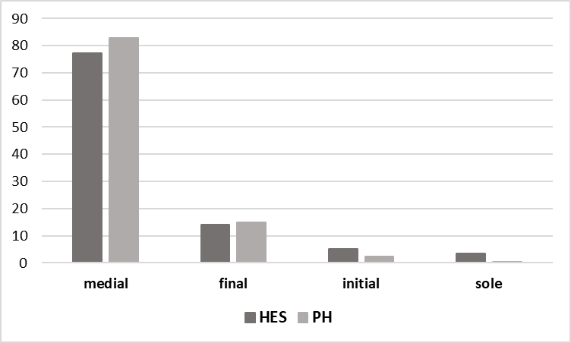
Figure 10: Position of filler in utterance

 | HES | PH
medial | 77.4 | 82.8
final | 14.1 | 14.8
initial | 5.0 | 2.3
sole | 3.5 | 0.2

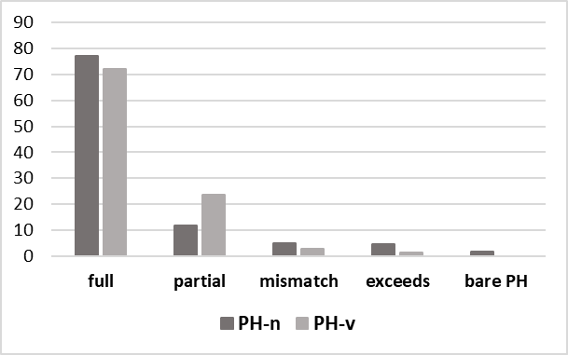
Figure 11: Mirroring

 | PH-n | PH-v
full | 77.0 | 71.9
partial | 11.8 | 23.7
mismatch | 5.1 | 2.9
exceeds | 4.5 | 1.4
bare PH | 1.7 | 0

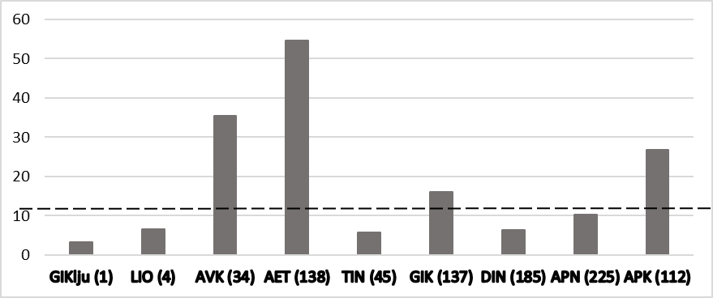
Figure 16: Filler frequency by speaker, per 1000 words

GIKlju | 3.2
LIO | 6.6
AVK | 35.4
AET | 54.7
TIN | 5.8
GIK | 16.1
DIN | 6.4
APN | 10.3
APK | 26.7
total | 11.6

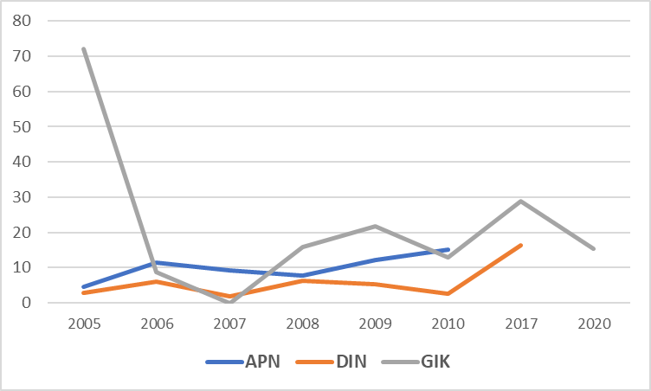
Figure 17: Fillers over time for APN, DIN, and GIK

year | APN | DIN | GIK
2005 | 4.5 | 2.9 | 72.0
2006 | 11.4 | 6.1 | 8.6
2007 | 9.1 | 1.8 | 0.0
2008 | 7.8 | 6.3 | 15.8
2009 | 12.1 | 5.4 | 21.8
2010 | 15.2 | 2.6 | 12.9
2017 |  | 16.4 | 29.0
2020 |  |  | 15.5

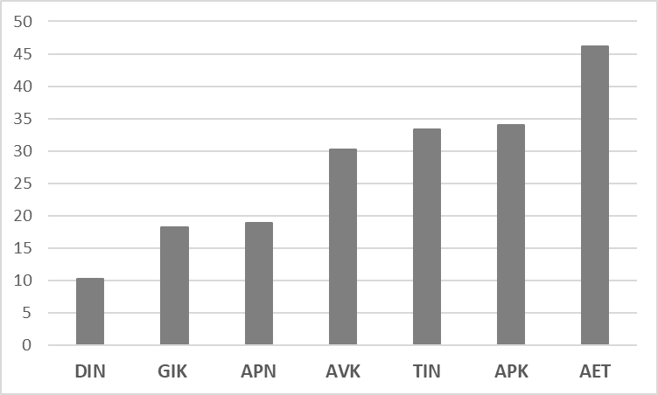
Figure18: Frequency of HES by speaker

speaker | HES
DIN | 10.3
GIK | 18.2
APN | 19.0
AVK | 30.3
TIN | 33.3
APK | 34.0
AET | 46.2

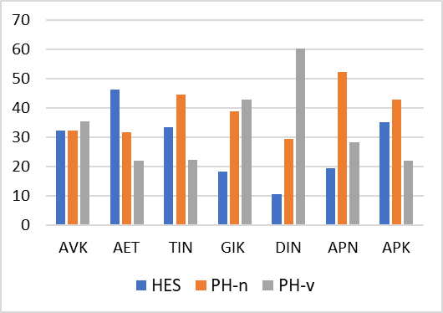
Figure 19: Frequency of strategies by speaker

 | HES | PH-n | PH-v
AVK | 32.3 | 32.3 | 35.5
AET | 46.2 | 31.8 | 22.0
TIN | 33.3 | 44.4 | 22.2
GIK | 18.2 | 38.8 | 43.0
DIN | 10.3 | 29.3 | 60.3
APN | 19.4 | 52.4 | 28.3
APK | 35 | 43 | 22

Figure 20: Proportion of nominal vs. verbal PH without overt target
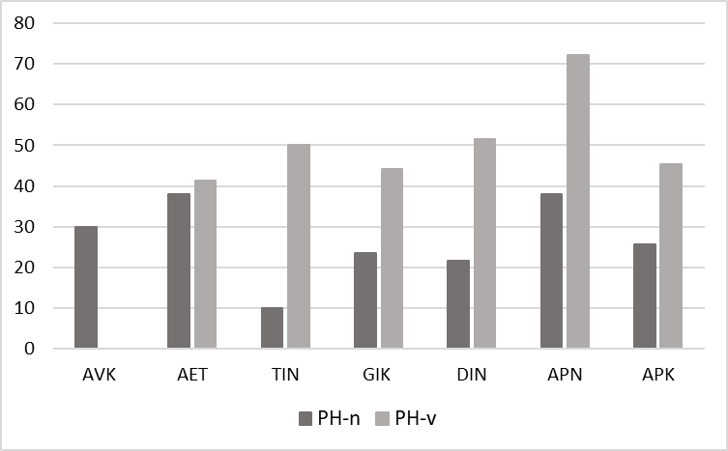
 | PH-n | PH-v
AVK | 30.0 | 0
AET | 38.1 | 41.4
TIN | 10.0 | 50.0
GIK | 23.4 | 44.2
DIN | 21.6 | 51.4
APN | 38.0 | 72.2
APK | 25.6 | 45.5

