Monorepo
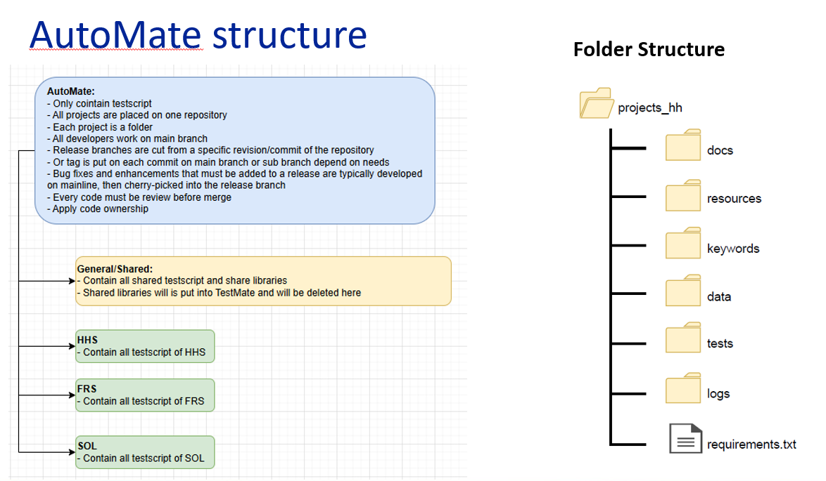
ID | Topic | Description | Resolved | GitLab command | Record
1 | Create a branch only with General folder and Project folder | Setup workspace for new team with only General folder and Project folder | 1. Clone a branch such as: project_hhs 2. Clean up all local folder/files 3. Copy General from master to Sis_branch by checkout like above picture | 1. git clone --branch project_hhs https://gitlab-green.devops.datalogic.com/testgroup/projects_hh/diamon-tool/sophia.git 2. cd sophia 3. git checkout --orphan project_SIS 4. Delete all folder and files on the local 5. git checkout origin/master -- General 6. commit and push General 7. Create folder structrue for sysz
2 | Merge orphan branch to Master |  |  | 1. git checkout master 2. git merge SOL_project --allow-unrelated-histories master | 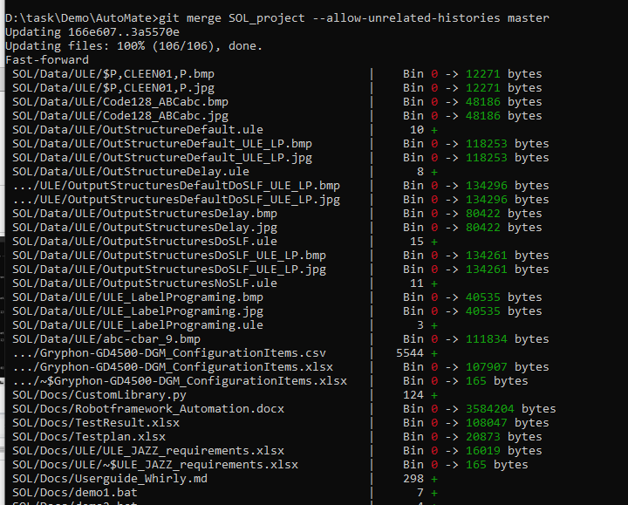
1 | Large repository size | How to reduce size of Mono repository and I don’t care projects of other team folder | 1. Clone an empty repository 2. Sparse checkout your project/folders option 2 (don't recommand): 1. Create a new merge branch 2. Delete folder/file non related 3. Rebase to project branch | 1. git clone --filter=blob:none --no-checkout https://gitlab-green.devops.datalogic.com/testgroup/projects_hh/diamon-tool/sophia.git 2. cd sophia 3. git sparse-checkout set –cone 4. git checkout main 5. git sparse-checkout set FRS 6. git pull | 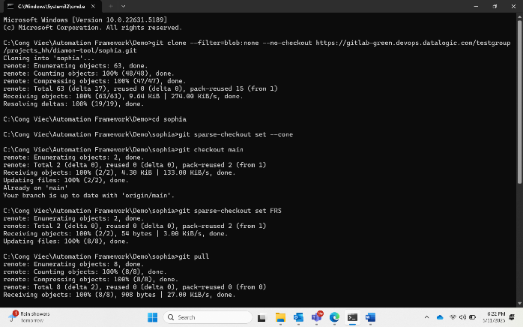
2 | Large history commits | I don't want to see a lot of commit. | Shallow clones: If you only need the latest commits, use shallow clones to fetch just the most recent history. This can significantly reduce clone times and disk usage. | git clone --depth 1 https://gitlab-green.devops.datalogic.com/testgroup/projects_hh/diamon-tool/sophia.git
3 | Manage dependencies | You tweak a shared library to fix a tiny bug, and suddenly, five different projects start throwing errors. Why? Because in a monorepo, everything’s connected. | - Testmate jfrog. We only use testmate jfrog library - Collaboration between teams to standardized
4 | Project boundaries | - Who is responsible on projects folder? - Who is responsible for Conflicts? - I don't want other team make a change on my project folder? | - Need to Establish Clear Project Boundaries and Ownership. Use CODEOWNERS file of GitLab https://docs.gitlab.com/user/project/codeowners/ option 1: create file .gitlabe/CODEOWNERS in master or main branch option 2: use subgroup ex: create testgroup/hhs and add this group to CODEOWNERS | /projects_hhs/ @hhs_leader /projects_frs/ @frs_leader /General/ @common_leader link to execute this: https://docs.gitlab.com/user/custom_roles/ https://docs.gitlab.com/user/permissions/ https://docs.gitlab.com/development/permissions/predefined_roles/ | 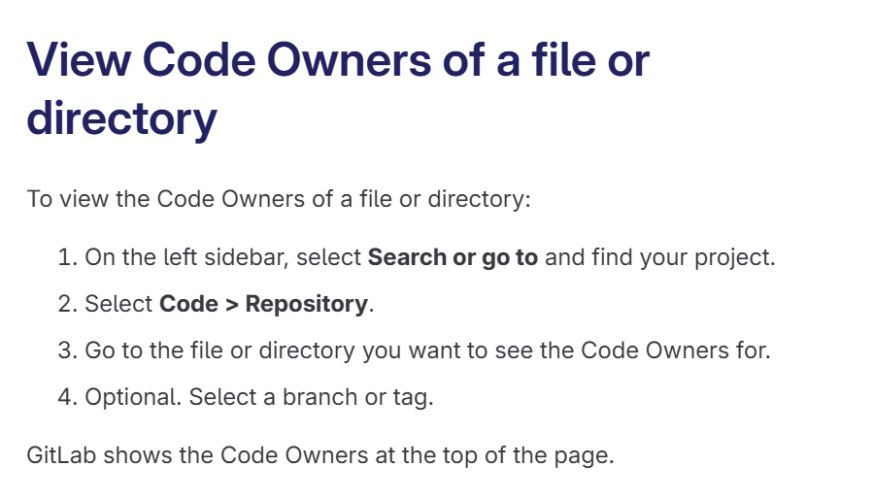 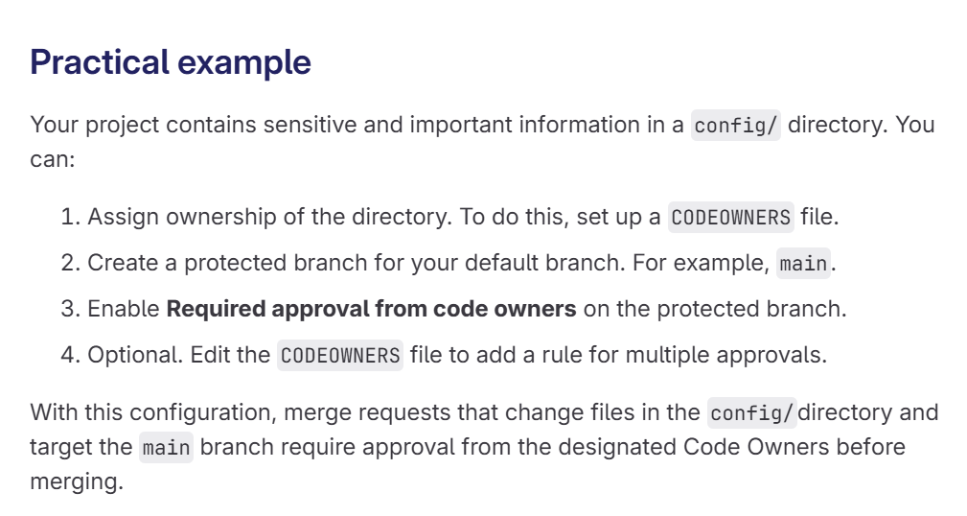 | 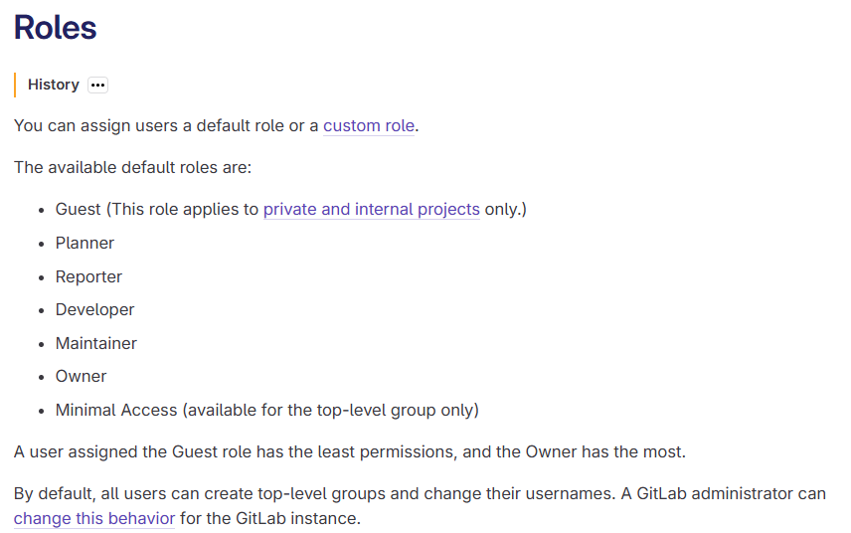 | 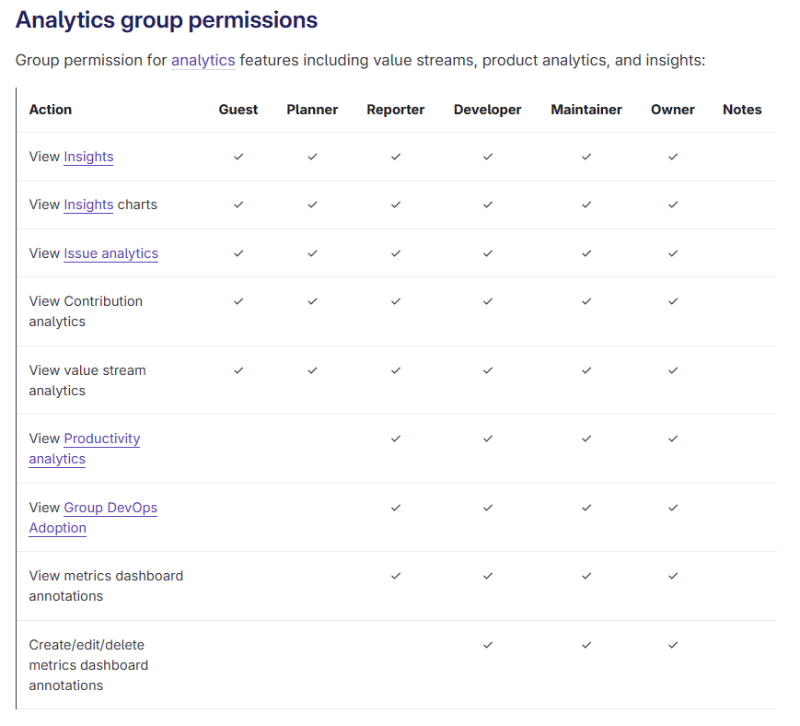
5 | Merge Conflict | - In a monorepo, multiple developers and teams contribute to a shared codebase, often modifying the same files, libraries, or configurations. This collaborative environment amplifies the risk of merge conflicts, especially in large organizations with hundreds of daily commits | 1. Smaller, frequent commits: Break work into smaller, atomic commits that address specific tasks. Encourage developers to merge changes into the main branch multiple times a day 2. Feature flags Long-running branches risk conflicting with upstream changes. Use feature flags (toggles) to hide incomplete features in the main branch. This allows developers to merge code incrementally without exposing unfinished work.

Monorepo_reference
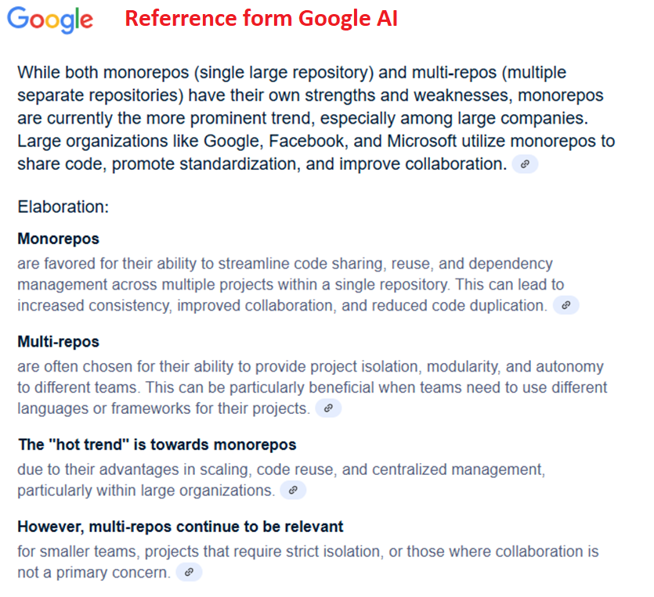
Good reads
Google document | Why Google Stores Billions of Lines of Code in a Single Repository
Advantages Disadvantages | Advantages of monorepos
Why use monorepo | Why you should use a single repository for all your company’s projects
 | Monorepos make inner-source come to life
What is Monorepo | What is a monorepo? (and Should You Use Them?).
CI/CD for Monorepo | Continuous Integration for Monorepos for Semaphore-CI users.
Monorepo tools | monorepo.tools - Monorepos explained
GitLAB CI for monorepo | Kilo in 100 Seconds
Monorepo courses | One Codebase to Rule Them All - A Monorepo Journey > One Codebase to Rule Them All: A Monorepo Journey | Class Central Classroom
Monorepo courses | Project Cable Car: From Multi-Repo to Monorepo - Lessons and Insights > MAKERS & BUILDERS - Project Cable Car: from multi- to monorepo | Class Central Classroom
Monorepo courses | Lessons from a Large JVM Monorepo - Managing Multi-Language Codebases > Lessons from a Large JVM Monorepo - Janusz Kudelka, Airbnb | Class Central Classroom
Monorepo courses | monorepo - free online courses/MOOC search results | Class Central
Vercel monorepo document | https://vercel.com/docs/monorepos
GitLab monorepo | https://docs.gitlab.com/user/project/repository/monorepos/
Website | https://digma.ai/10-common-problems-of-working-with-a-monorepo/
NX | https://nx.dev/concepts/decisions/why-monorepos
All link, document related to Monorepo | https://github.com/korfuri/awesome-monorepo
Build systems & dependency management tools for Monorepo
Tools | Description
baur | builds only changed applications in a monorepo branch and manages build artifacts
Bazel | Google's monorepo-oriented build system. More on Bazel: awesome-bazel
Bit | a tool for building and managing JavaScript projects with multiple components, and managing the dependency graph of components.
Bolt | Pkg is a super-powered JavaScript project management.
Buck | Facebook's monorepo-oriented build system.
drkns | a simple and language agnostic monorepo build tool.
Garment | Farfetch's monorepo build system with centralized and customizable task management.
GitLab CI 11.4 | CI 11.4 supports running steps based on path changes.
Lerna | a tool for managing JavaScript projects with multiple packages, built on Yarn.
MBT | a build tool with differential build support.
Nix | a package and distribution build tool with remote caching, predominately used by NixOS.
Nx | a build system for TypeScript monorepos and a set of monorepo management tools.
OAO | a Yarn-based, opinionated JavaScript monorepo management tool.
Pants | a monorepo-oriented build system, used by Twitter, Foursquare and multiple other companies.
Please.build | cross-language build system with an emphasis on high performance, extensibility and reproduceability.
pnpm | a JavaScript dependency management tool that supports monorepos through a set of dedicated commands called pnpm multi.
Rush Stack Rush | is a family of tools geared towards large scale TypeScript monorepos, and based around the Rush build orchestrator
Spago | a PureScript package manager and build tool powered by Dhall and package-sets.
Symplify/MonorepoBuilder | a PHP monorepo management tool.
Tainted | a tool to determine which Go packages need to be rebuilt in a monorepo.
Versio conventional commits | updates all version numbers in monorepo projects based on conventional commits, and can generate changelogs and tags.
Yarn | a JavaScript dependency management tool that supports monorepos through workspaces.
Layer-pack | a Webpack plugin allowing monorepo structures via inheritable npm packages/code layers & es6 glob imports.
Turborepo | a high-performance build system for JavaScript and TypeScript codebases.
Repository management tools for Monorepo
Builder | a tool that makes it possible to ship the same scripts across projects in a Node.js monorepo. For example, share build and testing scripts across projects.
FBShipIt | a library written in Hack for copying commits from one repository to another.
adeira/shipit | a simplified JavaScript port of FBShipIt.
Lank | a tool that links packages together in a Node.js monorepo using automatic configuration of NODE_PATH instead of symlinks. Lank also allows you to run the same commands across all (or subsets of all) packages.
monorepo-run | a collection of helpers to run scripts in each package of a yarn monorepo with a separated pane per package.
oao
Syncpack | ensures consistent dependency versions in large JavaScript Monorepos.
Ultra Runner | Runner is a smart script runner and build tool for Lerna, Pnpm, Rush and Yarn. Scripts run concurrently, using the dependency topology. Builds keep track of file changes and are skipped when possible.
wsrun | running a command in each package of a Yarn workspaces monorepo.
meta | a tool for managing multi-project systems and libraries. It answers the conundrum of choosing between a mono repo or many repos by saying "both", with a meta repo.
Version control systems & add-ons
Git Tools
Git shallow clones | let you clone only part of your Git history.
 | How to Use Git Shallow Clone to Improve Performance
 | How to handle big repositories with Git
 | Git clones vs Shallow Git clones
Git filter-branch | let you rewrite a repository's history and prune branches.
 | How to handle big repositories with Git
Git clone --single-branch
 | How to handle big repositories with Git
Git sparse-checkout
 | Cloning specific folders from git
 | How to handle big repositories with Git
Git LFS | improves the handling of large files in Git.
GVFS | virtualizes the file system beneath your git repo so that git and all tools see what appears to be a normal repo, but GVFS only downloads objects as they are needed. Windows only.
SlothFS | similar to GVFS, but read-only. It works on Linux and macOS.
git subtree | merges and splits subtrees from your project into subprojects and back. Part of Git since version 1.7.
 | git subsplit automates and simplifies the process of managing one-way read-only subtree splits.
splitsh-lite | a very fast git subtree alternative to splits subtrees from your project into subprojects.
josh | a git server proxy enabling on-the-fly virtualization of repositories.
go-diff | a handy tool analyzes which packages needed to be rebuilt due to changes.
mgt | a tool that enables easy bidirectional sync between multiple repositories via files that define how to remap a repository
Scaling info | Atlassian's Monorepos in Git and How to handle big repositories in Git cover scaling options for Git.
Mercurial Tools | Watchman, replaced by fsmonitor trigger partial, incremental builds when your files change
Scaling info | Scaling Mercurial at Facebook
Development process tools
Code reviews
Pull Review Hubot plugin | Review Hubot plugin to automate pull reviews with lots of configuration options.
Rietveld | a code review tool by Google used by Chromium.
API Extractor | Extractor is used to detect and review API signatures for TypeScript libraries, and also for publishing a multi-package API reference.
CI tools
Incremental CI in Jenkins with Bazel | CI in Jenkins with Bazel, article by Kristina Chodorow (Bazel team).
bazel-travis | a minimal setup to use Travis CI in a Bazel monorepo.
buildpipe | a tool to dynamically generate Buildkite pipelines by looking at changes in projects.
Codefresh | a CI/CD platform for Docker/Kubernetes that has native Monorepo support
CI/CD for Microservices Using Monorepos | for Microservices Using Monorepos, a post describing a Shippable.com build designed for triggering builds specific to the microservice that has actually been modified and ones depending on it.
Semaphore CI
Code ownership
GitHub's CODEOWNERS | CODEOWNERS can restrict who can approve a pull request that affects a given part of a monorepo.
Chromium's OWNERS file | file inspired GitHub's CODEOWNERS.
Write Guard | uses GitHub actions to enforce file-level write access to a monorepo.
CODEOWNERS generator | generator generates a CODEOWNERS file for your monorepo from files in subfolders.
Development Workflows
Trunk Based Development | a source-control branching model, where developers collaborate on code in a single branch called ‘trunk’, resist any pressure to create other long-lived development branches by employing documented techniques. They therefore avoid merge hell, do not break the build, and live happily ever after
Branch By Abstraction | is a set-piece technique to effect a ‘longer to complete’ change in the trunk.
Migration tools
Bazel's migration-tooling | Bazel's migration-tooling repository.
Gazelle | generate Bazel BUILD files automatically for Go packages.
tomono | import an existing set of Git repositories into a monorepo.
shopsys/monorepo-tools | contain a set of tools for building and splitting a monolithic repository.
Fastlane monorepo migration tools | monorepo migration tools is tools for migrating code and github issues. Specific for fastlane so requires
Notable public monorepos
Foursquare | Foursquare's opensource projects
Stellar | Stellar's Go monorepo
Habitat | Habitat's monorepo
Examples for Google's Open Source | startup-os monorepo: working examples for Google's Open Source tools (bazel, etc) in a monorepo
M3 | M3 monorepo - Distributed TSDB, Aggregator and Query Engine, Prometheus Sidecar, Metrics Platform
Entria | Entria's Full Stack Playground Monorepo
Berty | Berty's monorepo - React-native mobile App + Golang backend + Gomobile bridge + iOS & Android native drivers + Protobuf
NixOS | NixOS's monorepo of packages and modules can be used to incrementally build and deploy Linux machines
Celo | Celo's monorepo (includes blockchain, misc tooling, libraries, ops stuff like terraform modules, docs, etc)
Proton Mail | ProtonMail's monorepo (the proton web clients: mail, calendar...)
Facebook (Meta) | https://github.com/facebook/react
Vercel | https://github.com/vercel/next.js
Tldraw | https://github.com/tldraw/tldraw/tree/main
List company approach by Monorepo | result form Google AI
Google: | Google is a major proponent of the monorepo approach and has been using it for a long time, developing tools like Bazel to manage their large monorepo. They have invested heavily in infrastructure and tooling to support this strategy.
Facebook: | Facebook also utilizes a monorepo for many of its projects, including its core applications. They developed tools like Buck (a build system) and Watchman (a file-watching service) to handle the scale and complexity.
Uber: | Uber uses a monorepo to consolidate code from hundreds of engineers across various development centers, according to DevOps.com.
Microsoft: | Microsoft, another large technology company, also utilizes monorepos in their development processes.
Airbnb | Airbnb is another example of a company that has adopted the monorepo strategy.
Twitter | Twitter also employs monorepos to manage their codebase.
GitHub: | Even smaller companies like GitHub utilize monorepos for some of their projects.
Open Source Projects: | Many open-source projects, such as the Linux kernel, also leverage the monorepo approach.

Polyrepo_manifest_Win_GitBash
Description | Steps | Gitlab command | Picture
Launch Git Bash | 1. Open the Start Menu (i.e. press the ⊞ key). 2. Find/search for “Git Bash”. 3. Double click on Git Bash |  | 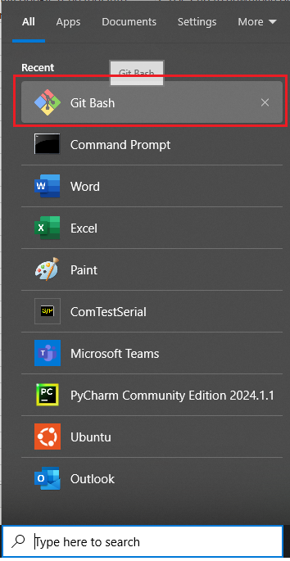
Install Google repo tool into Window 10/ Window 11 | 1. Create bin folder in /home 2. Use Curl to download Google repo tool form internet and move it to /bin 3. Set all user with execute permission to /bin/repo | mkdir -p ~/bin curl https://storage.googleapis.com/git-repo-downloads/repo > ~/bin/repo chmod a+x ~/bin/repo | 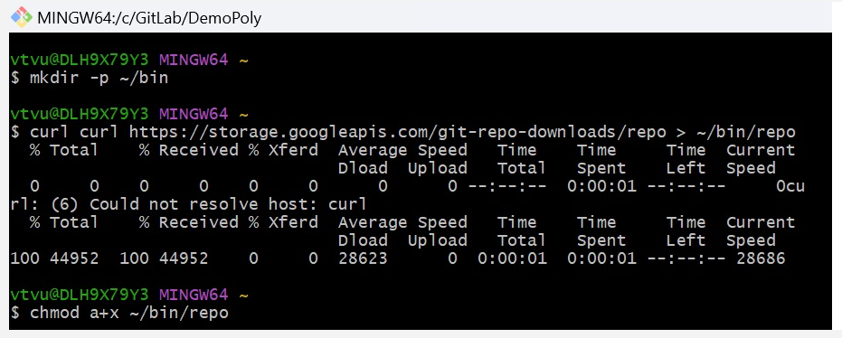
Symlink Python to Git | 1. Check Where is python on your PC 2. Symlink python to python3 of repo | 1. which python 2. ln -s /c/Python312/python.exe /usr/bin/python3 3. nano ~/.bashrc 4. type 2 line below to file .bashrc export PATH=~/bin:$PATH alias python3=python 5. source ~/.bashrc 6. repo --version | 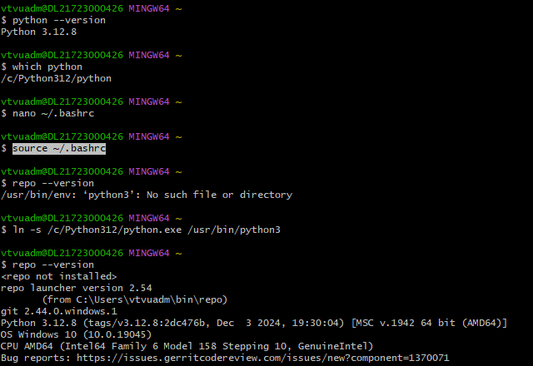
Create SSH key on virtual machine Ubuntu | 1. Generate a ssh keygen on Ubuntu machine 2. Copy this ssh key public | ssh-keygen -t ed25519 -C "your_email@example.com" cat ~/.ssh/id_ed25519.pub copy this ssh key | 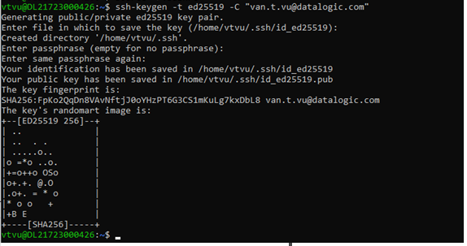
Paste SSH key to GitLab of your account | https://gitlab-green.devops.datalogic.com/-/user_settings/ssh_keys
init repo | 1. Init repo and clone all projects to local PC | mkdir polyrepo-demo cd polyrepo-demo repo init -u ssh://git@gitlab-green.devops.datalogic.com:22010/testgroup/projects_hh/diamon-tool/polyrepo_manifest.git -b main -m default.xml repo sync | 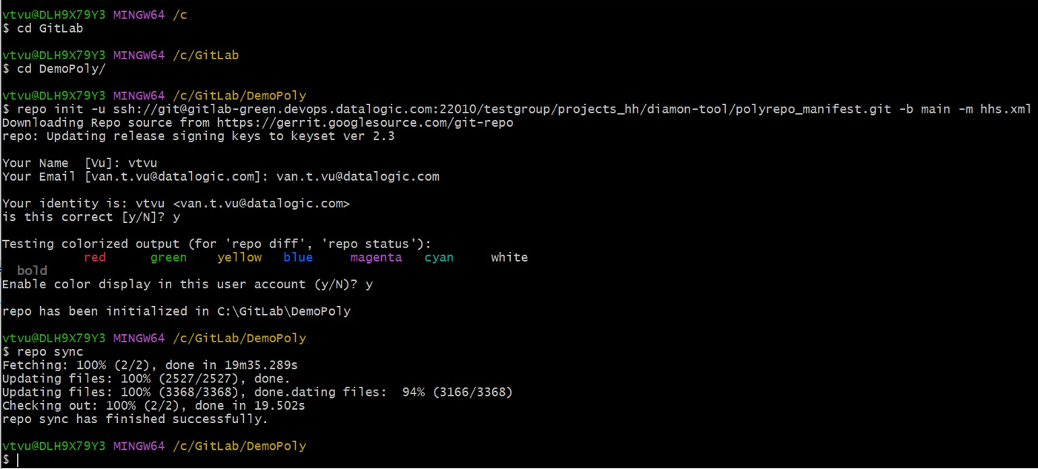
commit the changes | 1. change to HHS (project/HHS repo) 2. send commit 3. push to the remote with name branch | 1. cd HHS 2. git add . 3. git commit -m "Edit form Window10" 4. git push ssh://git@gitlab-green.devops.datalogic.com:22010/testgroup/projects_hh/diamon-tool/hhs.git HEAD:master
install TestMate |  | pip install HHS/testmate-1.0.2-py3-none-any.whl

Polyrepo_manifest_Win10_WSL
Description | Steps | Gitlab command | Picture
Install Ubuntu | 1. Double click on file Ubuntu2204-221101.AppxBundle download form https://aka.ms/wslubuntu2204 |  | 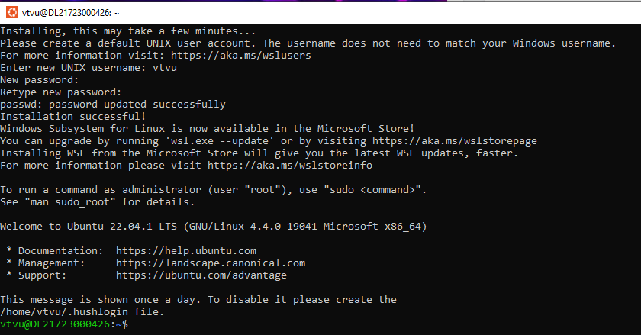
Install Git, Curl, Python3 to Ubuntu | 1. Update apt 2. Install Git, Curl, python3 | sudo apt update sudo apt install -y git curl python3 | 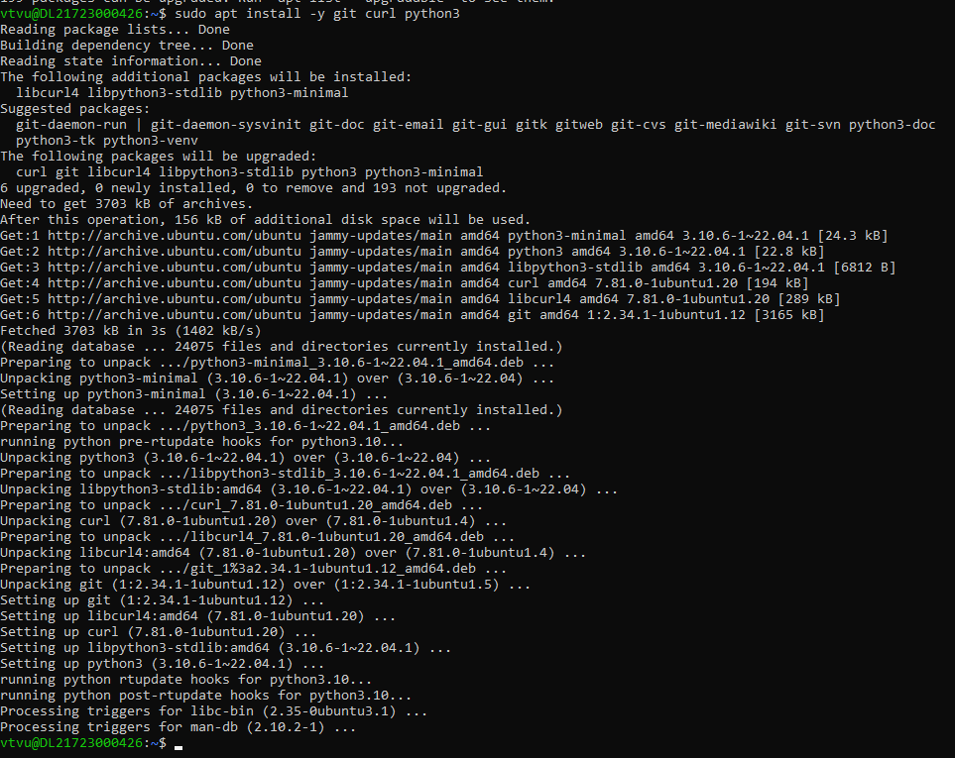
Install Google repo tool into Ubuntu | 1. Create bin folder in /home 2. Use Curl to download Google repo tool form internet and move it to /bin 3. Set all user with execute permission to /bin/repo | mkdir -p ~/bin curl https://storage.googleapis.com/git-repo-downloads/repo > ~/bin/repo chmod a+x ~/bin/repo
Set PATH | ~/bin/repo to PATH to be able execute | echo 'export PATH=~/bin:$PATH' >> ~/.bashrc source ~/.bashrc
Create SSH key on virtual machine Ubuntu | 1. Generate a ssh keygen on Ubuntu machine 2. Copy this ssh key public | ssh-keygen -t ed25519 -C "your_email@example.com" cat ~/.ssh/id_ed25519.pub copy this ssh key | 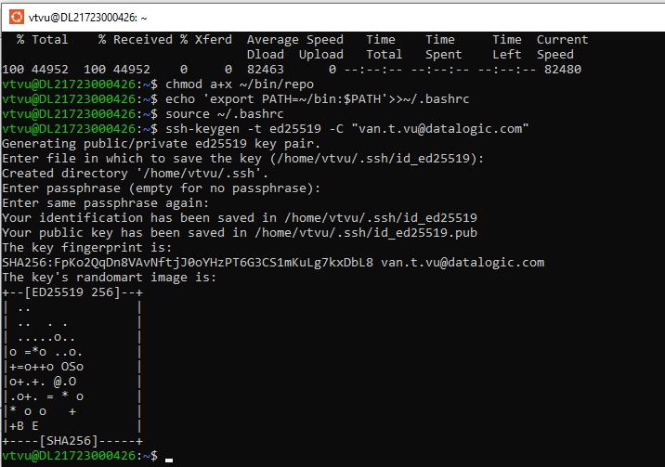
Paste SSH key to GitLab of your account | https://gitlab-green.devops.datalogic.com/-/user_settings/ssh_keys
Set Git config | 1. Config user name | git config --global user.name "vtvu" git config --global user.email "van.t.vu@datalogic.com"
init repo | 1. Init repo and clone all projects to local PC | mkdir polyrepo-demo cd polyrepo-demo repo init -u ssh://git@gitlab-green.devops.datalogic.com:22010/testgroup/projects_hh/diamon-tool/polyrepo_manifest.git -b main -m default.xml repo sync
open PyCharm and open the project
commit the changes | 1. change to HHS (project/HHS repo) 2. send commit 3. push to the remote with name branch | 1. cd HHS 2. git add . 3. git commit -m "Edit form Window10" 4. git push ssh://git@gitlab-green.devops.datalogic.com:22010/testgroup/projects_hh/diamon-tool/hhs.git HEAD:master
install RobotFrameWork |  | 1. sudo apt update 2. sudo apt install python3-pip -y 3. pip3 install robotframework
install TestMate |  | sudo pip3 install testmate-1.0.2-py3-none-any.whl

