Sheet1
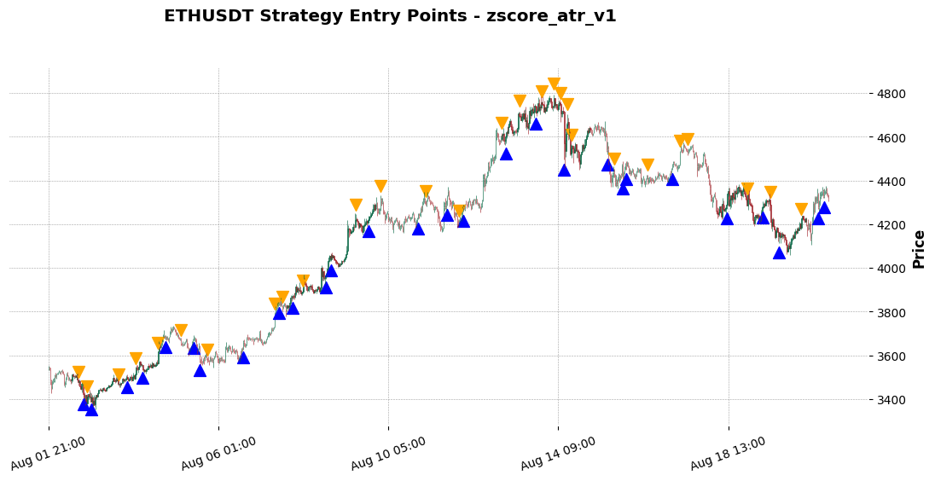
tscv: | model | interval | start_delta | signal_reversal? | trade_params | trade_strategy | model IC | backtest_result | trade_params | backtest_result | trade_params | backtest_result | trade_params | backtest_result
tscv = MultipleTimeSeriesCV( train_length=24 * 7 * 4, test_length=1, lookahead=1, date_idx='datetime' ) | reg_rf = RandomForestRegressor( n_estimators=300, min_samples_leaf=5, max_features='sqrt', max_depth=15, random_state=42, n_jobs=-1) | INTERVAL = '30m' | START_DELTA = timedelta(days=60) | no | strategy_params = dict( atr_period=12, atr_tp_factor=1.5, atr_sl_factor=2, signal_column='final_signal' ) | ATR Dynamic | Information Coefficient (overall): -5.579% (p-value: 8.4232%) | Sharpe Ratio: 0.17158946012423318 Max Drawdown: 5.91% Total Return: 8.37%, Annual Return: 173.02% AutoOrderedDict([('total', AutoOrderedDict({'total': 48, 'open': 1, 'closed': 47})), ('streak', AutoOrderedDict([('won', AutoOrderedDict([('current', 0), ('longest', 6)])), ('lost', AutoOrderedDict([('current', 2), ('longest', 4)]))])), ('pnl', AutoOrderedDict([('gross', AutoOrderedDict([('total', 13619.110000000004), ('average', 289.7682978723405)])), ('net', AutoOrderedDict([('total', 9022.683845000001), ('average', 191.97199670212768)]))])), ('won', AutoOrderedDict([('total', 29), ('pnl', AutoOrderedDict([('total', 33052.79893999999), ('average', 1139.7516875862066), ('max', 2946.574784999997)]))])), ('lost', AutoOrderedDict([('total', 18), ('pnl', | strategy_params = dict( atr_period=12, atr_tp_factor=1.5, atr_sl_factor=1.5, signal_column='final_signal' ) | Sharpe Ratio: 0.14088150027098925 Max Drawdown: 4.30% Total Return: 5.95%, Annual Return: 104.32% AutoOrderedDict([('total', AutoOrderedDict({'total': 50, 'open': 1, 'closed': 49})), ('streak', AutoOrderedDict([('won', AutoOrderedDict([('current', 0), ('longest', 6)])), ('lost', AutoOrderedDict([('current', 2), ('longest', 4)]))])), ('pnl', AutoOrderedDict([('gross', AutoOrderedDict([('total', 11166.330000000025), ('average', 227.88428571428622)])), ('net', AutoOrderedDict([('total', 6427.533615000025), ('average', 131.17415540816378)]))])), ('won', AutoOrderedDict([('total', 27), ('pnl', AutoOrderedDict([('total', 29958.95695000001), ('average', 1109.5909981481486), ('max', 2946.574784999997)]))])), ('lost', AutoOrderedDict([('total', 22), ('pnl', | strategy_params = dict( atr_period=4, atr_tp_factor=1.5, atr_sl_factor=2, signal_column='final_signal' ) | Sharpe Ratio: 0.1851171201005187 Max Drawdown: 5.88% Total Return: 8.95%, Annual Return: 192.60% AutoOrderedDict([('total', AutoOrderedDict({'total': 47, 'open': 1, 'closed': 46})), ('streak', AutoOrderedDict([('won', AutoOrderedDict([('current', 1), ('longest', 7)])), ('lost', AutoOrderedDict([('current', 0), ('longest', 4)]))])), ('pnl', AutoOrderedDict([('gross', AutoOrderedDict([('total', 14131.889999999941), ('average', 307.2149999999987)])), ('net', AutoOrderedDict([('total', 9651.87168499994), ('average', 209.8232974999987)]))])), ('won', AutoOrderedDict([('total', 30), ('pnl', AutoOrderedDict([('total', 33612.52365499997), ('average', 1120.4174551666656), ('max', 2946.574784999997)]))])), ('lost', AutoOrderedDict([('total', 16), ('pnl', | strategy_params = dict( atr_period=12, atr_tp_factor=1.5, atr_sl_factor=2.5, signal_column='final_signal' ) | Sharpe Ratio: 0.2515076879855322 Max Drawdown: 4.69% Total Return: 12.09%, Annual Return: 326.51% AutoOrderedDict([('total', AutoOrderedDict({'total': 45, 'open': 0, 'closed': 45})), ('streak', AutoOrderedDict([('won', AutoOrderedDict([('current', 1), ('longest', 7)])), ('lost', AutoOrderedDict([('current', 0), ('longest', 3)]))])), ('pnl', AutoOrderedDict([('gross', AutoOrderedDict([('total', 17252.18), ('average', 383.38177777777776)])), ('net', AutoOrderedDict([('total', 12847.99141), ('average', 285.51092022222224)]))])), ('won', AutoOrderedDict([('total', 31), ('pnl', AutoOrderedDict([('total', 32382.797344999984), ('average', 1044.6063659677413), ('max', 2946.574784999997)]))])), ('lost', AutoOrderedDict([('total', 14), ('pnl', AutoOrderedDict([('total', -19534.805934999986),

 |  |  |  |  |  |  |  |  | trade_params | backtest_result
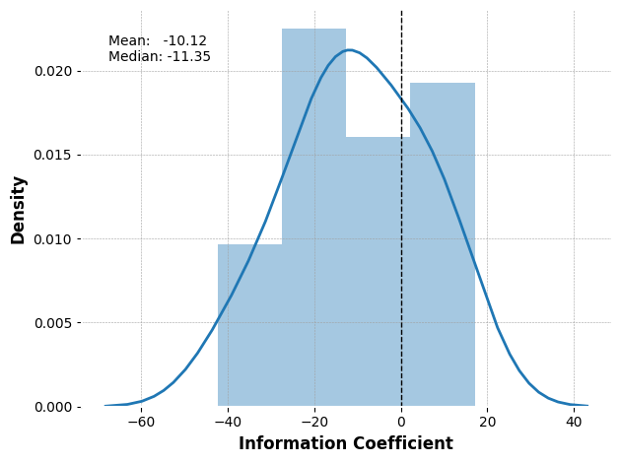 |  |  | 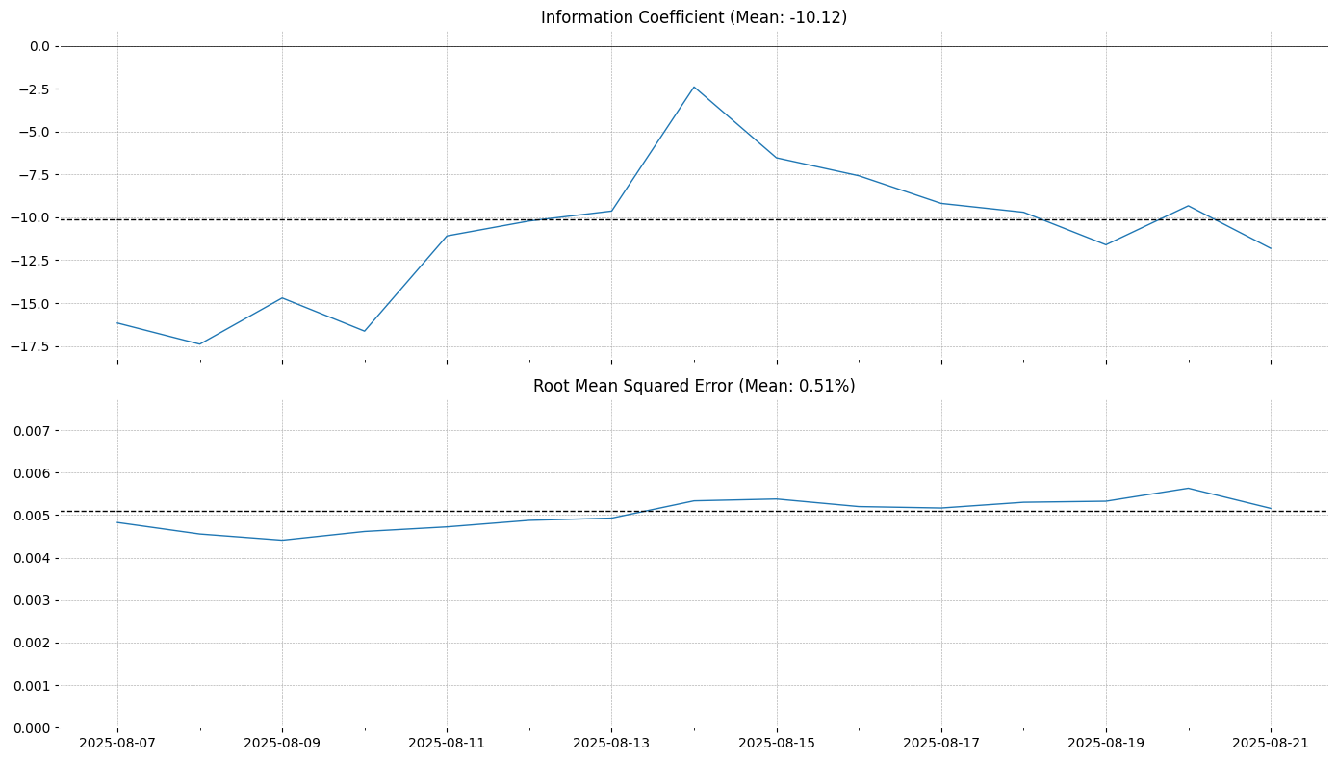 |  |  |  |  |  | strategy_params = dict( atr_period=6, atr_tp_factor=1.5, atr_sl_factor=3, signal_column='final_signal' ) | Sharpe Ratio: 0.2862669116625866 Max Drawdown: 5.02% Total Return: 13.37%, Annual Return: 397.44% AutoOrderedDict([('total', AutoOrderedDict({'total': 43, 'open': 0, 'closed': 43})), ('streak', AutoOrderedDict([('won', AutoOrderedDict([('current', 1), ('longest', 8)])), ('lost', AutoOrderedDict([('current', 0), ('longest', 3)]))])), ('pnl', AutoOrderedDict([('gross', AutoOrderedDict([('total', 18480.349999999973), ('average', 429.7755813953482)])), ('net', AutoOrderedDict([('total', 14303.984354999971), ('average', 332.6507989534877)]))])), ('won', AutoOrderedDict([('total', 31), ('pnl', AutoOrderedDict([('total', 31852.634724999964), ('average', 1027.5043459677408), ('max', 2946.574784999997)]))])), ('lost', AutoOrderedDict([('total', 12), ('pnl',

