Assumptions and relationships
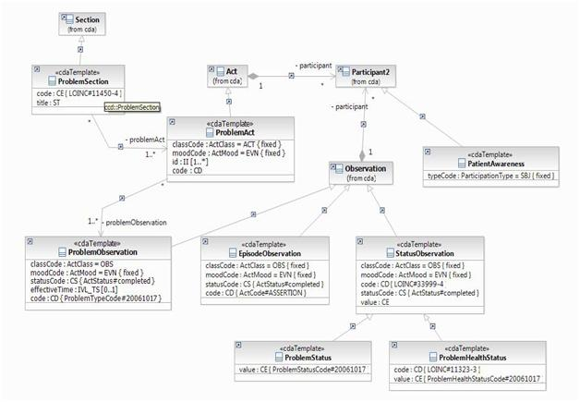
Assumptions:
Each problem section will have a sequence number associated with it.
Only 1 HealthStatus observation will be present (not one for each problem)
Only 1 awareness, 1 participant (patient) and 1 participant (provider) will be present (not one for each). Although, you could have all those participants for each problem. If those are needed later, you can just recycle the data for each problem.
Most patients do not die, so a death observation will be an exception.

